Data
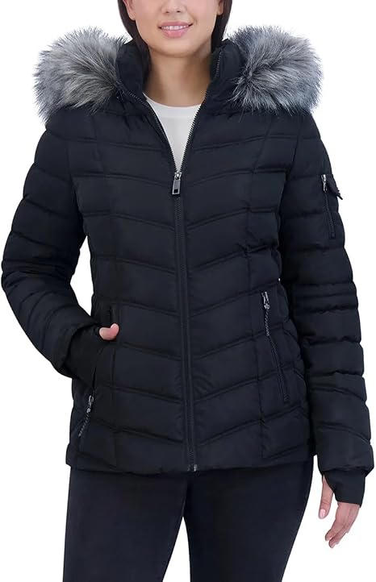
TLGDIV | TLGDIV NAME | Style Season | Style | Style Name | Color_code | Color Name | Dm/Pk | Lbl_code | Loc | Size Desc | OTS INV | Image
179 | NAUTICA CLASSICS | F26 | 1791181 | Packable Stretch Puffer Jacket With Adjustable Hem | BLK | BLACK |  |  | NJ | S | 10

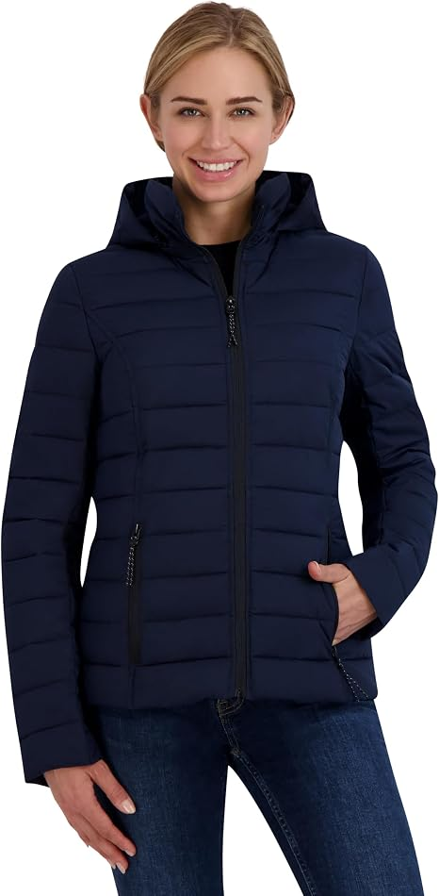
179 | NAUTICA CLASSICS | F26 | Q621885 | Nautica Women's Short Stretch Packable Jacket | NSS | NAVY SEAS |  |  | NJ | L | 5

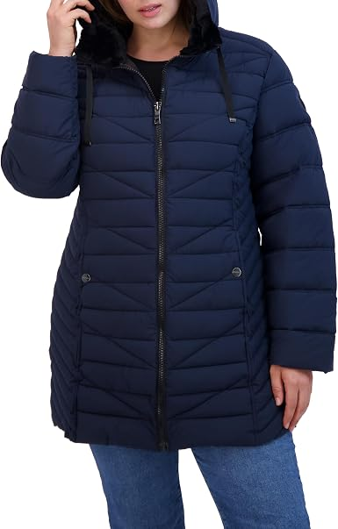
179 | NAUTICA CLASSICS | F26 | 117003891 | Nautica Women's Mechanical Stretch Puffer Jacket | NSS |  |  |  | NJ | XL | 4

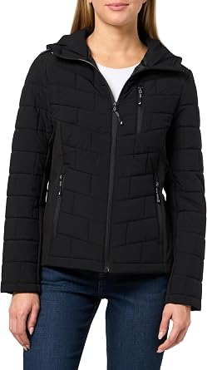
179 | NAUTICA CLASSICS | F26 | 117004822 | Nautica Women's Stretch Hybrid Puffer Jacket |  |  |  |  | NJ | L | 7

