Sheet1
...
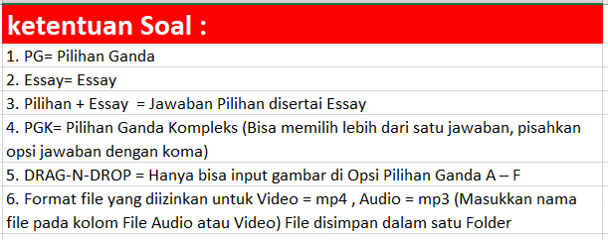
 |  |  | Kunci Jawaban PG dan PGK | Jawaban Essay
Pilihan D | Pilihan E | Pilihan F
The god | The goddess |  | C
He plough the rice field | He takes seveal ripe rice stalks with permission |  | E
Slice of life | Myth |  | E
Visited | Angry |  | A
Dewi sri visit the earth | Java island |  | A
Introduction | Angry |  | B
Pretty girls | Princess |  | A
Because he fell health | Because he fell handsome |  | B
to persuade readers to accept his/her opinions | to denote or propose something as the case |  | B
grow | death |  | E
Sang Prabu was a wise man | Sang Prabu didn’t have a son |  | C
She didn’t want the prince of Blambangan marry the princess | She didn’t want the prince of Blambangan feel love with her |  | D
Kebo Iwo destroyed all the house but not the temple | Kebo eat food was equal for food of thousand people |  | E
Because Balinese people were in hunger | Because Balinese people turned to rage |  | C
We should not hate our decendants | Just do what we have planned |  | B
The king | Father |  | B
The legend of Tangkuban Perahu | Dayang Sumbi’s rejection to marry Sangkuriang |  | D
good at hunting deer | in fact Dayang Sumbi’s father |  | B
...

