GR-MD-02 - Clinical
Brand | Belapectin
Generic | Belapectin, GR-MD-02
Phase | IIb/III
Indication | NASH Cirrhosis
Status | Ongoing
MOA | galectin-3 inhibitor
Already approved countries | None
Risk associated
Economics
Physiochemistry | -
Molecule | -
XLogP | -

Clinical Trials:
 |  |  |  |  | Failure
 |  |  |  |  | DOI: https://doi.org/10.1053/j.gastro.2019.11.296
 |  |  |  |  | NCT02462967
Title of Study: A Multicenter, Randomized, Placebo-controlled, Double-blind, Parallel-group, Phase 2 Clinical Trial to Evaluation the Safety and Efficacy of GR-MD-02 for the Treatment of Liver Fibrosis and Resultant Portal Hypertension in Patients With Nash Cirrhosis
Study Name | GT-026
Study Num: 1
N | 162
Start Date | 2015-06
Study design | Multicenter, parallel group, North American, randomized, placebo controlled, double blind study.
Inclusion Criteria | Has a HVPG measurement ≥6 mm Hg.
 | Has a liver biopsy with cirrhosis (Ishak stage 5 or 6) presumably due to NASH.
 | Is ≥18 years of age and ≤75 years of age at the time of screening.
Sites | 46 USA.
Intervention | Subjects with portal hypertension and cirrhosis will be randomly assigned (1:1:1 ratio), GR MD 02 in a dose of 2 mg/kg, or GR MD 02 in a dose of 8 mg/kg administered every other week over a 52 week period for a total of 26 intravenous infusions.
PE | Change in Portal Pressure at Year 1 (Change in HVPG From Baseline and 1 Year).
SE | The Baseline-adjusted Mean Change in the Collagen Proportional Area (%), CPA (1 year).
Sponsor | Galectin Therapeutics Inc.
Phase | IIb
Cohort | 1. 2 mg/kg GR MD 02
 | 2. 8 mg/kg GR MD 02
 | 3. Placebo
Results

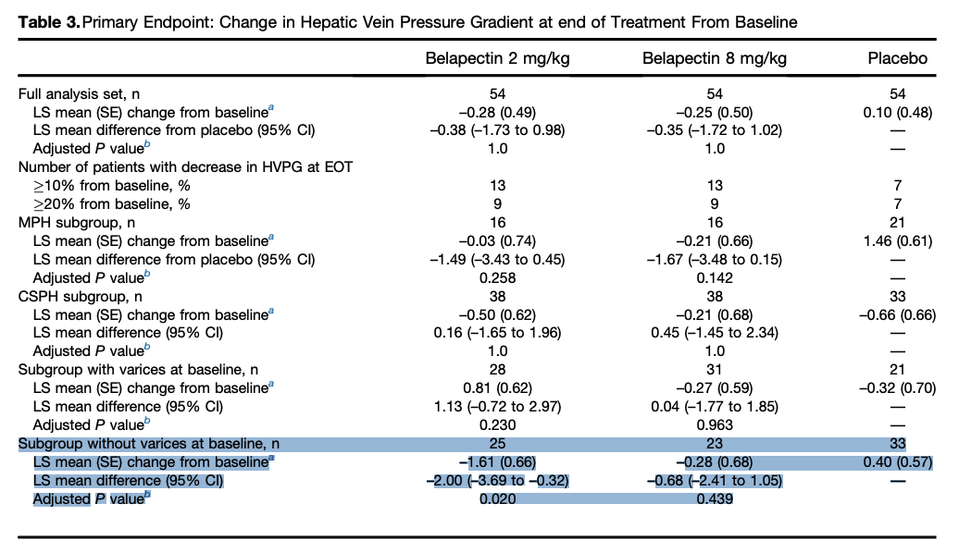

 |  |  |  |  |  | Failure (PE)
 |  |  |  |  |  | The least-squares (LS) mean change in HVPG from baseline at EOT in each treatment arm was not significantly different,
 |  |  |  |  |  | among placebo (0.10 mm Hg), belapectin 2 mg/kg (–0.28 mm Hg), or belapectin 8 mg/kg (–0.25 mm Hg) groups.

 |  |  |  |  |  | Compared with placebo, LS mean change from baseline in HVPG were also not different for the 2 active treatment groups ,
 |  |  |  |  |  | (–0.38 mm Hg for belapectin 2 mg/kg and –0.35 mm Hg for belapectin 8 mg/kg; p = 1.0 for both comparisons).

 |  |  |  |  |  | Marginal Success for Sub group
 |  |  |  |  |  | Subgroup without varices, potential results:

 |  |  |  |  |  | However, in the subgroup of patients without varices at baseline, compared with placebo (0.40 mm Hg),
 |  |  |  |  |  | the LS mean change with belapectin 2 mg/kg was significantly different (–1.61 mm Hg, p = .02) but not with,
 |  |  |  |  |  | belapectin 8 mg/kg (–0.28 mm Hg, p = .4).

 |  |  |  |  |  | So fail with 8 mg/kg.
 |  |  |  |  |  | n = 25 for the subgroup at 2mg/kg which is very small to base a Phase III on.

 |  | Phase 2b NASH-CX
 | They lie! |  | showed statistically significant and clinically meaningful results in reducing HVPG (hepatic venous pressure gradient) in comparison to placebo in NASH cirrhosis patients without esophageal varices,
 |  |  | which represented 50% of the patients enrolled in the clinical trial.
 |  | "There is no current therapy for patients with NASH cirrhosis — and a therapy such as belapectin that could improve portal hypertension,
 |  | and potentially prevent the development of esophageal varices in NASH cirrhosis and subsequent complications — would be clinically valuable"

 |  | In addition, not one of the PE or SE ever mentioned esophageal varices except, in the laste SE (which is only about complications so irrelevant):
 |  | The Number (Percentage) of Subjects That Develop a Clinical Complication of Cirrhosis: | The number (percentage) of subjects with progression of cirrhosis at 1 year, defined as the development of any of the following clinical complications: esophageal variceal hemorrhage or portal hypertensive gastropathy hemorrhage (confirmed by endoscopy or interventional radiology); clinically apparent ascites; spontaneous bacterial peritonitis; overt hepatic encephalopathy; an increase in Child-Turcotte-Pugh score ≥2 points; newly diagnosed varices in a subject without prior varices; progression from small to medium or large varices; qualification for liver transplant defined as a Model for End-Stage Liver Disease (MELD) score ≥15; listing for a liver transplant or the performance of a liver transplant; liver-related mortality.

 |  |  |  |  | the results are not out yet
 |  |  |  |  | Success / failure
 |  |  |  |  | NCT04365868
Title of Study: A Seamless, Adaptive, Phase 2b/3, Double-Blind, Randomized, Placebo-controlled, Multicenter, International Study Evaluating the Efficacy and Safety of Belapectin (GR MD-02) for the Prevention of Esophageal Varices in NASH Cirrhosis
Study Name | NAVIGATE / GT-031
Study Num: 2
N | 357
Start Date | 22/06/2020
Study design | Phase 2b/3, randomized, double-blind, multicenter, parallel-groups, placebo-controlled.
Inclusion Criteria

Sites | 5 Australia, 5 Belgium, 5 Canada, 4 Chile, 10 France, 3 Germany, 8 Israel, 4 Korea, 13 Mexico, 4 Poland, 1 Puerto-Rico, 8 Spain, 2 UK, 84 USA.
Intervention
PE | Proportion of patients in the belapectin treatment groups who develop new esophageal varices at 78 weeks [18 months] of treatment compared to placebo.
SE | Efficacy: Cumulative incidence rate of patients in the belapectin treatment groups, compared to placebo, who develop varices (esophageal or gastric) requiring treatment.
Sponsor | Galectin Therapeutics Inc.
Phase | IIb/III
Cohort

Results

 |  |  |  | They have shifted their focus on this subgroup all the PE and SE are about it.

