Efruxifermin-clinical
Brand | Efruxifermin
Generic | AKR-001, AMG-876 |  |  |  | Efruxifermin:
Phase | III & IIb |  |  |  | https://en.wikipedia.org/wiki/Efruxifermin
Indication | MASH (Metabolic-associated steatohepatitis) & Nonalcoholic Steatohepatitis
Status | Ongoing & Data released
MOA | Fc-FGF21 fusion protein
Already approved countries
Risk associated
Economics
CAS | 2375240-92-7
Physiochemistry
Molecule
XLogP
Target | FGF21

Efruxifermin is an Fc-FGF21 fusion protein (human IgG1 Fc domain linked to modified human FGF21).
Compared with native human FGF21, Efruxifermin has an extended half-life and enhanced receptor affinity.
Efruxifermin may be utilized in the research of non-alcoholic steatohepatitis.

EFX has been engineered to mimic the biological activity of fibroblast growth factor 21 (FGF21), which regulates multiple metabolic pathways and cellular processes.
By delivering sustained and balanced signaling through FGF21’s receptors in liver and adipose tissue, EFX has the potential to treat MASH by addressing all core drivers of disease progression.

The results from VK2809 are better in their latest Phase IIb so I think the market will be dead.
But overall the results are pretty good for Efruxifermin.

Phase II study - NCT05039450
A Study of Efruxifermin in Subjects With Compensated Cirrhosis Due to Nonalcoholic Steatohepatitis (NASH) (Symmetry):
https://clinicaltrials.gov/study/NCT05039450?term=NCT05039450&rank=1
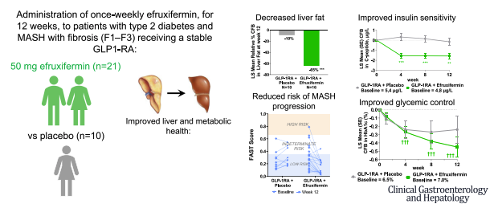
 |  |  |  | Aim of study:

 |  |  |  | success

Phase IIa study - NCT03976401
A Study of Efruxifermin in Subjects With Histologically Confirmed Nonalcoholic Steatohepatitis (NASH):
https://clinicaltrials.gov/study/NCT03976401

Method:
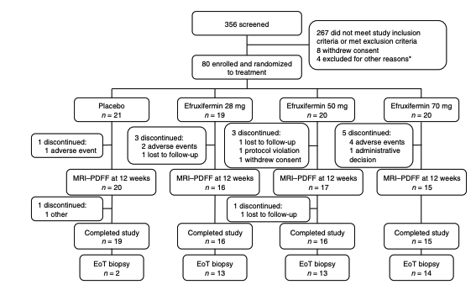

Results:
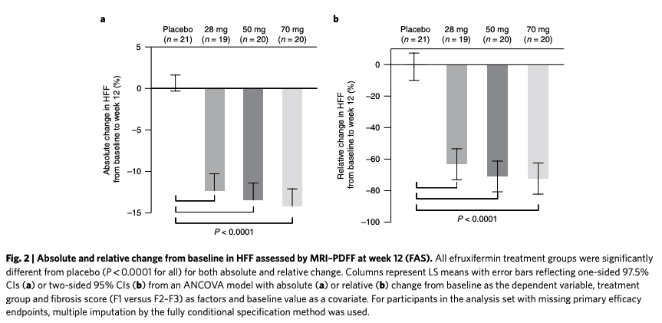

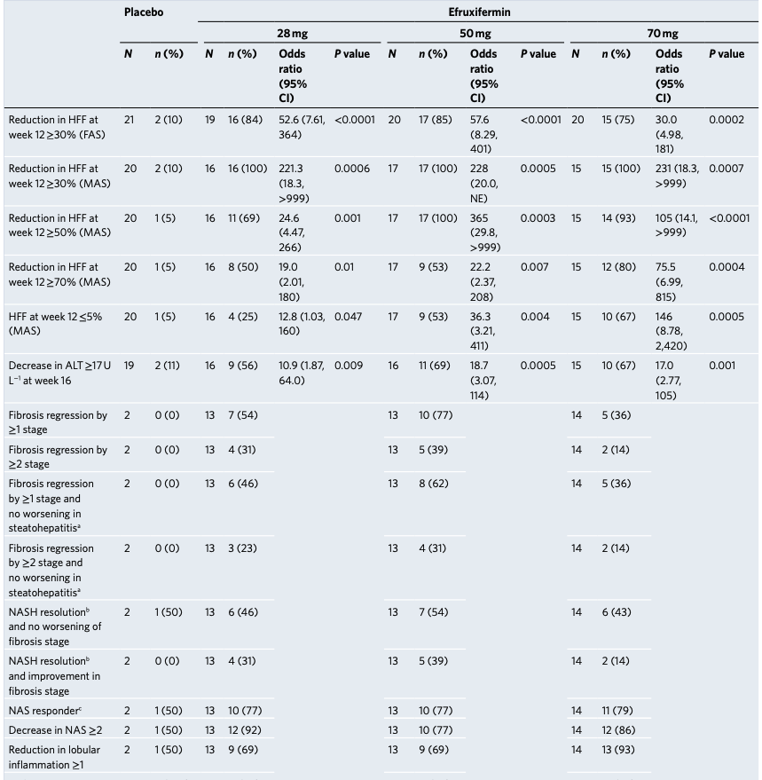
 |  | success

 |  | The primary endpoint, an absolute reduction in hepatic fat fraction (HFF) measured by MRI-PDFF at 12 weeks,
 |  | was achieved in all efruxifermin treatment groups with statistically significant differences compared to the placebo (p < 0.0001).

 |  | Placebo | +0.3%
 |  | 28mg | -12.3%
 |  | 50mg | -13.4%
 |  | 70mg | -14.1%

 |  | Significant proportion of patients in all efruxifermin groups achieved ≥30% and ≥50% relative reductions in HFF.
 |  | Notably, normalization of liver fat (≤5% HFF) was achieved in up to 67% of patients in the 70 mg group.

 |  | Improvements were seen in liver injury markers, such as alanine aminotransferase (ALT),
 |  | and systemic markers of fibrosis, including pro-C3 and ELF scores.

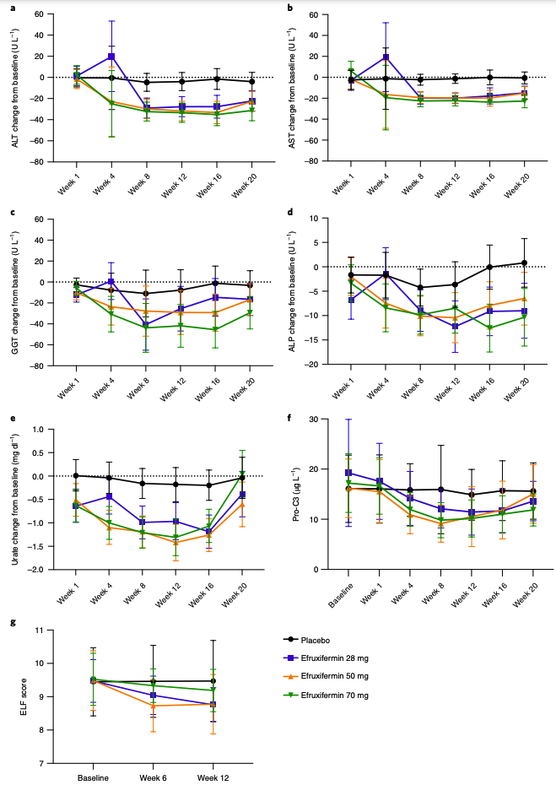

 |  |  |  |  |  | Safety: | success
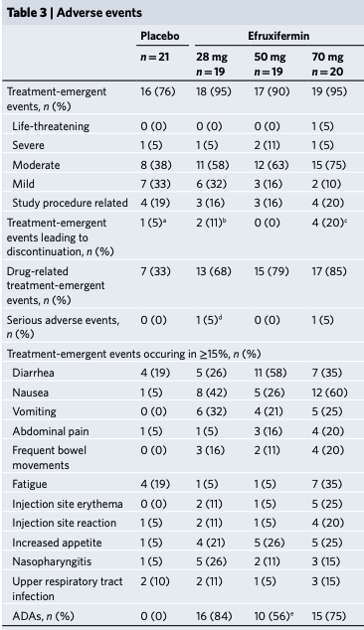

Phase III study - NCT06215716
A Study Evaluating Efruxifermin in Subjects with Non-Cirrhotic Nonalcoholic Steatohepatitis (NASH)/​Metabolic Dysfunction-Associated Steatohepatitis (MASH) and Fibrosis:
https://clinicaltrials.gov/study/NCT06215716

fgf21 liver:
https://pubmed.ncbi.nlm.nih.gov/?term=fgf21+liver&size=200

fgf21 metabolic dysfunction associated steatohepatitis:
https://pubmed.ncbi.nlm.nih.gov/?term=fgf21+metabolic+dysfunction+associated+steatohepatitis+&size=200

Papers to read:
FGF21 agonists: An emerging therapeutic for metabolic dysfunction-associated steatohepatitis and beyond:
https://pubmed.ncbi.nlm.nih.gov/38710230/

Safety and Efficacy of Efruxifermin in Combination With a GLP-1 Receptor Agonist in Patients With NASH/MASH and Type 2 Diabetes in a Randomized Phase 2 Study:
https://pubmed.ncbi.nlm.nih.gov/38447814/

Compromised macrophages contribute to progression of MASH to hepatocellular carcinoma in FGF21KO mice:
https://pubmed.ncbi.nlm.nih.gov/39441934/

Comparative Analysis of Resmetirom vs. FGF21 Analogs vs. GLP-1 Agonists in MASLD and MASH: Network Meta-Analysis of Clinical Trials:
https://pubmed.ncbi.nlm.nih.gov/39457640/

Current status and future perspectives of FGF21 analogues in clinical trials:
https://pubmed.ncbi.nlm.nih.gov/38423900/

Treating metabolic dysfunction-associated steatohepatitis: The fat-trimming FGF21 approach:
https://pubmed.ncbi.nlm.nih.gov/39546893/

A long-acting FGF21 attenuates metabolic dysfunction-associated steatohepatitis-related fibrosis by modulating NR4A1-mediated Ly6C phenotypic switch in macrophages:
https://pubmed.ncbi.nlm.nih.gov/38679486/

Reversion of metabolic dysfunction-associated steatohepatitis by skeletal muscle-directed FGF21 gene therapy:
https://pubmed.ncbi.nlm.nih.gov/39489916/

Efficacy and Safety of Fibroblast Growth Factor 21 Analogues for Metabolic Dysfunction-Associated Steatohepatitis: A Systematic Review and Meta-Analysis:
https://pubmed.ncbi.nlm.nih.gov/39362207/

Therapeutic effects of FGF21 mimetic bFKB1 on MASH and atherosclerosis in Ldlr-/-.Leiden mice:
https://pubmed.ncbi.nlm.nih.gov/39463193/

Maladaptive regeneration and metabolic dysfunction associated steatotic liver disease: Common mechanisms and potential therapeutic targets:
https://pubmed.ncbi.nlm.nih.gov/39025410/

Fibroblast growth factor 21 is a hepatokine involved in MASLD progression:
https://pubmed.ncbi.nlm.nih.gov/38894596/

FGF21: An Emerging Therapeutic Target for Non-Alcoholic Steatohepatitis and Related Metabolic Diseases:
https://pubmed.ncbi.nlm.nih.gov/33381084/

