Anktiva
Main
 | Brand | Anktiva
 | Generic | N-803, ALT-803
 | Phase | PDUFA 04/23/2024
 | Indication | NMIBC & non responsive to BCG therapy
 | MOA | IL-15 superagonist that increases activation and efficacity of NK cells, CD8 Tcells and memory Tcells.
 | Already approved countries | None
 | Risk associated
 | Economics
 | Physiochemistry | Not provided
 | Molecule | Not provided
 | Clinical Trials

Full notes | Why Anktiva?
 | For BCG unresponsive bladder cancer patients.
 | Limited treatment option, 2 FDA approved drugs: first one is old and not effective, the second is Pembrolizumab (systemic immunotherapy) with 40% patients who responded after a year half of them fall off.
 | Patients with BCG unresponsive and are maybe not good candidate for systemic immunotherapy, or that want better results are looking for other options.
 | The best option for them is now cystectomy (removal of bladder),
 | N-803 is the new better option for this patients.
 | In this option patient receive an IL-15 superagnosit (N-803) combined with BCG, the combination of those two drugs upregulate CD8 and NK cells and this without upregulation of regulatory T cells.
 | 40% of patient with NMIBC are BCG unresponsive.

QUILT 3032 study

 | Clinical Trial
A | Study 1 | "Quality of Life in the Phase 2/3 Trial of N-803 Plus Bacillus Calmette-Guérin in Bacillus Calmette-Guérin‒Unresponsive Nonmuscle-Invasive Bladder Cancer" - Phase 2/3
QUILT-3.032 | N | 190 |  | Success, the results are pretty similar to only BCG treatment, signaling a potential risk to benefit positive ratio.
 | Start Date | 2017 |  | PMID: 38226931
 | Study Design | BCG + N-803 for group 1 and only N-803 for group 2. |  | NCT03022825
 |  | Patients treated in the study will receive via a urinary catheter in the bladder, BCG plus N-803 or N-803 only weekly for 6 consecutive weeks.
 |  | After the first disease assessment, eligible patients will receive either a 3-week maintenance course or a 6-week re-induction course at Month 3.
 |  | Eligible patients will continue to receive maintenance treatment in the third treatment period at Months 6, 9, 12, and 18.
 |  | Eligible patients have the option to receive maintenance treatment in the fourth treatment period at Months 24, 30, and 36.
 |  | The total study duration is 60 months.
 | Inclusion Criteria | 18 years old or older
 |  | Must be confirmed non-muscle invasive bladder cancer.
 |  | Confirmation of BCG-unresponsive Carcinoma in situ (CIS) with high grade Ta or T1 disease.
 | Sites | USA 32
 | Intervention | BCG and N-803 will be mixed together (with saline) and administered via intravesical instillation weekly for 6 consecutive weeks (induction).
 |  | After the first disease assessment, eligible patients will receive either a 3-week maintenance course or a 6-week re-induction course (second treatment period) at Month 3.
 |  | Eligible patients will continue to receive maintenance treatment in the third treatment period at Months 6, 9, 12, and 18.
 |  | Eligible patients have the option to receive maintenance treatment in the fourth treatment period at Months 24, 30, and 36.
 |  | For the second group with only N-803:
 |  | N-803 will be administered via intravesical instillation weekly for 6 consecutive weeks (induction).
 |  | Eligible patients will receive either a 3-week maintenance course or a 6-week re-induction course (second treatment period) at Month 3.
 |  | Eligible patients will continue to receive maintenance treatment in the third treatment period at Months 6, 9, 12, and 18.
 |  | Eligible patients have the option to receive maintenance treatment in the fourth treatment period at Months 24, 30, and 36.
 | Primary Endpoint | Complete Response, total time frame is 60 months.
 |  | Disease-Free Rate, total time frame is 12 months.
 | Secondary / Safety Endpoint | Assessment of the responses for each treatment period.
 | Sponsor | ImmunityBio,Inc
 | Title of Study | QUILT-3.032
 | Cohorts | Cohort A patients with carcinoma in situ with or without Ta/T1 disease.
 |  | Cohort B patients with high-grade Ta/T1 papillary disease.
 | Results
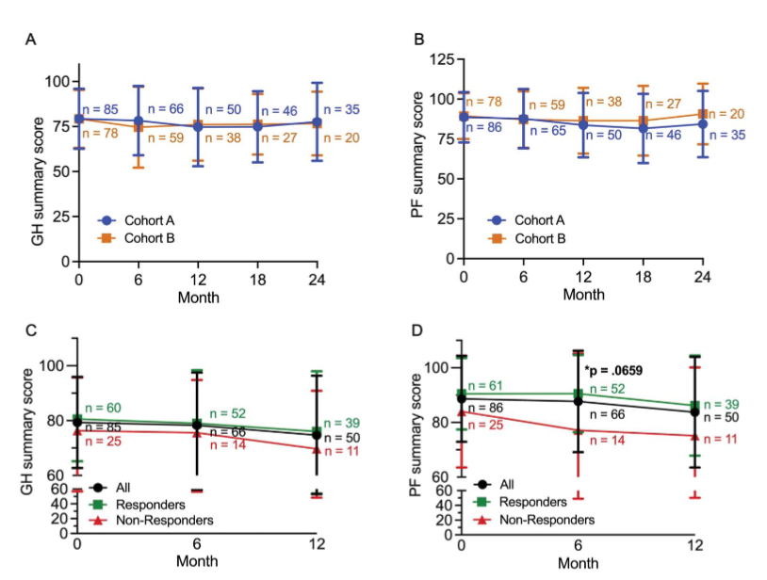
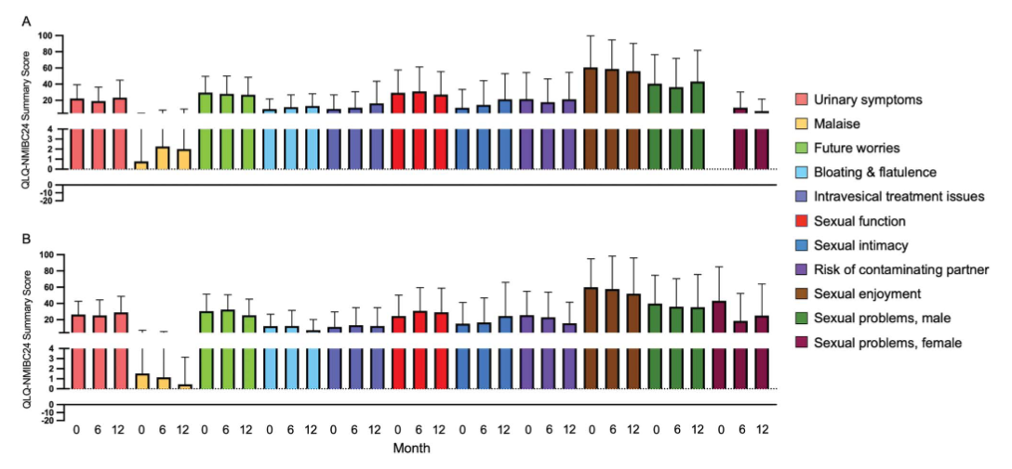

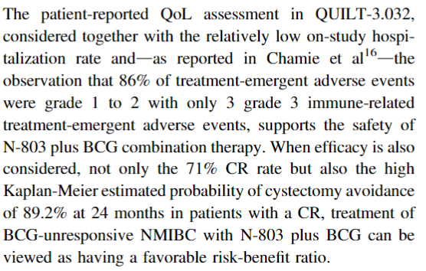
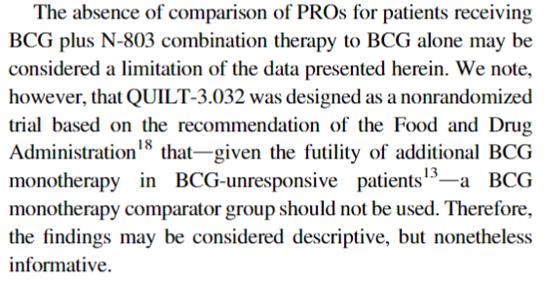

B | Study 1
QUILT-3.032 | N | 190
 | Start Date | 2017 |  | NCT03022825
 | Study Design | Single-arm (caused by FDA for lack of alternatives)
 |  | 3 cohorts
 |  | Multi-center trial of N-803 alone and N-803 + BCG treatment for High-grade NMIBC BCG unresponsive patients.
 | Inclusion Criteria | 18 years old or older
 |  | Must be confirmed non-muscle invasive bladder cancer.
 |  | Confirmation of BCG-unresponsive Carcinoma in situ (CIS) with high grade Ta or T1 disease.
 | Sites | USA 32
 | Intervention | Cohorts A & B had intravesical NAI (400 lg/instillation) + BCG (50 mg/ instillation).
 |  | Cohort C had intravesical NAI alone (400 lg/instillation).
 |  | Weekly for 6 consecutive weeks (induction)
 |  | Response assessments were to be completed every 3 months through month 24 and every 6 months from month 24 to month 60 for all cohorts.
 | Primary Endpoint | CR level at the 3- or 6-month assessment visit for cohorts A and C, and the disease-free survival (DFS) rate at 12 months for cohort B.
 | Secondary / Safety Endpoint | Durability, cystectomy avoidance, progression-free survival, disease-specific survival (DSS), and overall survival were secondary end points for cohort A.
 | Sponsor | ImmunityBio
 | Title of Study | QUILT-3.032
 | Cohorts | A) patients with BCG-unresponsive bladder carcinoma in situ (CIS) with or without Ta/T1 papillary disease were treated with intravesical NAI plus BCG. |  |  |  |  | NAI= N-803*
 |  | B) patients with BCG-unresponsive high-grade Ta/T1 papillary NMIBC also received NAI plus BCG.
 |  | C) patients with BCG-unresponsive bladder carcinoma in situ (CIS) with or without Ta/T1 papillary disease were treated with intravesical NAI alone.
 | Results

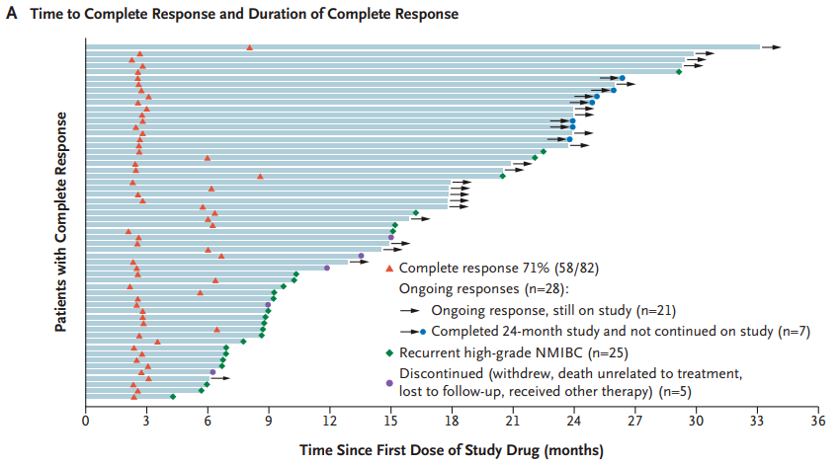

 |  |  |  |  | so in reality it is only a mild-success, only n21 are really treated (and still for them some are only at month 6).
 |  |  |  |  | n7 can be consider success, lasted 24 months but still did not continue the study.
 |  |  |  |  | n25 is mostly failed, considering that their cancer came back after intial treatment.
 |  |  |  |  | n5 is also a fail as patient had to out of study.

 |  |  |  |  | CR ≥12 months for 36 total patients
 |  |  |  |  | 36/58 = 62% (see B)
 |  |  |  |  | Reality: Full CR ≥ 12 months
 |  |  |  |  | 27/58 = 46%
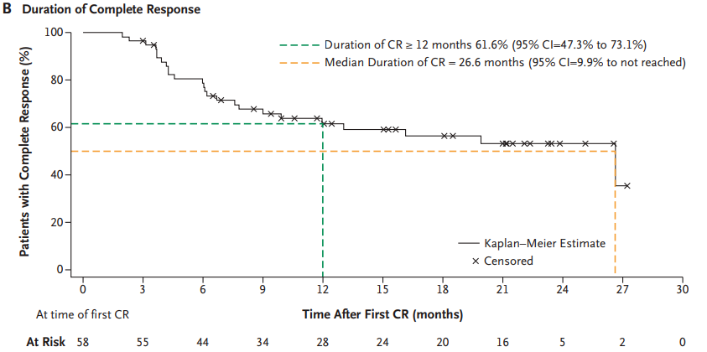

 |  |  |  |  | This mean that for 62% of patients with CR it lasted over or = to 12 months.
 |  |  |  |  | With a failed median duration for CR of 26,6 months.
 |  |  |  |  | This means that NO patient has reached CR for 26,6 months (this could because the study is still ongoing, nevertheless not success).

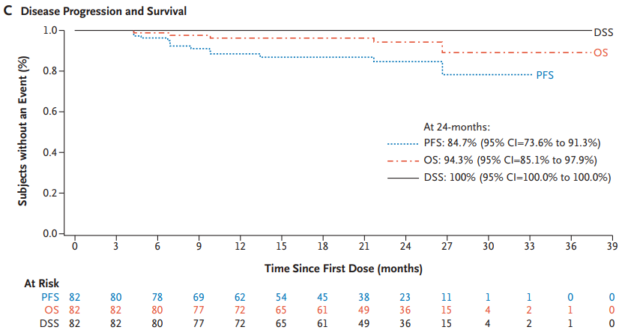

 |  |  |  |  | DSS= disease free survival
 |  |  |  |  | OS= overall survival
 |  |  |  |  | PFS= progression free survival
 |  |  |  |  | At Risk= the number of patients still in the study, under observation

 |  |  |  |  | PFS 84,7% for n23
 |  |  |  |  | OS 94,3% for n36
 |  |  |  |  | DSS 100% for n36

 |  |  |  |  | This can be considered as Success, however we would need more data (n) to confirm it specially for PFS.

 |  | Cystectomy Rate
 |  | In the71% of patients who had CR, 7% (4 out of 58) had a cystectomy for bladder.
 |  | In the 29% of patients who did not had a CR, 33% (8 out of 24) had a cystectomy for bladder.
 |  | The median time to cystectomy was 11.0 months for responders versus 7.8 months for nonresponders.
 |  | The probability of remaining cystectomy free for 12 months or longer was 94.3%, and for 24 months or longer was 89.2% in responders.
 |  | The probability of remaining cystectomy free for 12 months or longer was 68,5%, and for 24 months or longer was 63.2% in nonresponders.

 |  | Cohort B - DFS
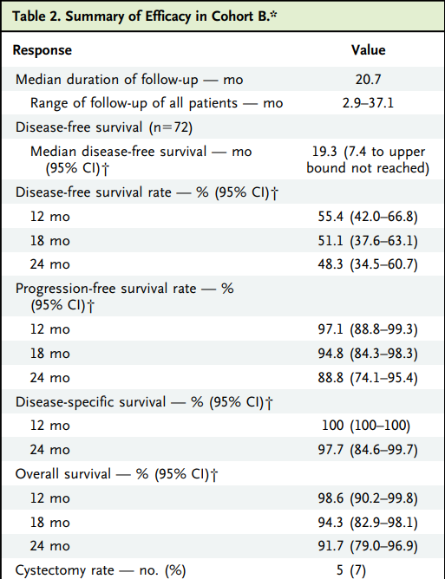
 |  |  | Cohort B n=72

 |  |  | Median DFS was 19.3 months (7.4 months to [upper bound not reached]), so this data is fraudulent! Still, over 12 months is assured we can say.
 |  |  | The DFS rates are a little to mild success.
 |  |  | The PFS are a success.
 |  |  | The DSS is success.
 |  |  | OS is success.
 |  |  | Cystectomy is success.

 |  | Cohort C - Efficacy
 |  | Median follow-up for the 10 patients in cohort C at the time of data cutoff was 7.9 months (range, 4.1 to 11.8 months).
 |  | A CR at 3 months was achieved in only 2 (20%) of 10 patients who were administered NAI alone.
 |  | Only one patient (10%) maintained a CR at 6 months.
 |  | Six patients underwent reinduction.
 |  | The independent data monitoring committee recommended that cohort C be discontinued for futility.
 |  | Study stopped at 6 months.

 |  | Failed

 |  | SAFETY AND PHARMACOKINETICS
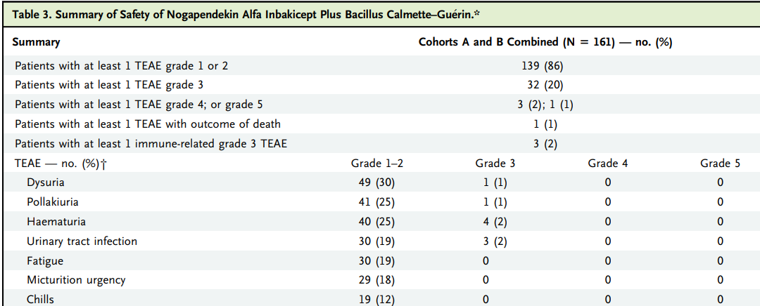

 |  |  |  |  |  | TAE grade 3 occurred for 32 patients (20%) of total cohort A and B combined.
 |  |  |  |  |  | TEAEs that required hospitalization occurred in 24 (15%) of 161 patients,
 |  |  |  |  |  | of which 8 (5%) were bladder related, with haematuria having the highest incidence (4 of 161 [2%]).

 |  | Discussion
 |  | At the time of the data cutoff for the presented findings, median patient follow-up for cohort A was 23.9 months.
 |  | The CR rate for the BCG-unresponsive NMIBC CIS cohort treated with NAI plus BCG was 71% (95% CI=59.6% to 80.3%) at any time,
 |  | 45% (37 of 82 patients) at 12 months and 33% (27 of 82 patients) at 18 months.
 |  | exceeding the 30% suggested as a target for clinical efficacy.
 |  | (a CR rate of at least 30% at 12 months and 25% at 18 months),
 |  | and established by FDA, the American Urological Association panel, the International Bladder Cancer Group consensus (a response rate of at least 30% for 18 to 24 months).
 |  | The study needs to continue to provide more data for CR of 18 and 24 months to be more accurate.

 |  | Conclusion
 |  | data shows that NAI plus BCG has benefit in high-risk CIS disease,
 |  | as evidenced by a CR rate of 71%
 |  | persistence of effect with a median duration of CR of 26.6 months
 |  | avoidance of cystectomy in 90% of those with a CR
 |  | 89% probability of patients being cystectomy free at 24 months
 |  | bladder cancer (disease-) specific survival at 24 months of 100% in all patients with CIS
 |  | The study is ongoing, with an estimated target enrollment of 200.

 |  | Overall suceess but not complete success, study needs more data but is not finished.

