AD04 Clinical
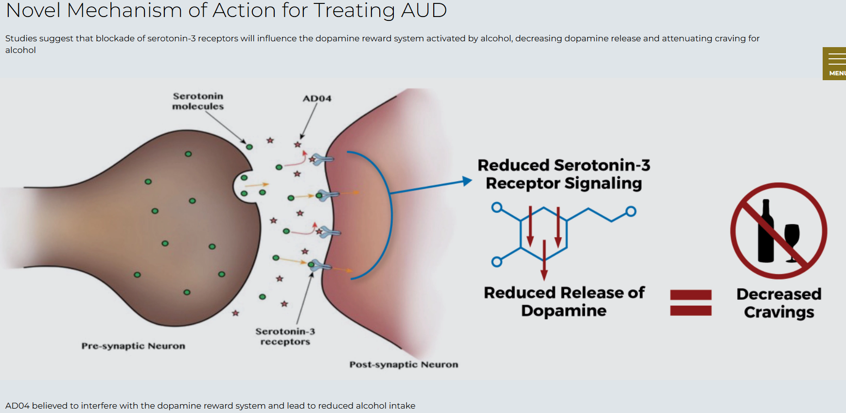
Brand | AD04
Generic | AD04
Phase | III
Indication | Alcohol use disorder
Status | Waiting data release (WDR)
MOA | genetically targeted, serotonin-3 receptor antagonist (Serotonin-3 (5HT3) receptor)
Already approved countries | None
Risk associated
Economics
Physiochemistry
Molecule
XLogP

Phase IIb: |  |  | Success
 | In the study, patients were randomly assigned (i.e., randomized) to either drug or placebo. All patients were provided behavioral therapy (i.e., counseling) to reduce drinking weekly as the standard of care.
 | Primary endpoint of severity of drinking measured in drinks per drinking day and secondary endpoint of frequency of drinking measured in percentage of days abstinence were successfully achieved.

Results:
 |  |  | Success
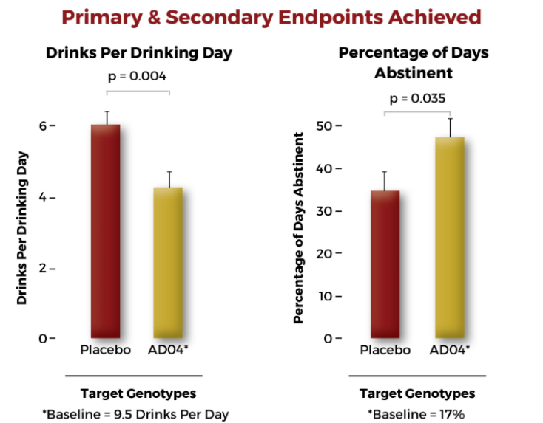

 |  |  | Success
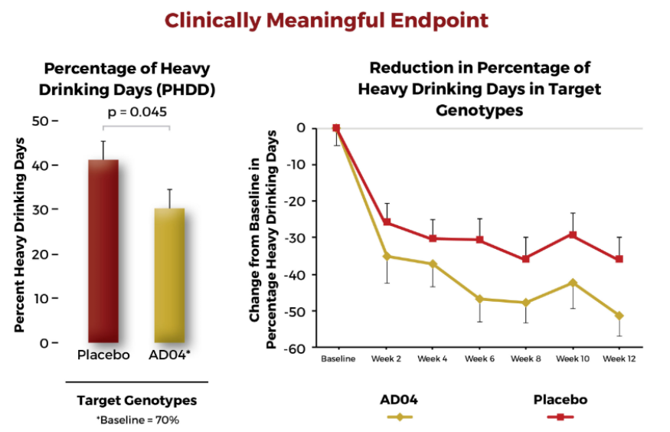

 |  |  | Success
 | Safety Profile - NCT04101227: | Low-dose ondansetron (AD04, a 5-HT3 antagonist). |  | https://www.ejinme.com/article/S0953-6205(24)00123-7/fulltext

 | Adverse Events (AEs) were similar in frequency in the low-dose AD04 and placebo groups, with no meaningful clinical differences.
 | No AE required any medical intervention, and all resolved spontaneously. In either treatment group, no other AE occurred with a frequency more significant than 5 %.

 | On the Columbia Suicide Severity Rating Scale (C-SSRS), no subject met the criterion for clinically significant suicidality during the study.

 | In their conclusion, the results suggest that ondansetron, because of its liver safety, could have an essential role in the treatment of AUD patients with ALD.

 | Approval expected to be based on a Heavy Drinking Days (HDD)* Phase 3 end point.
 | Trial not powered for the percentage of HDD; still achieved significance.

 | Name of study Phase III "ONWARD"

