Bota-vec Clinical
Brand | Botaretigene sparoparvovec
Generic | Bota-vec, AAV5-hRKp.RPGR
Phase | III
Indication | XLRP (X-Linked Retinitis Pigmentosa)
Status | WDR
MOA | Designed to deliver functional copies of the RPGR gene to the subretinal space to help improve and/or preserve vision in patients with XLRP.
Already approved countries | None
Risk associated
Economics | Program sold to Janssen (December 2023) MGTX to receive up to an aggregate of $350.0 million upon achievement of milestones, will manufacture and supply commercial product for Janssen.
Physiochemistry | -
Molecule | -
XLogP | -

Clinical trials:
 |  |  |  |  |  |  |  | Success
 |  |  |  |  |  |  |  | PMID: 38871269
 |  |  |  |  |  |  |  | NCT03252847
Title of Study: An Open Label, Multi-centre, Phase I/II Dose Escalation Trial of a Recombinant Adeno-associated Virus Vector (AAV2-.RPGR) for Gene Therapy of Adults and Children With X-linked Retinitis Pigmentosa Owing to Defects in Retinitis Pigmentosa GTPase Regulator (RPGR)
Name of study: | MGT009
Study Num: 1
N | 49
Start Date | 2017-07-14
Study design | open-label phase 1/2 dose-escalation and cohort expansion trial to determine the safety and efficacy of subretinal administration of AAV2/5 vector in participants with XLRP caused by mutations in RPGR.
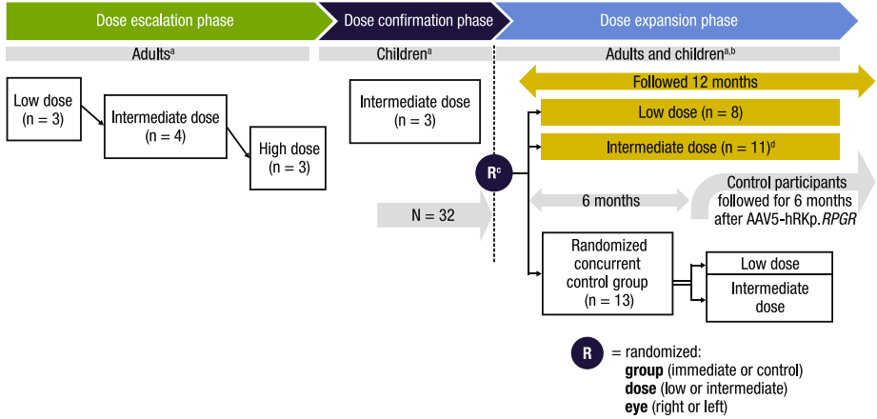
Inclusion Criteria | Are aged 5 years or older male.
 | Have X-linked retinitis pigmentosa confirmed by a retinal specialist (CI or PI).
Sites | 3 USA, 2 UK.
Intervention | Subretinal administration of AAV2/5 vector.
PE | Incidence of Adverse Events related to the sub retinal administration of AAV2-RPGR (18 months).
SE | Improvement in visual function (18 months).
 | Improvement in retinal function (18 months).
Sponsor | MeiraGTx UK II Ltd
Collaborators | Syne Qua Non Limited
 | Bionical Emas
Phase | I/II
Cohort | 1. Experimental: Phase 1 (Part 1, Dose Escalation). Participants receive one of three doses of AAV2/5-RPGR.
 | 2. Experimental: Phase 2 (Part 2; Expansion). Participants receive one of two doses of AAV2/5-RPGR.

Full method for cohort explained | 10 adult participants in the dose escalation phase (low dose: n = 3; intermediate dose: n = 4; high dose: n = 3),
 | 3 pediatric participants (ages 11, 14, and 15 years) in the dose confirmation phase (intermediate dose, n = 3),
 | and 36 adult participants in the randomized, controlled dose expansion phase
 | (low dose: n = 8; intermediate dose: n = 11; control: n = 13; discontinued prior to AAV5-hRKp.RPGR administration: n = 4).

Results
 | Safety: |  |  |  |  |  |  |  |  |  |  |  |  | Mid / Succeess
 | There were no DLEs related to administration. No treatment-emergent AEs (TEAEs) leading to study discontinuation were reported throughout the study.
 | Overall, 37/45 participants experienced ≥1 TEAE, including all participants in the treatment cohorts and 5/13 (38.5%) in the control group.
 | Most participants in the treatment and control cohorts had TEAEs considered mild (n = 11; 29.7%) or moderate (n = 22; 59.5%) in severity; 4 (10.8%) participants reported TEAEs considered severe.

 | Among all participants in the treatment groups, 59.4% (19/32) reported an AE deemed related to AAV5-hRKp.RPGR.
 | Nearly all (31/32; 96.9%) participants in the treatment groups reported an AE considered related to surgery.
 | These AEs were transient and resolved without intervention.

 | Overall, 2 serious AEs (SAEs) were reported in the immediate treatment cohort.
 | One SAE of retinal detachment was reported in 1 participant in the low dose group of the dose escalation phase on Day 8.
 | This SAE was deemed severe and related to surgery.
 |  | The event resolved after surgical correction on Day 10 with no sequelae.
 | An SAE of uveitis was reported in another participant in the low dose group of the dose escalation phase on Day 33.
 | This SAE was considered severe and related to AAV5-hRKp.RPGR treatment.

 | A third SAE of increased intraocular pressure (IOP) was reported outside of the reporting period in a participant in the deferred (concurrent control) group.
 | This SAE was also considered severe.
 | Two additional severe AEs were reported in the immediate treatment cohort, chorioretinitis (intermediate dose group) and uveitis (high dose group); these events were not reported as serious.

 | Ocular inflammation was a principal AE of interest. Overall, 25/45 (55.6%, all in the treatment cohorts) participants experienced it.
 | Most ocular inflammation-related events were mild or moderate in severity.

 | Fifty percent (8/16) of the participants who received sub-Tenon triamcinolone experienced an ocular inflammation-related AE, with all events considered mild;
 | almost 90% (26/29) of participants who did not receive sub-Tenon triamcinolone experienced an ocular inflammation-related AE, with 55.2%, 24.1%, and 10.3% considered mild, moderate, and severe, respectively.
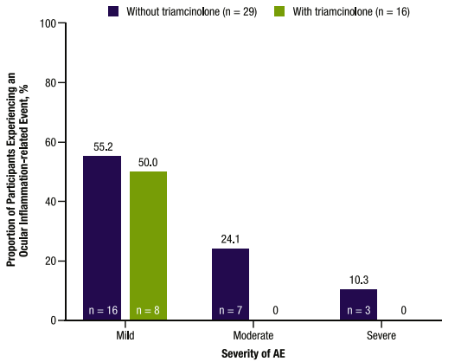

 | Increased IOP was reported in 16/45 (35.6%) participants, all in the treatment cohorts (low dose, n = 5; intermediate dose, n = 9; high dose, n = 2).
 | In 2 participants, the increased IOP event was considered related to AAV5-hRKp.RPGR treatment(low dose, n = 1; intermediate dose, n = 1).
 | In 4 participants, the increased IOP event was considered related to surgery (low dose, n = 2; intermediate dose, n = 2).
 | All events of increased IOP were treated medically with standard of care or observation and resolved.

 | Efficacy:
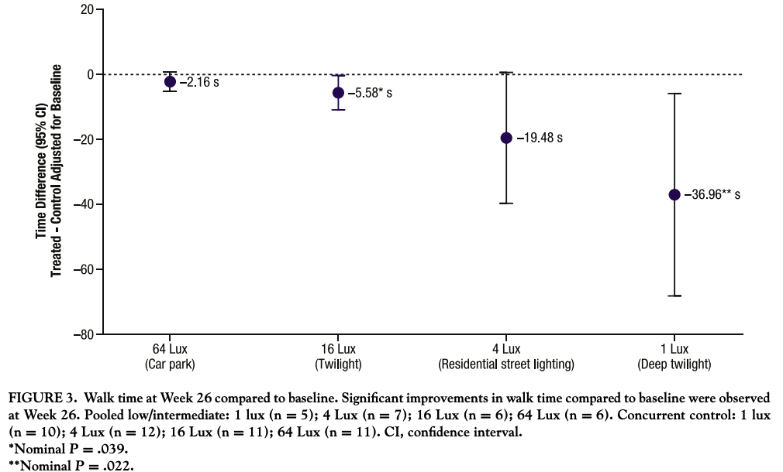
 |  |  |  |  |  |  |  |  | Success

 |  |  |  |  |  |  |  | Good results compare to control group.
 |  |  |  |  |  |  |  | Part of VMA.

 |  |  |  |  |  |  |  | Done at week 26.

 |  |  |  |  |  |  |  | 64 lux were -36.96 (95% CI: -68.10 to -5.82; nominal P = .022),
 |  |  |  |  |  |  |  | -19.48 (95% CI: -39.62 to 0.65; nominal P = .057), -5.58 (95% CI: -10.85 to -0.31; nominal P = .039),
 |  |  |  |  |  |  |  | and -2.16 (95% CI: -5.18 to 0.86; nominal P = .153) seconds, respectively.

 |  |  |  |  |  |  |  | The LS mean changes from baseline at Week 52 in the treatment groups at,
 |  |  |  |  |  |  |  | 1 lux, 4 lux, 16 lux, 64 lux were -22.10 (95% CI: -30.12 to -14.08), -4.32 (95% CI: -15.50 to 6.85), 0.07 (95% CI: -1.45 to 1.58),
 |  |  |  |  |  |  |  | and -0.68 (95% CI: -1.70 to 0.33) seconds, respectively.

 |  |  |  |  |  |  |  | D= drug | C= control |  |  |  | 6 month | Success
 |  |  |  |  |  |  |  | Week 26 | 64 Lux | 16 Lux | 4 Lux | 1 Lux
 |  |  |  |  |  |  |  | N | 6 (D), 11 (C) | 6 (D), 11 (C) | 7 (D), 4 (C) | 5 (D), 10 (C)
 |  |  |  |  |  |  |  | Confience Interval (95% CI) | -5.18, 0.86 | -10.85, -0.31 | -39.62, 0.65 | -68.10, -5.82
 |  |  |  |  |  |  |  | Mean treated - control difference | -2.16 | -5.58 | -19.48 | -36.96

 |  |  |  |  |  |  |  |  | Week 26 P value |  | Don't care that it does not perform at Lux 64, the reason is that it has too great light,
 |  |  |  |  |  |  |  | 1 Lux | 0.022 |  | every one even placebo can see, as for Lux 1 dim light only the drug group can see,
 |  |  |  |  |  |  |  | 4 Lux | 0.057 |  | so the true values to look at ar 1 Lux, and 4 Lux.
 |  |  |  |  |  |  |  | 16 Lux | 0.039
 |  |  |  |  |  |  |  | 64 Lux | 0.153

 |  |  |  |  |  |  |  |  |  |  |  |  |  | Success
 |  |  |  |  |  |  |  |  |  |  |  |  | 12 month
 |  |  |  |  |  |  |  | Week 52 | 64 Lux | 16 Lux | 4 Lux | 1 Lux
 |  |  |  |  |  |  |  | N | - | - | - | -
 |  |  |  |  |  |  |  | Confience Interval (95% CI) | -1.7, 0.33 | -1.45, 1.58 | -15.5, 6.85 | -30.12, -14.08
 |  |  |  |  |  |  |  | Mean treated - control difference | -0.68 | 0.07 | -4.32 | -22.1

 |  |  |  |  |  |  | 1 Lux: | The results at 1 lux show strong evidence of treatment efficacy at both Week 26 and Week 52,
 |  |  |  |  |  |  |  | particularly useful for low-light navigation.

 |  |  |  |  |  |  | 4 Lux: | Results at 4 lux are less consistent and show no sustained improvement by Week 52,
 |  |  |  |  |  |  |  | indicating that the treatment’s benefits may be limited at this light level.

 |  |  |  |  |  |  | 16 Lux: | Initial improvements at 16 lux indicate a modest treatment effect, though it appears unsustained by Week 52.

 |  |  |  |  |  |  | 64 Lux: | The results at 64 lux are not significant at either time point, suggesting the treatment has little effect under this higher light condition,
 |  |  |  |  |  |  |  | likely due to better-preserved baseline vision in such lighting.

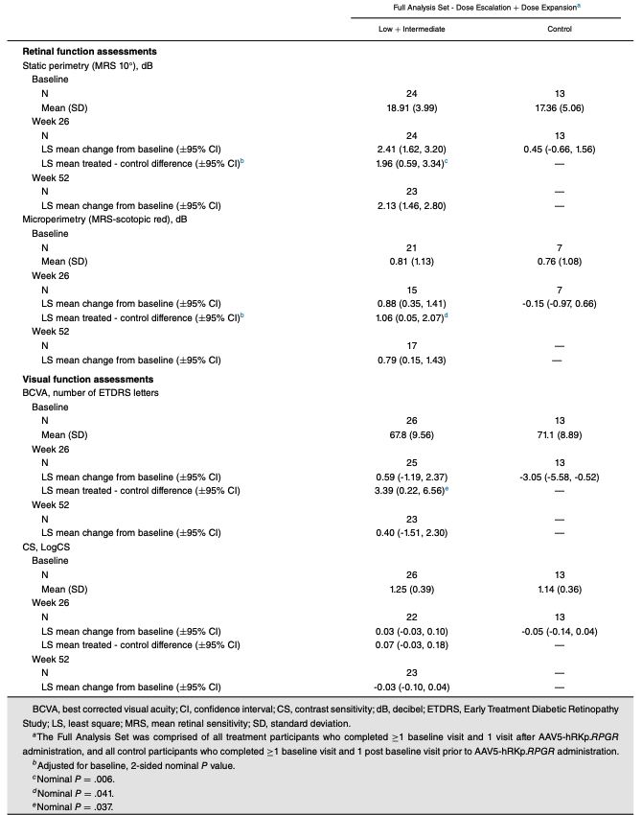

 |  |  |  |  |  |  |  |  | Success

 |  |  |  |  |  |  |  | Good results.

 |  |  |  |  |  |  |  | The p-value is not really something that is that important because the population is small.

 | Note:
 | The results showed that the therapy generally appears safe, with manageable side effects
 | Participants showed meaningful improvements in night-time navigation and retinal sensitivity, which are important for daily activities and visual function in patients with XLRP.
 | While the trial suggests the gene therapy could help preserve vision and improve night vision, it lacks long-term data due to the control group starting treatment after 26 weeks

Ongoing Phase III "LUMEOS" - NCT04671433

Phase 3 "The primary endpoint being evaluated is changed from baseline to Week 52 in VMA"

BIIB112 - Phase II/III XIRIUS trial - NCT03116113
https://pubmed.ncbi.nlm.nih.gov/38423215/

The primary end point was the percentage of participants meeting microperimetry responder criteria (≥ 7-dB improvement at ≥ 5 of 16 central loci).

Safety: | Observed a slightly higher frequency of inflammation-related AEs.
 |  | Likely because it did not adopt the modified steroid regimen used in Study One.

 | Responders were defined as participants with ≥5 of the same loci showing a ≥7 decibel(dB)improvement from baseline at 2 time points.
MGTX: |  |  |  | Month 6 | Month 12
Week 26 was 0.88 dB (95% CI: 0.35 to 1.41) for the treatment participants and -0.15 dB (95% CI: -0.97 to 0.66) for the control participants.
The LS mean difference between the treatment participants and the control participants at Week 26 was 1.06 dB (95% CI: 0.05 to 2.07; nominal P = .041).
At Week 52, the LS mean change from baseline was 0.79 dB (95% CI: 0.15 to 1.43) for the treatment participants.

 | Low + Intermediate | Control | Low + Intermediate | Control | Low + Intermediate | Control
 | Baseline | Baseline | Week 26 | Week 26 | Week 52 | Week 52
N | 21 | 7 | 15 | 7 | 17 | -
Mean (SD) | 0.81 (1.13) | 0.76 (1.08) | 0.88 (0.35, 1.41) | - 0.15 ( - 0.97, 0.66) | 0.79 (0.15, 1.43) | -
Mean treated - control difference |  |  | 1.06

Biogen:
The primary end point was the percentage of participants meeting microperimetry responder criteria (≥ 7-dB improvement at ≥ 5 of 16 central loci).
At month 12, the percentage of participants meeting microperimetry responder criteria was not significantly different between either cotoretigene toliparvovec group (low dose, 37.5% [P = 0.3181]; high dose, 25.0% [P = 0.5177]),
and the control group (22.2%).
However, the mean change from baseline in microperimetry sensitivity improved significantly with the low-dose group versus the control group at month 12 (P = 0.0350).

Little better performance from MGTX.
It will mostly play upon the trial design.

