AVT04
Main
 | Brand | Jamteki
 | Generic | AVT04, ustekinumab
 | Phase | PDUFA 04/16/2024
 | Indication | Inflammatory conditions
 | MOA | Inhibitor of IL-12 and IL-23
 | Countries where already approved | Japan, Canada, the European Union (27), Norway, Iceland, and Liechtenstein.
 | Risk associated | Injection site reactions such as redness, swelling, or pain at the injection site.
 |  | Headache, Fatigue, Nausea, Diarrhea, Upper respiratory tract infections, Urinary tract infections, Allergic reactions.
 | Physiochemistry | No data provided
 | Molecule | No data provided
 | Clinical Trials

 | To learn:

 | inhibitor
 | IL-12
 | IL-23
 | Inflamatory cytokine

 | Il-12 is produced by B cells, marcophages and dendritic cells.

 | Cytokines
 | Pro-inflamatory response,
 | IL-12
 | Il-12 is produced by dendritic cells and macrophages and it activates NK cells.
 | IL-12 also helps CD4+ (helper cell) differentiate into CD4+ Th1 cells, which then produces IFNγ and lymphotoxin (LT-ß).
 | IL-23
 | IL-23 helps CD4+ (helper cell) differentiate into CD4+ Th17 cells, which then produces IL-17, that helps "recruit" neutrophils to the site of inflammation, they're effective against viruses, bacteria, cancers.
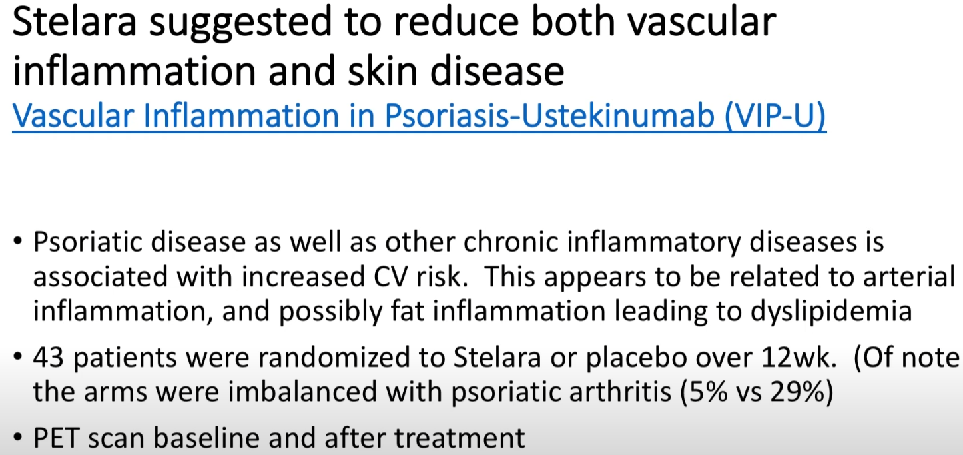

 | How AVT04 works:
 | IL-12 and IL-23 are blocked by inhibitors, blocking these interleukins

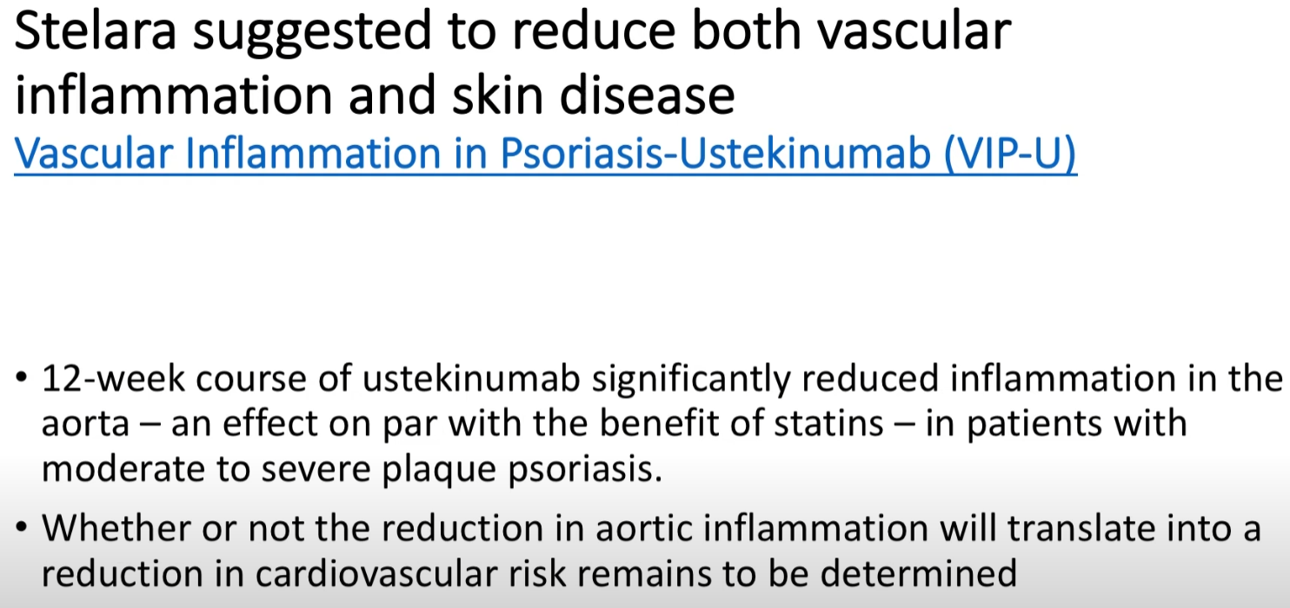

 | chronic plaque-type psoriasis

 | Clinical Trial
 |  |  |  |  |  | Success
 | Study 1 | "Pharmacokinetics, Safety and Tolerability Study of AVT04 to EU Approved and US Licensed Stelara (Ustekinumab)" - Phase 1 |  |  |  | PMID: 37212315
 | N | 294 |  |  |  | NCT04744363
 | Start Date | june 2021
FIH= First in Human, the first time it is tested on humans* | Study Design | FIH, multicenter, randomized, double-blind, 3-arm, single dose, parallel-group study of AVT04 compared with EU-approved and US-licensed Stelara when administered as a single 45 mg/0.5 mL SC injection in healthy adult subjects.
 | Inclusion Criteria | 18 to 55 years old included
 |  | body weight of 60.0 to 90.0 kg, body mass index of 18.5 to 30.0 kg/m2
 |  | Medical history without major pathology
 |  | Resting supine systolic blood pressure (BP) of ≤140 mm Hg and diastolic BP of ≤90 mm Hg
 | Sites | 2 Australia, 2 New Zealand
 | Intervention | administered a single 45 mg/0.5 mL SC injection in healthy adult subjects
 | Primary endpoint | Area under the plasma concentration-time curve AUC0-inf, Venous blood samples will be collected for measurement of Area under the plasma concentration-time curve (AUC 0-t) of AVT04, US Stelara EU Stelara , time frame 92 days
 |  | Maximum serum concentration, Venous blood samples will be collected for measurement of serum concentration of AVT04, EU Stelara, US Stelara, time fram 92 days
 | Secondary/Safety endpoint | Ustekinumab serum concentration-time profile following single-dose administration
 |  | The secondary PK parameters to be assessed are: AUC0-t
 | Sponsor | Alvotech Swiss AG, Collaborators: Iqvia Pty Ltd
 | Cohorts | 1) Experimental: AVT04 45 mg SC, Single dose Pre-filled syringe to be injected subcutaneously into thigh or abdomen
 |  | 2) Active Comparator: US Stelara 45 mg SC, Single dose Pre-filled syringe to be injected subcutaneously into thigh or abdomen
 |  | 3) Active Comparator: EU Stelara 45 mg SC, Single dose Pre-filled syringe to be injected subcutaneously into thigh or abdomen
 | Results

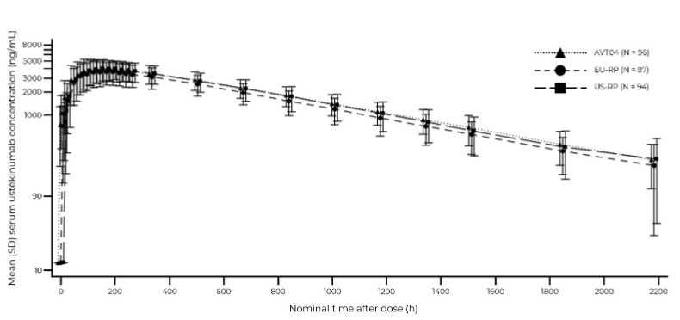
 |  |  |  | following a single SC dose of 45 mg/0.5 mL,
 |  |  |  | the mean serum ustekinumab concentration-time profiles for AVT04, EU-RP, and US-RP were similar,
 |  |  |  | all showing a slowly increasing absorption phase up to approximately 168 hours post dose (Days 9 to 10),
 |  |  |  | followed by a slowly declining phase at higher concentrations,
 |  |  |  | and then faster elimination at lower concentrations in a mono-exponential manner.

 |  |  |  | So success for AVT04

 |  |  |  | the mean serum ustekinumab concentrations in the EU-RP group were slightly lower than those,
 |  |  |  | observed in the AVT04 and US- RP groups.

 |  |  |  |  | We can see similar results for the 3 cohorts, especially with US-RP and AVT04,
 |  |  |  |  | EU-RP is a bit lower than the two others.

 |  |  |  |  | Success

 |  |  |  | We can see similar results for the 3 cohorts, espsecially AVT04 and US-RP,
 |  |  |  | The EU-RP is a little lower.

 |  |  |  | Success

 |  |  |  | Results where in the expected clinical range between 80% to 125%

 |  |  |  | Success

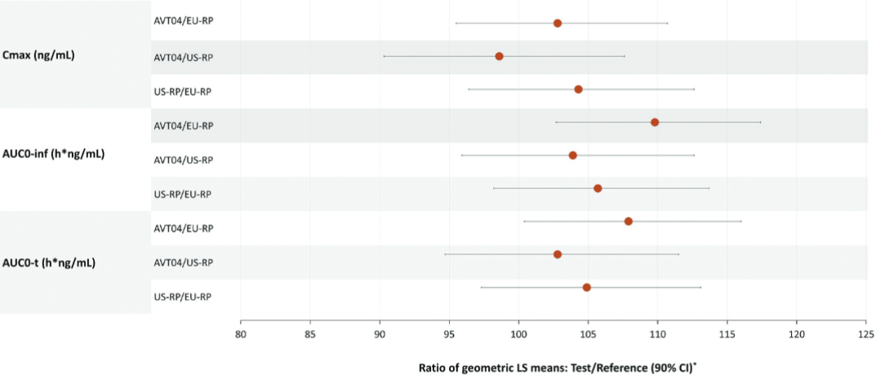

 |  |  |  | Another way to look at the data from previous table.

 |  |  |  | The immunogenicity of AVT04 was similar, but still lower at all time for ADAs and NABs compare to the two other groups.
 |  |  |  | The trends were similar to all the groups.

 |  |  |  | Mild success

 | The adverese events were similar for all the groups so no problem there for AVT04.
 | Success

 |  |  |  |  |  | Success
 | Study 2 | "Efficacy, Safety, and Immunogenicity of AVT04 With Moderate-to-Severe Chronic Plaque Psoriasis" - Phase 3 |  |  |  | PMID: 37435850
 | N | 581 |  |  |  | NCT04930042
 | Start Date | 2021
 | Study Design | AVT04 (ustekinumab) & EU Stelara (ustekinumab) Initial loading dose of 45 mg followed by 45 mg SC once every 12 weeks starting 4 weeks after the initial loading dose administered SC.
 |  | Injected as subcutaneous in thigh and abdomen.
 | Inclusion Criteria | 18 Years to 75 Years
 |  | Patient weighs ≤100 kg at Screening and at BL.
 |  | Patient has had moderate to severe chronic PsO for at least 6 months.
 |  | Patient has involved body surface area (BSA) ≥10%, PASI ≥12, and sPGA ≥3 (moderate) at Screening and at BL.
 | Sites | Estonia 3, Georgia 6, Poland 14, Ukraine 7
 | Intervention | AVT04 or Stelara (45 mg/5ml) will be administered as a subcutaneous injection in the thigh or abdomen per the approved dosing regimen for moderate to severe chronic PsO for patients with a body weight ≤100 kg.11,12
 | Primary endpoint | Psoriasis Area and Severity Index (PASI), Percent (%) change in Psoriasis Area and Severity Index (PASI), Time Frame 12 weeks
 | Secondary/Safety endpoint | PASI 50, 75, 90 and 100 response rates, PASI 50, 75, 90, and 100 response rates at Weeks 4, 8, 12, 16, 28, 40, and 52 (EoS/ET), Time Fram 52 weeks
 |  | PASI percent improvement, Percent improvement in PASI from BL to Week 4, 8, 16, 28, 40, and 52 (EoS/ET), Time Frame 52 weeks
 | Sponsor | Alvotech Swiss AG
 | Cohorts | 1) AVT04 (45 mg/5ml) will be administered as a subcutaneous injection in the thigh or abdomen per the approved dosing regimen for moderate to severe chronic PsO for patients with a body weight ≤100 kg.11,12
 |  | 2) Stelara (45 mg/5ml) will be administered as a subcutaneous injection in the thigh or abdomen per the approved dosing regimen for moderate to severe chronic PsO for patients with a body weight ≤100 kg.11,12
 | Results

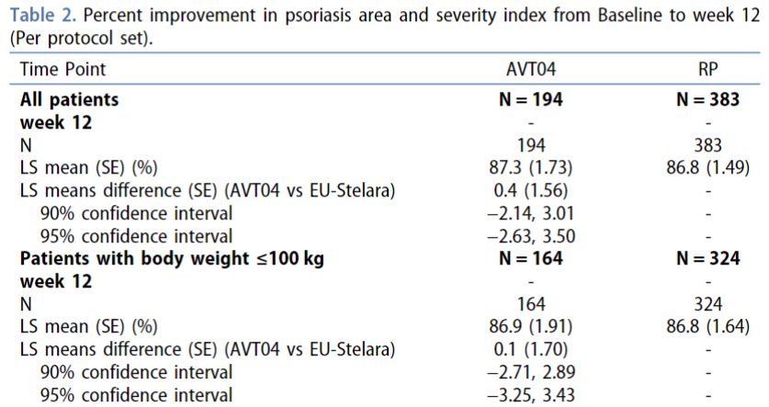

 |  |  | Similar results for AVT04 and EU-RP

 |  |  | The primary endpoint of percent PASI improvement from baseline to week 12,
 |  |  | was 87.3% in the AVT04-treated patients and 86.8% in the RP-treated patients.

 |  |  | The 90% CI for the least square (LS) means difference (0.4) in percent PASI improvement from baseline to week 12,
 |  |  | in the PP set was −2.14%, 3.01%

 |  |  | Success

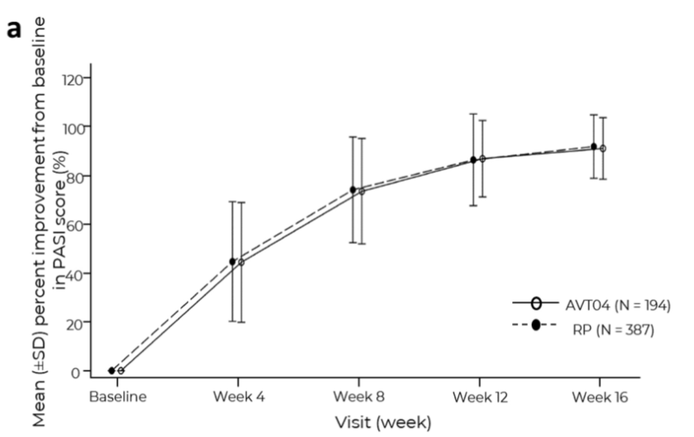

 |  |  | At week 12, AVT04 group: Mean (SD) = 620.26 (202.956) & RP group: Mean (SD) = 633.19 (199.910)

 |  |  | Success

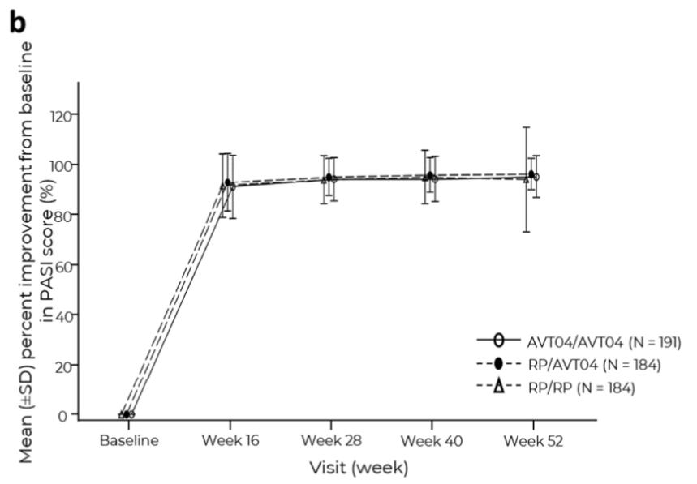

 |  |  | Similar results from baseline to week 52.

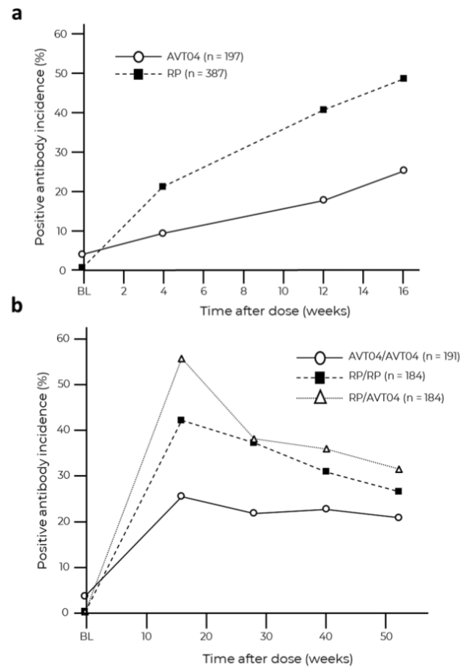

 |  |  | ADAs (Anti-Drug Antibodies): At week 16, 25.4% of patients in AVT04 group and 48.2% of patients in RP group had binding ADAs.
 |  |  | At end of study (EoS), the percentages were 21.2% in the AVT04 group, 31.5% in the RP/AVT04 group, and 26.7% in the RP group.

 |  |  | NAbs (Neutralizing Antibodies): At week 16, 26.5% of patients in AVT04 group and 31.0% of patients in RP group had NAbs.
 |  |  | At end of study (EoS), the percentages were 33.3% in the AVT04 group, 17.9% in the RP/AVT04 group, and 22.9% in the RP group.

 |  |  | There is a trend of higher binding ADA frequencies in the RP group compared to the AVT04 group until week 16.
 |  |  | However, this difference became less pronounced in the second part of the study.

 |  |  | NAb frequencies remained consistent over time.

 |  |  | The text states that the numerical differences in the frequency of binding ADAs and NAbs had no clinically meaningful impact on the study treatment's
 |  |  | efficacy, safety, or pharmacokinetic (PK) profiles.

 |  |  | Similar results were observed in a subset of patients with body weight ≤100 kg.

 |  |  | Mild Success

 |  | The adverese events were similar between the two, nonetheless a bit lower for AVT04 compare to RP.
 |  | Success

