Buntanetap - Clinical (AD)
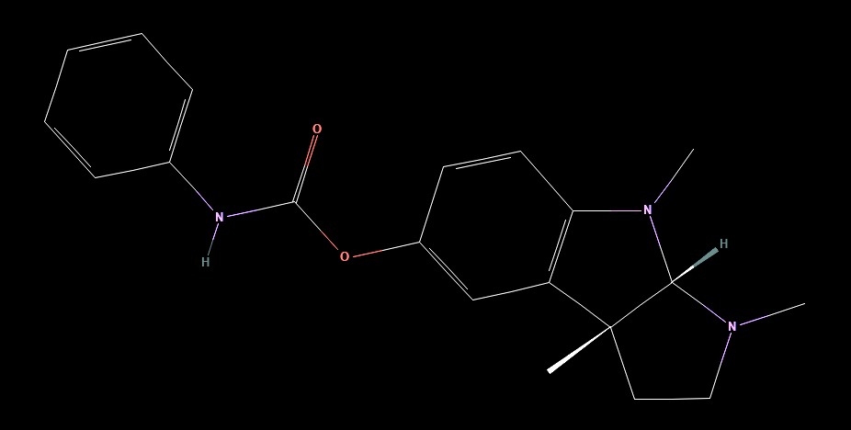
Brand | Buntanetap
Generic | Buntanetap, Posiphen,
Phase | III
Indication | AD
Status | Ongoing
MOA
Already approved countries
Risk associated
Economics
Physiochemistry | 337.4 g/mol, HBD 1, HBA 4, RB 3.
Molecule | [(3aS,8bR)-3,4,8b-trimethyl-2,3a-dihydro-1H-pyrrolo[2,3-b]indol-7-yl] N-phenylcarbamate
XLogP | 2.3

Clinical trials:

 |  |  |  |  |  |  |  | Mid 1/2 PE
 |  |  |  |  |  |  |  | NCT05686044
Title of Study: A Randomized, Double-Blind, Placebo-Controlled, Dose-Ranging, Multicenter Study of Buntanetap in Participants With Mild to Moderate Alzheimer's Disease
Study Name | ANVS -22002
Study Num: 1
N | 320
Start Date | 2023-04-01
Study design | 12-weeks, placebo-controlled and double-blind trial, randomized.
Inclusion Criteria | Diagnosis of Alzheimer's disease according to NIA and NIA-AA criteria for probable AD.
 | Male or female aged 55 - 85 years.
 | MMSE 14-24.
Sites | 54 USA
Intervention | 7.5 mg, 15 mg, 30mg of buntanetap/Posiphen QD or placebo.
 | First-time dosing in clinic, followed by an at home dosing period of 12 weeks, with daily administration of 7.5 mg, 15 mg or 30 mg of buntanetap/Posiphen or placebo.
PE | Alzheimer's Disease Assessment Scale-Cognitive Subscale 11 - 12 weeks.
 | Alzheimer's Disease Cooperative Study-Clinical Global Impression of Change (ADCS-CGIC) - 12 weeks.
SE | Alzheimer's Disease Cooperative Study-Instrumental Activities of Daily Living Scale (ADCS-ADL) - 12 weeks.
 | Mini Mental State Examination Score (MMSE) - Screening (up to 42 days) through end of treatment period (12 weeks) for a total of up to 4.2 months.
Sponsor | Annovis Bio Inc.
Phase | II/III
Cohort | 1. Buntanetap/Posiphen 7.5mg oral capsule with daily administration for a period of 12 weeks.
 | 2. Buntanetap/Posiphen 15mg oral capsule with daily administration for a period of 12 weeks.
 | 3. Buntanetap/Posiphen 30mg oral capsule with daily administration for a period of 12 weeks.
 | 4. Placebo oral capsule with daily administration for a period of 12 weeks.
Results

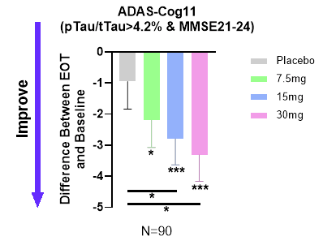
 | ADAS-Cog 11 (PE):
 |  |  |  |  |  |  |  | The analysis focused on biomarker-positive early AD patients (MMSE 21-24, pTau217/tTau≥4.2%) found that ADAS-Cog 11 was highly statistically significant,
 |  |  |  |  |  |  |  | at all 3 dose levels and in the combined dose levels compared to placebo as well as to baseline.

 |  |  |  |  |  |  |  | Cohorts:
 |  |  |  |  |  |  |  | Out of 325 patients who completed the Phase II/III trial, 202 had a ratio of pTau217/tTau≥4.2% that indicates AD.
 |  |  |  |  |  |  |  | They further subdivided the patient population into moderate (MMSE 14-20; 112 patients) and mild (MMSE 21-24; 90 patients) AD patients.
 |  |  |  |  |  |  |  | These two selections were not pre-specified analyses.

 |  |  |  |  |  |  |  | Results:
 |  |  |  |  |  |  |  | At the end of 3 months of treatment, placebo group demonstrated slight improvement (LSM(SE), 0.26 (0.91)), but not significantly different from baseline.
 |  |  |  |  |  |  |  | All three buntanetap treatment groups showed statistically significant improvement from their corresponding baseline,
 |  |  |  |  |  |  |  | (7.5mg improved 2.19 (0.87), p=0.013; 15mg improved 2.79 (0.81), p=0.001; 30mg improved 3.32 (0.82), P<0.001).
 |  |  |  |  |  |  |  | Both 15mg and 30mg treatment groups also had a statistically significant improvement relative to placebo group (p=0.042 and 0.015 respectively).
 |  |  |  |  |  |  |  | EOT- End of Treatment * P<0.05; ** P<0.01; ***P<0.001

 | Dose-dependent improvement in cognition in the population with confirmed early AD.

 | Change from baseline in ADAS-Cog11 - 12 weeks: |  |  |  |  |  |  | Success

 | Placebo | 7.5mg | p-value | 15mg | p-value | 30mg | p-value
N | 90 | 90 |  | 90 |  | 90
Difference between EOT and baseline (SD) | 0.3 | 2.19 (0.87) | 0.013 | 2.79 (0.81) | 0.001 | 3.32 (0.82) | 0.001

Note: | They say that placebo is at 0.3 but from the graph it can't be accurat it should be around 0.9!

 | ADCS-CGIC (PE): |  |  |  |  |  |  | Failure

 | "This study was designed to enroll 80 patients per group with minor expectations for a statistically significant outcome in ADCS-CGIC or ADCS-ADL."
 | "We measured both endpoints to assess a possible trend that could support a power analysis for the sample size in the next disease-modifying 18-month study."
 | "During the trial, ADCS-CGIC in all groups of patients barely changed, with no statistically significant difference observed."
 | "The 15mg and 30mg buntanetap groups slightly improved in mild AD patients."
 | "The subjective nature of this assessment allowed for a greater placebo effect, particularly in the advanced Alzheimer's population, as patients and caregivers were likely hopeful for change."

Note: | Looking at their press release where the data from this trial is we can see that this PE was not said to be a PE, but rather a little SE, which we know is false! So they're trying to change the story around these results.

