hydro_stations
GENERATOR | HEAD_WATER_FROM | TAIL_WATER_TO | POWER_SYSTEM_NODE | CAPACITY | SPECIFIC_POWER | SPILLWAY_MAX_FLOW | Column1 | Reservoir | Specific Power | Note
Mangahao | Mangahao_head | SEA | NI | 37 | 2.53 | na |  | Taupo | 2.471
Waikaremoana | Lake_Waikaremoana_head | SEA | NI | 140 | 3.535 | 44 |  | Tekapo | 4.1408 | Sum of greens and purple
Arapuni | Lake_Arapuni | Lake_Karapiro | NI | 192 | 0.4619 | na | Waikato | Pukaki & Ohau | 2.6239
Aratiatia | Lake_Aratiatia | Lake_Ohakuri | NI | 78 | 0.2841 | na | Waikato | Hawea | 0.9197
Atiamuri | Lake_Atiamuri | Lake_Whakamaru | NI | 84 | 0.1957 | na | Waikato | Waikaremoana | 3.535
Karapiro | Lake_Karapiro | Karapiro_tail | NI | 96 | 0.2639 | na | Waikato | Manapouri Te Anau | 1.5314
Maraetai | Lake_Maraetai | Lake_Waipapa | NI | 352 | 0.5263 | na | Waikato
Matahina | Lake_Matahina | SEA | NI | 80 | 0.595 | na
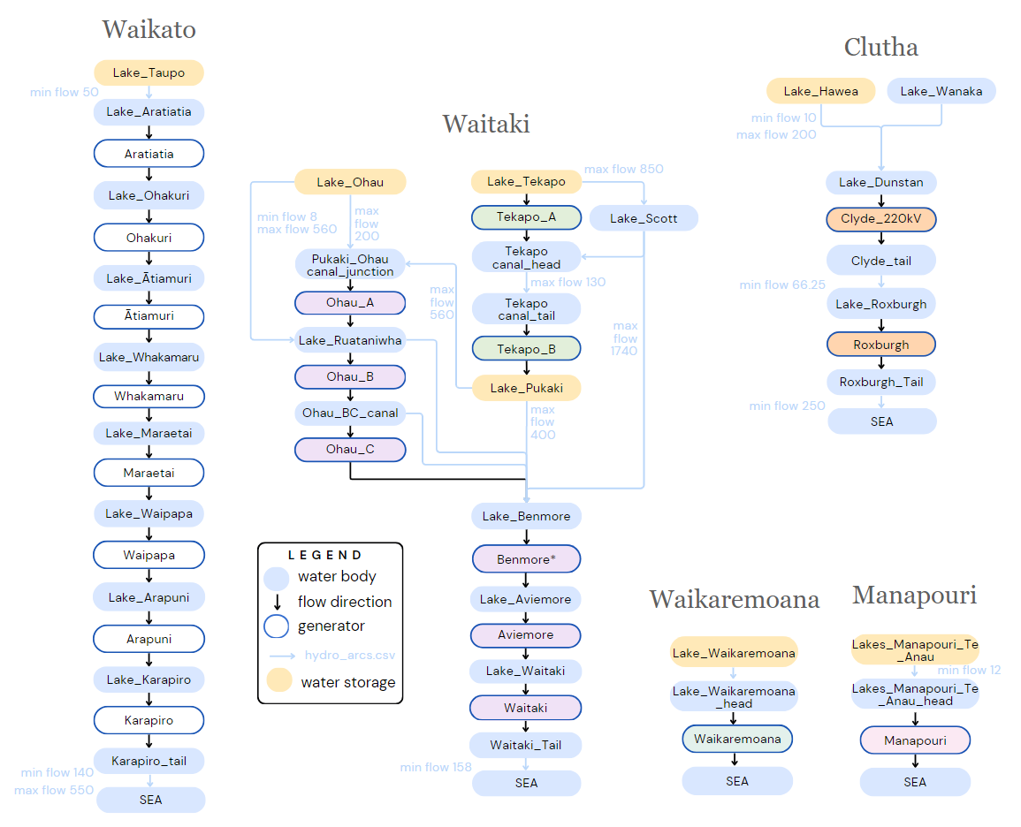
Tokaanu | Lake_Rotoaira | SEA | NI | 240 | 1.75 | na
Ohakuri | Lake_Ohakuri | Lake_Atiamuri | NI | 112 | 0.2841 | na | Waikato
Waipapa | Lake_Waipapa | Lake_Arapuni | NI | 54 | 0.1385 | na | Waikato
Rangipo | Lake_Moawhango | SEA | NI | 120 | 1.96 | na
Whakamaru | Lake_Whakamaru | Lake_Maraetai | NI | 124 | 0.3165 | na | Waikato
Cobb | Lake_Cobb | SEA | SI | 32 | 4.405 | na
Manapouri | Lakes_Manapouri_Te_Anau_head | SEA | SI | 842 | 1.5314 | na
Aviemore | Lake_Aviemore | Lake_Waitaki | SI | 220 | 0.3101 | 5400 | Waitaki
Benmore | Lake_Benmore | Lake_Aviemore | SI | 540 | 0.8177 | 3400 | Waitaki
Clyde_220kV | Lake_Dunstan | Clyde_tail | SI | 464 | 0.5181 | 4140 | Clutha
Roxburgh | Lake_Roxburgh | Roxburgh_tail | SI | 320 | 0.4016 | 6000 | Clutha
Coleridge | Lake_Coleridge | SEA | SI | 39 | 1.009 | na
Ohau_B | Lake_Ruataniwha | Ohau_BC_canal | SI | 212 | 0.4167 | 560 | Waitaki
Tekapo_A | Lake_Tekapo | Tekapo_canal_head | SI | 27 | 0.2322 | 600 | Waitaki
Waitaki | Lake_Waitaki | Waitaki_tail | SI | 105 | 0.1622 | 5380 | Waitaki
Ohau_C | Ohau_BC_canal | Lake_Benmore | SI | 212 | 0.4167 | na | Waitaki
Ohau_A | Pukaki_Ohau_canal_junction | Lake_Ruataniwha | SI | 264 | 0.5005 | 0 | Waitaki
Tekapo_B | Tekapo_canal_tail | Lake_Pukaki | SI | 154 | 1.2847 | na | Waitaki
Table source: hydro_stations.csv JADE
Results of this sheet: equivalent specific power per reservoir. Used in Storage capacity calculations.

