Map
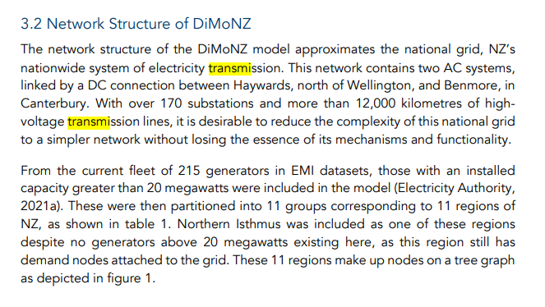
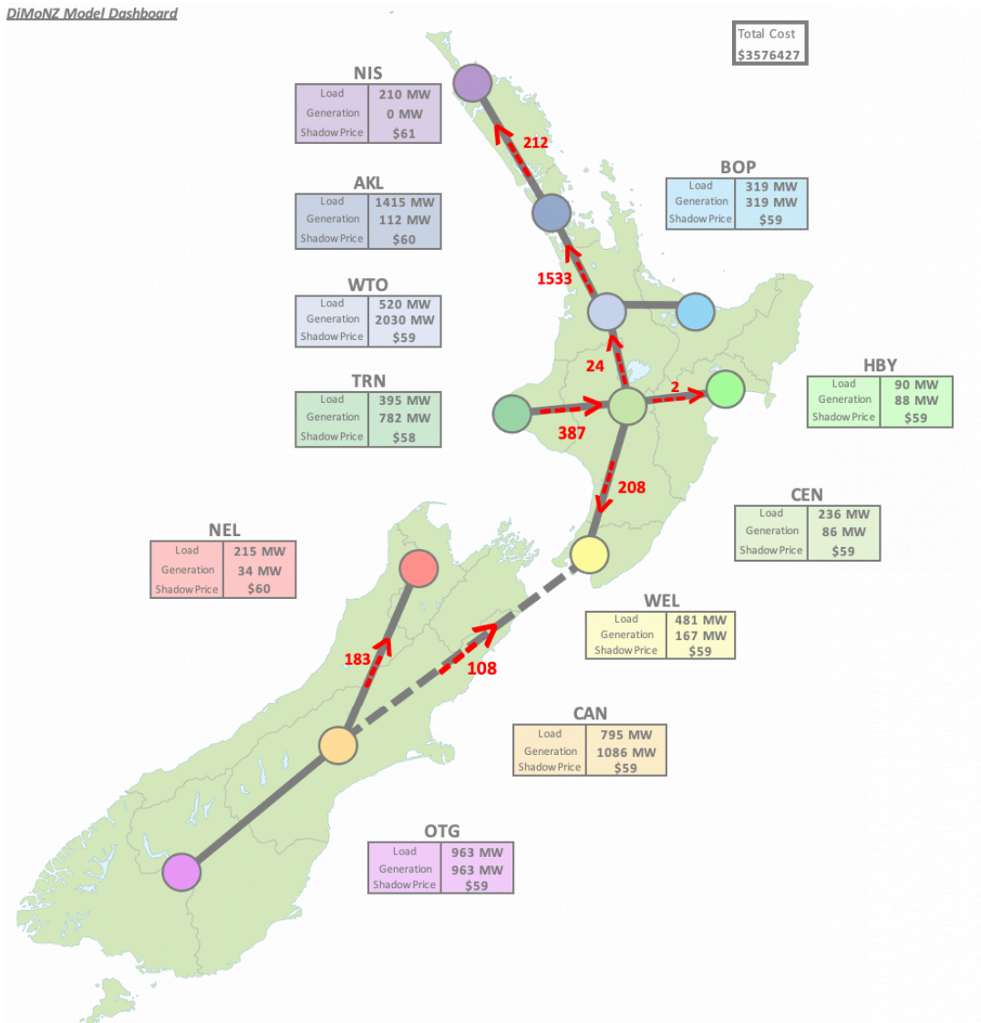
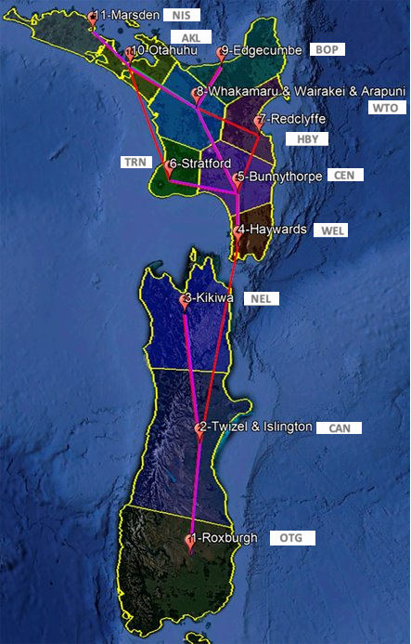
Nodes (DiMoNZ Model Dashboard Map)
*numbers by claudio | Region | Island | Name | Main Electric Substation | Latitude | Longitude
11 | NIS | NI | Northern Isthmus Region | Marsden | 35°52'33.10"S | 174°28'1.01"E
10 | AKL | NI | Auckland Region | Otahuhu | 36°57'17.04"S | 174°51'45.09"E
8 | WTO | NI | Waikato Region | Whakamaru & Wairakei & Arapuni | 38°25'9.24"S | 175°48'0.04"E
6 | TRN | NI | Taranaki Region | Stratford | 39°20'3.20"S | 174°19'13.56"E
9 | BOP | NI | Bay of Plenty Region | Edgecumbe | 37°59'12.43"S | 176°49'45.86"E
7 | HBY | NI | Hawkes Bay Region | Redclyffe | 39°33'5.93"S | 176°49'14.94"E
5 | CEN | NI | Central Region | Bunnythorpe | 40°16'52.68"S | 175°38'25.71"E
4 | WEL | NI | Wellington Region | Haywards | 41° 9'0.98"S | 174°58'52.14"E
3 | NEL | SI | Nelson Region | Kikiwa | 41°40'24.86"S | 172°52'25.65"E
2 | CAN | SI | Canterbury Region | Twizel & Islington | 43°51'43.14"S | 171°20'33.97"E
1 | OTG | SI | Otago region | Roxburgh | 45°28'52.40"S | 169°19'10.27"E

TRANSMISION LINES (9+3=12)
*exra lines added by Claudio, based on DiMoNZ + bottlenecks identified | Island | Line | Region Pairs | Column2 | Representative Line Groups | Bottleneck Max Capacity (MW) | Total (MW) | Length (km) | Length +20% (km)
1 | NI | NIS__AKL | NIS | AKL | HPI_BRB.1, HPI_MDN.1, HEN_WEL.1, HEN_WEL.2 | 333 - 610 - 56 - 56 | 1055 | 125 | 149.8
2 | NI | AKL__WTO | AKL | WTO | BHL_PAK.1, BHL_PAK.2, WKM_OTA.1, WKM_OTA.2, WKM_OHW.1, HAM_OHW.1, BOB_WIR.1 (or BOB_WRT.1), BOB_WIR.2 (or BOB_WRT.2) | 768 - 768 - 293 - 293 - 615 - 615 - 62 - 62 | 3476 | 113 | 136.0
3 | NI | WTO__BOP | WTO | BOP | OWH_EDG.2, WKM_ATI.1, OHK_KAW.1 | 57 - 333 - 239 | 629 | 63 | 76.2
4 | NI | WTO__CEN | WTO | CEN | BPE_TKU.1, BPE_TKU.2, BPE_TNG.1, BPE_MTR.1 | 308 - 308 - 239 - 57 | 912 | 129 | 154.5
5 | NI | CEN__HBY | CEN | HBY | WDV_DVK.1, WDV_DVK.2 | 50 - 50 | 100 | 80 | 96.5
6 | NI | TRN__CEN | TRN | CEN | BRK_SFD.1, BRK_SFD.2, BRK_SFD.3, MTN_SFD.1 (same as BPE_MTN.1), MTN_SFD.2 (same as BPE_MTN.2) | 232 - 232 - 232 - 66 - 66 | 828 | 96 | 115.1
7 | NI | CEN__WEL | CEN | WEL | HAY_BPE.1, HAY_BPE.2, HAY_LTN.1, HAY_LTN.2, WDV_LTN.1, WDV_LTN.2 | 355 - 355 - 694 - 694 - 57 - 57 | 2212 | 69 | 83.1
8 | NI-SI | WEL__CAN | WEL | CAN | HAY_BEN1.1, HAY_BEN2.1, BEN_HAY1.1, BEN_HAY2.1 | 1200 | 1200 | 264 | 316.4
9 | SI | NEL__CAN | NEL | CAN | ISL_KIK.1, ISL_KIK.2, ISL_KIK.3, KUM_GYM.1 | 239 - 311 - 311 - 29 | 890 | 170 | 203.9
10 | SI | CAN__OTG | CAN | OTG | CML_TWZ.1, CML_TWZ.2, NSY_LIV.1 | 385 - 385 - 202 | 972 | 150 | 179.5
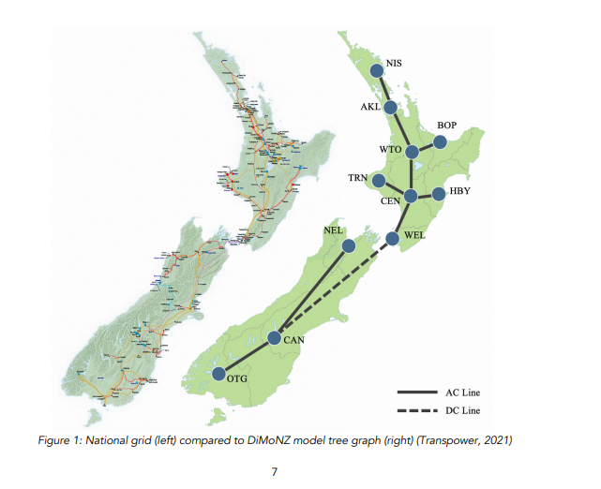
11* | NI | AKL__TRN | AKL | TRN | SFD_HLY.1, SFD_TMN.1 | 354 - 469 | 823 | 167 | 200.1
12* | NI | WTO__HBY | WTO | HBY | RDF_WHI.1 | 478 | 478 | 96 | 114.6

Revisit
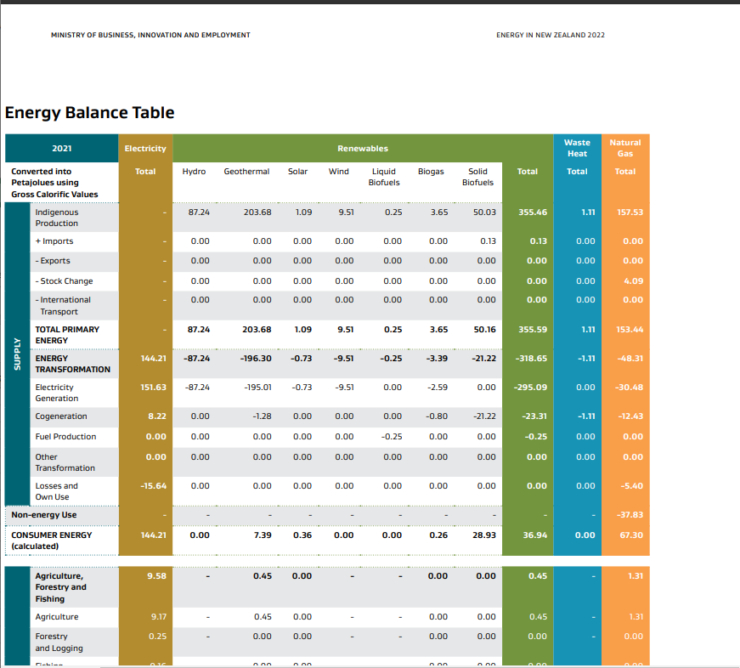
Energy in New Zealand 2022 (mbie.govt.nz)

