article_verification
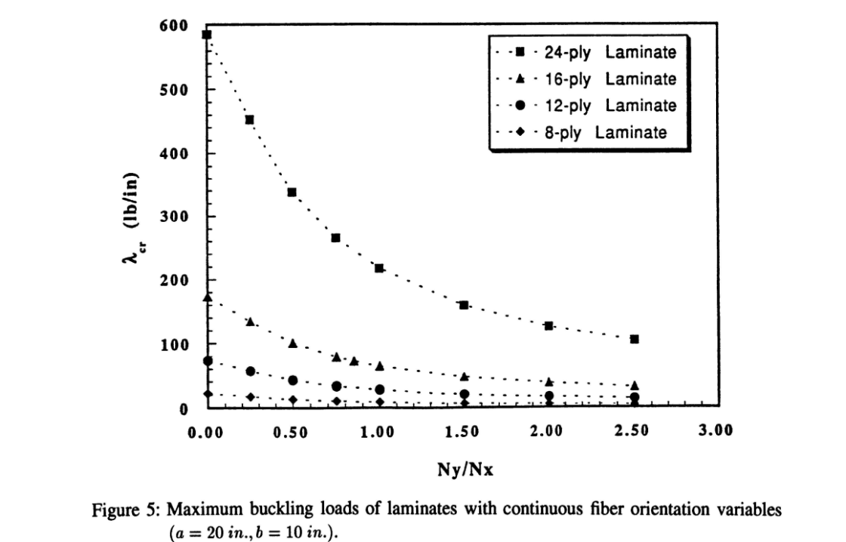
t = 1.016 |  |  |  | Complete reproduction in 4 min 45s
=========================
ratio | lambda crit (N/mm) | lambda crit (lb/in)
0.0 | 3.8 | 21.7
0.5 | 2.1 | 11.8
1.0 | 1.4 | 7.8
1.5 | 1.0 | 5.8
2.0 | 0.8 | 4.6
2.5 | 0.7 | 3.8

319.5 against 330
Max error = 3.2%
t = 1.524
=========================
ratio | lambda crit (N/mm) | lambda crit (lb/in)
0.0 | 12.8 | 73.3
0.5 | 7.0 | 39.9
1.0 | 4.6 | 26.3
1.5 | 3.4 | 19.6
2.0 | 2.7 | 15.6
2.5 | 2.3 | 13.0

t = 2.032
=========================
ratio | lambda crit (N/mm) | lambda crit (lb/in)
0.0 | 30.4 | 173.8
0.5 | 16.6 | 94.7
1.0 | 10.9 | 62.3
1.5 | 8.1 | 46.4
2.0 | 6.5 | 37.0
2.5 | 5.4 | 30.7

t = 3.048
=========================
ratio | lambda crit (N/mm) | lambda crit (lb/in)
0.0 | 102.7 | 586.7 | Max error
0.5 | 55.9 | 319.5 | 3.2%
1.0 | 36.8 | 210.1
1.5 | 27.4 | 156.5
2.0 | 21.8 | 124.7
2.5 | 18.2 | 103.7

shear_ratio_study
T = 1.016 |  | T = 3.048
shear_ratio = 0 |  | shear_ratio = 0
ratio | lambda crit (N/mm) | ratio | lambda crit (N/mm)
0.0 | 3.81 | 0.0 | 102.74
0.5 | 2.07 | 0.5 | 55.95
1.0 | 1.36 | 1.0 | 36.79
1.5 | 1.02 | 1.5 | 27.41
2.0 | 0.81 | 2.0 | 21.84
2.5 | 0.67 | 2.5 | 18.15

shear_ratio = 0.5 |  | shear_ratio = 0.5
ratio | lambda crit (N/mm) | ratio | lambda crit (N/mm)
0.0 | 3.46 | 0.0 | 93.42
0.5 | 2.02 | 0.5 | 54.42
1.0 | 1.35 | 1.0 | 36.37
1.5 | 1.01 | 1.5 | 27.24
2.0 | 0.81 | 2.0 | 21.75
2.5 | 0.67 | 2.5 | 18.10

shear_ratio = 1.0 |  | shear_ratio = 1.0
ratio | lambda crit (N/mm) | ratio | lambda crit (N/mm)
0.0 | 2.86 | 0.0 | 77.12
0.5 | 1.87 | 0.5 | 50.47
1.0 | 1.30 | 1.0 | 35.17
1.5 | 0.99 | 1.5 | 26.73
2.0 | 0.80 | 2.0 | 21.49
2.5 | 0.66 | 2.5 | 17.95

shear_ratio = 2.0 |  | shear_ratio = 2.0
ratio | lambda crit (N/mm) | ratio | lambda crit (N/mm)
0.0 | 1.98 | 0.0 | 53.41
0.5 | 1.51 | 0.5 | 40.82
1.0 | 1.16 | 1.0 | 31.35
1.5 | 0.92 | 1.5 | 24.94
2.0 | 0.76 | 2.0 | 20.54
2.5 | 0.64 | 2.5 | 17.39

shear_ratio = 2.5 |  | shear_ratio = 2.5
ratio | lambda crit (N/mm) | ratio | lambda crit (N/mm)
0.0 | 1.70 | 0.0 | 45.88
0.5 | 1.36 | 0.5 | 36.65
1.0 | 1.08 | 1.0 | 29.25
1.5 | 0.88 | 1.5 | 23.83
2.0 | 0.74 | 2.0 | 19.90
2.5 | 0.63 | 2.5 | 16.99

shear_ratio = 3.0 |  | shear_ratio = 3.0
ratio | lambda crit (N/mm) | ratio | lambda crit (N/mm)
0.0 | 1.48 | 0.0 | 40.09
0.5 | 1.23 | 0.5 | 33.10
1.0 | 1.01 | 1.0 | 27.23
1.5 | 0.84 | 1.5 | 22.67
2.0 | 0.71 | 2.0 | 19.20
2.5 | 0.61 | 2.5 | 16.55

shear_ratio = 3.5 |  | shear_ratio = 3.5
ratio | lambda crit (N/mm) | ratio | lambda crit (N/mm)
0.0 | 1.32 | 0.0 | 35.55
0.5 | 1.11 | 0.5 | 30.10
1.0 | 0.94 | 1.0 | 25.36
1.5 | 0.80 | 1.5 | 21.52
2.0 | 0.68 | 2.0 | 18.47
2.5 | 0.60 | 2.5 | 16.07

shear_ratio = 4.0 |  | shear_ratio = 4.0
ratio | lambda crit (N/mm) | ratio | lambda crit (N/mm)
0.0 | 1.18 | 0.0 | 31.93
0.5 | 1.02 | 0.5 | 27.55
1.0 | 0.88 | 1.0 | 23.67
1.5 | 0.76 | 1.5 | 20.41
2.0 | 0.66 | 2.0 | 17.74
2.5 | 0.58 | 2.5 | 15.58

