article_verification
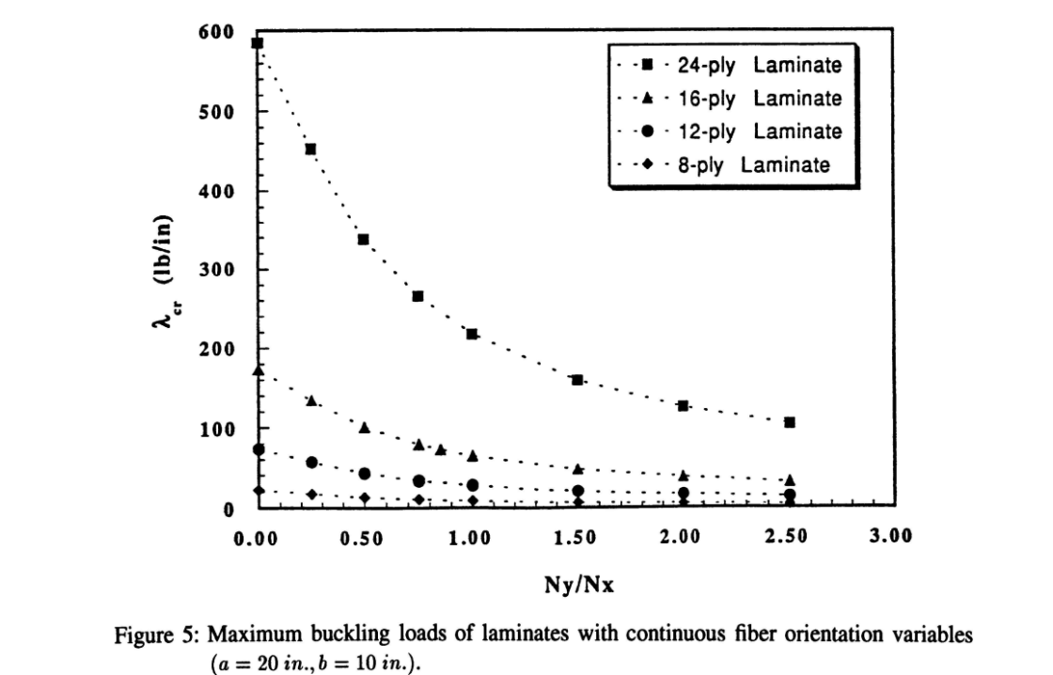
t = 1.016 |  |  |  | Complete reproduction in 4 min 45s
=========================
ratio | lambda crit (N/mm) | lambda crit (lb/in)
0.0 | 3.8 | 21.7
0.5 | 2.1 | 11.8
1.0 | 1.4 | 7.8
1.5 | 1.0 | 5.8
2.0 | 0.8 | 4.6
2.5 | 0.7 | 3.8

319.5 against 330
Max error = 3.2%
t = 1.524
=========================
ratio | lambda crit (N/mm) | lambda crit (lb/in)
0.0 | 12.8 | 73.3
0.5 | 7.0 | 39.9
1.0 | 4.6 | 26.3
1.5 | 3.4 | 19.6
2.0 | 2.7 | 15.6
2.5 | 2.3 | 13.0

t = 2.032
=========================
ratio | lambda crit (N/mm) | lambda crit (lb/in)
0.0 | 30.4 | 173.8
0.5 | 16.6 | 94.7
1.0 | 10.9 | 62.3
1.5 | 8.1 | 46.4
2.0 | 6.5 | 37.0
2.5 | 5.4 | 30.7

t = 3.048
=========================
ratio | lambda crit (N/mm) | lambda crit (lb/in)
0.0 | 102.7 | 586.7 | Max error
0.5 | 55.9 | 319.5 | 3.2%
1.0 | 36.8 | 210.1
1.5 | 27.4 | 156.5
2.0 | 21.8 | 124.7
2.5 | 18.2 | 103.7

