Plan1
 | https://en.wikipedia.org/wiki/Shear_stress
 |  |  |  |  |  |  |  |  |  |  |  |  | Nas bb eu eliminei o efeito poisson, pois este causava concentração de tensão

 |  |  |  |  |  |  |  |  | Os nós selecionados irão deslocar < 1mm
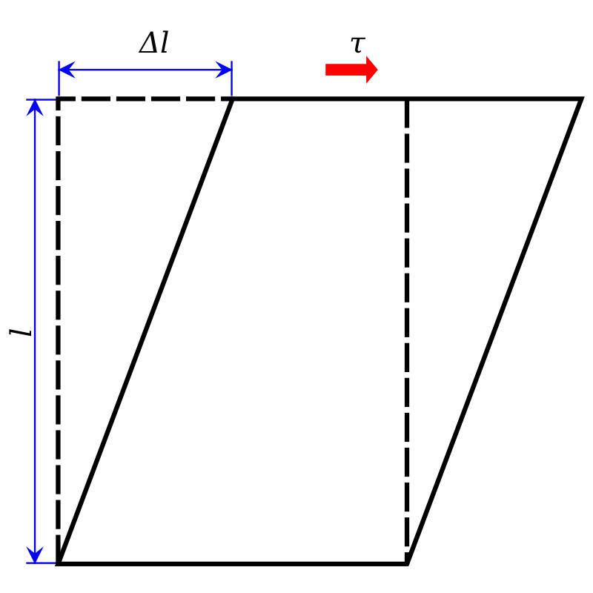
 |  |  |  |  |  |  |  |  | ID (esquerdo) | ID (direito) | X1 | Y displacement

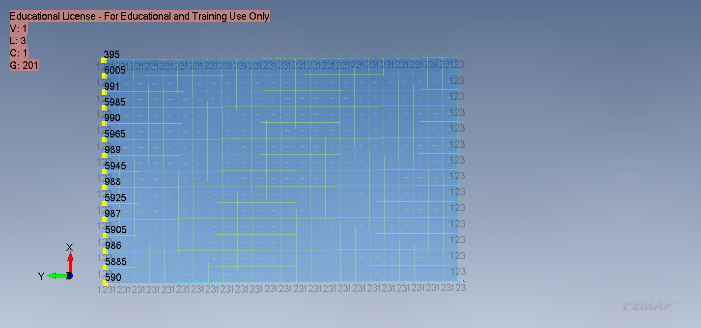
 |  |  |  |  |  |  |  |  | 590 | 602 | 0 | 0 |  |  | SPCD,3,590,2,0 | SPCD,3,602,2,0
 |  |  |  |  |  |  |  |  | 5885 | 5465 | 53.33881 | 0.071428646649 |  |  | SPCD,3,5885,2,0.0714286466488911 | SPCD,3,5465,2,0.0714286466488911
 |  |  |  |  |  |  |  |  | 986 | 866 | 106.6776 | 0.14285726651 |  |  | SPCD,3,986,2,0.14285726651479 | SPCD,3,866,2,0.14285726651479
 |  |  |  |  |  |  |  |  | 5905 | 5485 | 160.0164 | 0.21428589977 |  |  | SPCD,3,5905,2,0.214285899772185 | SPCD,3,5485,2,0.214285899772185
 |  |  |  |  |  |  |  |  | 987 | 867 | 213.3552 | 0.28571453303 |  |  | SPCD,3,987,2,0.28571453302958 | SPCD,3,867,2,0.28571453302958
 |  |  |  |  |  |  |  |  | 5925 | 5505 | 266.694 | 0.35714316629 |  |  | SPCD,3,5925,2,0.357143166286975 | SPCD,3,5505,2,0.357143166286975
 |  |  |  |  |  |  |  |  | 988 | 868 | 320.0329 | 0.42857193346 |  |  | SPCD,3,988,2,0.428571933459331 | SPCD,3,868,2,0.428571933459331
 |  |  |  |  |  |  |  |  | 5945 | 5525 | 373.3717 | 0.50000056672 |  |  | SPCD,3,5945,2,0.500000566716726 | SPCD,3,5525,2,0.500000566716726
 |  |  |  |  |  |  |  |  | 989 | 869 | 426.7105 | 0.57142919997 |  |  | SPCD,3,989,2,0.571429199974121 | SPCD,3,869,2,0.571429199974121
 |  |  |  |  |  |  |  |  | 5965 | 5545 | 480.0493 | 0.64285783323 |  |  | SPCD,3,5965,2,0.642857833231516 | SPCD,3,5545,2,0.642857833231516
 |  |  |  |  |  |  |  |  | 990 | 870 | 533.3881 | 0.71428646649 |  |  | SPCD,3,990,2,0.714286466488911 | SPCD,3,870,2,0.714286466488911
 |  |  |  |  |  |  |  |  | 5985 | 5565 | 586.7269 | 0.78571509975 |  |  | SPCD,3,5985,2,0.785715099746306 | SPCD,3,5565,2,0.785715099746306
 |  |  |  |  |  |  |  |  | 991 | 871 | 640.0657 | 0.857143733 |  |  | SPCD,3,991,2,0.857143733003701 | SPCD,3,871,2,0.857143733003701
 |  |  |  |  |  |  |  |  | 6005 | 5585 | 693.4045 | 0.92857236626 |  |  | SPCD,3,6005,2,0.928572366261096 | SPCD,3,5585,2,0.928572366261096
 |  |  |  |  |  |  |  |  | 395 | 407 | 746.7433 | 1.0000009995 |  |  | SPCD,3,395,2,1.00000099951849 | SPCD,3,407,2,1.00000099951849

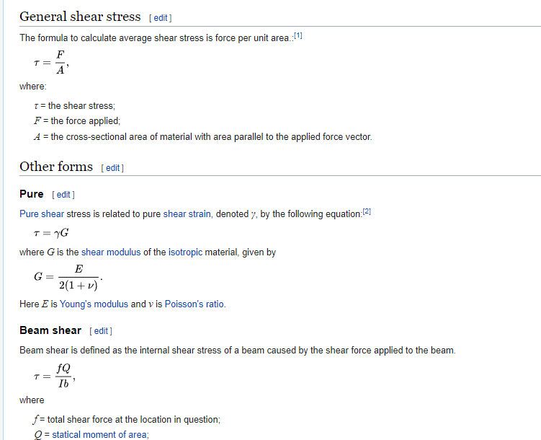
 |  |  |  |  |  |  |  |  |  |  |  |  |  | h | 746.743 | O
 |  |  |  |  |  |  |  |  |  |  |  |  |  | b | 1 | A
 |  |  |  |  |  |  |  |  |  |  |  |  |  | tangente | 0.0013391

Resultados
DX
T1 reaction
ID | 1..Simcenter NASTRAN Case 1, 52..T1 Constraint Force |  | 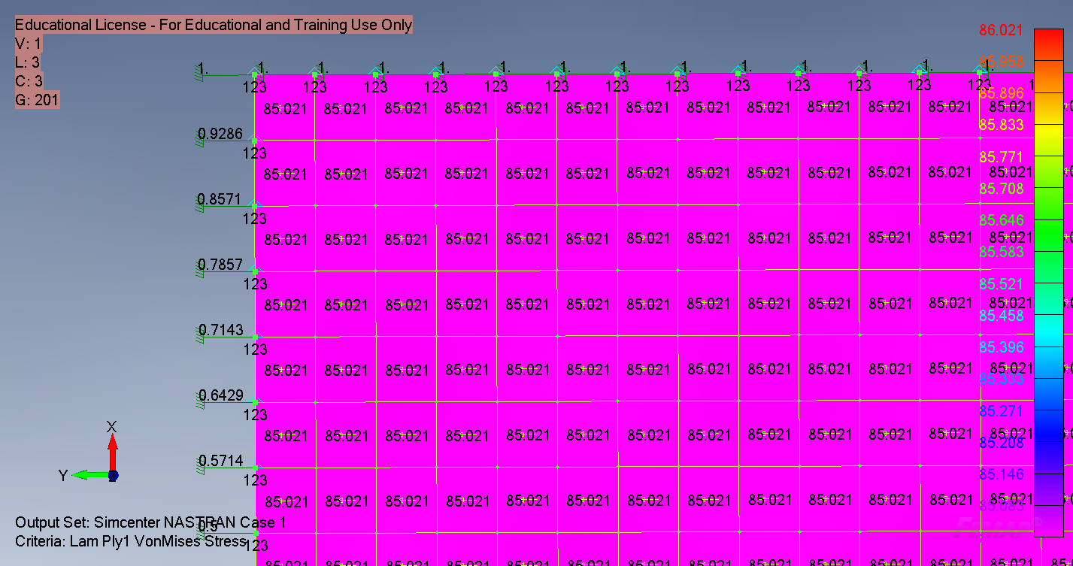
590 | 38098.45
591 | 76196.12
592 | 76195.73
593 | 76196.12
594 | 76196.12
595 | 76196.12
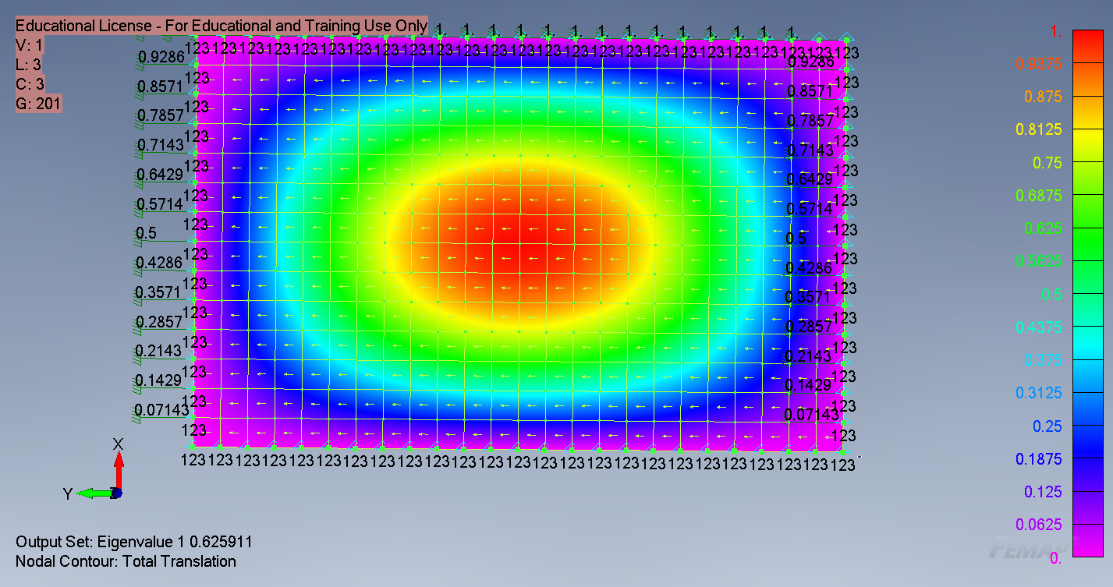
596 | 76196.12
597 | 76196.12
598 | 76196.12
599 | 76196.12
600 | 76196.12
601 | 76196.12
602 | 38098.06
4465 | 76196.12
4485 | 76196.12
4505 | 76196.12
4525 | 76196.12
4545 | 76196.12
4565 | 76196.12
4585 | 76196.12
4605 | 76196.12
4625 | 76196.12 |  | Nastran
4645 | 76196.12 |  | Eigenvalue | 0.625911
4665 | 76196.12 |  | Critical Load |  | Ritz |  | Diff
4685 | 76196.12 |  | 1144607.752 | N | 1134067.2086 | N | 0.9%
 | 1828706.88

Resultados
DX
T1 reaction
ID | 3..Simcenter NASTRAN Case 1, 53..T2 Constraint Force | 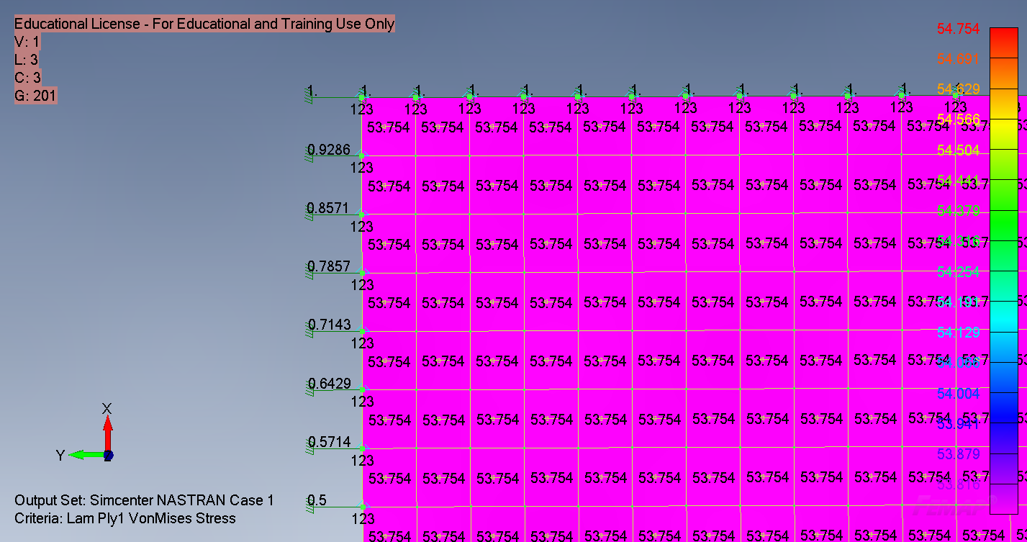
395 | -28758.76
590 | -28758.77
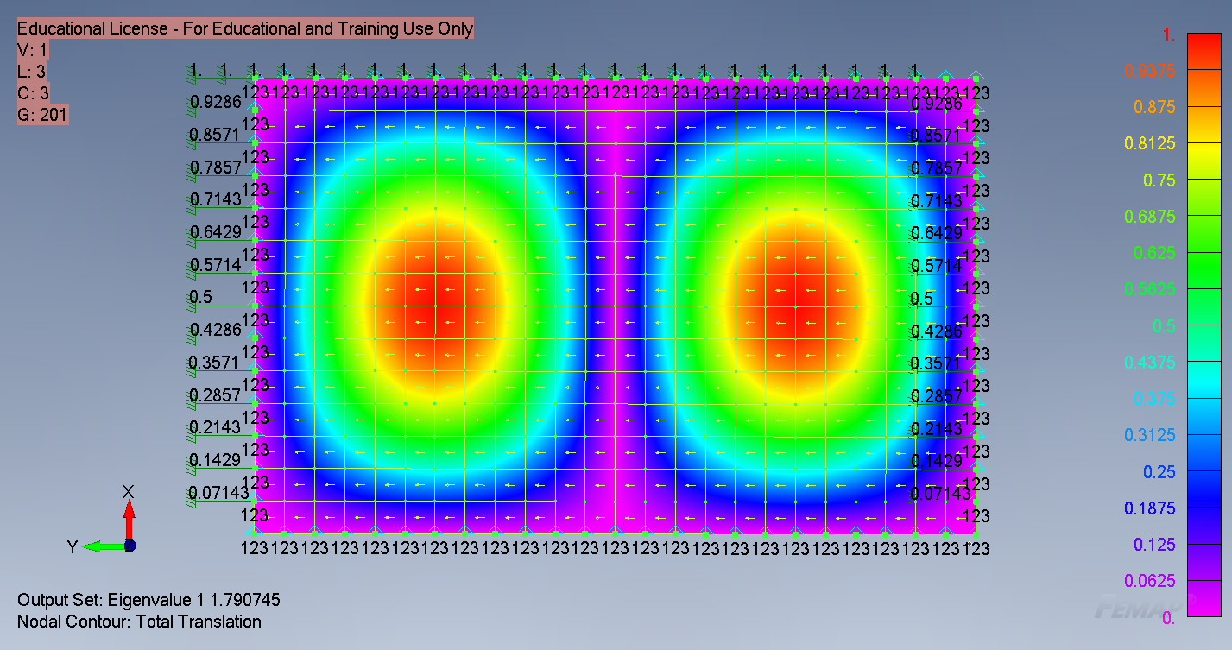
986 | -57517.52
987 | -57517.52
988 | -57517.57
989 | -57517.52
990 | -57517.52
991 | -57517.52
5885 | -57517.52
5905 | -57517.52
5925 | -57517.57
5945 | -57517.52
5965 | -57517.52
5985 | -57517.52
6005 | -57517.52 |  | Eigenvalue | 1.790745 |  | Ritz |  | Diff
 | -805245.39 |  | Critical Load | 1441989.1559 | N | 1605734.1289 |  | 11.4%

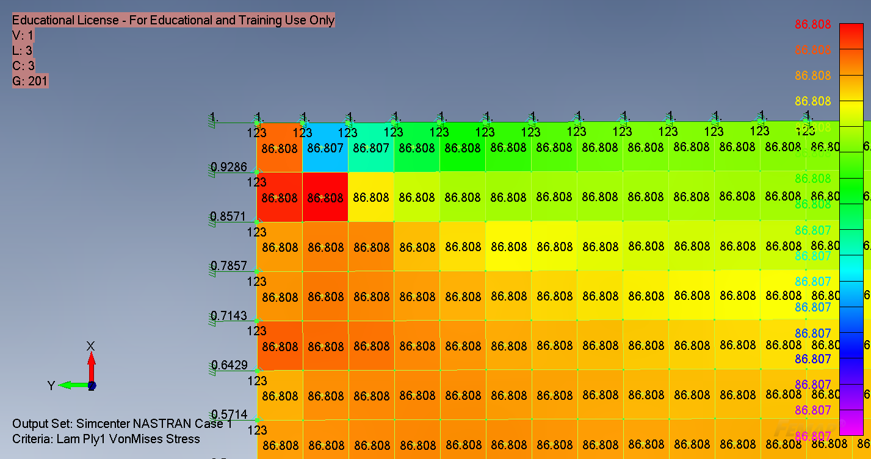
ID | 5..Simcenter NASTRAN Case 1, 53..T2 Constraint Force
590 | -6583.75
591 | -13167.36
592 | -13167.29
593 | -13167.36
594 | -13167.36
595 | -13167.36
596 | -13167.36
597 | -13167.36
598 | -13167.36
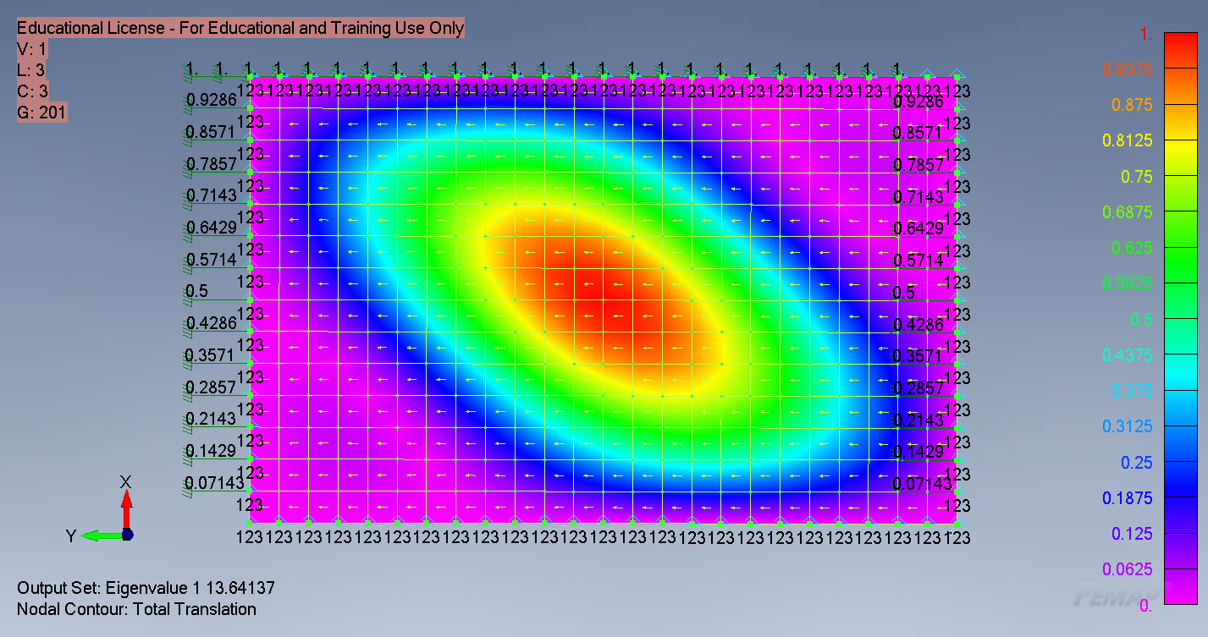
599 | -13167.36
600 | -13167.36
601 | -13167.36
602 | -6583.683
4465 | -13167.35
4485 | -13167.36
4505 | -13167.36
4525 | -13167.36
4545 | -13167.36
4565 | -13167.36
4585 | -13167.36
4605 | -13167.36
4625 | -13167.36
4645 | -13167.36
4665 | -13167.36
4685 | -13167.35 |  | Eigenvalue | 13.64137 |  | Ritz |  | Diff
 | -316016.623 |  | Critical load | 4310899.6805 | N | 4145483.67 |  | 3.8%

