Performance
 | Reproduction of Gurdal and haftka
 | Total runtime 4m 44.3 s

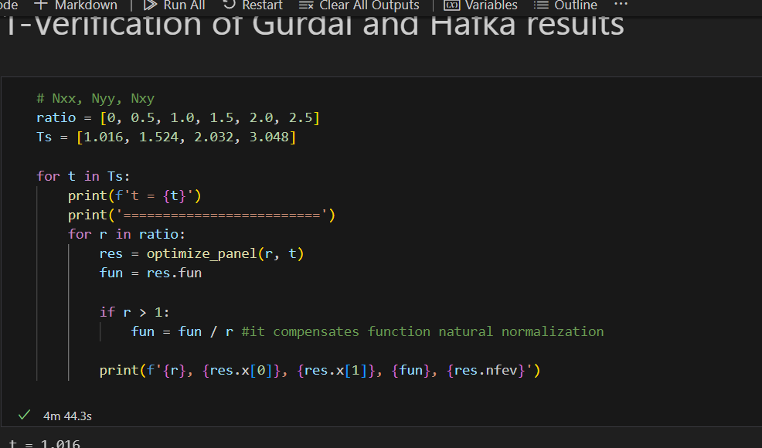
T | ratio | xi1 | xi3 | buckling load | nev
1.016 | 0 | 0.00 | -1.00 | -3.8 | 9
 | 0.5 | -0.48 | -0.04 | -2.1 | 44
 | 1 | -0.74 | 0.48 | -1.4 | 55
 | 1.5 | -0.87 | 0.74 | -1.0 | 43
 | 2 | -0.95 | 0.89 | -0.8 | 48
 | 2.5 | -1.00 | 1.00 | -0.7 | 47
1.524 | 0 | 0.00 | -1.00 | -12.8 | 6
 | 0.5 | -0.48 | -0.04 | -7.0 | 50
 | 1 | -0.74 | 0.48 | -4.6 | 50
 | 1.5 | -0.87 | 0.74 | -3.4 | 52
 | 2 | -0.95 | 0.89 | -2.7 | 46
 | 2.5 | -1.00 | 1.00 | -2.3 | 35
2.032 | 0 | 0.00 | -1.00 | -30.4 | 6
 | 0.5 | -0.48 | -0.04 | -16.6 | 58
 | 1 | -0.74 | 0.48 | -10.9 | 79
 | 1.5 | -0.87 | 0.74 | -8.1 | 52
 | 2 | -0.95 | 0.89 | -6.5 | 47
 | 2.5 | -1.00 | 1.00 | -5.4 | 44
3.048 | 0 | 0.00 | -1.00 | -102.7 | 6
 | 0.5 | -0.48 | -0.04 | -55.9 | 55
 | 1 | -0.74 | 0.48 | -36.8 | 79
 | 1.5 | -0.87 | 0.74 | -27.4 | 51
 | 2 | -0.95 | 0.89 | -21.8 | 50
 | 2.5 | -1.00 | 1.00 | -18.2 | 41
 |  |  |  | total | 1053

article_verification
t = 1.016 | t = 1.016 (discrete) |  |  |  |  |  |  | Complete reproduction in 4 min 45s
========================= |  |  | Discrete variable study
ratio | lambda crit (N/mm) | lambda crit (lb/in) | stack | lambda crit (N/mm) | Diff
0.0 | 3.8 | 21.7 | [-45, 45, 0, 90, 90, 0, 45, -45] | 3.50795238 | 8% | average | 16%
0.5 | 2.1 | 11.8 | [90, -45, 45, 0, 0, 45, -45, 90] | 1.92931142 | 7%
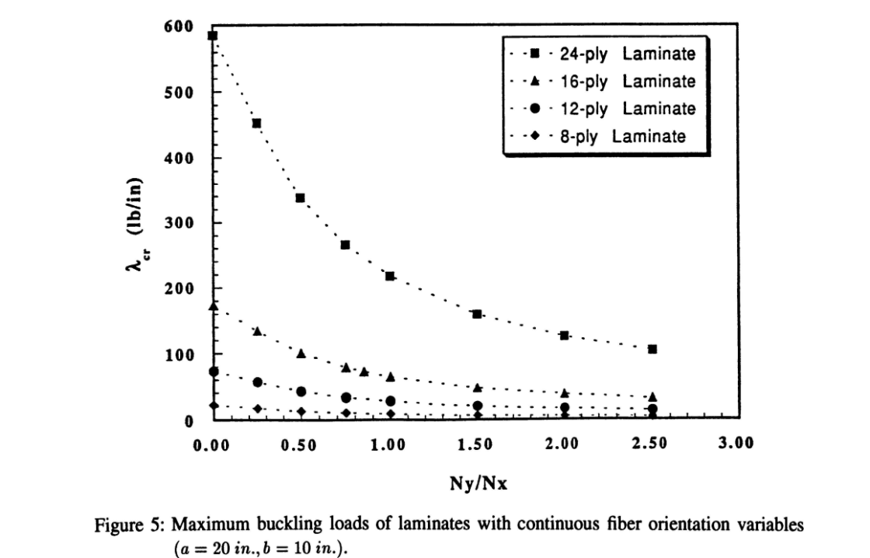
1.0 | 1.4 | 7.8 | [90, -45, 0, 45, 45, 0, -45, 90] | 1.19246686 | 12%
1.5 | 1.0 | 5.8 | [90, -45, 0, 45, 45, 0, -45, 90] | 0.85184292 | 16%
2.0 | 0.8 | 4.6 | [90, 0, -45, 45, 45, -45, 0, 90] | 0.59752698 | 26%
2.5 | 0.7 | 3.8 | [90, 0, -45, 45, 45, -45, 0, 90] | 0.48888728 | 27%

319.5 against 330
Max error = 3.2%
t = 1.524
========================= |  |  | Discrete variable study
ratio | lambda crit (N/mm) | lambda crit (lb/in) | stack | lambda crit (N/mm) | Diff
0.0 | 12.8 | 73.3 | [-45, -45, 45, 45, 0, 90, 90, 0, 45, 45, -45, -45] | 11.70795479 | 9% | average | 5%
0.5 | 7.0 | 39.9 | [-45, 90, 90, 45, 90, 0, 0, 90, 45, 90, 90, -45] | 6.61598427 | 5%
1.0 | 4.6 | 26.3 | [90, 90, -45, 45, 90, 0, 0, 90, 45, -45, 90, 90] | 4.5737325 | 1%
1.5 | 3.4 | 19.6 | [90, 90, 90, -45, 45, 0, 0, 45, -45, 90, 90, 90] | 3.40302032 | 1%
2.0 | 2.7 | 15.6 | [90, 90, 90, -45, 0, 45, 45, 0, -45, 90, 90, 90] | 2.6223532 | 4%
2.5 | 2.3 | 13.0 | [90, 90, 90, 0, -45, 45, 45, -45, 0, 90, 90, 90] | 2.08730182 | 8%

t = 2.032
========================= |  |  | Discrete variable study
ratio | lambda crit (N/mm) | lambda crit (lb/in) | stack | lambda crit (N/mm) | Diff
0.0 | 30.4 | 173.8 | [45, 45, -45, -45, -45, 45, 0, 90, 90, 0, 45, -45, -45, -45, 45, 45] | 29.58564624 | 3% | average | 3%
0.5 | 16.6 | 94.7 | [-45, 90, 90, 45, -45, 90, 0, 45, 45, 0, 90, -45, 45, 90, 90, -45] | 16.0238149 | 3%
1.0 | 10.9 | 62.3 | [90, 90, -45, 90, 45, 90, 90, 0, 0, 90, 90, 45, 90, -45, 90, 90] | 10.79348184 | 1%
1.5 | 8.1 | 46.4 | [90, 90, 90, -45, 90, 0, 0, 45, 45, 0, 0, 90, -45, 90, 90, 90] | 7.78690219 | 4%
2.0 | 6.5 | 37.0 | [90, 90, 90, -45, 90, 90, 45, 0, 0, 45, 90, 90, -45, 90, 90, 90] | 6.28786502 | 3%
2.5 | 5.4 | 30.7 | [90, 90, 90, -45, 90, 0, 90, 45, 45, 90, 0, 90, -45, 90, 90, 90] | 5.0132338 | 7%

t = 3.048 | t = 3.048 (discrete)
========================= |  |  | Discrete variable study
ratio | lambda crit (N/mm) | lambda crit (lb/in) | stack | lambda crit (N/mm) | Diff
0.0 | 102.7 | 586.7 | [45, 45, -45, 45, 0, -45, -45, 90, -45, 90, 0, 45, 45, 0, 90, -45, 90, -45, -45, 0, 45, -45, 45, 45] | 94.64354997 | 8% | average | 9%
0.5 | 55.9 | 319.5 | [-45, 90, -45, 90, 45, 90, 90, 0, 90, 45, 90, 0, 0, 90, 45, 90, 0, 90, 90, 45, 90, -45, 90, -45] | 53.38207693 | 5%
1.0 | 36.8 | 210.1 | [90, 45, 90, 90, 90, -45, 90, -45, 0, 0, 45, 0, 0, 45, 0, 0, -45, 90, -45, 90, 90, 90, 45, 90] | 35.14166781 | 4%
1.5 | 27.4 | 156.5 | [90, 90, 90, -45, 90, 0, 45, 0, 45, 90, 0, -45, -45, 0, 90, 45, 0, 45, 0, 90, -45, 90, 90, 90] | 24.24273289 | 12%
2.0 | 21.8 | 124.7 | [90, 90, 90, -45, 90, -45, 90, 45, 0, 90, 0, 45, 45, 0, 90, 0, 45, 90, -45, 90, -45, 90, 90, 90] | 20.06390001 | 8%
2.5 | 18.2 | 103.7 | [90, 90, 90, 0, 90, 45, -45, 0, 0, 90, 45, -45, -45, 45, 90, 0, 0, -45, 45, 90, 0, 90, 90, 90] | 14.82858919 | 18%

 |  |  |  |  | Diff stats
 |  |  |  | average | 8%
 |  |  |  | Std dev | 7%

 |  | Max error Article
 |  | 3.2%

error of 3.2%

contour plots
r, xi1D, xi3D, nplies = 1.0, -0.74205514, 0.48401028, 8

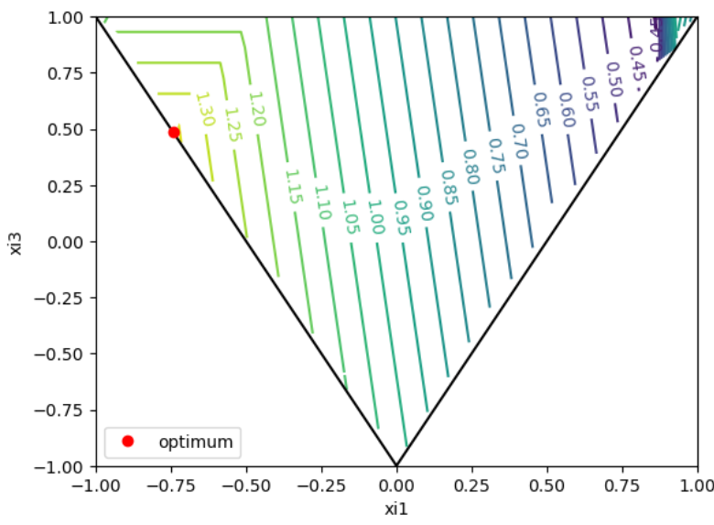

$$d_{best}$$
$$d_{worst}$$

8 plies
$$\frac{N_{yy}}{N_{xx}}=1$$

Best stack sequence
$${\text{[90/-45/0/45]}}_{s}$$
$$\left(ξ_{1}^{D}, ξ_{3}^{D}\right)=\left(−0.47, −0.37\right)$$

shear_ratio_study
T = 1.016 |  | T = 3.048
shear_ratio = 0 |  | shear_ratio = 0 |  | Extremos, pura compressão e puro shear
ratio | lambda crit (N/mm) | ratio | lambda crit (N/mm)
0.0 | 3.81 | 0.0 | 102.74
0.5 | 2.07 | 0.5 | 55.95
1.0 | 1.36 | 1.0 | 36.79
1.5 | 1.02 | 1.5 | 27.41
2.0 | 0.81 | 2.0 | 21.84
2.5 | 0.67 | 2.5 | 18.15

shear_ratio = 0.5 |  | shear_ratio = 0.5
ratio | lambda crit (N/mm) | ratio | lambda crit (N/mm)
0.0 | 3.46 | 0.0 | 93.42
0.5 | 2.02 | 0.5 | 54.42
1.0 | 1.35 | 1.0 | 36.37
1.5 | 1.01 | 1.5 | 27.24
2.0 | 0.81 | 2.0 | 21.75
2.5 | 0.67 | 2.5 | 18.10

shear_ratio = 1.0 |  | shear_ratio = 1.0
ratio | lambda crit (N/mm) | ratio | lambda crit (N/mm)
0.0 | 2.86 | 0.0 | 77.12
0.5 | 1.87 | 0.5 | 50.47
1.0 | 1.30 | 1.0 | 35.17
1.5 | 0.99 | 1.5 | 26.73
2.0 | 0.80 | 2.0 | 21.49
2.5 | 0.66 | 2.5 | 17.95

shear_ratio = 2.0 |  | shear_ratio = 2.0
ratio | lambda crit (N/mm) | ratio | lambda crit (N/mm)
0.0 | 1.98 | 0.0 | 53.41
0.5 | 1.51 | 0.5 | 40.82
1.0 | 1.16 | 1.0 | 31.35
1.5 | 0.92 | 1.5 | 24.94
2.0 | 0.76 | 2.0 | 20.54
2.5 | 0.64 | 2.5 | 17.39

shear_ratio = 2.5 |  | shear_ratio = 2.5
ratio | lambda crit (N/mm) | ratio | lambda crit (N/mm)
0.0 | 1.70 | 0.0 | 45.88
0.5 | 1.36 | 0.5 | 36.65
1.0 | 1.08 | 1.0 | 29.25
1.5 | 0.88 | 1.5 | 23.83
2.0 | 0.74 | 2.0 | 19.90
2.5 | 0.63 | 2.5 | 16.99

shear_ratio = 3.0 |  | shear_ratio = 3.0
ratio | lambda crit (N/mm) | ratio | lambda crit (N/mm)
0.0 | 1.48 | 0.0 | 40.09
0.5 | 1.23 | 0.5 | 33.10
1.0 | 1.01 | 1.0 | 27.23
1.5 | 0.84 | 1.5 | 22.67
2.0 | 0.71 | 2.0 | 19.20
2.5 | 0.61 | 2.5 | 16.55

shear_ratio = 3.5 |  | shear_ratio = 3.5
ratio | lambda crit (N/mm) | ratio | lambda crit (N/mm)
0.0 | 1.32 | 0.0 | 35.55
0.5 | 1.11 | 0.5 | 30.10
1.0 | 0.94 | 1.0 | 25.36
1.5 | 0.80 | 1.5 | 21.52
2.0 | 0.68 | 2.0 | 18.47
2.5 | 0.60 | 2.5 | 16.07

shear_ratio = 4.0 |  | shear_ratio = 4.0
ratio | lambda crit (N/mm) | ratio | lambda crit (N/mm)
0.0 | 1.18 | 0.0 | 31.93
0.5 | 1.02 | 0.5 | 27.55
1.0 | 0.88 | 1.0 | 23.67
1.5 | 0.76 | 1.5 | 20.41
2.0 | 0.66 | 2.0 | 17.74
2.5 | 0.58 | 2.5 | 15.58

LP database
