All Variables
0
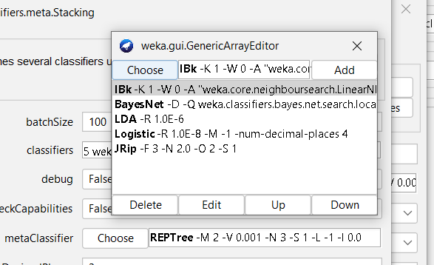

 |  | All Variables
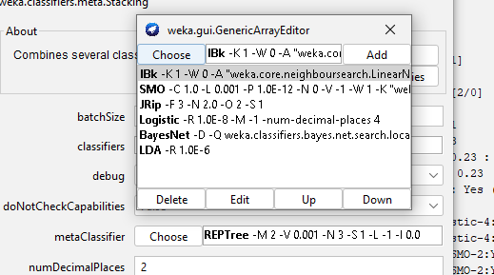
 |  | Stacking
 |  |  |  |  |  |  |  |  | https://gyazo.com/7714bdfe1843c091b0d5edf74ec3df78
 |  |  |  |  | https://gyazo.com/f05d04f70cf4f20dd9a853c72a57ece3
 | https://gyazo.com/cd69f03aba56ca4f3d0a377a0c65dfab

 |  |  |  |  |  |  | https://gyazo.com/725faa5a797b6e6fa829206da8d305d5

 |  |  |  |  | 4h para completar
 |  |  |  |  |  |  |  |  | 35 mins

 |  | Bagging

 |  |  |  | 10 segundos
 | https://gyazo.com/27b8b371ce9f11ce5d54e7e49988d913

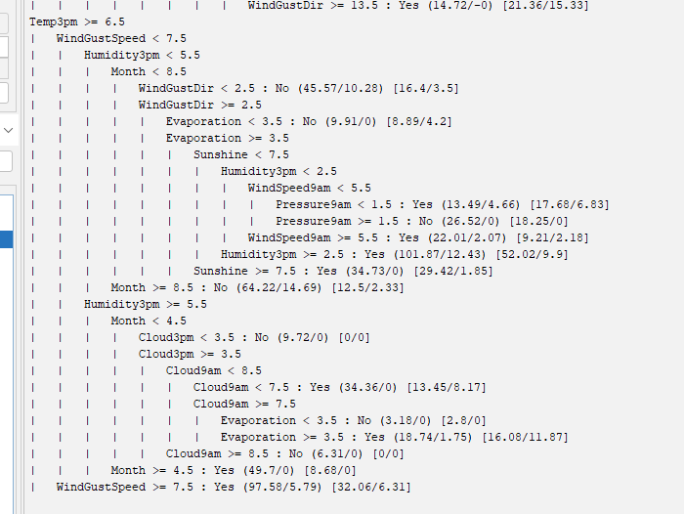
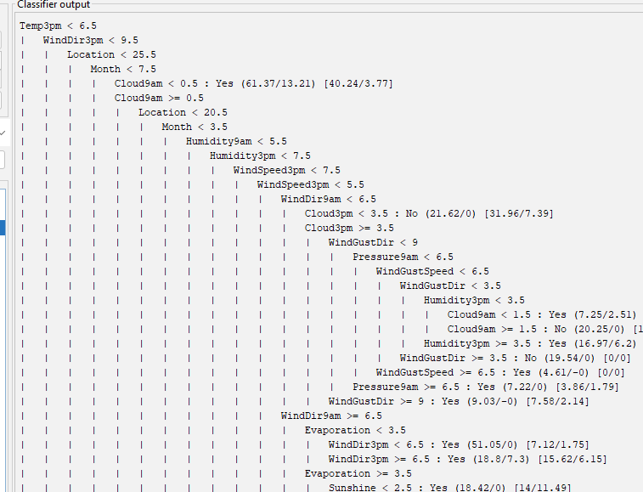

 |  | AdaBoost- REPTree 50

 | https://gyazo.com/e06222e371a3225153000e5b4427fe9d |  |  |  |  | https://gyazo.com/c0740396005eb89d6af2013658511864

 |  |  |  |  |  |  |  | https://gyazo.com/2f08fa1602840156e0eccc2d5544cbe5

 |  |  | Random Forest


https://gyazo.com/68aa223baf2200c50b901d6474da7be8

 |  |  | Logistic Model Trees(LMT)

 | https://gyazo.com/5703c3f25d659f154017a9ad03a4cd1e | https://gyazo.com/d85925909406d83788a9b8c34fd0f5ab

 |  |  | Vote - average

https://gyazo.com/18c57749cd108cef80a7ba330582e1cd

Wrapper
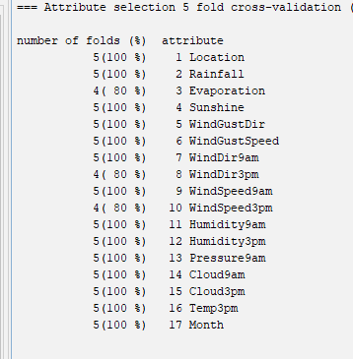

 |  |  | wrapper filter

 |  |  | Stacking

 | https://gyazo.com/cdff1e85a81bf6cdb667da8245ea44be

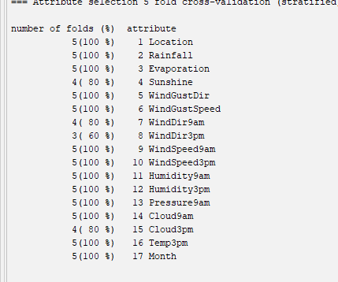

 |  |  |  |  |  |  | criterio >60
 |  |  | Bagging

 |  |  | https://gyazo.com/17a9128fda5586e6727416e2f6e297de
 |  | https://gyazo.com/c7ef1764cf64f345e15d981e91da06bc

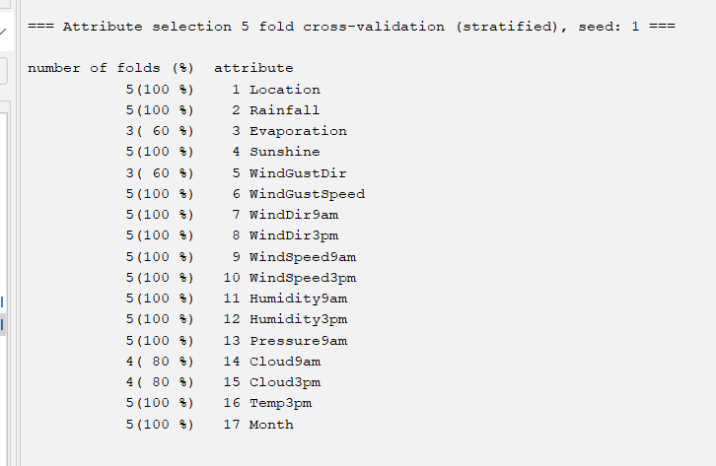

 |  |  | AdaBoost- REPTree 50

https://gyazo.com/13f4761dc310e1a07026b83c75e4d71b |  |  |  |  |  |  |  | https://gyazo.com/86d3d13b08944f04be45c0eac44bf6fc

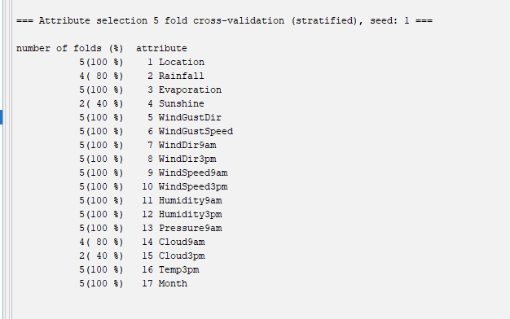
 |  |  | Random Forest

https://gyazo.com/5db134e28febe715e279e8d6bdddaf54

 |  |  |  |  | https://gyazo.com/7e60c59471ef074953ba9830733ed10c

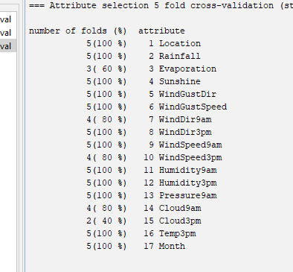
 |  |  |  |  |  |  |  | Metaclassifiers
 |  |  | Logistic Model Trees(LMT) |  |  |  | Linear Regression | Stacking
 |  |  |  |  |  |  | Naïve Bayes | Bagging
 |  |  | https://gyazo.com/fa7d12220719253017130e6347254d55 |  |  |  | Tree Augmented Naïve-bayes (TAN) | AdaBoost
 |  |  |  |  |  |  | Linear Discrminant Analysis (LDA) | Random Forest
 |  |  |  | https://gyazo.com/0af824c2e12234f4fab65e508692cb6e |  |  |  | Logistic Model Trees (LMT)
 |  |  |  |  |  |  |  | Vote

 |  |  | Vote - average
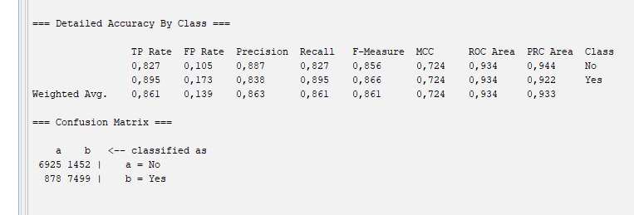

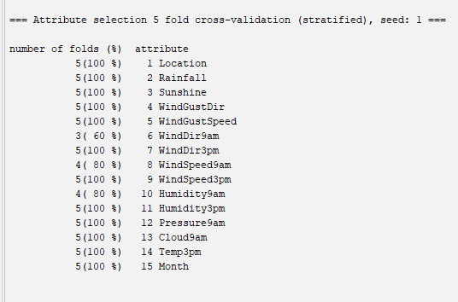
https://gyazo.com/0eaf6c2b0b891f3ee53431ea19ba788c

 |  |  |  |  |  | https://gyazo.com/7124b45b53350c1e9a5adf36e471c3e1

