Sheet1
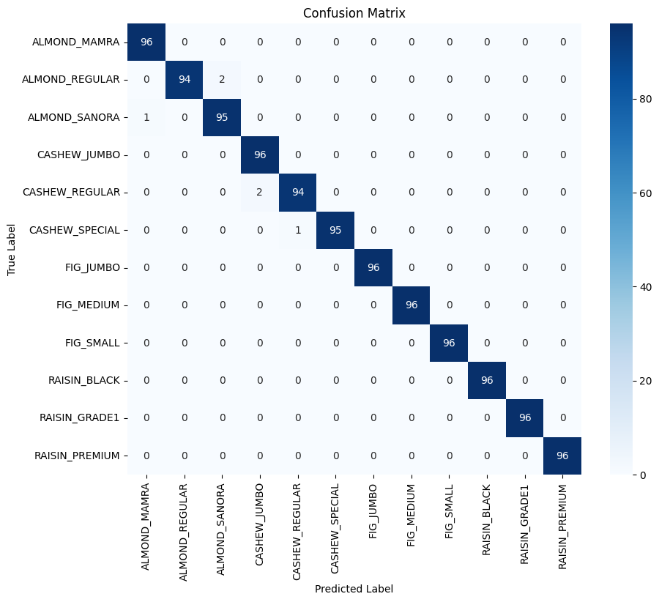
Training on: cpu
Epoch 1/50: 100%|████████████████████████████████████| 252/252 [05:32<00:00, 1.32s/it, loss=2.19]
Epoch [1/50], Loss: 2.1944, Accuracy: 38.64% | Val Loss: 1.5856, Val Accuracy: 44.53%
Best model saved with validation accuracy: 44.53% at epoch 1
Epoch 2/50: 100%|████████████████████████████████████| 252/252 [04:44<00:00, 1.13s/it, loss=1.32]
Epoch [2/50], Loss: 1.3168, Accuracy: 51.57% | Val Loss: 0.9953, Val Accuracy: 63.93%
Best model saved with validation accuracy: 63.93% at epoch 2
Epoch 3/50: 100%|███████████████████████████████████| 252/252 [04:38<00:00, 1.10s/it, loss=0.897]
Epoch [3/50], Loss: 0.8966, Accuracy: 64.38% | Val Loss: 0.6912, Val Accuracy: 68.75%
Best model saved with validation accuracy: 68.75% at epoch 3
Epoch 4/50: 100%|███████████████████████████████████| 252/252 [04:40<00:00, 1.11s/it, loss=0.711]
Epoch [4/50], Loss: 0.7107, Accuracy: 70.28% | Val Loss: 0.5578, Val Accuracy: 78.73%
Best model saved with validation accuracy: 78.73% at epoch 4
Epoch 5/50: 100%|███████████████████████████████████| 252/252 [04:39<00:00, 1.11s/it, loss=0.599]
Epoch [5/50], Loss: 0.5988, Accuracy: 76.14% | Val Loss: 0.4688, Val Accuracy: 81.08%
Best model saved with validation accuracy: 81.08% at epoch 5
Epoch 6/50: 100%|███████████████████████████████████| 252/252 [04:40<00:00, 1.11s/it, loss=0.482]
Epoch [6/50], Loss: 0.4824, Accuracy: 82.91% | Val Loss: 0.3314, Val Accuracy: 88.59%
Best model saved with validation accuracy: 88.59% at epoch 6
Epoch 7/50: 100%|███████████████████████████████████| 252/252 [04:38<00:00, 1.11s/it, loss=0.394]
Epoch [7/50], Loss: 0.3945, Accuracy: 86.22% | Val Loss: 0.2510, Val Accuracy: 92.01%
Best model saved with validation accuracy: 92.01% at epoch 7
Epoch 8/50: 100%|███████████████████████████████████| 252/252 [04:51<00:00, 1.16s/it, loss=0.315]
Epoch [8/50], Loss: 0.3150, Accuracy: 89.09% | Val Loss: 0.2058, Val Accuracy: 93.23%
Best model saved with validation accuracy: 93.23% at epoch 8
Epoch 9/50: 100%|███████████████████████████████████| 252/252 [04:37<00:00, 1.10s/it, loss=0.263]
Epoch [9/50], Loss: 0.2629, Accuracy: 91.83% | Val Loss: 0.1578, Val Accuracy: 94.88%
Best model saved with validation accuracy: 94.88% at epoch 9
Epoch 10/50: 100%|███████████████████████████████████| 252/252 [04:35<00:00, 1.09s/it, loss=0.21]
Epoch [10/50], Loss: 0.2102, Accuracy: 93.35% | Val Loss: 0.1221, Val Accuracy: 96.27%
Best model saved with validation accuracy: 96.27% at epoch 10
Epoch 11/50: 100%|██████████████████████████████████| 252/252 [04:33<00:00, 1.09s/it, loss=0.184]
Epoch [11/50], Loss: 0.1837, Accuracy: 94.20% | Val Loss: 0.1107, Val Accuracy: 96.31%
Best model saved with validation accuracy: 96.31% at epoch 11
Epoch 12/50: 100%|██████████████████████████████████| 252/252 [04:32<00:00, 1.08s/it, loss=0.154]
Epoch [12/50], Loss: 0.1539, Accuracy: 95.03% | Val Loss: 0.0809, Val Accuracy: 97.27%
Best model saved with validation accuracy: 97.27% at epoch 12
Epoch 13/50: 100%|██████████████████████████████████| 252/252 [04:34<00:00, 1.09s/it, loss=0.135]
Epoch [13/50], Loss: 0.1352, Accuracy: 95.60% | Val Loss: 0.0779, Val Accuracy: 97.40%
Best model saved with validation accuracy: 97.40% at epoch 13
Epoch 14/50: 100%|██████████████████████████████████| 252/252 [04:32<00:00, 1.08s/it, loss=0.124]
Epoch [14/50], Loss: 0.1241, Accuracy: 96.02% | Val Loss: 0.0709, Val Accuracy: 97.53%
Best model saved with validation accuracy: 97.53% at epoch 14
Epoch 15/50: 100%|██████████████████████████████████| 252/252 [04:36<00:00, 1.10s/it, loss=0.111]
Epoch [15/50], Loss: 0.1113, Accuracy: 96.50% | Val Loss: 0.0603, Val Accuracy: 98.05%
Best model saved with validation accuracy: 98.05% at epoch 15
Epoch 16/50: 100%|██████████████████████████████████| 252/252 [04:36<00:00, 1.10s/it, loss=0.104]
Epoch [16/50], Loss: 0.1044, Accuracy: 96.96% | Val Loss: 0.0512, Val Accuracy: 98.31%
Best model saved with validation accuracy: 98.31% at epoch 16
Epoch 17/50: 100%|█████████████████████████████████| 252/252 [04:37<00:00, 1.10s/it, loss=0.0971]
Epoch [17/50], Loss: 0.0971, Accuracy: 96.58% | Val Loss: 0.0462, Val Accuracy: 98.35%
Best model saved with validation accuracy: 98.35% at epoch 17
Epoch 18/50: 100%|█████████████████████████████████| 252/252 [04:35<00:00, 1.09s/it, loss=0.0793]
Epoch [18/50], Loss: 0.0793, Accuracy: 97.66% | Val Loss: 0.0471, Val Accuracy: 98.65%
Best model saved with validation accuracy: 98.65% at epoch 18
Epoch 19/50: 100%|█████████████████████████████████| 252/252 [04:35<00:00, 1.09s/it, loss=0.0792]
Epoch [19/50], Loss: 0.0792, Accuracy: 97.53% | Val Loss: 0.0372, Val Accuracy: 98.74%
Best model saved with validation accuracy: 98.74% at epoch 19
Epoch 20/50: 100%|█████████████████████████████████| 252/252 [04:34<00:00, 1.09s/it, loss=0.0741]
Epoch [20/50], Loss: 0.0741, Accuracy: 97.63% | Val Loss: 0.0382, Val Accuracy: 98.70%
Epoch 21/50: 100%|█████████████████████████████████| 252/252 [04:36<00:00, 1.10s/it, loss=0.0552]
Epoch [21/50], Loss: 0.0552, Accuracy: 98.38% | Val Loss: 0.0237, Val Accuracy: 99.31%
Best model saved with validation accuracy: 99.31% at epoch 21
Epoch 22/50: 100%|█████████████████████████████████| 252/252 [04:36<00:00, 1.10s/it, loss=0.0624]
Epoch [22/50], Loss: 0.0624, Accuracy: 98.04% | Val Loss: 0.0461, Val Accuracy: 98.65%
Epoch 23/50: 100%|█████████████████████████████████| 252/252 [04:37<00:00, 1.10s/it, loss=0.0565]
Epoch [23/50], Loss: 0.0565, Accuracy: 98.25% | Val Loss: 0.0306, Val Accuracy: 98.91%
Epoch 24/50: 100%|█████████████████████████████████| 252/252 [04:36<00:00, 1.10s/it, loss=0.0544]
Epoch [24/50], Loss: 0.0544, Accuracy: 98.29% | Val Loss: 0.0339, Val Accuracy: 98.61%
Epoch 25/50: 100%|█████████████████████████████████| 252/252 [04:38<00:00, 1.11s/it, loss=0.0524]
Epoch [25/50], Loss: 0.0524, Accuracy: 98.38% | Val Loss: 0.0242, Val Accuracy: 99.18%
Epoch 26/50: 100%|█████████████████████████████████| 252/252 [04:31<00:00, 1.08s/it, loss=0.0449]
Epoch [26/50], Loss: 0.0449, Accuracy: 98.67% | Val Loss: 0.0163, Val Accuracy: 99.65%
Best model saved with validation accuracy: 99.65% at epoch 26
Epoch 27/50: 100%|█████████████████████████████████| 252/252 [04:32<00:00, 1.08s/it, loss=0.0488]
Epoch [27/50], Loss: 0.0488, Accuracy: 98.31% | Val Loss: 0.0234, Val Accuracy: 99.26%
Epoch 28/50: 100%|█████████████████████████████████| 252/252 [04:33<00:00, 1.08s/it, loss=0.0444]
Epoch [28/50], Loss: 0.0444, Accuracy: 98.56% | Val Loss: 0.0316, Val Accuracy: 98.87%
Epoch 29/50: 100%|█████████████████████████████████| 252/252 [04:32<00:00, 1.08s/it, loss=0.0388]
Epoch [29/50], Loss: 0.0388, Accuracy: 98.64% | Val Loss: 0.0153, Val Accuracy: 99.57%
Epoch 30/50: 100%|█████████████████████████████████| 252/252 [04:31<00:00, 1.08s/it, loss=0.0416]
Epoch [30/50], Loss: 0.0416, Accuracy: 98.66% | Val Loss: 0.0199, Val Accuracy: 99.39%
Epoch 31/50: 100%|█████████████████████████████████| 252/252 [04:33<00:00, 1.09s/it, loss=0.0388]
Epoch [31/50], Loss: 0.0388, Accuracy: 98.93% | Val Loss: 0.0103, Val Accuracy: 99.70%
Best model saved with validation accuracy: 99.70% at epoch 31
Epoch 32/50: 100%|█████████████████████████████████| 252/252 [04:31<00:00, 1.08s/it, loss=0.0329]
Epoch [32/50], Loss: 0.0329, Accuracy: 98.83% | Val Loss: 0.0177, Val Accuracy: 99.31%
Epoch 33/50: 100%|█████████████████████████████████| 252/252 [04:34<00:00, 1.09s/it, loss=0.0323]
Epoch [33/50], Loss: 0.0323, Accuracy: 99.13% | Val Loss: 0.0172, Val Accuracy: 99.61%
Epoch 34/50: 100%|█████████████████████████████████| 252/252 [04:32<00:00, 1.08s/it, loss=0.0316]
Epoch [34/50], Loss: 0.0316, Accuracy: 98.91% | Val Loss: 0.0079, Val Accuracy: 99.78%
Best model saved with validation accuracy: 99.78% at epoch 34
Epoch 35/50: 100%|█████████████████████████████████| 252/252 [04:32<00:00, 1.08s/it, loss=0.0281]
Epoch [35/50], Loss: 0.0281, Accuracy: 99.14% | Val Loss: 0.0178, Val Accuracy: 99.44%
Epoch 36/50: 100%|█████████████████████████████████| 252/252 [04:32<00:00, 1.08s/it, loss=0.0327]
Epoch [36/50], Loss: 0.0327, Accuracy: 99.02% | Val Loss: 0.0259, Val Accuracy: 99.26%
Epoch 37/50: 100%|█████████████████████████████████| 252/252 [04:32<00:00, 1.08s/it, loss=0.0308]
Epoch [37/50], Loss: 0.0308, Accuracy: 99.02% | Val Loss: 0.0213, Val Accuracy: 99.39%
Epoch 38/50: 100%|█████████████████████████████████| 252/252 [04:31<00:00, 1.08s/it, loss=0.0266]
Epoch [38/50], Loss: 0.0266, Accuracy: 99.13% | Val Loss: 0.0121, Val Accuracy: 99.70%
Epoch 39/50: 100%|█████████████████████████████████| 252/252 [04:32<00:00, 1.08s/it, loss=0.0366]
Epoch [39/50], Loss: 0.0366, Accuracy: 98.87% | Val Loss: 0.0286, Val Accuracy: 99.13%
Early stopping triggered after 39 epochs!
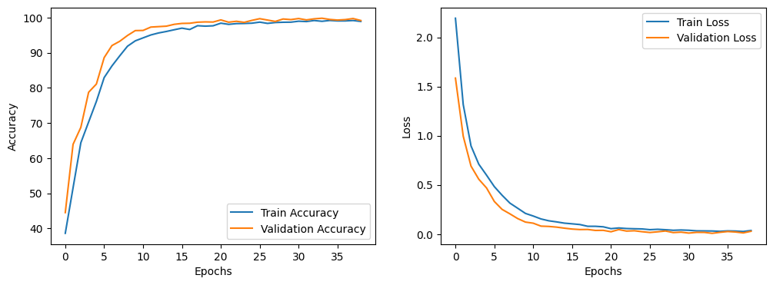

Test dataset has 1152 samples.
Testing the best model on the test set...
Test Accuracy: 99.48%
Execution Time: 20.56 seconds
99.479166667

Displaying the confusion matrix for the test set...

