Sheet1
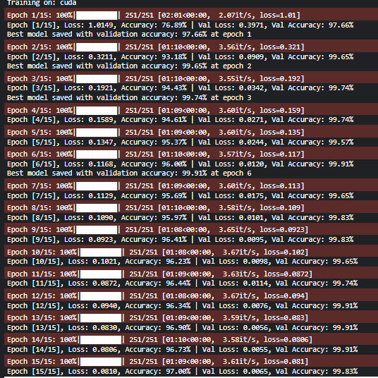
Model | ShuffleNetV2
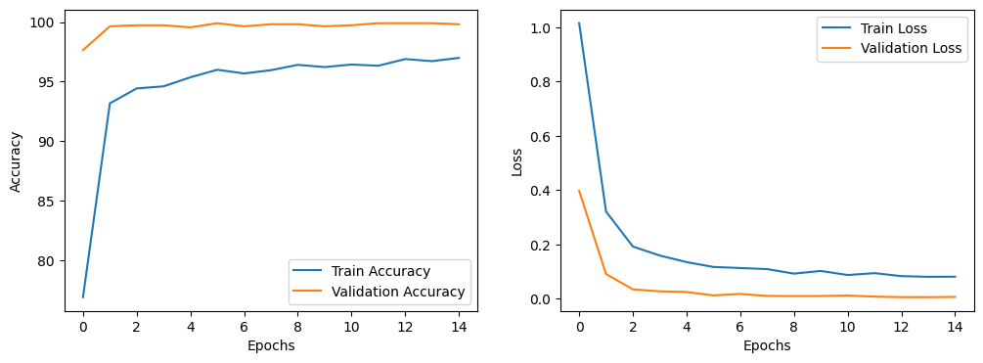
Epochs | Training | Validation | Test
1 | 76.89 | 97.66
2 | 93.18 | 99.65
3 | 94.43 | 99.74
4 | 94.61 | 99.74
5 | 95.37 | 99.57
6 | 96 | 99.91 | 99.91
7 | 95.69 | 99.65
8 | 95.97 | 99.83
9 | 96.41 | 99.83
10 | 96.23 | 99.65
11 | 96.44 | 99.74
12 | 96.34 | 99.91
13 | 96.9 | 99.91
14 | 96.73 | 99.91
15 | 97 | 99.83

