Sheet1
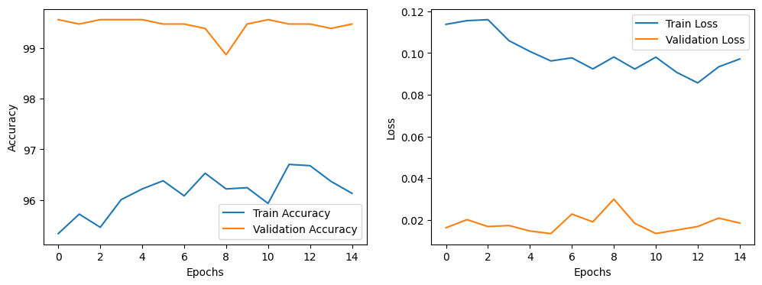
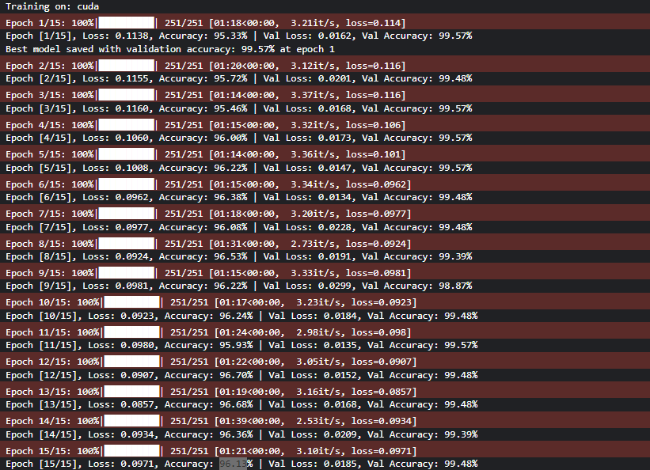
Model | SqueezeNet

Epochs | Training | Validation | Test
1 | 95.33 | 99.57 | 99.44
2 | 95.72 | 99.48
3 | 95.46 | 99.57
4 | 96 | 99.57
5 | 96.22 | 99.57
6 | 96.38 | 99.48
7 | 96.08 | 99.48
8 | 96.53 | 99.39
9 | 96.22 | 98.87
10 | 96.24 | 99.48
11 | 95.93 | 99.57
12 | 96.7 | 99.48
13 | 96.68 | 99.48
14 | 96.36 | 99.39
15 | 96.13 | 99.48

