Requirements
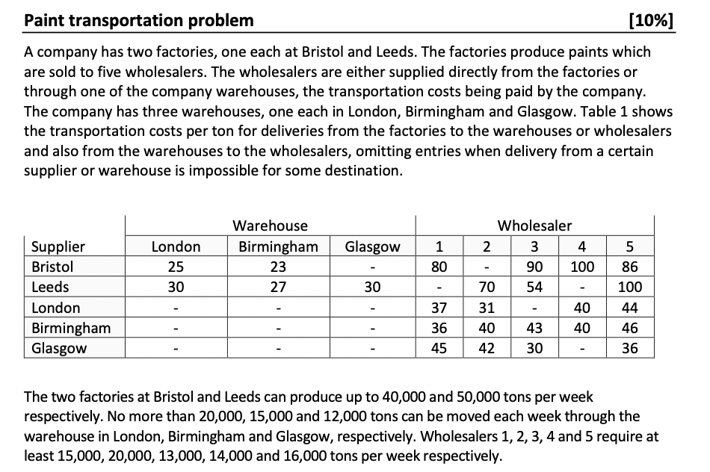

Model 2
Costs | Warehouses |  |  | Wholesalers
Suppliers | London | Birmingham | Glasgow | 1 | 2 | 3 | 4 | 5
Bristol | 25 | 23 |  | 80 |  | 90 | 100 | 86 |  | Model
Leeds | 30 | 27 | 30 |  | 70 | 54 |  | 100
London |  |  |  | 37 | 31 |  | 40 | 44 |  | Objective Function |  |  |  | Difference to Original Model
Birmingham |  |  |  | 36 | 40 | 43 | 40 | 46 |  |  |  | Transportation Costs
Glasgow |  |  |  | 45 | 42 | 30 |  | 36 |  | Minimise: |  | £5,185,000 |  |  | £248,000

 |  |  |  |  |  |  |  |  |  | Revenue from Selling Spare Birmingham Capacity in 1,000's
DV's | London | Birmingham | Glasgow | 1 | 2 | 3 | 4 | 5 | Totals |  |  |  |  | Binary Variables for Warehouses
Bristol | 20000 | 4000 | 0 | 0 | 0 | 0 | 0 | 16000 | 40000 | Birmingham Capacity Sold: | 6 | = | 6 | London | Birningham | Glasgow
Leeds | 0 | 5000 | 0 | 0 | 20000 | 13000 | 0 | 0 | 38000 | Revenue Gained: | 126000 |  |  | 1 | 1 | 0
London | 0 | 0 | 0 | 6000 | 0 | 0 | 14000 | 0 | 20000
Answer:
Closing Glasgow is most optimal should they wish to close a warehouse. If they do sell Glasgow they would be able to sell 6,000 units of capacity from the Birmingham warehouse from which the company would benefit from £126k in additional revenue (which is taken off the transport costs).
This model is £248k more expensive than the last model where the company had all three warehouses. The question here is 'what are the savings RE closing the Glasgow warehouse?' in terms of rent, staff, energy bills and other overheads. If it is greater than £248k, then closing the Glasgow warehouse is optimal. If the savings are less than £248k then the results of Model 1 are more opti,al with all three warehouses open.
Birmingham | 0 | 0 | 0 | 9000 | 0 | 0 | 0 | 0 | 9000 | Constraints
Glasgow | 0 | 0 | 0 | 0 | 0 | 0 | 0 | 0 | 0 | Only keep two warehouses | 2 | = | 2
 |  |  |  |  |  |  |  |  |  | Keep London Warehouse? | 40000 | <= | 1000000
 |  |  |  |  |  |  |  |  |  | Keep Birmingham Warehouse? | 18000 | <= | 1000000
Cost Breakdown | London | Birmingham | Glasgow | 1 | 2 | 3 | 4 | 5 | Totals | Keep Glasgow Warehouse? | 0 | <= | 0
Bristol | £500,000 | £92,000 | £0 | £0 | £0 | £0 | £0 | £1,376,000 | £1,968,000 | Leeds Capacity | 38000 | <= | 50000
Leeds | £0 | £135,000 | £0 | £0 | £1,400,000 | £702,000 | £0 | £0 | £2,237,000 | Bristol Capacity | 40000 | <= | 40000
London | £0 | £0 | £0 | £222,000 | £0 | £0 | £560,000 | £0 | £782,000 | London Capacity | 20000 | <= | 20000
Birmingham | £0 | £0 | £0 | £324,000 | £0 | £0 | £0 | £0 | £324,000 | Birmingham Capacity | 9000 | <= | 15000
Glasgow | £0 | £0 | £0 | £0 | £0 | £0 | £0 | £0 | £0 | Glasgow Capacity | 0 | <= | 12000
 |  |  |  |  |  |  |  |  |  | London In=Out | 20000 | = | 20000
 |  |  |  |  |  |  |  |  |  | Birmingham In=Out | 9000 | = | 9000
 |  |  |  |  |  |  |  |  |  | Glasgow In=Out | 0 | = | 0
 |  |  |  |  |  |  |  |  |  | 1 Demand | 15000 | >= | 15000
 |  |  |  |  |  |  |  |  |  | 2 Demand | 20000 | >= | 20000
 |  |  |  |  |  |  |  |  |  | 3 Demand | 13000 | >= | 13000
 |  |  |  |  |  |  |  |  |  | 4 Demand | 14000 | >= | 14000
 |  |  |  |  |  |  |  |  |  | 5 Demand | 16000 | >= | 16000
 |  |  |  |  |  |  |  |  |  | Undelivarable Routes | 0 | = | 0

