Resume
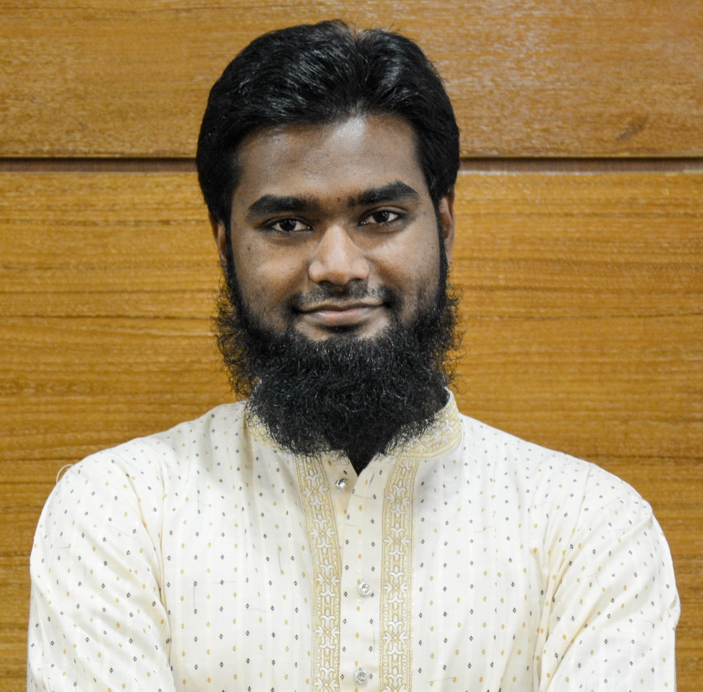
TALHA TASNIM

Address | 213, Sirajuddin Sarker Road, | Mobile No | 01612120437
 | Dattapara, Tongi, Gazipur, 1712 | e-mail | talha.tasnim@gmail.com
LinkedIn |  | Passport
Website
Marital Status | Married | Offsprings | Two Daughters
Expected Salary | 70,000 BDT | NID | 1012929277
Career Summary
Career Objective |  |  | Special Qualification * Work well under pressure as part of a team * Well-groomed appearance * Polite, respectful, and courteous manner * Responsible, efficient and flexible * Ability to work in a fast-paced, intense environment smoothly * Ability to elicit confidence
Seeking a career path where learning, technical intervention and innovation will be a priority
Preferred Departments
Monitoring and Evaluation, Research and Development
Professional Profile
Have experience on working for Seven organizations including INGO, For Profit, CO-opeative & Consulting Firm

Experience 4 years 7 Months Relevent 3 years 5 Months
Officer, Monitoring & Evaluation
October 6, 2019 - Continuing (1 year, 8 months) |  |  | Duties/Responsibilities
BRAC |  |  | Monitoring (Regular) - Infrastructure Implementation, Savings Community Awareness, Integrated Services & Livelihoods
Location | Mymensingh
Department | Urban Development Program |  | Monitoring (Real-Time) - Data flow maintenance into Taroworks and Salesforce Platform, Creating and maintaining special databse for field level, Field Level input to central MIS
Project | Engazing Multi-sectoral Partners for
 | Creating Opportunities, Improving Wellbeing and
 | Realising Rights of the Urban Poor |  | Evaluation &/ Validation - Survey Design, Questionnaire Preparation, Interviews, FGD, Ccrosschecking data inputs, Preparing Research paper, GIS Maps
Accomplishments
1. Managed socio-economic dataset of 30,000 people (7,000) family on real time monitoring platforms like salesforce, goole forms, sheets
 |  |  | Reporting - Event, Quarterly, Bi-annual reports, preparing case stories
2. Enabled office & field staffs of using updated tools & technology while working for programme support.
 |  |  | Programme Support - Workshop, Meeting, Budget Management, List Preparation,
3. Prepared 33 reports of 10 types for the region along with survey, research, case stories, web development & edited videos
 |  |  | Training - Community & Programme Organizers on Survey Data Collection

Communications Manager
January 1 - September 30, 2019 (9 Months) |  | Duties/Responsibilities
Shorobor |  | 1. Communication with UN WFP, UNICEF & USAID team to manage project activity
Location |  | 2. Managing short time projects in 5 out of 64 districts inside Bangladesh
3/6 Humayun Road, Mohammadpur, Dhaka |  | 3. Preparing & Reviewing project proposals and training modules for training
Department | UN Business Wing | 4. Managing 3 Shop operation with consisting 50 people following UN Standard

Advance Intern & Inten
March 1, 2018 - June 30, 2018 (4 Months) |  | Responsibilities
November 1, 2016 - June 30, 2017 (8 Months) |  | Surveing - Questionnaire preparation & survey, conducting FGD, KII
International Federation of |  | Analyzing - Survey Data, Preparing Research paper, GIS Maps
Red Cross and Red Crescent Societies |  | Reporting - Event, Quarterly, Bi-annual reports, preparing case stories
Location | 684-686 Red Crescent Sarak, Bara Magbazar, Dhaka | Facilitation - Workshop, Meeting, Conferences, Camps, Project midline & endline
 |  | Training - Community Organizers and RCY on Survey Data Collection
Programme | CDI II WASH | Translating - Regular English to Bengali translation with a special one as consultent WASH Guideline Hygiene Promotion in Emmergenciyes

 |  | Participation - Joining regular learning workshops within and outside organization
 |  | Field Visits - Regualr Field Vistis to Gopalganj and Rangpur

Monitoring & Evaluation Officer |  | GIS Assistant |  | Intern
July 1 - November 30, 2018 (5 Months) |  | 01.7. 2017 - 28.2.2018 (8 Months) |  | September 28 - October 22, 2016 (1 Month)
SEMAC Bangladesh |  | NRECA International |  | Rajdhani Unnayan Kartripakkha (RAJUK)
Location | Badda Link Road, Dhaka | Location | Rd No 99, | Department | Planning
Department | STPUWC Saint Martin Island | Gulshan 2, Dhaka 1212
Project | Sewerage Treatment Plant and | Department | GIS
 | Under Water Cleaning at | Project | Uganda REA
 | Saint Martin |  | Master Plan

Academic Qualification
Degree | Major |  | Institute | Result | Pas.Year | Duration
Master of Social Science (MSS) | International Relations |  | University of Dhaka | Appeared | 2020 | 2 years
Bachelor of Urban and Rural Planning | Geographic Information System, Transportation Planning, Urban Planning, Environmental Planning |  | Khulna University | First Class, CGPA - 3.28 | 2016 | Four Years

Publication
Type | Title |  | Published on | Published by
Research Article | Children's Understanding and Aspirations on Built Environment: A Case Study on Khulna City of Bangladesh |  | 2021 | Megaron Journal (YILDIZ TECHNICAL UNIVERSITY FACULTY OF ARCHITECTURE E-JOURNAL)
Conference Paper | Practices and effects of menstrual hygiene management in rural Bangladesh |  | 2017 | 40th WEDC International Conference, Loughborough, UK, 2017
Book | Case Studies: CDI2WASH Program |  | 2018 | BDRCS Community Development Department
* Same Case Stories were pulished in IFRC & CS WASH (ARC) Websites

Training Summary
Training Title |  | Institute |  | Location | Year | Duration
Foundations of Project Management |  | Google |  | Coursera | 2021 | 4 Weeks
Feminism and Social Justice |  | University of California, Santa Crouse |  | Coursera | 2020 | 4 Weeks
Introduction to Data Science |  | IBM |  | edx | 2021 | 4 Weeks
Qualitative Research Methods and Qualitative Data Analysis with NVivo |  | Social Science Research Council & Khulna University |  | Online | 2021 | 8 Weeks
 |  | UN WFP |  | Cox's Bazar | 2020 | 2 Days
Environmental Impact Assessment (EIA):A Primer |  | Bangladesh Institute of Planners |  | Planners Tower, Dhaka | 2018 | 2 Days
Introduction to Monitoring & Evaluation |  | International Federation of Red Cross and Red Crescent Societies |  | Online | 2017 | 1 Day
Project/ Program Planning (PPP) |  |  |  |  | 2017 | 1 Day

Skills
Software Skills |  |  | Areas of Expertise
GIS | ArcGIS10.X, ARCGIS PRO, QGIS |  | 1. Urban Planning, Spatial Data Analysis, Geodatabase Management
WebGIS | GOOGLE MAPS API, ArcGIS Online, OSM |  | 2. Research and Case Story Preparation
Programming | R, Python |  | 3. Monitoring Evaluation Reporting and Documentation
Remote Sensing | ERDAS IMAGINE |  | 4. Online-Offline Map Preparation
Statistical Analysis | SPSS, MS EXCEL, Google Sheet |  | 5. Data Management, Analysis and Presentation
Online Survey Tool | KOBO, ODK, Google Forms, Salesforce, Taroworks |  | Language Proficiency
General | MS Office, Google Tools |  | Bangla | English | Arabic | Turkish
Design & Editing | Adobe Illustrator, Indesign, Premier Pro |  | Native | IELTS 7.0 | Basic | Basic

Reference (s)
Reference 01 |  |  | Reference 02
Name | S. M. Mehedi Ahsan |  | Mohammad Ishtiuq Hossain
Organization | KfW Development Bank |  | GIZ Bangladesh
Designation | Senior Urban Resilience Specialist |  | Senior Advisor (Climate Policy)
Address | Bangladesh Office 8th floor, House 50, Road 23 Banani, Dhaka |  | PO Box 6091, Gulshan 1 Dhaka 1212, Bangladesh
Mobile | 01612546283 |  | 01726260696
E-Mail | Mehedi.Ahsan@kfw.de |  | ishtiuq.hossain@gmail.com
Relation | Professional |  | Professional

