Dashboard
 |  | Paris Airbnb Market Dashboard
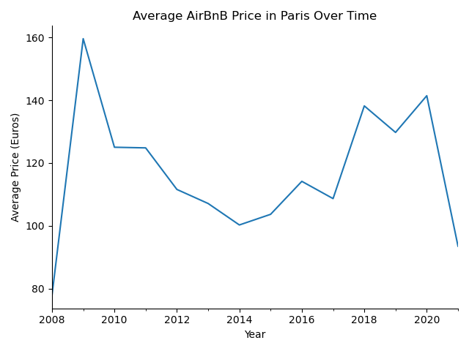
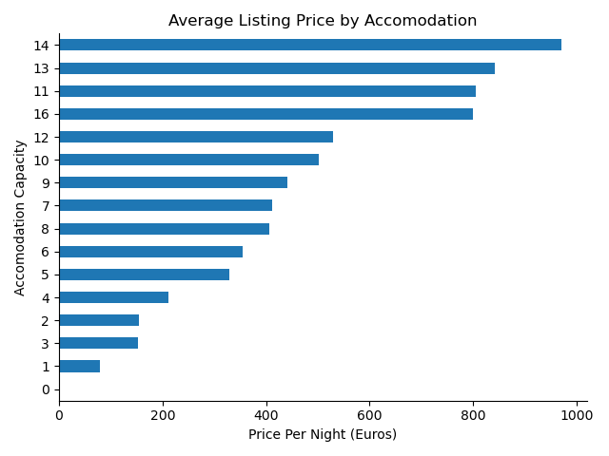

Metric | Value
Total Listings | 64657
Average Price | 113.1
Most Expensive Area | Elysee
Cheapest Area | Menilmontant
Total Unique Hosts | 3854
Average Accommodates | 3

5 Most Expensive Neighbourhoods | Avg Price (Euros)
Elysee | 210.54
Louvre | 175.38
Passy | 161.19
Palais-Bourbon | 156.89
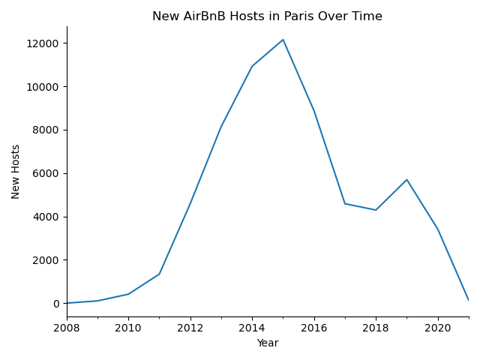
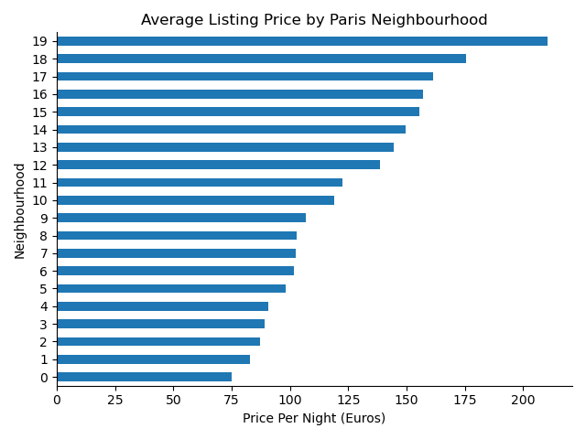
Luxembourg | 155.64

5 Most Affordable Neighbourhoods | Avg Price (Euros)
Menilmontant | 74.91
Buttes-Chaumont | 82.69
Buttes-Montmartre | 87.22
Reuilly | 89.06
Popincourt | 90.52

