Sheet1
Create a Java Spring Boot Application and share the source code as github link
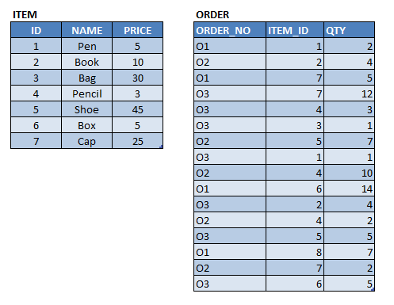

 |  | I normalized this table because it has a Many to Many relation

Note
1. Use H2 DB
2. Use proper table relation
3. Add proper exception handler
4. Add mandatory field validation
Create Spring Boot Application that provides the following endpoints:
1 | Endpoint for ITEM
 | Get
 | Listing with pagination
 | Save
 | Edit
 | Delete
2 | Endpoint for ORDER
 | Get
 | Listing with pagination
 | Save
 | Edit
 | Delete

