Sheet1
 | Project name | walmart |  |  |  |  |  |  |  |  | Pass
 | UI name | Login or sign up section |  |  |  |  |  |  |  |  | Fail
 | SQA Eng. Name | Rafiqul Islam |  |  |  |  |  |  |  |  | Not execute
 | Date | 15-May-23 |  |  |  |  |  |  |  |  | Out of scope
 | Recheck by |  |  |  |  |  |  |  |  |  | Total
 | Date

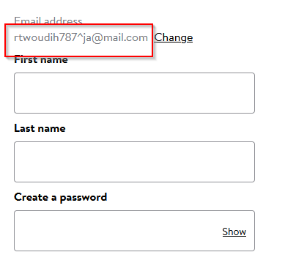
#SL | Module | Type of Testing | Features | Test Cases Description | Test Data | Test Steps | Exepected Result | Actual Result | Bug Screen Shot | Dev Comments | Final Status | Remarks
TC-001 | Sign up | Functional Testing | register | verify email field with invalid email address | 1.https://www.walmart.com/ | 1.Go to the URL | user would not able to register | But user can able to register |  |  | Fail
 |  |  |  |  | 2. rtwoudih787^ja@mail.com | 2.Click on signin
 |  |  |  |  |  | 3.Click on create account
 |  |  |  |  |  | 4.Input this email id= rtwoudih787^ja@mail.com
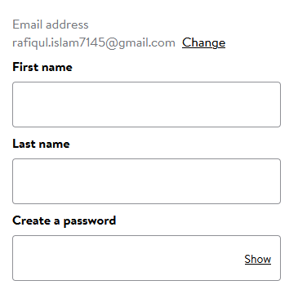
 |  |  |  |  |  | 5.Click on continue
TC-002 | Sign up | Functional Testing | register | verify email field valid email address | 1.https://www.walmart.com/ | 1.Go to the URL | user would able to register | as expected |  |  | Pass
 |  |  |  |  | 2.rafiqul.islam7145@gmail.com | 2.Click on signin
 |  |  |  |  |  | 3.Click on signin or create account
 |  |  |  |  |  | 4.Input this email id= rafiqul.islam7145@gmail.com
 |  |  |  |  |  | 5.Click on continue
TC-003 | Sign up | Functional Testing | register | verify user can not blank email filed | email= | repeat 1-3 | user would not able to register | as expected | 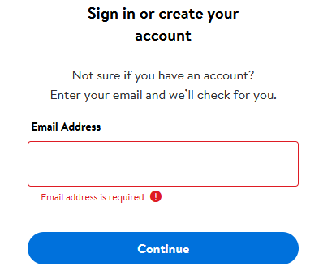 |  | pass
 |  |  |  |  |  | keep email filed empty
 |  |  |  |  |  | Insert password=1234567@aS
TC-004 | Sign up | Functional Testing | register | Verify User Can Input Firstname properly without any exceptions | First name=catherine | repeat 1-3 | user name take without any exception | as expected | 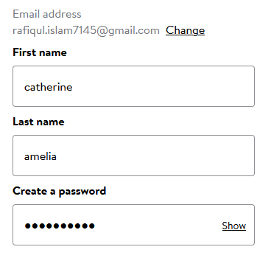 |  | Pass
 |  |  |  |  |  | Insert character in name filed
 |  |  |  |  |  | Insert password=1234567@aS
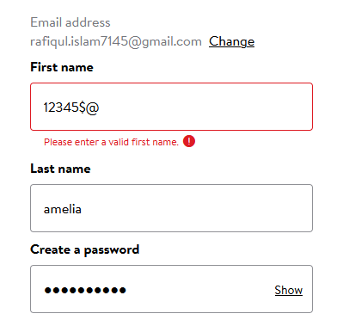
TC-005 | Sign up | Functional Testing | register | Verify User Cann't Input digit or speacial charecter only in the field of Firstname | First name=12345$@ | repeat 1-3 | should not able to keep only digit and special character | as expected |  |  | Pass
 |  |  |  |  |  | Insert 12345$@ in name filed
 |  |  |  |  |  | Insert password=1234567@aS
TC-006 | Sign up | Functional Testing | register | Verify User Can not keep blank the field of Firstname | First name= | repeat 1-3 | should not able to keep blank | as expected | 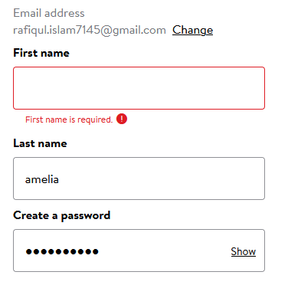 |  | Pass
 |  |  |  |  |  | Insert nothing in name filed
 |  |  |  |  |  | Insert password=1234567@aS
TC-007 | Sign up | Functional Testing | register | Verify User Can Input Lastname properly without any exceptions | Last name=amelia | repeat 1-3 | user name take without any exception | as expected |  |  | Pass
 |  |  |  |  |  | Insert amelia in name filed
 |  |  |  |  |  | Insert password=1234567@aS
TC-008 | Sign up | Functional Testing | register | Verify User Cann't Input digit or speacial charecter only in the field of Lastname | Last name=12345$@ | repeat 1-3 | should not able to keep only digit and special character | as expected | 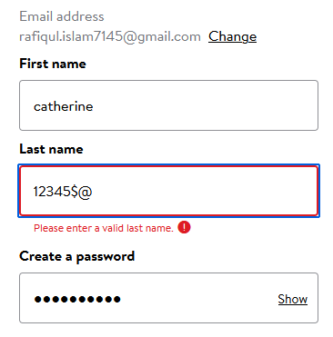 |  | Pass
 |  |  |  |  |  | Insert 12345$@ in name filed
 |  |  |  |  |  | Insert password=1234567@aS
TC-009 | Sign up | Functional Testing | register | Verify User Can not keep blank the field of Lastname | last name= | repeat 1-3 | should not able to keep blank | as expected | 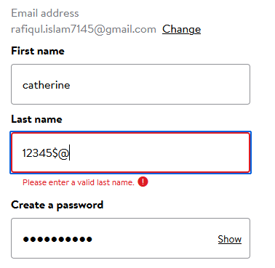 |  | Pass
 |  |  |  |  |  | Insert nothing in name filed
 |  |  |  |  |  | Insert password=1234567@aS
TC-010 | Sign up | Functional Testing | register | Verify the email id filed With Missing @ sign and domain | rafiqul.islam7145gmail.com | repeat 1-3 | Should not able to register keep email without @ sign and domain as well | as expected | 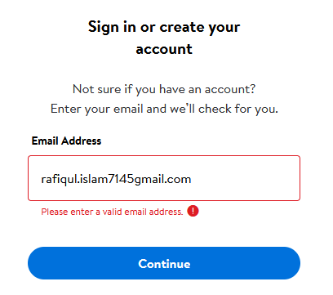 |  | Pass
 |  |  |  |  |  | Insert rafiqul.islam7145gmail.com in the email filed

TC-011 | Sign up | Functional Testing | register | Verify the error message should display for an invalid and already registered email address. | rafiqul.islam7145@gmail.com | repeat 1-3 | for registered user there is no different section only for login and password section to enter | not as expected | 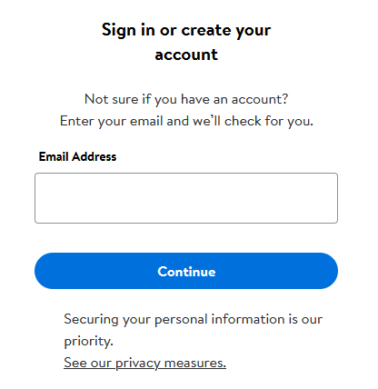 |  | fail | should include a differect login section for registered user
 |  |  |  |  |  | Insert rafiqul.islam7145@gmail.com in the email filed
TC-012 | Sign up | Functional Testing | register | Verify user cann't set password lessthan 8 character also without lowercase and uppercase letters and at least one number. | Password="1234567" | repeat 1-3 | should not able to crteate password | as expected | 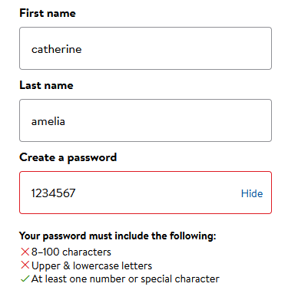 |  | pass
 |  |  |  |  |  | Insert Password="1234567"password filed
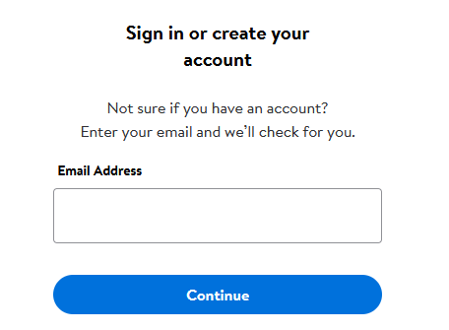
TC-013 | Sign up | non functional | register | verify in email addres field there is placeholder |  | 1.Go to the URL | should able to see placeholder with example | there is no placeholder |  |  | Fail
 |  |  |  |  |  | 2.Click on signin
 |  |  |  |  |  | 3.Click on create account

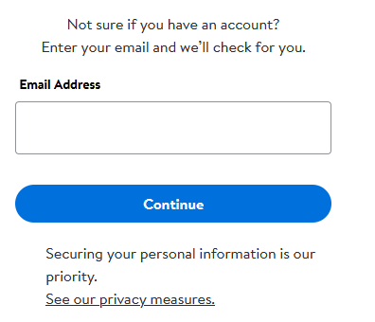
TC-014 | Sign up | functional | register | check there is confirm email filed |  | 1.Go to the URL | should have confirm email field | there is no confirm email field |  |  | Fail
 |  |  |  |  |  | 2.Click on signin
 |  |  |  |  |  | 3.Click on create account

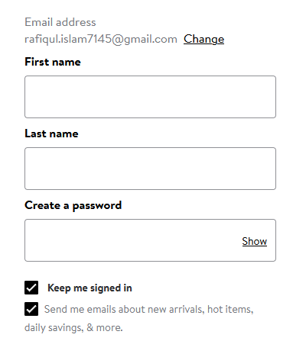
TC-015 | Sign up | functional | register | check there is confirm password filed |  | 1.Go to the URL | there should have confirm password field | there is no confirm password field |  |  | Fail
 |  |  |  |  |  | 2.Click on signin
 |  |  |  |  |  | 3.Click on create account

TC-016 | Sign up | functional | register | Verify user cann't copy password from password field. |  | 1.Go to the URL | can't be copied | as expected |  |  | Pass
 |  |  |  |  |  | 2.Click on signin
 |  |  |  |  |  | 3.Click on create account

TC-017 | Sign up | functional | register | verify user cant set password more than 20 characters | Password=dhrt#DF45896712536478KLIU | 1.Go to the URL | cant set password more than 20 character | not as expected | 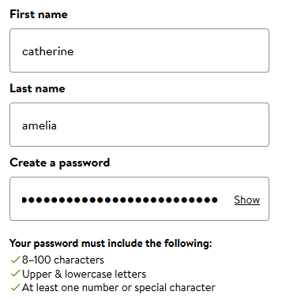 |  | Fail
 |  |  |  |  |  | 2.Click on signin
 |  |  |  |  |  | 3.Click on create account
 |  |  |  |  |  | 4.Fill up user name and password

TC-018 | Sign up | functional | register | verify wrong password alert when enter wrong password | Password=dhrt#DF45896712536478KLIw | 1.Go to the URL |  |  | 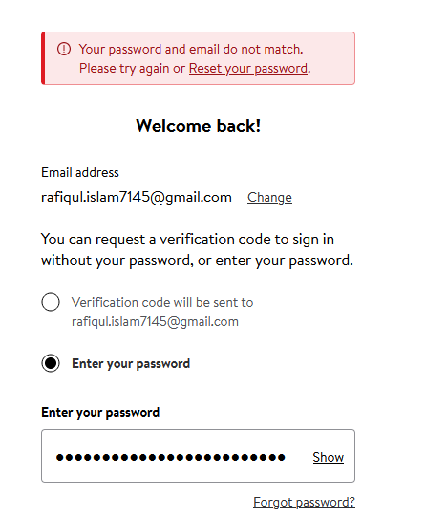 |  | Pass
 |  |  |  |  |  | 2.Click on signin
 |  |  |  |  |  | 3.enter email address
 |  |  |  |  |  | 4.enter password

TC-019 | Sign up | functional | register | verify there should be a date of birth section |  | 1.Go to the URL | should have a date of birth section | no option found |  |  | fail
 |  |  |  |  |  | 2.Click on signin
 |  |  |  |  |  | 3.enter email address

TC-020 | Sign up | functional | register | verify there should be a gender section |  | 1.Go to the URL | should have a gender section | no option found |  |  | fail
 |  |  |  |  |  | 2.Click on signin
 |  |  |  |  |  | 3.enter email address

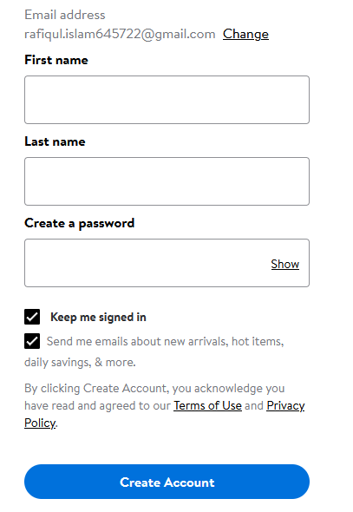
TC-021 | Sign up | functional | register | verify there is a security option to check user is human |  | 1.Go to the URL | should have security option | as not expected |  |  | fail
 |  |  |  |  |  | 2.Click on signin
 |  |  |  |  |  | 3.enter email address

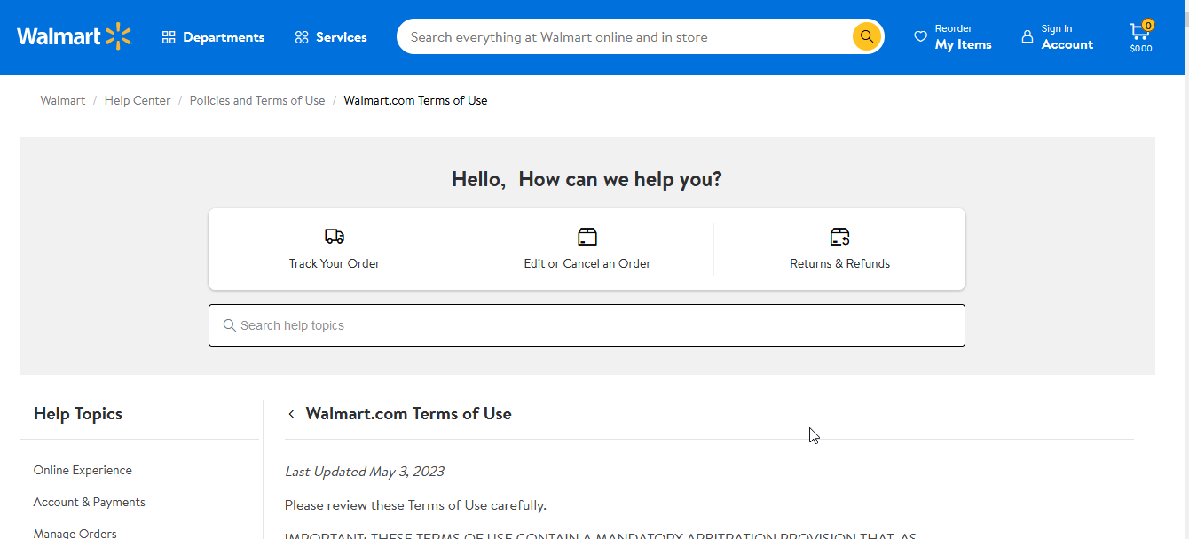
TC-022 | Sign up | functional | register | verify terms and condition button working by click |  | 1.Go to the URL | should work when click | as expected |  |  | Pass
 |  |  |  |  |  | 2.Click on signin
 |  |  |  |  |  | 3.enter email address

TC-023 | Sign up | functional | register | verify terms and condition checkbox can not keep blank |  | 1.Go to the URL | should not register without checkbox keep blank | not as expected | 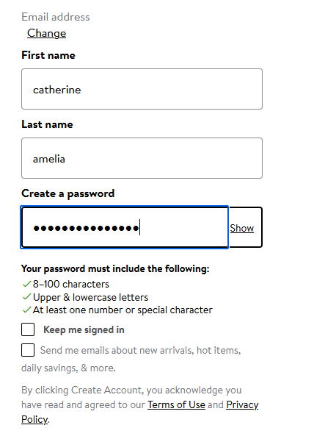 |  | Pass | iI should be fix if user uncheck terms and condition.
 |  |  |  |  |  | 2.Click on signin
 |  |  |  |  |  | 3.enter email address
 |  |  |  |  |  | 4.fillup user name and password

TC-024 | Sign up | functional | register | verify create account button working fine |  | 1.Go to the URL | should clickble and working fine | as expected |  |  | Pass
 |  |  |  |  |  | 2.Click on signin
 |  |  |  |  |  | 3.enter email address
 |  |  |  |  |  | 4.fillup user name and password
 |  |  |  |  |  | 5.click create account

TC-025 | Sign up | functional | register | verify it that the link of this is working properly |  | 1.go to any search engine | should take you from search engine to website | as expected |  |  | Pass
 |  |  |  |  |  | 2.type domain name
 |  |  |  |  |  | 3.click the URL
 |  |  |  |  |  | 4.go to home page

TC-026 | Sign up | functional | register | verify after open registration page the cursor remain in username textbox |  | 1.Go to the URL | should remain the cursor in username textbox | not as expected | 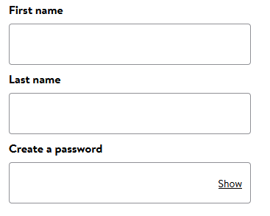 |  | Pass
 |  |  |  |  |  | 2.Click on signin

TC-027 | Sign up | functional | register | verify a user cann't input in login field more than 3 attempts |  | 1.Go to the URL | should display error messge you can not try more than 3 time at once | not as expected |  |  | fail | should include a different page for just login
 |  |  |  |  |  | 2.Click on signin
 |  |  |  |  |  | 3.fill up username and password and click login button.
 |  |  |  |  |  | 4.do above step 3 times

TC-028 | Signup | NON functional | resister | Verify the alignment of displayed elements on the login screen should be compatible in cross browsers testing |  | open firefox,google crome,opera and search the url. | the alignment of displayed elements on the login screen should be open similar in all browser | as expected |  |  | pass
 |  |  |  |  |  | 2.Click on the page link
 |  |  |  |  |  | 3.click on signup or create account button

