Test case
 | Project name | walmart |  |  |  |  |  |  |  |  | Pass
 | UI name | Login or sign up section |  |  |  |  |  |  |  |  | Fail
 | SQA Eng. Name | Rafiqul Islam |  |  |  |  |  |  |  |  | Not execute
 | Date | 15-Sep-23 |  |  |  |  |  |  |  |  | Out of scope
 | Recheck by | Ehsanul Alam |  |  |  |  |  |  |  |  | Total
 | Date

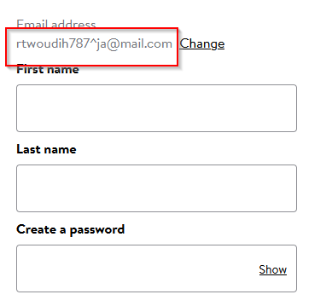
#SL | Module | Type of Testing | Features | Test Cases Description | Test Data | Test Steps | Exepected Result | Actual Result | Bug Screen Shot | Dev Comments | Final Status | Remarks
TC-001 | Sign up | Functional Testing | register | verify email field with invalid email address | 1.https://www.walmart.com/ | 1.Go to the URL | user would not able to register | But user can able to register |  |  | Fail
 |  |  |  |  | 2. rtwoudih787^ja@mail.com | 2.Click on signin
 |  |  |  |  |  | 3.Click on create account
 |  |  |  |  |  | 4.Input this email id= rtwoudih787^ja@mail.com
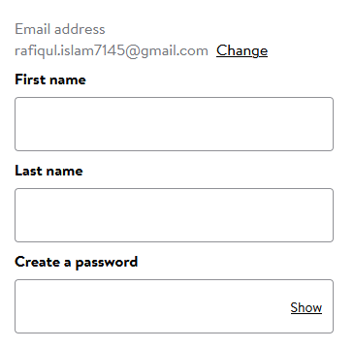
 |  |  |  |  |  | 5.Click on continue
TC-002 | Sign up | Functional Testing | register | verify email field valid email address | 1.https://www.walmart.com/ | 1.Go to the URL | user would able to register | as expected |  |  | Pass
 |  |  |  |  | 2.rafiqul.islam7145@gmail.com | 2.Click on signin
 |  |  |  |  |  | 3.Click on signin or create account
 |  |  |  |  |  | 4.Input this email id= rafiqul.islam7145@gmail.com
 |  |  |  |  |  | 5.Click on continue
TC-003 | Sign up | Functional Testing | register | verify user can not blank email filed | email= | repeat 1-3 | user would not able to register | as expected | 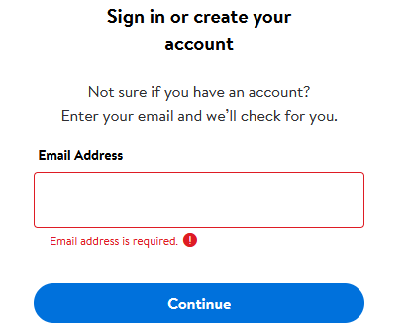 |  | pass
 |  |  |  |  |  | keep email filed empty
 |  |  |  |  |  | Insert password=1234567@aS
TC-004 | Sign up | Functional Testing | register | Verify User Can Input Firstname properly without any exceptions | First name=catherine | repeat 1-3 | user name take without any exception | as expected | 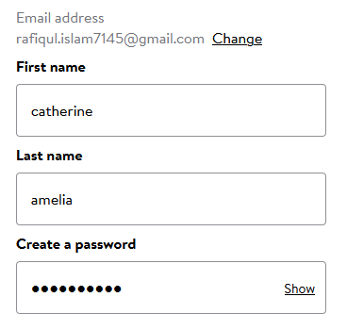 |  | Pass
 |  |  |  |  |  | Insert character in name filed
 |  |  |  |  |  | Insert password=1234567@aS
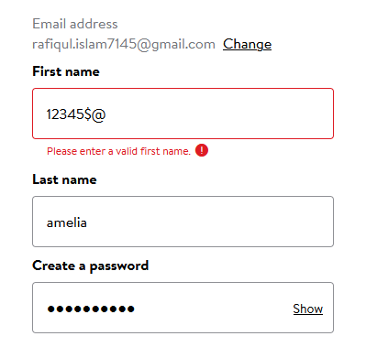
TC-005 | Sign up | Functional Testing | register | Verify User Cann't Input digit or speacial charecter only in the field of Firstname | First name=12345$@ | repeat 1-3 | should not able to keep only digit and special character | as expected |  |  | Pass
 |  |  |  |  |  | Insert 12345$@ in name filed
 |  |  |  |  |  | Insert password=1234567@aS
TC-006 | Sign up | Functional Testing | register | Verify User Can not keep blank the field of Firstname | First name= | repeat 1-3 | should not able to keep blank | as expected | 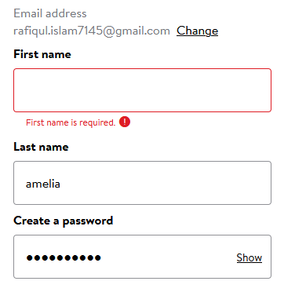 |  | Pass
 |  |  |  |  |  | Insert nothing in name filed
 |  |  |  |  |  | Insert password=1234567@aS
TC-007 | Sign up | Functional Testing | register | Verify User Can Input Lastname properly without any exceptions | Last name=amelia | repeat 1-3 | user name take without any exception | as expected |  |  | Pass
 |  |  |  |  |  | Insert amelia in name filed
 |  |  |  |  |  | Insert password=1234567@aS
TC-008 | Sign up | Functional Testing | register | Verify User Cann't Input digit or speacial charecter only in the field of Lastname | Last name=12345$@ | repeat 1-3 | should not able to keep only digit and special character | as expected | 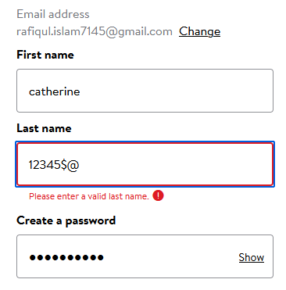 |  | Pass
 |  |  |  |  |  | Insert 12345$@ in name filed
 |  |  |  |  |  | Insert password=1234567@aS
TC-009 | Sign up | Functional Testing | register | Verify User Can not keep blank the field of Lastname | last name= | repeat 1-3 | should not able to keep blank | as expected | 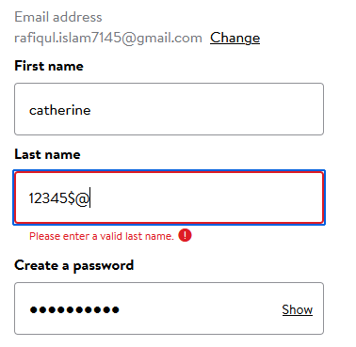 |  | Pass
 |  |  |  |  |  | Insert nothing in name filed
 |  |  |  |  |  | Insert password=1234567@aS
TC-010 | Sign up | Functional Testing | register | Verify the email id filed With Missing @ sign and domain | rafiqul.islam7145gmail.com | repeat 1-3 | Should not able to register keep email without @ sign and domain as well | as expected | 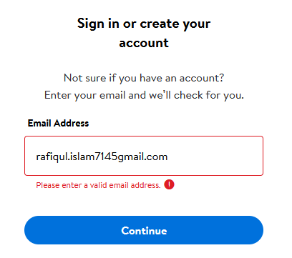 |  | Pass
 |  |  |  |  |  | Insert rafiqul.islam7145gmail.com in the email filed

TC-011 | Sign up | Functional Testing | register | Verify the error message should display for an invalid and already registered email address. | rafiqul.islam7145@gmail.com | repeat 1-3 | for registered user there is no different section only for login and password section to enter | not as expected | 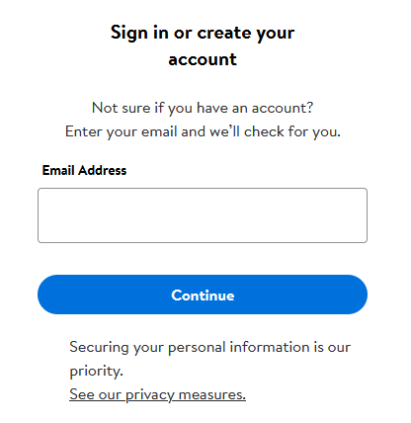 |  | fail | should include a differect login section for registered user
 |  |  |  |  |  | Insert rafiqul.islam7145@gmail.com in the email filed
TC-012 | Sign up | Functional Testing | register | Verify user cann't set password lessthan 8 character also without lowercase and uppercase letters and at least one number. | Password="1234567" | repeat 1-3 | should not able to crteate password | as expected | 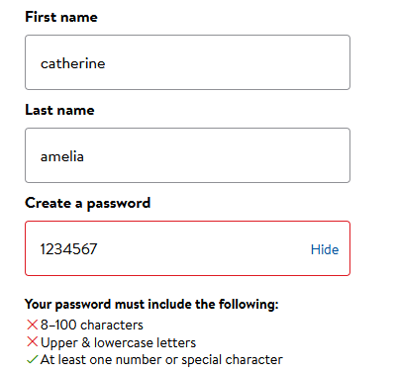 |  | pass
 |  |  |  |  |  | Insert Password="1234567"password filed
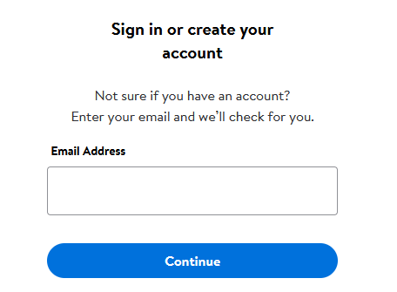
TC-013 | Sign up | non functional | register | verify in email addres field there is placeholder |  | 1.Go to the URL | should able to see placeholder with example | there is no placeholder |  |  | Fail
 |  |  |  |  |  | 2.Click on signin
 |  |  |  |  |  | 3.Click on create account

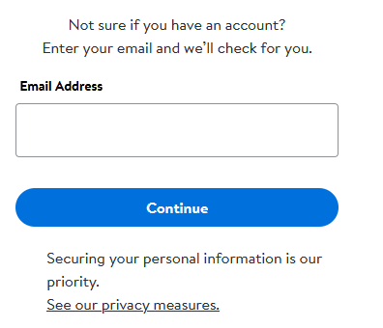
TC-014 | Sign up | functional | register | check there is confirm email filed |  | 1.Go to the URL | should have confirm email field | there is no confirm email field |  |  | Fail
 |  |  |  |  |  | 2.Click on signin
 |  |  |  |  |  | 3.Click on create account

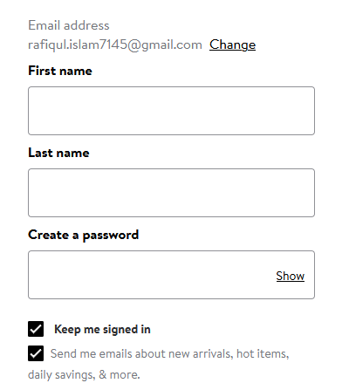
TC-015 | Sign up | functional | register | check there is confirm password filed |  | 1.Go to the URL | there should have confirm password field | there is no confirm password field |  |  | Fail
 |  |  |  |  |  | 2.Click on signin
 |  |  |  |  |  | 3.Click on create account

TC-016 | Sign up | functional | register | Verify user cann't copy password from password field. |  | 1.Go to the URL | can't be copied | as expected |  |  | Pass
 |  |  |  |  |  | 2.Click on signin
 |  |  |  |  |  | 3.Click on create account

TC-017 | Sign up | functional | register | verify user cant set password more than 20 characters | Password=dhrt#DF45896712536478KLIU | 1.Go to the URL | cant set password more than 20 character | not as expected | 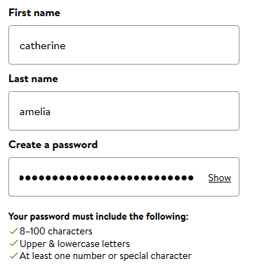 |  | Fail
 |  |  |  |  |  | 2.Click on signin
 |  |  |  |  |  | 3.Click on create account
 |  |  |  |  |  | 4.Fill up user name and password

TC-018 | Sign up | functional | register | verify wrong password alert when enter wrong password | Password=dhrt#DF45896712536478KLIw | 1.Go to the URL |  |  | 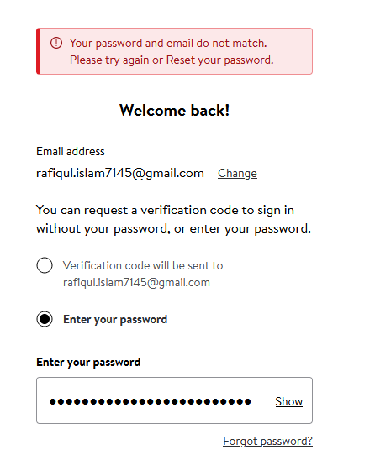 |  | Pass
 |  |  |  |  |  | 2.Click on signin
 |  |  |  |  |  | 3.enter email address
 |  |  |  |  |  | 4.enter password

TC-019 | Sign up | functional | register | verify there should be a date of birth section |  | 1.Go to the URL | should have a date of birth section | no option found |  |  | fail
 |  |  |  |  |  | 2.Click on signin
 |  |  |  |  |  | 3.enter email address

TC-020 | Sign up | functional | register | verify there should be a gender section |  | 1.Go to the URL | should have a gender section | no option found |  |  | fail
 |  |  |  |  |  | 2.Click on signin
 |  |  |  |  |  | 3.enter email address

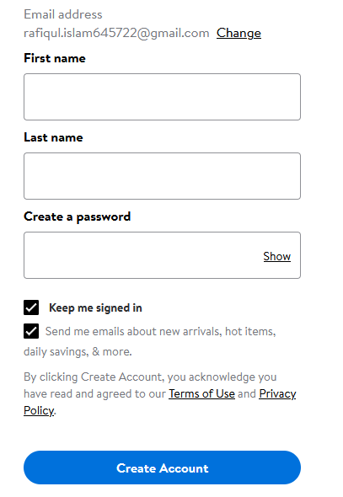
TC-021 | Sign up | functional | register | verify there is a security option to check user is human |  | 1.Go to the URL | should have security option | as not expected |  |  | fail
 |  |  |  |  |  | 2.Click on signin
 |  |  |  |  |  | 3.enter email address

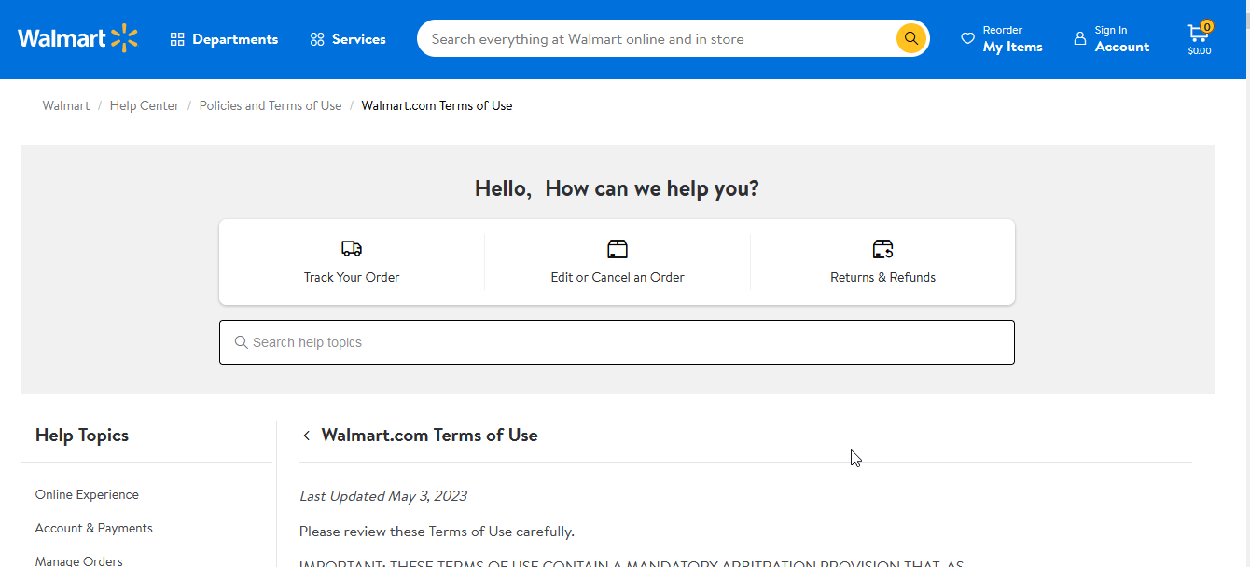
TC-022 | Sign up | functional | register | verify terms and condition button working by click |  | 1.Go to the URL | should work when click | as expected |  |  | Pass
 |  |  |  |  |  | 2.Click on signin
 |  |  |  |  |  | 3.enter email address

TC-023 | Sign up | functional | register | verify terms and condition checkbox can not keep blank |  | 1.Go to the URL | should not register without checkbox keep blank | not as expected | 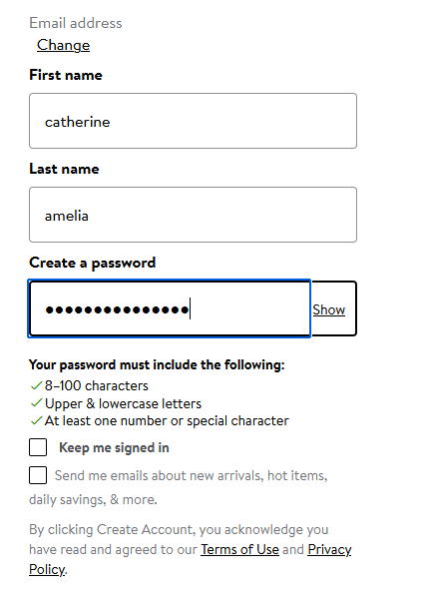 |  | Pass | iI should be fix if user uncheck terms and condition.
 |  |  |  |  |  | 2.Click on signin
 |  |  |  |  |  | 3.enter email address
 |  |  |  |  |  | 4.fillup user name and password

TC-024 | Sign up | functional | register | verify create account button working fine |  | 1.Go to the URL | should clickble and working fine | as expected |  |  | Pass
 |  |  |  |  |  | 2.Click on signin
 |  |  |  |  |  | 3.enter email address
 |  |  |  |  |  | 4.fillup user name and password
 |  |  |  |  |  | 5.click create account

TC-025 | Sign up | functional | register | verify it that the link of this is working properly |  | 1.go to any search engine | should take you from search engine to website | as expected |  |  | Pass
 |  |  |  |  |  | 2.type domain name
 |  |  |  |  |  | 3.click the URL
 |  |  |  |  |  | 4.go to home page

TC-026 | Sign up | functional | register | verify after open registration page the cursor remain in username textbox |  | 1.Go to the URL | should remain the cursor in username textbox | not as expected | 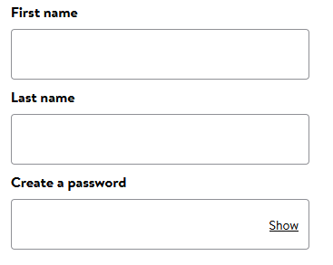 |  | Pass
 |  |  |  |  |  | 2.Click on signin

TC-027 | Sign up | functional | register | verify a user cann't input in login field more than 3 attempts |  | 1.Go to the URL | should display error messge you can not try more than 3 time at once | not as expected |  |  | fail | should include a different page for just login
 |  |  |  |  |  | 2.Click on signin
 |  |  |  |  |  | 3.fill up username and password and click login button.
 |  |  |  |  |  | 4.do above step 3 times

TC-028 | Signup | NON functional | resister | Verify the alignment of displayed elements on the login screen should be compatible in cross browsers testing |  | open firefox,google crome,opera and search the url. | the alignment of displayed elements on the login screen should be open similar in all browser | as expected |  |  | pass
 |  |  |  |  |  | 2.Click on the page link
 |  |  |  |  |  | 3.click on signup or create account button

Report
Test Case Report |  |  |  |  |  | Total No. | Status
Project Name | walmart |  |  |  |  | 18 | PASS
Module Name | Sign Up and Sign In |  |  |  |  | 10 | FAIL
Test Case Version |  |  |  |  |  | Not Executed | Not Executed
Written By | Rafiqul islam |  |  |  |  | Out Of Scope | Out of Scope
Executed By | Rafiqul islam
Test Case Report
PASS | 54
FAIL | 8
Not Executed | 0
Out of Scope | 0
Reviewed By | Ehsanul Alam
TEST EXECUTION REPORT

Test Case | PASS | FAIL | Not Executed | Out Of Scope | Total TC
 | 18 | 10 | 0 | 0 | 0
Grand Total | 18 | 10 | 0 | 0 | 0

LIMITATIONS
Documents |  |  |  | Received | Useful
PRD |  |  |  | No | No
USER STORY |  |  |  | No | No

 | Testing Type in Scope | Description

Yes/ No. Justification (If No): | Functional Testing | This type of testing ignores the internal parts and focuses only on the output to check if it is as per the requirement or not.

Yes/ No. Justification (If No): | Integration Testing | Testing of all integrated modules to verify the combined functionality after integration is termed as Integration Testing.

Yes/ No. Justification (If No): | Negative Testing | Testing having the mindset of “attitude to break” using incorrect data and invalid inputs.

Yes/ No. Justification (If No): | Usability Testing | Test application from user friendliness perspective.

Yes/ No. Justification (If No): | Browser Compatibility Testing | Browser Compatibility Testing is performed for web applications and it ensures that the software can run with the combination of different browser and operating system. This type of testing also validates whether web application runs on all versions of all browsers or not.

Yes/ No. Justification (If No): | Boundary Value Testing | There is an upper and lower boundary for each range and testing is performed on these boundary values.

Yes/ No. Justification (If No): | Risk Based Testing Or Regression Testing | Risk-Based Testing includes testing of highly critical functionality, which has the highest impact on business and in which the probability of failure is very high. Testing an application as a whole for the modification in any module or functionality is termed as Regression Testing.

