processor
NO | Model Prosesor | Harga | gambar
1 | Core i9-10900K | Rp5,535,000.00
2 | Core i7-10700K | Rp4,395,000.00
3 | Core i5-10600K | Rp2,990,000.00
4 | Core i9-11900K | Rp4,599,000.00
5 | Core i7-11700K | Rp4,199,000.00
6 | Core i5-11600K | Rp3,000,000.00
7 | Core i9-12900K | Rp5,900,000.00
8 | Core i7-12700K | Rp3,990,000.00
9 | Core i5-12600K | Rp3,299,000.00
10 | Ryzen 9 3900X | Rp3,600,000.00 | 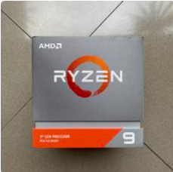
11 | Ryzen 7 3800X | Rp2,400,000.00
12 | Ryzen 5 3600X | Rp1,499,000.00
13 | Ryzen 9 5900X | Rp5,740,000.00 | 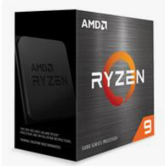
14 | Ryzen 7 5800X | Rp2,750,000.00
15 | Ryzen 5 5600X | Rp2,000,000.00
16 | Ryzen 9 7950X | Rp6,881,000.00
17 | Ryzen 7 7700X | Rp5,687,000.00
18 | Ryzen 5 7600X | Rp3,920,000.00 | 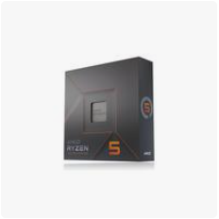

ram
NO | Merk RAM | harga | Gambar
1 | Corsair Vengeance LPX DDR4, 2 x 8GB, 3200MHz | Rp745,000.00 | 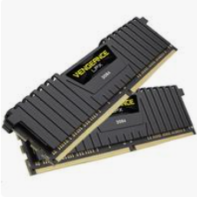
2 | Corsair Vengeance LPX DDR4, 2 x 16GB, 3200MHz | Rp1,175,000.00
3 | G.Skill Ripjaw+G6s V DDR4, 8GB, 3200MHz | Rp344,000.00 | 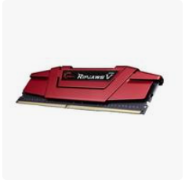
4 | Kingston HyperX Fury DDR4, 8GB, 3200MHz | Rp402,000.00
5 | Corsair Vengeance DDR5, 2x16GB, 4800MHz | Rp1,709,000.00
6 | G.Skill Trident Z5 DDR5, 2x32GB, 6000MHz | Rp3,410,000.00 | 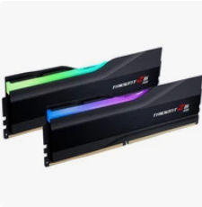
7 | Kingston FURY Beast DDR5, 2x8GB, 5200MHz | Rp1,340,000.00 | 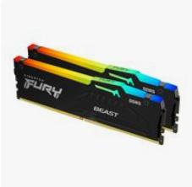
8 | Kingston FURY Beast DDR5, 2x16GB, 4800MHz | Rp1,995,000.00

motherboard
no | Brand & Model Motherboard | Harga | Gambar
1 | ASUS ROG Crosshair VIII Hero (Wi-Fi) | Rp8,168,000.00 | 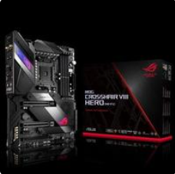
2 | MSI MPG Z490 Gaming Edge WiFi | Rp4,000,000.00 | 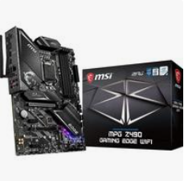
3 | Gigabyte Z590 AORUS Master | Rp7,380,000.00 | 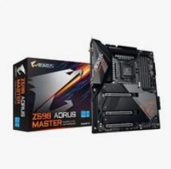
4 | ASUS TUF Gaming B550-PLUS (Wi-Fi) | Rp3,160,000.00 | 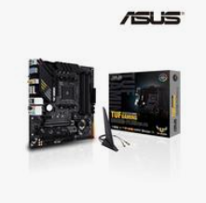
5 | MSI MAG B550 TOMAHAWK MAX | Rp3,638,000.00 | 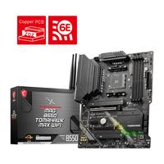
6 | ASUS ROG Strix Z690-E Gaming WiFi | Rp8,690,000.00 | 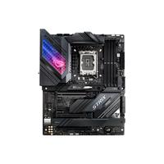
7 | ASUS ROG Strix B550-F Gaming (Wi-Fi) | Rp4,015,000.00
8 | Gigabyte Z690 AORUS Pro | Rp5,964,000.00
9 | ASRock B550 Steel Legend | Rp2,631,000.00 | 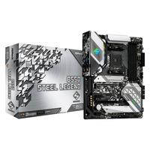
10 | MSI Z690 Unify | Rp11,000,000.00 | 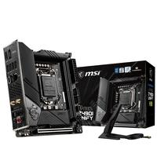

gpu
no | Brand & Model GPU | Harga | Gambar
1 | NVIDIA GeForce RTX 3090 | Rp19,000,000.00 | 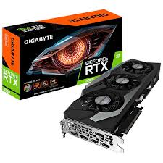
2 | NVIDIA GeForce RTX 3080 | Rp7,500,000.00 | 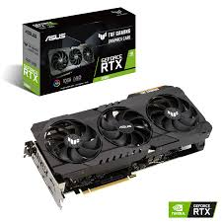
3 | NVIDIA GeForce RTX 3070 | Rp4,999,000.00
4 | NVIDIA GeForce RTX 3060 Ti | Rp5,330,000.00 | 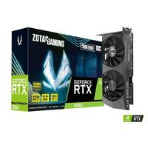
5 | AMD Radeon RX 6900 XT | Rp12,168,000.00 | 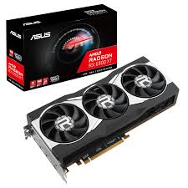
6 | AMD Radeon RX 6800 XT | Rp8,990,000.00 | 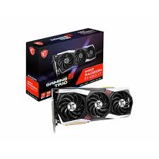
7 | AMD Radeon RX 6800 | Rp5,250,000.00 | 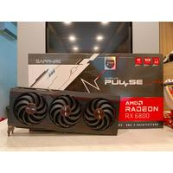
8 | AMD Radeon RX 6700 XT | Rp5,458,000.00 | 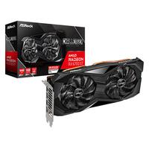
9 | NVIDIA GeForce RTX 4080 | Rp17,699,000.00 | 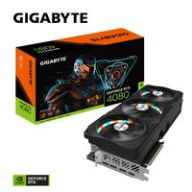
10 | NVIDIA GeForce RTX 4070 Ti | Rp15,450,000.00 | 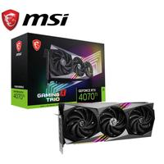
11 | NVIDIA GeForce RTX 4060 Ti | Rp7,790,000.00 | 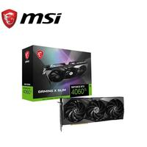
12 | AMD Radeon RX 7600 XT | Rp5,980,000.00 | 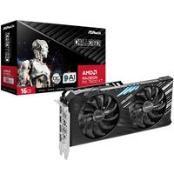
13 | AMD Radeon RX 7800 XT | Rp9,290,000.00 | 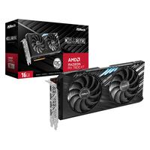
14 | AMD Radeon RX 7900 XTX | Rp18,890,000.00 | 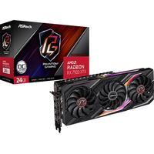
15 | AMD Radeon RX 7900 XT | Rp16,070,000.00 | 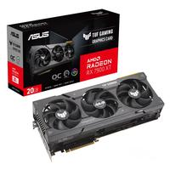

ssd
no | Brand & Model SSD | Harga | Gambar
1 | SAMSUNG 980 PRO | M.2 NVMe - 2TB | Rp2,725,000.00
2 | Western Digital WD Black SN850X NVMe SSD | M.2 NVMe - 1TB | Rp1,729,000.00
3 | Crucial P5 Plus | M.2 NVMe - 2TB | Rp5,685,000.00
4 | Kingston NV2 | M.2 NVMe - 1TB | Rp995,000.00
5 | Seagate FireCuda 530 | M.2 NVMe - 1TB | Rp1,873,000.00
6 | Corsair MP600 Pro LPX | M.2 NVMe - 2TB | Rp2,999,000.00 | 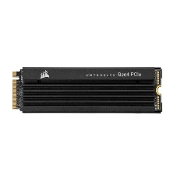
7 | Sabrent Rocket 4 Plus | M.2 NVMe - 1TB | Rp2,699,000.00
8 | Adata XPG Gammix S70 | M.2 NVMe - 1TB | Rp1,295,000.00
9 | Intel SSD 670p | M.2 NVMe - 1TB | Rp990,000.00
10 | PNY XLR8 CS3140 | M.2 NVMe - 1TB | Rp1,739,000.00 | 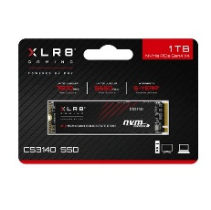

psu
no | Brand & Model PSU | Harga | gambar
1 | Corsair RM850X / RMX850 Cybenetics Gold Fully Modular ATX 3.1 PCIe 5.1 | Rp2,680,000.00
2 | POWER SUPPLY PSU SEASONIC FOCUS GOLD GX-850 | Rp2,560,000.00
3 | Power Supply ASUS ROG STRIX 850G | Rp2,888,000.00
4 | Thermaltake Toughpower GF1 750W 80+ | Rp1,875,000.00 | 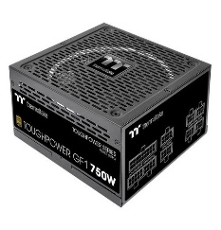
5 | COOLER MASTER MWE GOLD 850 V2 | Rp1,750,000.00
6 | be quiet! STRAIGHT POWER 11 850W | Rp2,932,000.00
7 | Corsair HX1200 Platinum | Rp3,950,000.00
8 | MSI MPG A850GF | Rp2,094,000.00

case
no | Brand & Model Case | Harga | gambar
1 | Corsair iCUE 5000T RGB | Rp5,558,000.00
2 | NZXT H9 Flow | Rp2,390,000.00
3 | Fractal Design Meshify 2 | Rp1,406,000.00
4 | Lian Li PC-011 Dynamic Evo | Rp2,725,000.00
5 | Thermaltake Divider 370TG | Rp1,830,000.00
6 | Phanteks Eclipse G360A | Rp1,549,000.00
7 | be quiet! Dark Base 900 Rev. 2 | Rp4,150,000.00
8 | MSI MAG Forge 100R | Rp771,000.00 | 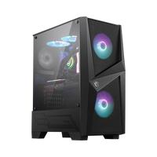
9 | ASUS TUF Gaming GT502 | Rp2,504,000.00 | 