processor
NO | Model Prosesor | Harga (USD)
1 | Core i9-10900K | Rp5,535,000.00
2 | Core i7-10700K | Rp4,395,000.00
3 | Core i5-10600K | Rp2,990,000.00
4 | Core i9-11900K | Rp4,599,000.00
5 | Core i7-11700K | Rp4,199,000.00
6 | Core i5-11600K | Rp3,000,000.00
7 | Core i9-12900K | Rp5,900,000.00
8 | Core i7-12700K | Rp3,990,000.00
9 | Core i5-12600K | Rp3,299,000.00
10 | Ryzen 9 3900X | Rp3,600,000.00 | 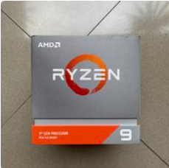
11 | Ryzen 7 3800X | Rp2,400,000.00
12 | Ryzen 5 3600X | Rp1,499,000.00
13 | Ryzen 9 5900X | Rp5,740,000.00 | 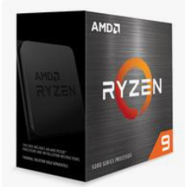
14 | Ryzen 7 5800X | Rp2,750,000.00
15 | Ryzen 5 5600X | Rp2,000,000.00
16 | Ryzen 9 7950X | Rp6,881,000.00
17 | Ryzen 7 7700X | Rp5,687,000.00
18 | Ryzen 5 7600X | Rp3,920,000.00 | 