Hoja2
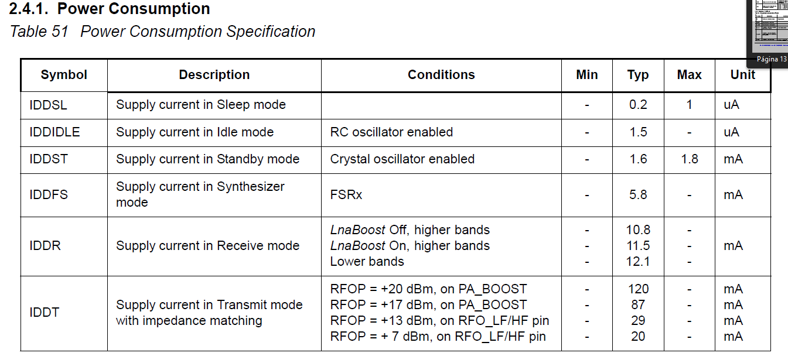
 | ESP |  |  |  | Lora
 | VDD | VDD | I mA | I mA | VDD | VDD | ImA | ImA
 | Recomendado | Absoluta | Recomendado | Absoluto | Recomendado | Absoluta | Recomendado | Absoluto
Min | 2.3 | -0.3 | 500 |  | 1.8 | -0.5 | 20
Typical | 3.3 |  |  |  |  |  | 120
Max | 3.6 | 3.6 |  | 1100 | 3.7 | 3.9
 |  |  |  |  |  |  | a 3,3 V
 |  |  |  |  |  |  | transmitiendo

 |  |  |  |  |  |  |  |  | Lora | pagina 13

