Sheet1
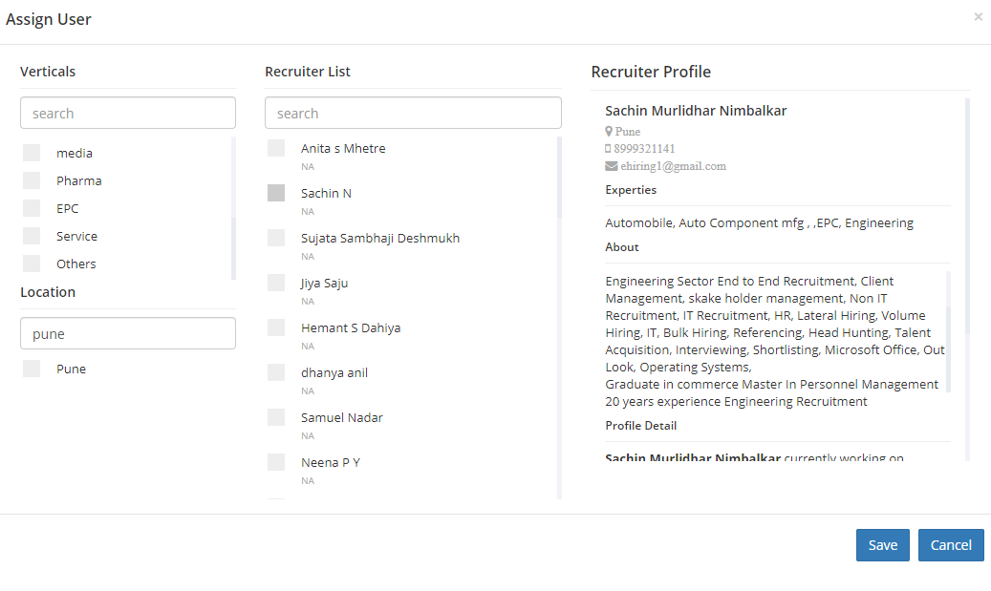

current lenth consume we need to change as follow |  | current lenth consume we need to change as follow |  | current space consume we need to change as follow
We are expecting space for assignuser | We are expecting space for Recruiter name |  | profile view we need this much space in that photo email id need to mention client can view properly recruiter profile thoroughly

 | the current lenth for all collam we need to change upper side we show width of collam so we need to change that

 | why we need to change because our mail focus on recruiter profile , in profile we need photo,email id & all information mention by recruiter every thing need to display

Sheet2
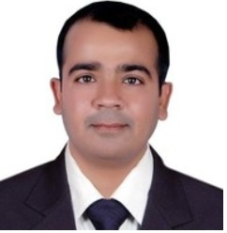
 | Sachin Murlidhar Nimbalkar
 | currently working on Executive Placement & Management Consultancy as Recruiter IT & Non IT .
 | Pune
 | ehiring1@gmail.com

 | total Years of exp |  | 23 years exp in recruitment

 | Qualification | MBA HR

 | Vertical Experties |  | Automobile, Auto Component mfg , ,EPC, Engineering

 | Summery

 | HR Professional expert in Recruitment process from 20 years
 | in Indian Market working with various position in vertical like Automobile, Auto Component mfg , ,EPC, Engineering Sector End to End Recruitment, Client Management, skake holder management, Non IT Recruitment, IT Recruitment, HR, Lateral Hiring, Volume Hiring, IT, Bulk Hiring, Referencing, Head Hunting, Talent Acquisition, Interviewing, Shortlisting, Microsoft Office, Out Look, Operating Systems,
 | Graduate in commerce Master In Personnel Management
 | 20 years experience Engineering Recruitment
Profile Detail

Sachin Murlidhar Nimbalkar currently working on Executive Placement & Management Consultancy as Recruiter IT & Non IT .

Communicate with concern HR & Technical Authority to Understand requirement thoroughly Sourcing profile from various sources like Linkedin,internal database ,reference,headhunting & all portals call to candidate giving proper information about current opening and taken confirmation about processing resume with client shortlisting & scheduling candidate for interview follow up till candidate get offer follow up for further process like medical,offer negotiation still candidate joined after

Sachin Murlidhar Nimbalkar Last worked on Poona forge pvt Ltd as Recruitment Manger.
handling engineering & auto component mfg industry Technical requirement bulk hiring, volume hiring, pharma recruitment, health care recruitment, international recruitment, team handling, client management, head hunting, client empanelment, client pitch, medical hiring.sales hiring,

Acheivments and Specialization.

Acheivments :close position like HR Director,Country HR head, Recruitment Head Industry Specialization :Auto, Engineering ,EPC & Mfg Domain Vertical Specialization :undefined
Expertise :.
Automobile, Auto Component mfg , ,EPC, Engineering
Languages :.
Marathi ,English ,Hindi

