Q1
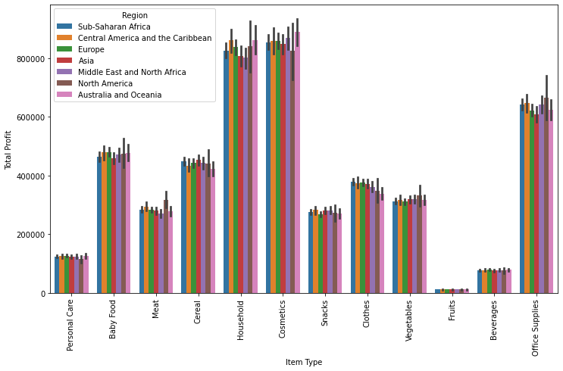
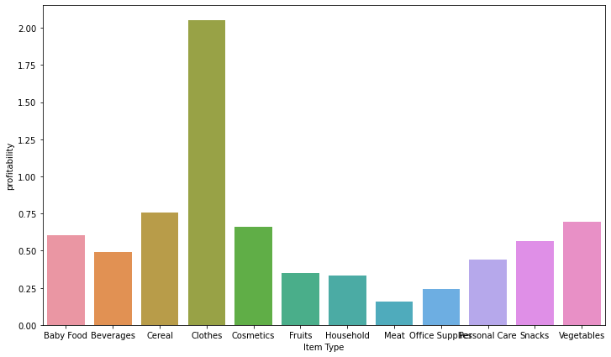
Item Type | Revenue | Contribution | Profitablity | Total Profit | % profit contribution | Recommendations based on Profitability & Profits | Concern regions
Baby Food | 6922932448.6 | 8% | 60% | 2599625135.2 | 10% | Profitablity & % Contribution to revenue & profit is high. High chance to grow. | All regions are contributing. Asia & Sub-Saharan regions have to be concentrated for more growth.
Beverages | 1301073590.7 | 1% | 49% | 429395414.76 | 2% | Profitability is good but the contribution to revenue & profit is very less. Based on company's supply, a decision either to continue or to stop from next year to be taken. | It is suggested to increase efforts in all regions
Cereal | 5583796438 | 6% | 76% | 2404805670.6 | 9% | Highest Profitablity. It is suggested to increase the supply & efforts to increase the revenue. | Australia and Oceania, Central America and the Carribbean regions have to be concentrated because of less contribution.
Clothes | 2990615928.3 | 3% | 205% | 2009798991.4 | 8% | Profitability is high, there is high potential for the growth. More concentration is required as revenue contribution is quiet less whereas profit contribution is high. | Australia and Oceania, North America, Middle East and Northm Africa regions have to be concentrated due to less contribution.
Cosmetics | 11895455207 | 14% | 66% | 4730701731 | 18% | One of the Major contributors to Revenue & profit. It is suggested to increase the supply. | North America, Asia & Sub-Saharan regions are having less performance. More concentration in these regions is required
Fruits | 252137092.2 | 0.29% | 35% | 65128659.4 | 0.25% | Stop from next year. No significant contribution | No growth in all regions. It is suggested to drop.
Household | 18265864674 | 21% | 33% | 4529908199.5 | 18% | One of the Major contributors to Revenue & profit despite a decent profitability. It is suggested to increase the supply. | Middle East & North Africa, Asia regions contribution is less. It is suggested to look into the suplpy and fill the gaps in these regions
Meat | 11301471613 | 13% | 16% | 1532257641.2 | 6% | Least in Profitability but contribution to revenue is good. | North America's contribution is significantly high whereas all other regions are almost contributing the same. It is suggested to focus on the suply & other factors to grow.
Office Supplies | 17824497485 | 20% | 24% | 3455633063.8 | 13% | Profitability is not high but contribution to revenue & profit is good. | Asia's contribution is quite less. Less profits from Europe, Australia & Oceania regions. Concentrate on these regions.
Personal Care | 2242542802.2 | 3% | 44% | 687607030.74 | 3% | Concern item. More focus is required as profitability is good. | It is suggested to imporove North America region
Snacks | 4173390436.7 | 5% | 57% | 1508197330.4 | 6% | A growing item. Profitability is good. | It is suggested to imporove Europe region
Vegetables | 4199861704.5 | 5% | 69% | 1721000061 | 7% | Profitability is high. It is suggested to increase the supply. | It is suggested to increase efforts in all regions
Total | 86953639420 |  |  | 25674058929

