K-medoids
 |  | Manhattan distance
 | 13.4 | Cluster the following dataset of 6 objects into two clusters,that is k=2
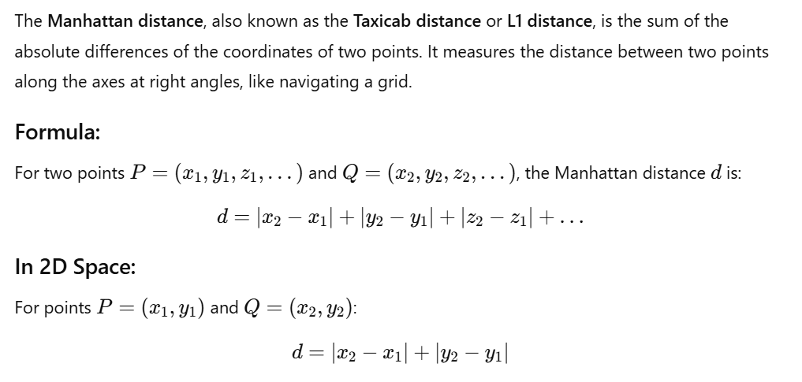
 | X1 | 2 | 6
 | X2 | 3 | 4
 | X3 | 3 | 8
 | X4 | 4 | 2
 | X5 | 6 | 2
 | X6 | 6 | 4

Solution | Step 1 - Two observations c1=x2=(3,4) and c2=x6=(6,4) are randomly selected as medoids (cluster centers)
 | Step 2 - Manhattan distances are calculated to each center to associate each data object to its nearest medoid
 |  |  |  | Assign nearest point | Distance to C1 | Distance to C2
 | X1 | 2 | 6 | 3 | 3 | 6
C1 | X2 | 3 | 4 | 0 | 0 | 3
 | X3 | 3 | 8 | 4 | 4 | 7
 | X4 | 4 | 2 | 3 | 3 | 4
 | X5 | 6 | 2 |  | 5 | 2 | 2
C2 | X6 | 6 | 4 |  | 3 | 0 | 0
 |  | Cost
 |  |  |  | 10 |  |  | 2 | 12

 | Step 3 | We select one of the non-medoids O'. Let us assume O'=(6,2) So now mediods are c1(3,4) and O'(6,2). If c1 and O' are the new medoids. We calculate the total cost involved

 |  |  |  | Assign nearest point | Distance to C1-(3,4) | Distance to C2 (6,2)
 | X1 | 2 | 6 | 3 | 3 | 8
C1 | X2 | 3 | 4 | 0 | 0 | 5
 | X3 | 3 | 8 | 4 | 4 | 9
 | X4 | 4 | 2 |  | 3 | 2 | 2
C2 | X5 | 6 | 2 |  | 5 | 0 | 0
 | X6 | 6 | 4 |  | 3 | 2 | 2
 |  | Cost
 |  |  |  | 7 |  |  | 4 | 11
 |  | So cost of swapping mediods from c2 to O' is 11.Since the cost is less, this is considered as a better cluster assignment. Here swapping is done as the cost is less

 | Step 4 | We select another non-mediod O'=(4,2). So now the mediods are c1(3,4) and O'(4,2). If c1 and O' are new medioids,we calculate the total cost involved

 |  |  |  | Assign nearest point | Distance to C1-(3,4) | Distance to C2 (6,2)
 | X1 | 2 | 6 | 3 | 3 | 6
C1 | X2 | 3 | 4 | 0 | 0 | 3
 | X3 | 3 | 8 | 4 | 4 | 7
C2 | X4 | 4 | 2 |  | 3 | 0 | 0
 | X5 | 6 | 2 |  | 5 | 2 | 2
 | X6 | 6 | 4 | 3 | 3 | 4
 |  | Cost
 |  |  |  | 10 |  |  | 2
 |  | So cost of swapping mediod from c2 to O' is 12.Since the cost is more, this cluster assignment is not considered and swapping is not done

