Registration
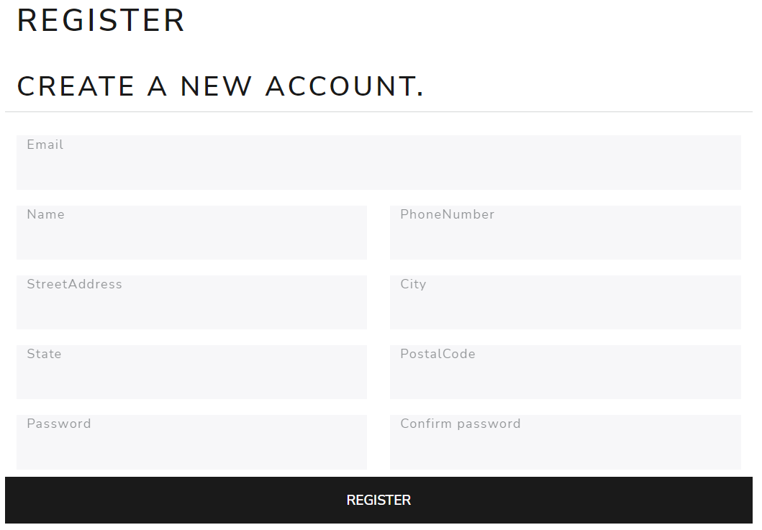
Registration is for vendors only

Login
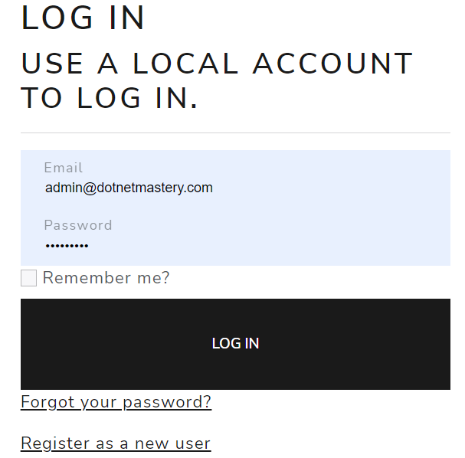
Login for all users

Adminstrator
<Logo> | Home | Project Management | Manage Projects | Logout

Project Mangement has following submenus

Customer
Projects
Create Users

Customer |  | 1. Functionality for CRUD 2. Similar to Cover Type UI
Create Users |  | 1. Similar to Create User UI
 |  | 2. Adminstrator can create Employees only

Projects |  | 1. Functionality to create project similar to Product List

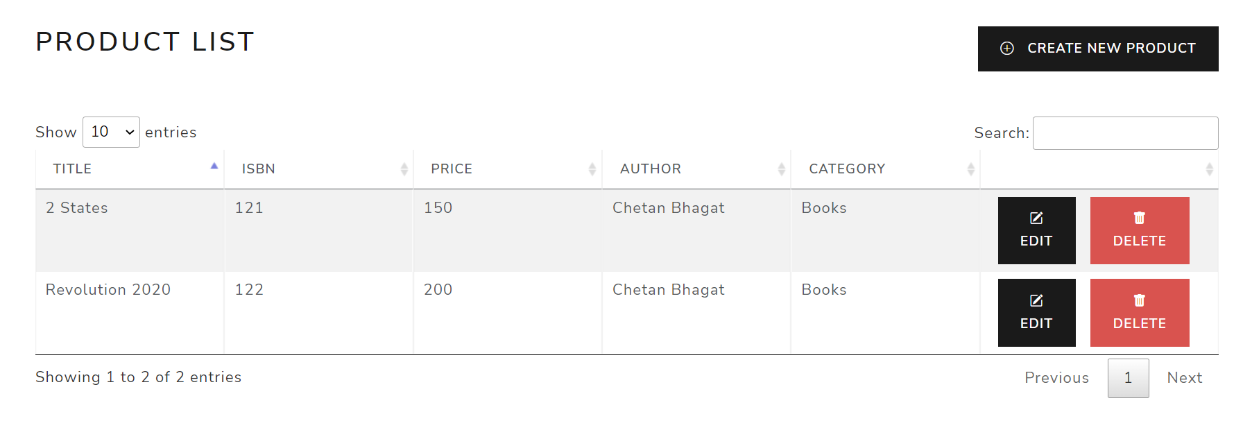

 |  | On Click of Create New Project Following Information to be captured
 |  | 1. Customer | <drop down>
 |  | 2. Project Name | <text box>
 |  | 3. Description | <text box>
 |  | 4. Start Date | <date>
 |  | 5. End Date | <date>
 |  | 6. Project Manager | <drop down>

 |  | Create | Back

 |  | Following information should be displayed on click of Projects submenu

 | Name | Description | Customer | Start Date | End Date | Manager | Edit | Details | Delete

 |  | On click of Details following information to be displayed

 |  | Name | <read only>
 |  | Customer | <read only>
 |  | Enter Resource Details
 |  | Job title | <text box>
 |  | Skill set | <text box>
 |  | Experience | <text box> | Numbers only
 |  | Number of Months | <text box> | Numbers only
 |  | Start Date | <date>
 |  | End Date | <date>
 |  | Number of Resources | <text box> | numeric
 |  |  | <Add Resource>

 |  | Added Resources should be shown above the Enter Resource Details

 |  | For example

 |  | Name | project 1
 |  | Customer | Customer 1
 |  | Job Title | Skill Set | Experience | Number of months | Start Date | End Date | Number of Resources
 |  | Developer | .Net,MySQL,Web API | 3 | 2 | 10-Nov-22 | 10-Jan-23 | 3
 |  | Tester | Manual Testing | 2 | 2 | 10-Nov-22 | 10-Jan-23 | 2

Customer CRUD

 | Create New Customer

 | Name | <text>
 | Address | <text>
 | Location | <text>
 | Email | <text>
 | Mobile | <text>

 | <Create> | <back to List>

