Sheet3
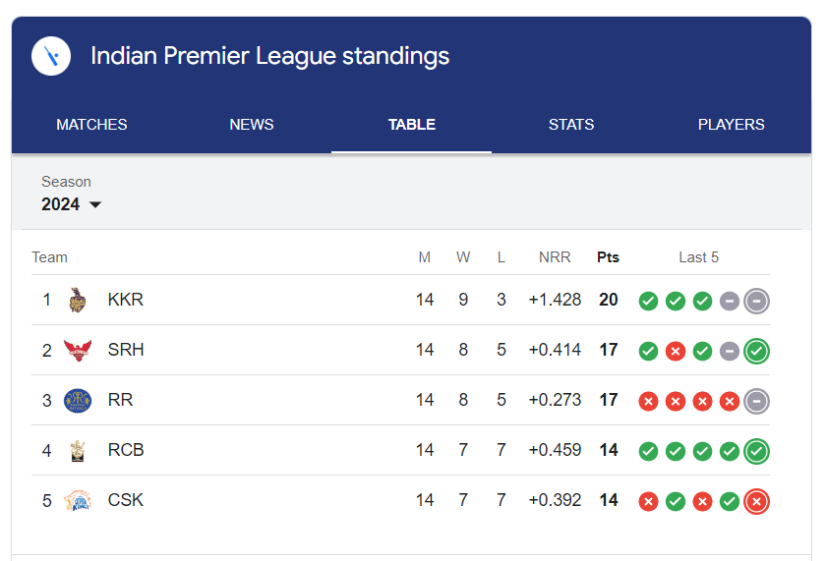
 |  |  | IPL Master
 |  | Team Code | <>
 |  | Name | <text box>
 |  | Matches | <text box>
 |  | Win | <text box>
 |  | Lost | <text box>
 |  | Netrun rate | <text box>
 |  | Points | <text box>
 |  |  | <Add Team> | <List Team> | <Update Team>

Team Code | Name | Matches | Win | Lost | Net Run Rate | Points | Delete | Edit
1 | KKR | 14 | 9 | 3 | 1.428 | 20 | <Delete Button> | <Edit Button>

