Sheet3
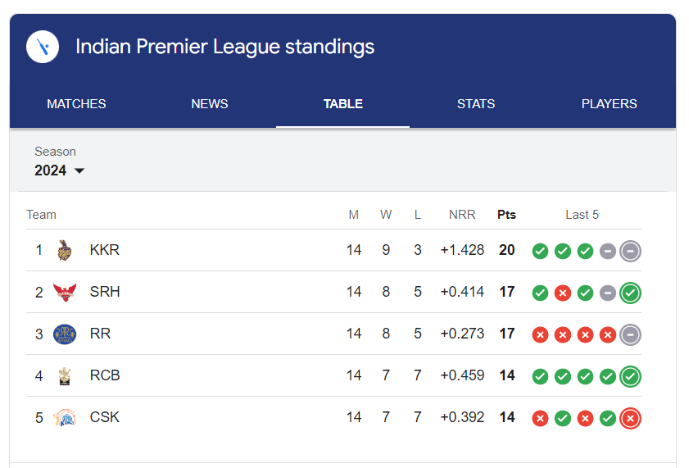
 | IPL Master
Team Code | <>
Name | <text box>
Matches | <text box>
Win | <text box>
Lost | <text box>
Netrun rate | <text box>
Points | <text box>
 | <Add Team> | <List Team>

