Marketing Plan Budget
Marketing Budget 2017 to 2022
 |  |  |  |  |  |  | Contact us by eMail
Category/Year | 2017 | 2018 | 2019 | 2020 | 2021 | 2022
Television Advertising | € 21,000.00 | € 38,000.00 | € 45,000.00 | € 52,000.00 | € 59,000.00 | € 65,000.00
New Brand Launch Parties | € 20,000.00 | € 25,000.00 | € 29,000.00 | € 31,000.00 | € 33,000.00 | € 36,000.00
Aircraft Livery Changes | € 98,000.00 | € 124,000.00 | € 140,000.00 | € 150,000.00 | € 156,000.00 | € 170,000.00
Staff Hires | € 56,000.00 | € 68,000.00 | € 74,000.00 | € 80,000.00 | € 85,000.00 | € 90,000.00
Total | € 216,587.00 | € 281,000.00 | € 320,000.00 | € 351,000.00 | € 377,000.00 | € 411,000.00

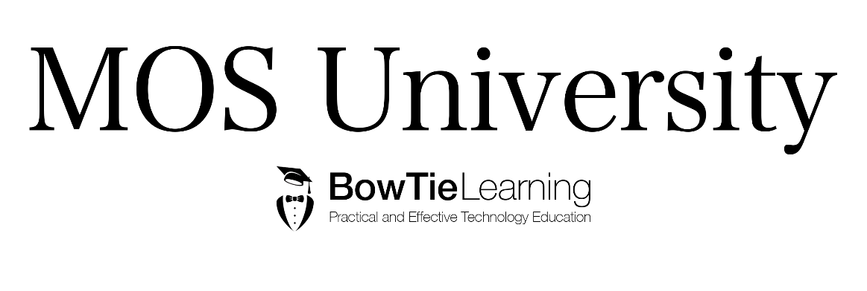

 |  |  | Figure 1

