Marketing Plan Budget
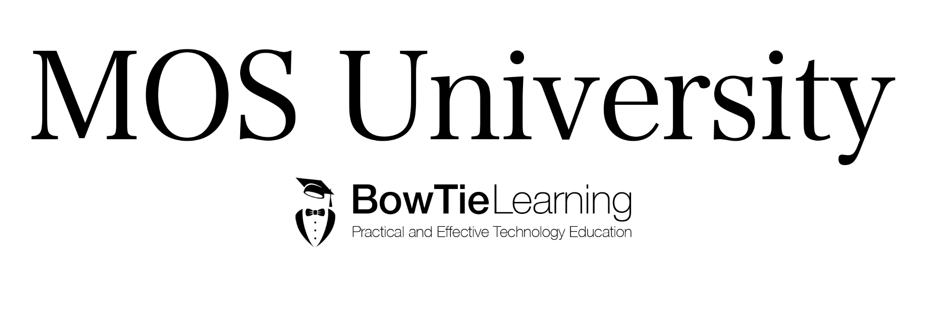
Marketing Budget 2017 to 2022

Expenditure Complete & Planned
Category/Year | 2017 | 2018 | 2019 | 2020 | 2021 | 2022 | Total
Television Advertising | € 21,000.00 | € 38,000.00 | € 45,000.00 | € 52,000.00 | € 59,000.00 | € 65,000.00 | € 280,000.00
Radio | € 7,600.00 | € 9,000.00 | € 11,000.00 | € 13,000.00 | € 15,000.00 | € 17,000.00 | € 72,600.00
Internet | € 12,987.00 | € 15,000.00 | € 17,000.00 | € 19,000.00 | € 21,000.00 | € 23,000.00 | € 107,987.00
Newspaper Advertising | € 1,000.00 | € 2,000.00 | € 4,000.00 | € 6,000.00 | € 8,000.00 | € 10,000.00 | € 31,000.00
New Brand Launch Parties | € 20,000.00 | € 25,000.00 | € 29,000.00 | € 31,000.00 | € 33,000.00 | € 36,000.00 | € 174,000.00
Aircraft Livery Changes | € 98,000.00 | € 124,000.00 | € 140,000.00 | € 150,000.00 | € 156,000.00 | € 170,000.00 | € 838,000.00
Staff Hires | € 56,000.00 | € 68,000.00 | € 74,000.00 | € 80,000.00 | € 85,000.00 | € 90,000.00 | € 453,000.00
Total | € 216,587.00 | € 281,000.00 | € 320,000.00 | € 351,000.00 | € 377,000.00 | € 411,000.00

