ProjectLayout
 |  | eLearning |  | Admin
elearning <logo/text> | Sign Up | Login | Contact Us | Configure Course | <Logout> - clear local storage

 | Welcome to elearning
Sign Up

Name | <text box> | role1=user role2=admin role3=instructor
Email | <text box>
Mobile | <text box>
Password | <text box> | default role as user

 | <Sign Up> | Form submit - java script object
 |  | Console.log(user)
Login |  | Basic Validation

Email | <text box>
Password | <text box>

 | <Login> | Form submit - java script object |  | Store credentials into localstorage
 |  | Console.log(user) |  | localstorage("user",{})
 |  | Basic Validation
Contact Us

 | <google map of iqvia chennai>

localhost:8080
elearning <logo/text> | Home | Sign Up | Login | Contact Us | <Logout> - clear local storage

 | <React youtube video> | <Angular youtube video>
 | <React youtube video> | <Angular youtube video>
 | <React youtube video> | <Angular youtube video>

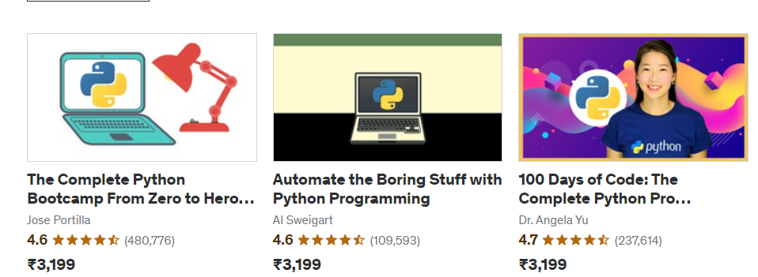

Configure Course

Name | <>
Description | <>
Introductory video url | <>
Instructor | <drop down>
Price | <>
Rating | <>
 | <Add Course> btn

 | Course Listing

Name | Desc | Introductory Video Url | Instructor | Price | Rating
Introduction to React | Beginner level | xyz | Raghu | 2000 | 4 | <Edit> | <Delete>

Instructor
Name,Extertise,Experience,linkedin,youtubelink

"instructor": [
{
"id":1,
"name":"Crash Course on React",
"experience":"Learn React in 60 min",
"expertise":"D31GRw3uzuw0I_nm",
"linkedinprofile":"XYZ",
"youtube":2000,
"active":4.4
}
]

