BugReport
Bug ID | Priority | Bug Summary / Description | Pre requisite | Bug Steps | ExpectedResult | Actual Result | Status | Test Executed by | Browser/device | Screenshot/Video Recording
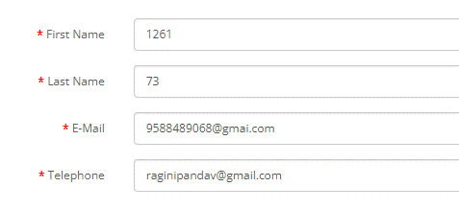
BG_001 | High | User should successfully able to create an Account | Open the Browser | > Open the URL | Error message should be displayed for Invalid data | User should be able to create an account with Invalid data | Fail | Ragini Pandav | Chrome Browser
 |  | with entering Invalid data | Enter the URL - https://tutorialsninja.com/demo/ | > Click on the registration |  |  |  |  | Windows 10
 |  |  |  | > Enter Invalid data for all the entries

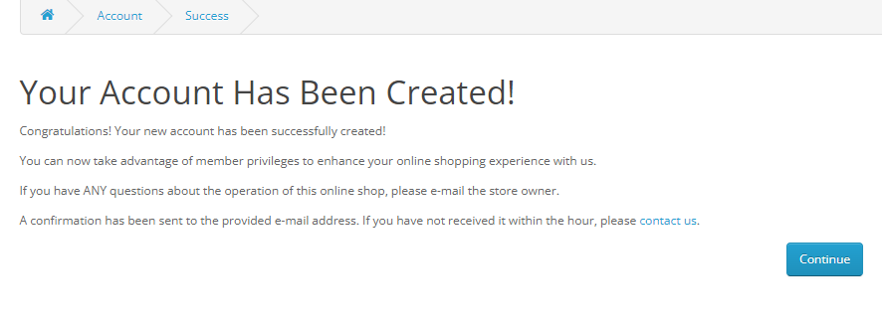

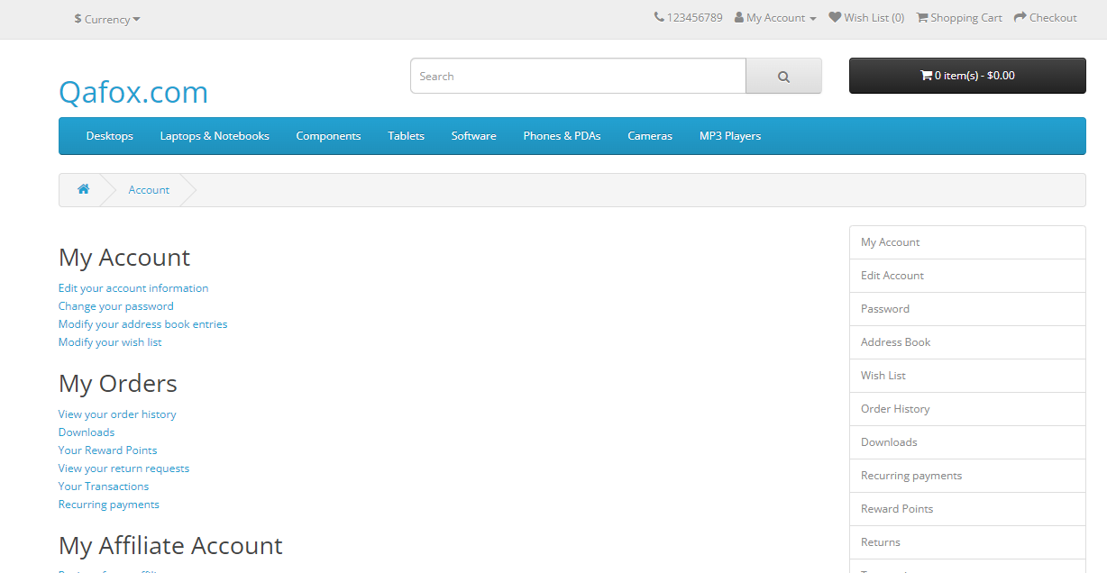
BG_002 | High | User is still logged in after session time ended | Open the Browser | > Open the URL in browser | User Should be logged out after performing some action after | User still logged in | Fail | Ragini Pandav | Chrome Browser
 |  |  | Enter the URL - https://tutorialsninja.com/demo/ | > Click on My Account option | long time |  |  |  | Windows 10
 |  |  |  | > Click on Login option
 |  |  |  | > Do not perform any operation on the application
 |  |  |  | > After some time perform some action

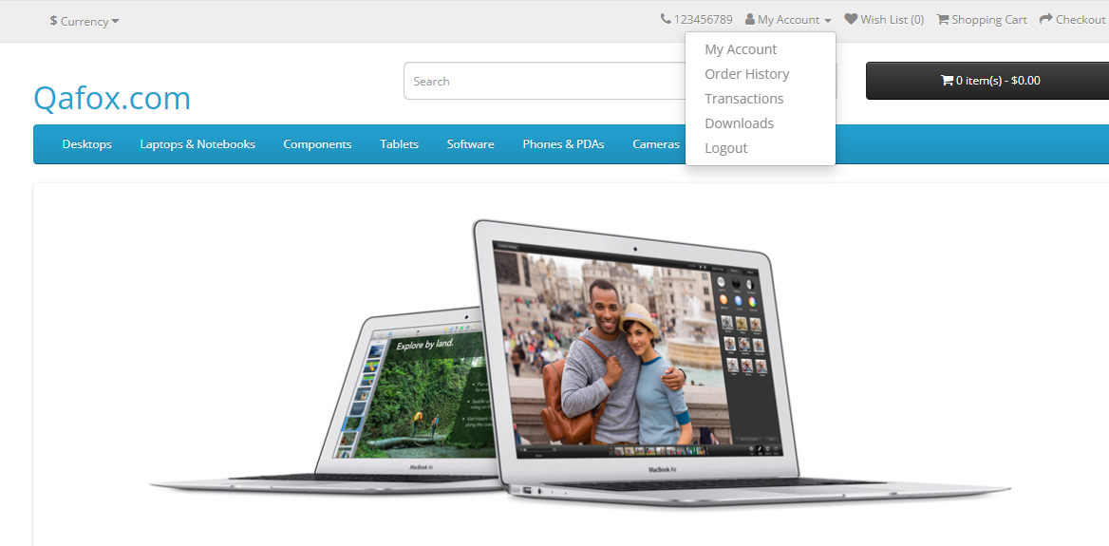
BG_003 | High | User is logged in after closing the browser | Open the Browser | > Open the URL in browser | User should be logged out after closing the application from | User is logged in after closing the browser | Fail | Ragini Pandav | Chrome Browser
 |  |  | Enter the URL - https://tutorialsninja.com/demo/ | > Click on My Account option | browser |  |  |  | Windows 10
 |  |  |  | > Click on Login option
 |  |  |  | > Stay logged in and Close the browser
 |  |  |  | > Again open URL in the same browser

BG_004 | High | For resetting a new password, Link should not be received | Open the Browser | > Open the URL in browser | An email with a confirmation link should receive | An email with a confirmation link should not be received | Fail | Ragini Pandav | Chrome Browser
 |  | via E-mail | Enter the URL - https://tutorialsninja.com/demo/ | > Click on Login |  |  |  |  | Windows 10
 |  |  |  | > Enter Valid E-mail ID
 |  |  |  | > Click on Forgot Password
 |  |  |  | > Enter Valid E-mail ID for setting of an new
 |  |  |  | Password

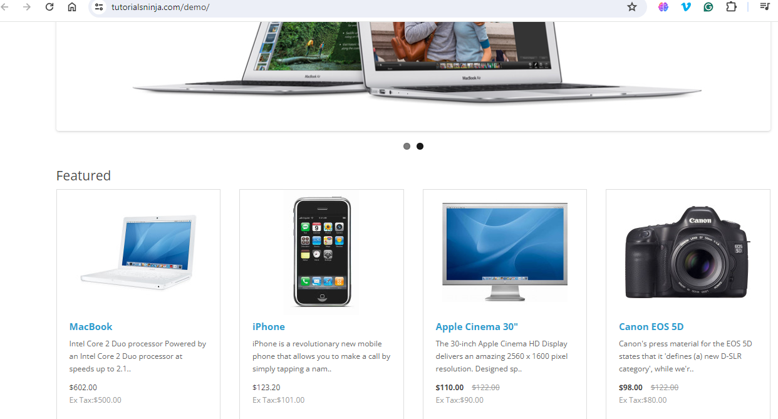
BG_005 | Medium | Header section for the application not sticky | Open the Browser | > Open the URL in browser | Header section for the application shpuld be sticky | Header section is not sticky | Fail | Ragini Pandav | Chrome Browser
 |  |  | Enter the URL - https://tutorialsninja.com/demo/ | > Scroll the page check header is sticky or not |  |  |  |  | Windows 10

