Build IDF
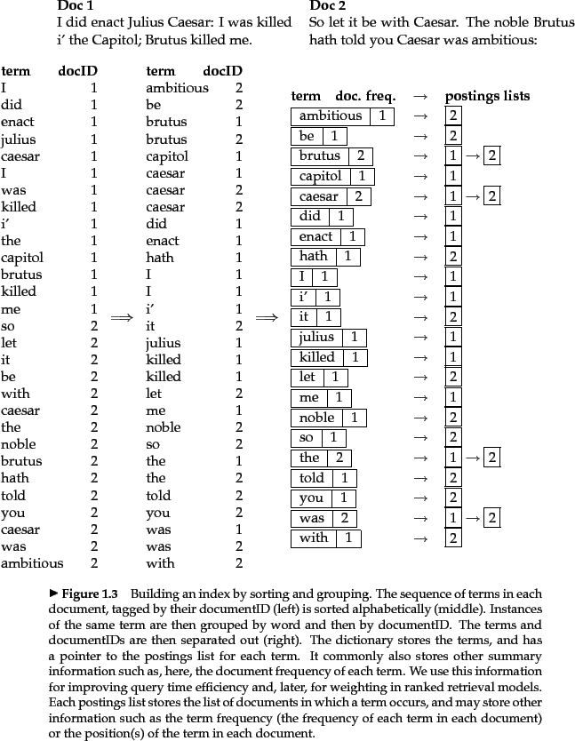
 | A first take at building an inverted index

 | To gain the speed benefits of indexing at retrieval time, we have to build the index in advance. The major steps in this are:

1 | Collect the documents to be indexed:

 | ...

2 | Tokenize the text, turning each document into a list of tokens:

 | ...

3 | Do linguistic preprocessing, producing a list of normalized tokens, which are the indexing terms:

 | ...
4 | Index the documents that each term occurs in by creating an inverted index, consisting of a dictionary and postings.

Document Score
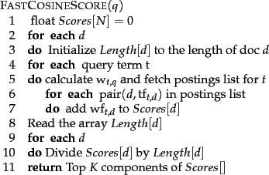
 |  | Consider the table of term frequencies for 3 documents denoted Doc1, Doc2, Doc3

 |  | Doc1 | Doc2 | Doc3
 | car | 27 | 4 | 24
 | auto | 3 | 33 | 0
 | insurance | 0 | 33 | 29
 | best | 14 | 0 | 17

 | The Euclidean length of is defined to be .

 | to length-normalize the vectors and to unit vectors and .

 | cosine similarity of their vector representations |  |  |  |  | and

 | or cosine similarity

 | sqr(Vi) for Doc1 | sqr(Vi) for Doc2
27 | 729 | 16 | The quantity has the values 30.56, 46.84 and 41.30
3 | 9 | 1089 | respectively for Doc1, Doc2 and Doc3. |  |  |  | Vi/ | = | 0.8835078534
0 | 0 | 1089 |  |  |  |  |  |  | 27/30.56
14 | 196 | 0
 | 934 | 2194 |  |  |  |  |  |  |  | Euclidean normalized tf values for documents in Figure 6.9 .
 | 30.56141358 | 46.840153715

Second Example
term | SAS(docname) | PaP | WH | Vi2 for SAS |  |  | Vi/ |  | for WH doc | SAS.PAP | PAP.WH
affecttion | 115 | 58 | 20 | 13225 | 3364 |  | 0.99609109231 | 0.99279561301 | 0.847 | 0.9889148666 | 0.84368915519
jealous | 10 | 7 | 11 | 100 | 49 |  | 0.086616616722 | 0.11982016019 | 0.466 | 0.010378416891 | 0.040363343393
gossip | 2 | 0 | 6 | 4 | 0 |  | 0.017323323344 | 0 | 0.254 | 0 | 0.0044001241295
 |  |  |  | 13329 | 3413 |  | dot prod | sim( (SAS), (PAP)) |  | 0.99929328349 | 0.88845262271
 |  |  |  | 115.45128843 | 58.420886676 |  |  |  |  |  | sim( (SAS), WH
 |  | Vi/ |  | 0.99609109231 | 0.99279561301

Third Example
 | query q= jealous gossip |  |  | This query turns into the unit vector
 | Normalization is done by:
 | Let the vector be x = (x_1,x_2,...,x_n)
 | let s = x_1^2 + x_2^2 + ... + x_n^2 [sum of squares]
 | let the normalized vector n = x/sqrt(s) = (x_1/sqrt(s), x_2/sqrt(s), ..., x_n/sqrt(s))

 | In this example, the query "jealous gossip" produces the unormalzied vector (0,1,1) (since the dictionary consists of the 3 words affection, jealous, gossip).
 | By invoking the above algorithm you get s=2, and thus the normalized vector is n=(0/sqrt(2), 1/sqrt(2), 1/sqrt(2)) ~= (0,0.707,0.707) |  |  |  |  |  |  |  |  |  |  |  | 0.70710678119
 | 0
 | 0.707 |  | to assign to each document a score equal to the dot product |  |  |  |  |  |  | term
 | 0.707 |  |  |  |  |  |  |  |  | affecttion | 0 | 0 | 0
 |  |  |  |  |  |  |  | v(q)*(Vi/ ) |  | jealous | 0.061237948023 | 0.084712853255 | 0.329462
 |  |  |  |  |  |  |  | 0.0612262 |  | gossip | 0.012247589605 | 0 | 0.179578
 |  |  |  |  |  |  |  |  |  |  | 0.073485537627 | 0.084712853255 | 0.50904

Fourth Example
 | We now consider the query best car insurance on a fictitious collection with documents where the document frequencies of auto, best, car and insurance are respectively 5000, 50000, 10000 and 1000.

 |  |  |  |  |  | 2.3010299957 |  |  | = | 2.4494897428 |  | Vi/ |  | 0.40824829046 | product(wt,q*wt,d) | 0.82
 |  |  |  |  |  |  |  |  |  |  |  |  |  | 0.81649658093
 |  | term | query | document | product
 |  |  | tf | df | idf |  | tf | wf |  | product
 |  | auto | 0 | 5000 | 2.3 | 0 | 1 | 1 | 0.41 | 0
 |  | best | 1 | 50000 | 1.3 | 1.3 | 0 | 0 | 0 | 0
 |  | car | 1 | 10000 | 2 | 2 | 1 | 1 | 0.41 | 0.82
 |  | insurance | 1 | 1000 | 3 | 3 | 2 | 2 | 0.82 | 2.46

 |  | In this example the weight of a term in the query is simply the idf (and zero for a term not in the query, such as auto); this is reflected in the column header
 |  | (the entry for auto is zero because the query does not contain the term auto). For documents, we use tf weighting with no use of idf but with Euclidean normalization. headed
 |  | The former is shown under the column headed wf, while the latter is shown under the column

 |  | Ref: |  |  | = | wt,q*wt,d

 |  | The basic algorithm for computing vector space scores. |  |  |  |  |  | https://nlp.stanford.edu/IR-book/html/htmledition/computing-vector-scores-1.html

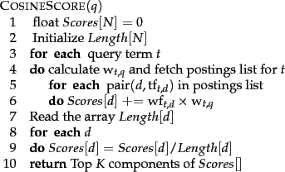

 |  | Figure 7.1: A faster algorithm for vector space scores. |  |  |  |  |  | https://nlp.stanford.edu/IR-book/html/htmledition/efficient-scoring-and-ranking-1.html

