cover sheet
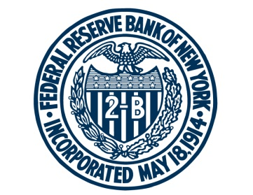

FEDERAL RESERVE BANK of NEW YORK

Chart and Table Data for Federal Reserve Bank of New York, The Labor Market for Recent College Graduates interactive web feature
Updated: February 10, 2023

Charts: | Sheet:

Unemployment Rates for College Graduates and Other Groups | ch1_unemployment

Source: U.S. Census Bureau and U.S. Bureau of Labor Statistics, Current Population Survey (IPUMS).

Underemployment Rates for College Graduates | ch2_underemployment

Sources: U.S. Census Bureau and U.S. Bureau of Labor Statistics, Current Population Survey (IPUMS); U.S. Department of Labor, O*NET.

Share of Underemployed Graduates in Good Non-College and Low-Wage Jobs | ch3_job_types

Sources: U.S. Census Bureau and U.S. Bureau of Labor Statistics, Current Population Survey (IPUMS); U.S. Department of Labor, O*NET.

Distribution of Annual Wages for Recent College Graduates | ch4_wages

Sources: U.S. Census Bureau and U.S. Bureau of Labor Statistics, Current Population Survey, March Supplement (IPUMS); U.S. Bureau of Labor Statistics, Consumer Price Index.

Table:

Labor Market Outcomes of College Graduates by Major | t1_majors

Sources: U.S. Census Bureau, American Community Survey (IPUMS); U.S. Department of Labor, O*NET.

For any questions, please contact Research Publications at:
research.publications@ny.frb.org

Terms of Use:
https://www.newyorkfed.org/privacy/termsofuse.html

