Bug_002
Category | Label | Value
Bug ID | ID number | BUG_002
 | Name | No Validation notification message is displayed upon entering invalid password
 | Reporter | Magda Abdelwahab
 | Submit Date | 10/23/24
 | TC ID | TC_008
Bug overview | Summary | No Validation notification message is displayed upon entering invalid password
 | URL | https://demo.nopcommerce.com/passwordrecovery
 | Screenshot (Evidence)
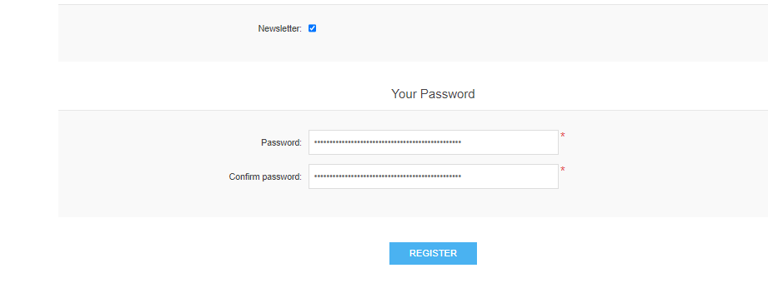
Environment | Platform | DELL Precision
 | Operating System | Windows10
 | Browser | Chrome V10.1
Bug details | Steps to reproduce | "1. Click on 'Register' 2.Enter password that don't match the rule "" least 6 characters and not greater than 20 characters"""
 | Expected result | Notification message should be displayed "Password must meet the following rules: must have at least 6 characters and not greater than 20 characters"
 | Actual result
 | Description
Bug tracking | Severity (Critical - Major -Minor) | Major
 | Assigned to | Developer
 | Priority(High - Medium - Low) | Medium
Notes | Notes

Bug_003
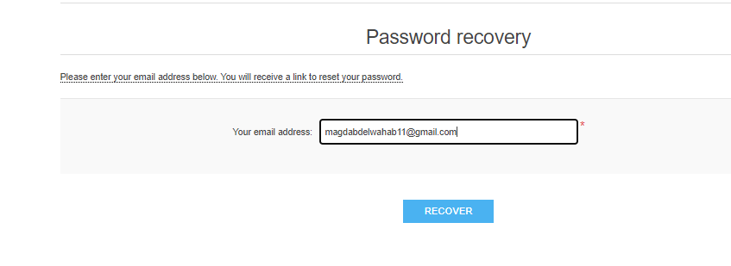
Category | Label | Value
Bug ID | ID number | BUG_003
 | Name | Password recovery Email isn't sent to the registered email
 | Reporter | Magda Abdelwahab
 | Submit Date | 10/23/24
 | TC ID | TC_007
Bug overview | Summary | Password recovery Email isn't sent to the registered email
 | URL | https://demo.nopcommerce.com/passwordrecovery
 | Screenshot (Evidence)
Environment | Platform | DELL Precision
 | Operating System | Windows10
 | Browser | Chrome V10.1
Bug details | Steps to reproduce | 1. Click on 'Login' 2. Enter Valid registered email 3. Click on 'Forget passord' link 4. Enter the registed Email address 5. Click the ""Recover"" button 6. Check the email inbox used in the forget password
 | Expected result | a notification should be displayed "Email with instructions has been sent to you"" & Password recovery Email should be sent.
 | Actual result | no Password recovery Email is sent.
 | Description
Bug tracking | Severity (Critical - Major -Minor) | Major
 | Assigned to | Developer
 | Priority(High - Medium - Low) | Medium
Notes | Notes

Bug_004
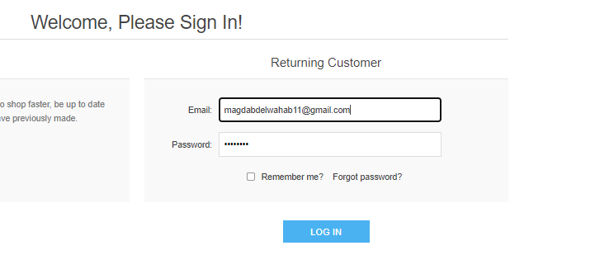
Category | Label | Value
Bug ID | ID number | BUG_004
 | Name | Unsuccessful Login Attempt Limit message not displayed after 5 attempts
 | Reporter | Magda Abdelwahab
 | Submit Date | 10/23/24
 | TC ID | TC_009
Bug overview | Summary | User is able to to try to login after +5 unseccuful attemp to login with invalid credintials
 | URL | https://demo.nopcommerce.com/login?returnUrl=%2F
 | Screenshot (Evidence)
Environment | Platform | DELL Precision
 | Operating System | Windows10
 | Browser | Chrome V10.1
Bug details | Steps to reproduce | 1. Click on 'My Account' Dropdown menu 2. Click on 'Login' 3. Enter invalid email address 4. Enter invalid password 5. Click on 'Login' button 6. repeat steps 3:5 for 5 times
 | Expected result | A warning message should be displayed "exceeding the number of the login attempts , try again within...."
 | Actual result | user shall try to infinate number of attempts to login unsuccessfully
 | Description
Bug tracking | Severity (Critical - Major -Minor) | Major
 | Assigned to | Developer
 | Priority(High - Medium - Low) | Medium
Notes | Notes

BUG_005
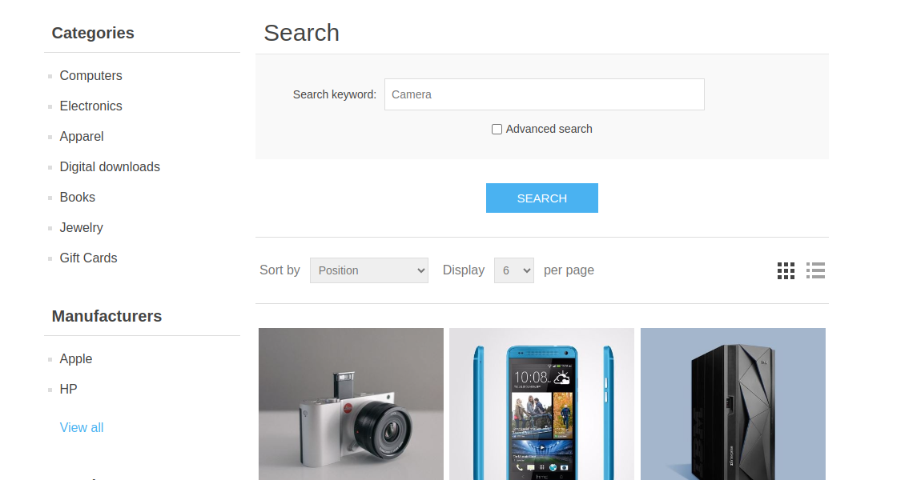
Category | Label | Value
Bug ID | ID number | BUG_005
 | Name | Category Specific Search
 | Reporter | Abdelfattah Moawed
 | Submit Date | 14 / 10 /2024
 | TC ID | DEPI_NopCommerce_Search_TC_006
Bug overview | Summary | Validate the ability to search within a specific category.
 | URL | https://demo.nopcommerce.com/search?q=Camera
 | Screenshot (Evidence) | url to your evidence
Environment | Platform | LENOVO
 | Operating System | ubuntu 22.04
 | Browser | Chrome V10.1
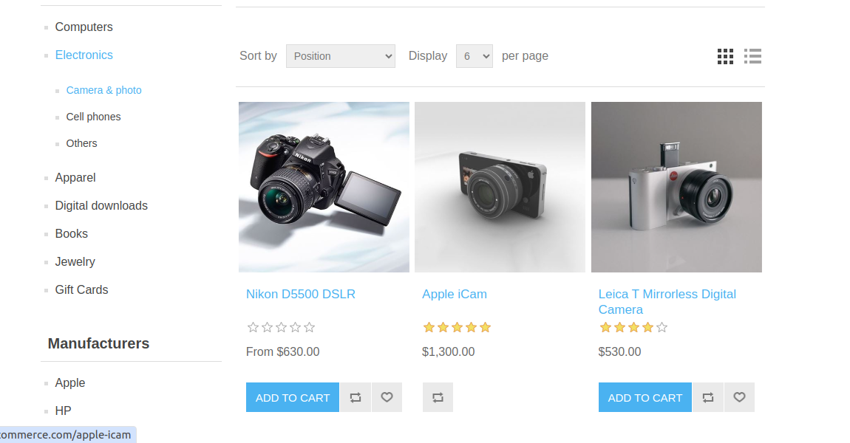
Bug details | Steps to reproduce | 1.Select a category from the homepage 2.Enter a search term related to that category 3.Click the search button.
 | Expected result | The search results are limited to products within the "Electronics" category.
 | Actual result | The search results include unrelated electronics, such as mobile phones and hard disks, which do not match the search term "camera."
 | Description | When performing a search within a specific category (e.g., "Electronics"), the search results display products from other unrelated categories, which is not expected behavior.
Bug tracking | Severity (Critical - Major -Minor) | Major
 | Assigned to | Developer
 | Priority(High - Medium - Low) | High
Notes | Notes

Bug_006
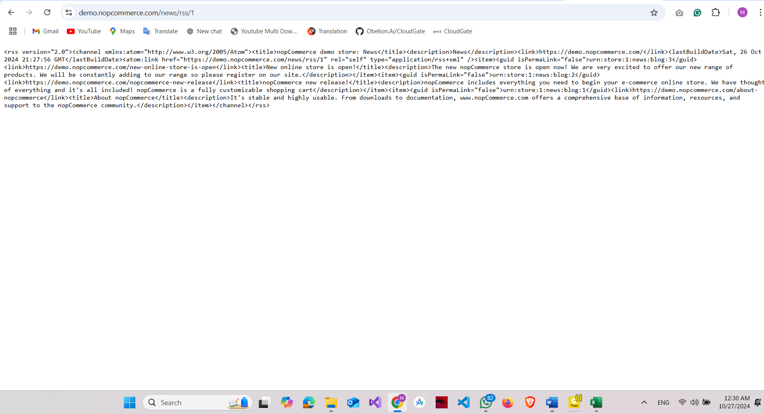
Category | Label | Value
Bug ID | ID number | BUG_006
 | Name | RSS Icon Opens New Tab with XML Instead of User-Friendly Format
 | Reporter | Mohamed Abdelaty
 | Submit Date | 18 / 10 /2024
 | TC ID | DEPI_NopCommerce_Contact Us_TC_003
Bug overview | Summary | The RSS icon on the "Contact Us" page opens a new tab displaying the RSS feed in XML format rather than presenting the information in a user-friendly manner.
 | URL | https://demo.nopcommerce.com/adobe-photoshop-cs4
 | Screenshot (Evidence)
Environment | Platform | MSI
 | Operating System | Windows 11
 | Browser | Chrome V10.1
Bug details | Steps to reproduce | "1- Open URL : https://demo.nopcommerce.com/ 2-Scroll Down to the end of page 3-Click on RSS Icon"
 | Expected result | Direct the user to a user-friendly web page displaying the RSS feed content
 | Actual result | Clicking the RSS icon opens a new tab displaying the RSS feed in XML format
 | Description | Low
Bug tracking | Severity (Critical - Major -Minor) | Developer
 | Assigned to | High
 | Priority(High - Medium - Low) | High
Notes | Notes

Bug_007
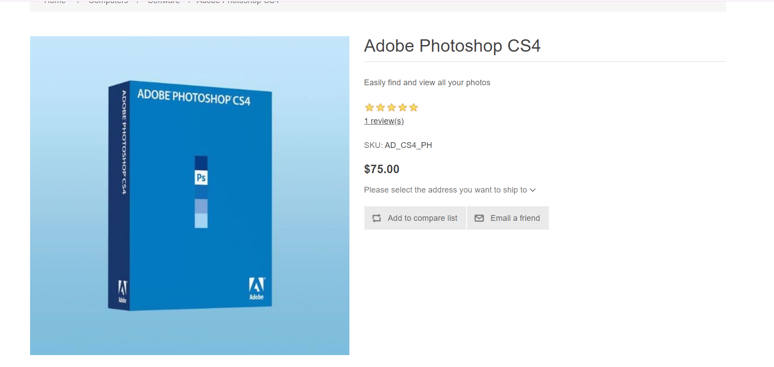
Category | Label | Value
Bug ID | ID number | BUG_007
 | Name | Software Item can't be added to the wishlist
 | Reporter | Ahmed Saif
 | Submit Date | 18 / 10 /2024
 | TC ID | DEPI_NopCommerce_Wihslist_TC_005
Bug overview | Summary | Validate the ability to add any item in the "Software" section under the "Computer" section to the wishlist.
 | URL | https://demo.nopcommerce.com/adobe-photoshop-cs4
 | Screenshot (Evidence)
Environment | Platform | Alienware
 | Operating System | Windows 11
 | Browser | Chrome V10.1
Bug details | Steps to reproduce | "1- Open website 2- Click on the Computer Section 3- Click on Sowftare Section 4-Click on Adope Photoshop item
 | Expected result | There should be an add to wishlist option
 | Actual result | There is no add to wishlist button
 | Description | Any presented item in the website should have an add to wishlist item but this item doesn't have this option
Bug tracking | Severity (Critical - Major -Minor) | Major
 | Assigned to | Developer
 | Priority(High - Medium - Low) | Medium
Notes | Notes

Bug_008
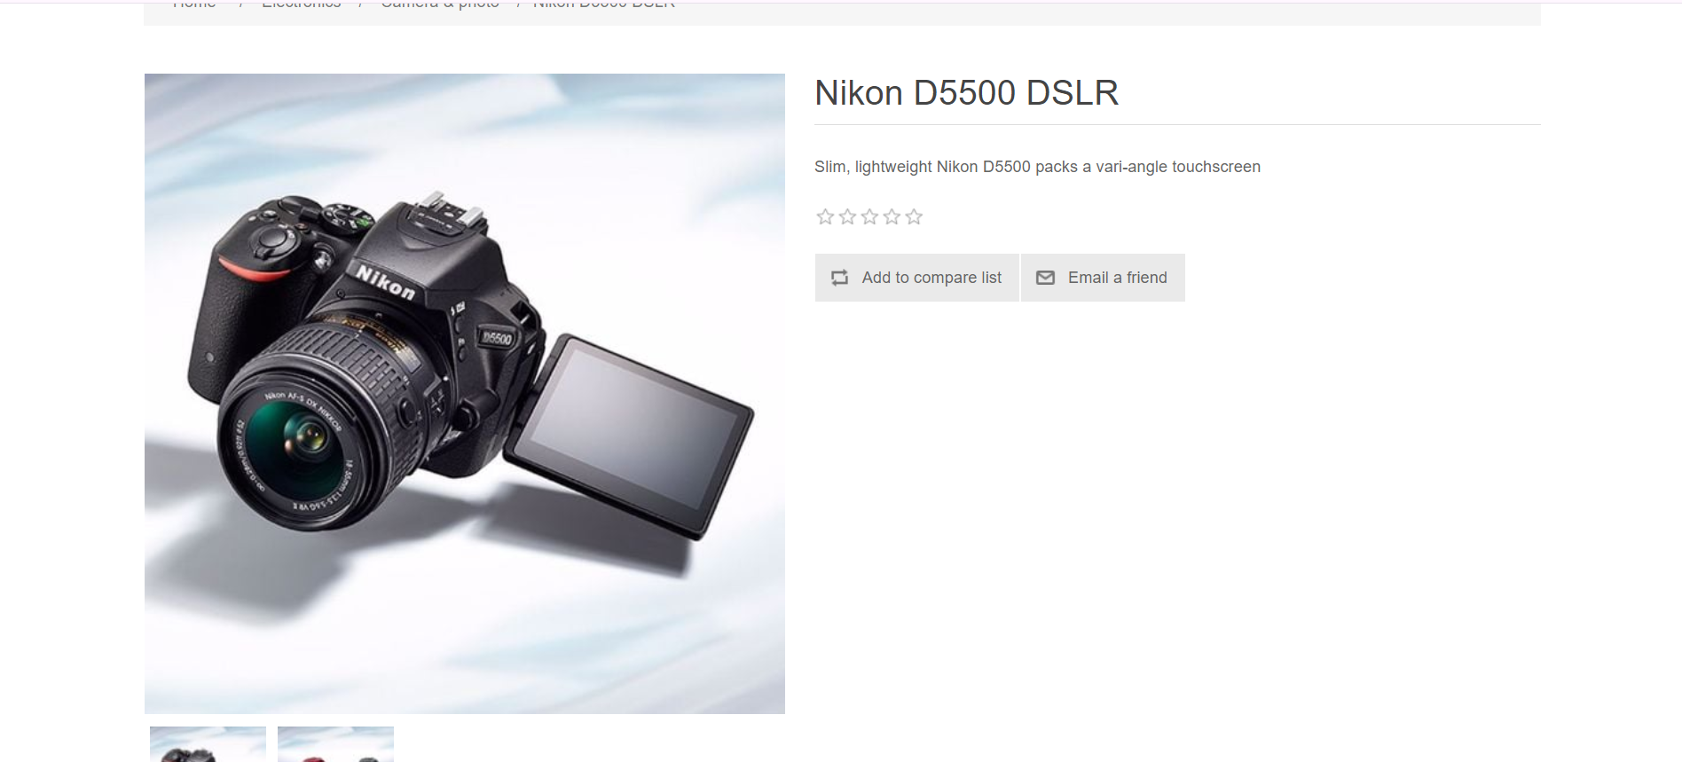
Category | Label | Value
Bug ID | ID number | BUG_008
 | Name | Camera & Photo Item can't be added to the wishlist
 | Reporter | Ahmed Saif
 | Submit Date | 18 / 10 /2024
 | TC ID | DEPI_NopCommerce_Wihslist_TC_010
Bug overview | Summary | Validate the ability to add any item in the "Camera & Photo" section under the "Electronis" section to the wishlist.
 | URL | https://demo.nopcommerce.com/nikon-d5500-dslr
 | Screenshot (Evidence)
Environment | Platform | Alienware
 | Operating System | Windows 11
 | Browser | Chrome V10.1
Bug details | Steps to reproduce | "1- Open website 2- Click on the Electronics Section 3- Click on Camera & Photo Section 4-Click on Nikon item
 | Expected result | There should be an add to wishlist option
 | Actual result | There is no add to wishlist button
 | Description | Any presented item in the website should have an add to wishlist item but this item doesn't have this option
Bug tracking | Severity (Critical - Major -Minor) | Major
 | Assigned to | Developer
 | Priority(High - Medium - Low) | Medium
Notes | Notes

Bug_009
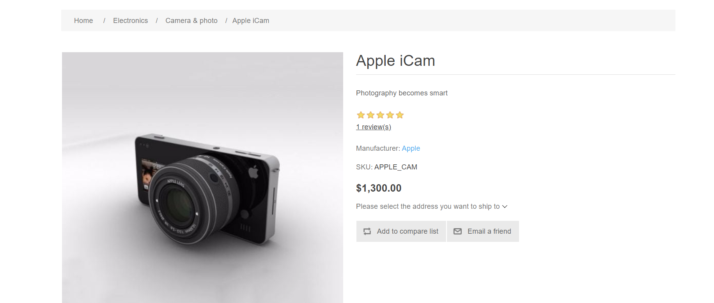
Category | Label | Value
Bug ID | ID number | BUG_009
 | Name | Camera & Photo Item can't be added to the wishlist
 | Reporter | Ahmed Saif
 | Submit Date | 18 / 10 /2024
 | TC ID | DEPI_NopCommerce_Wihslist_TC_010
Bug overview | Summary | Validate the ability to add any item in the "Camera & Photo" section under the "Electronis" section to the wishlist.
 | URL | https://demo.nopcommerce.com/apple-icam
 | Screenshot (Evidence)
Environment | Platform | Alienware
 | Operating System | Windows 11
 | Browser | Chrome V10.1
Bug details | Steps to reproduce | "1- Open website 2- Click on the Electronics Section 3- Click on Camera & Photo Section 4-Click on Apple icam item
 | Expected result | There should be an add to wishlist option
 | Actual result | There is no add to wishlist button
 | Description | Any presented item in the website should have an add to wishlist item but this item doesn't have this option
Bug tracking | Severity (Critical - Major -Minor) | Major
 | Assigned to | Developer
 | Priority(High - Medium - Low) | Medium
Notes | Notes

