Sheet1
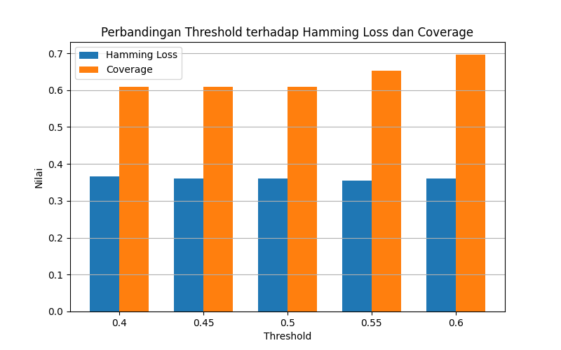
threshold | loss | coverage
0.4 | 0.36645962733 | 0.60869565217
0.45 | 0.3602484472 | 0.60869565217
0.5 | 0.3602484472 | 0.60869565217
0.55 | 0.35403726708 | 0.65217391304
0.6 | 0.3602484472 | 0.69565217391

