Charts Overview
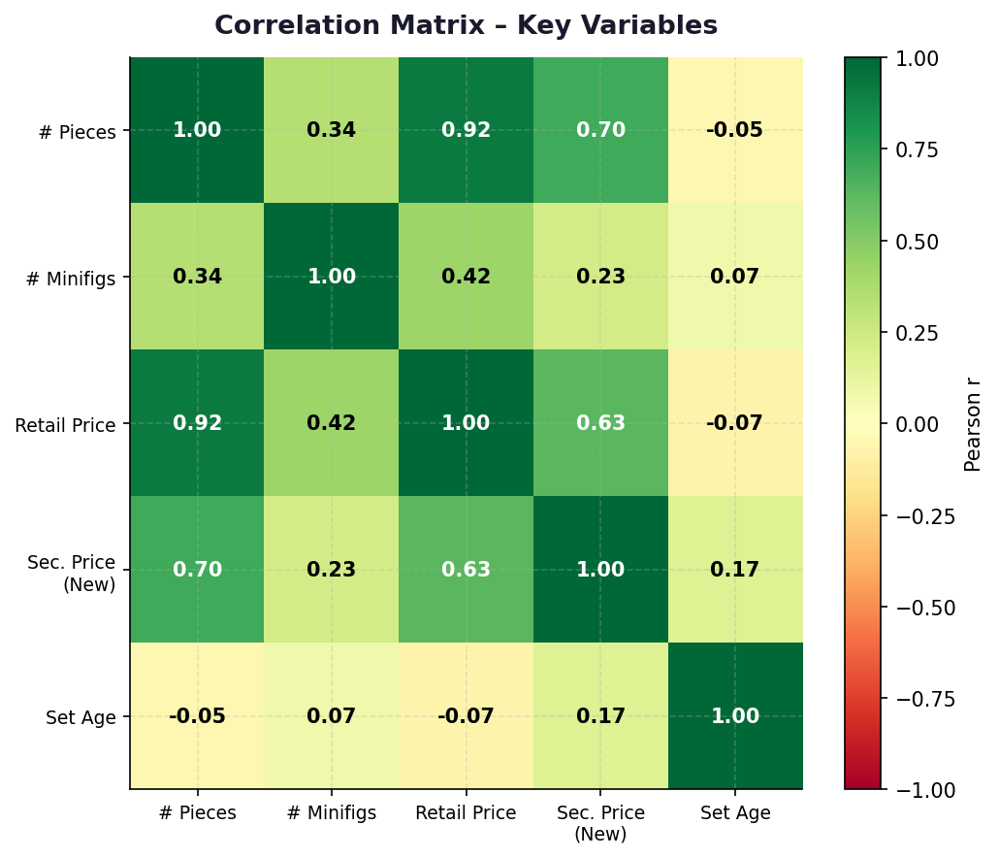
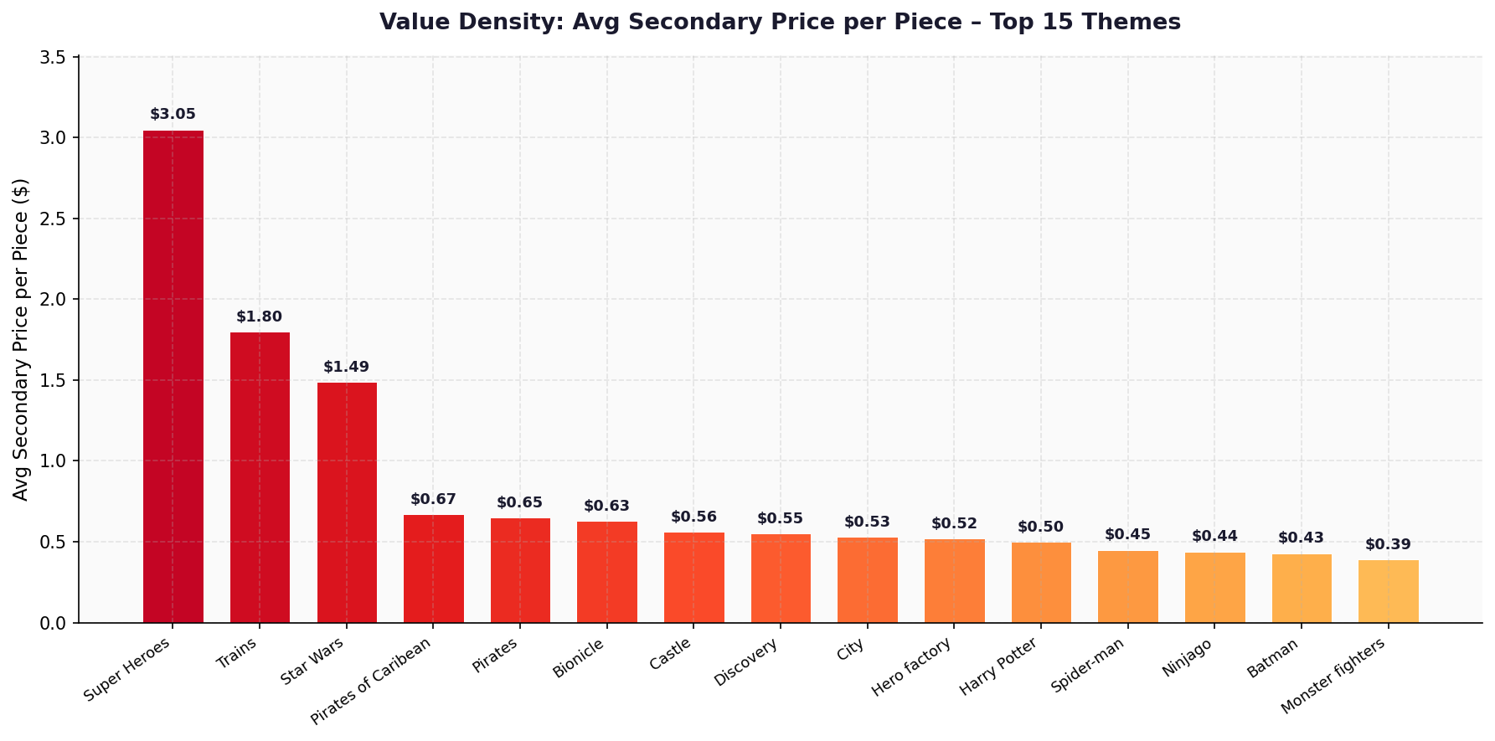
🧱 LEGO Descriptive Analytics — Charts Dashboard

Chart 1 — Sets per Theme (Top 20) | Chart 2 — Avg Secondary Price by Theme
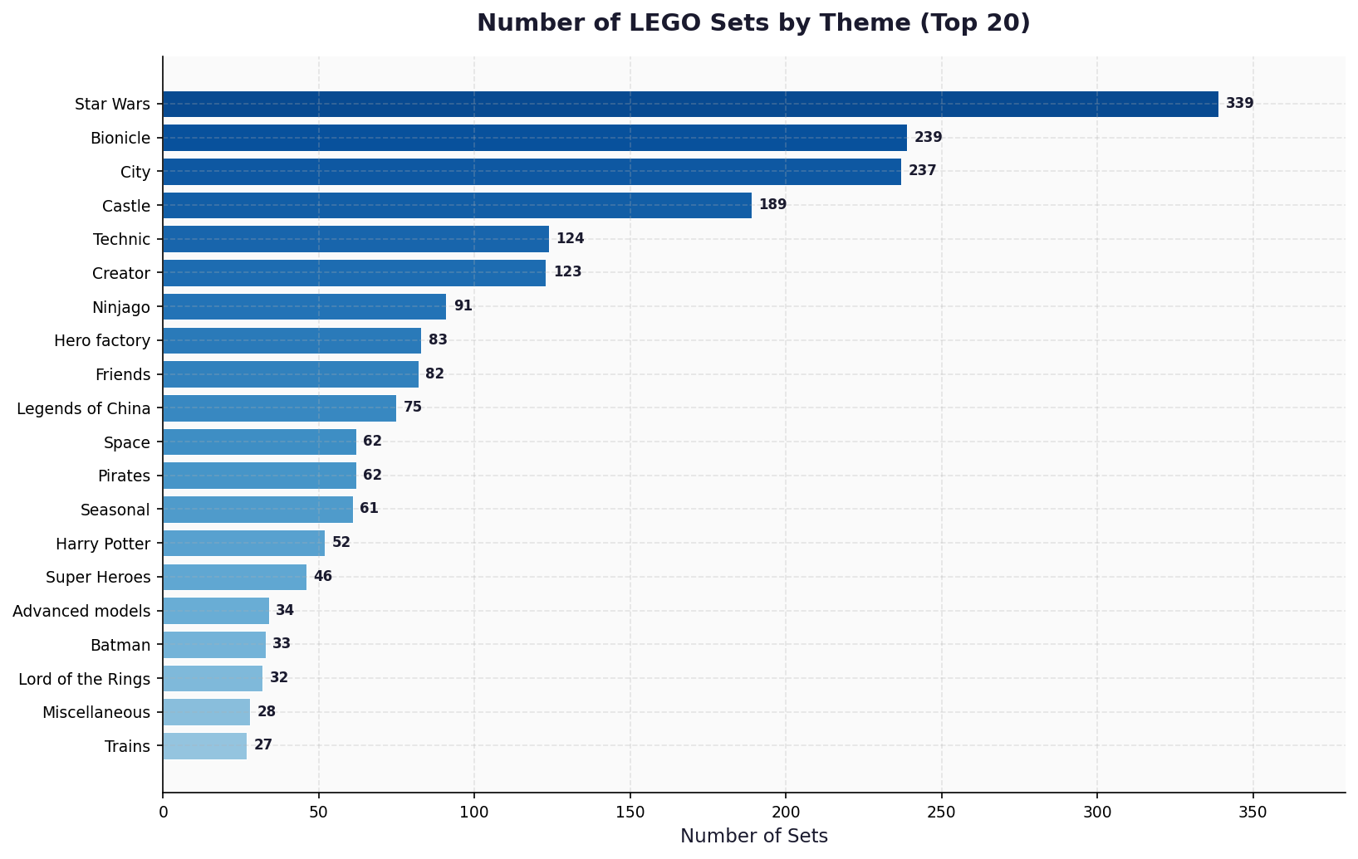
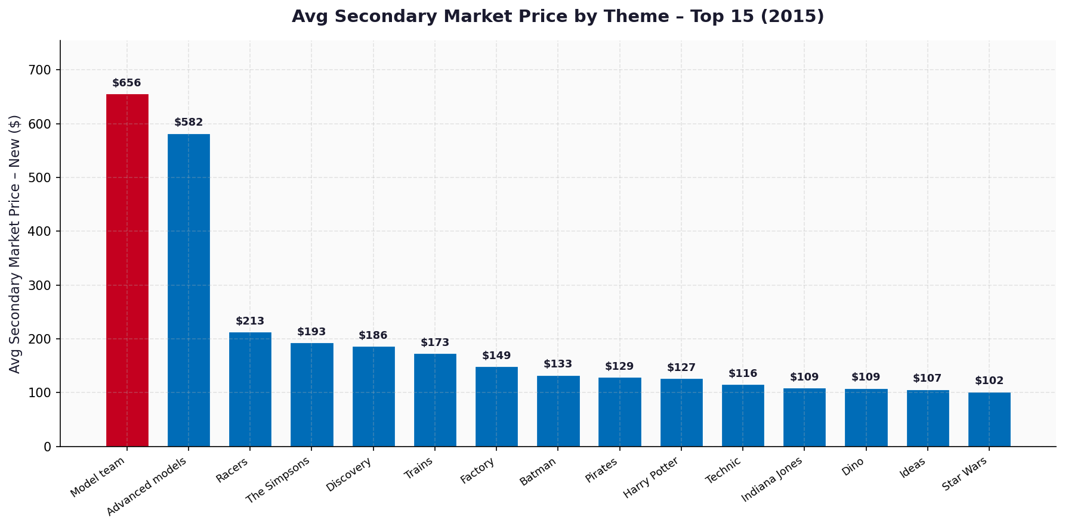

Chart 3 — Avg Premium % by Theme | Chart 4 — Sets per Year & Avg Price
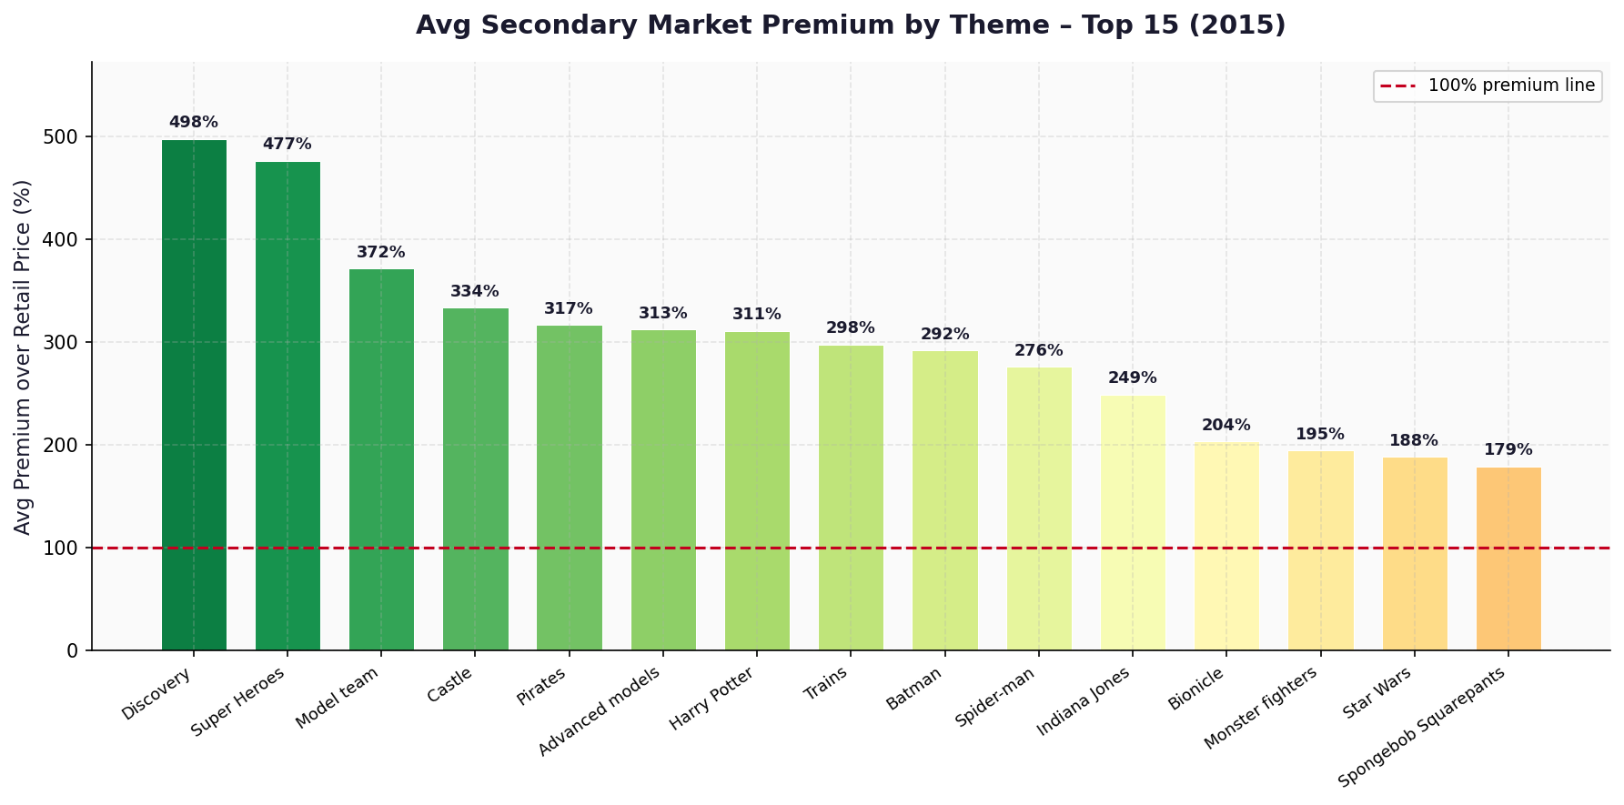
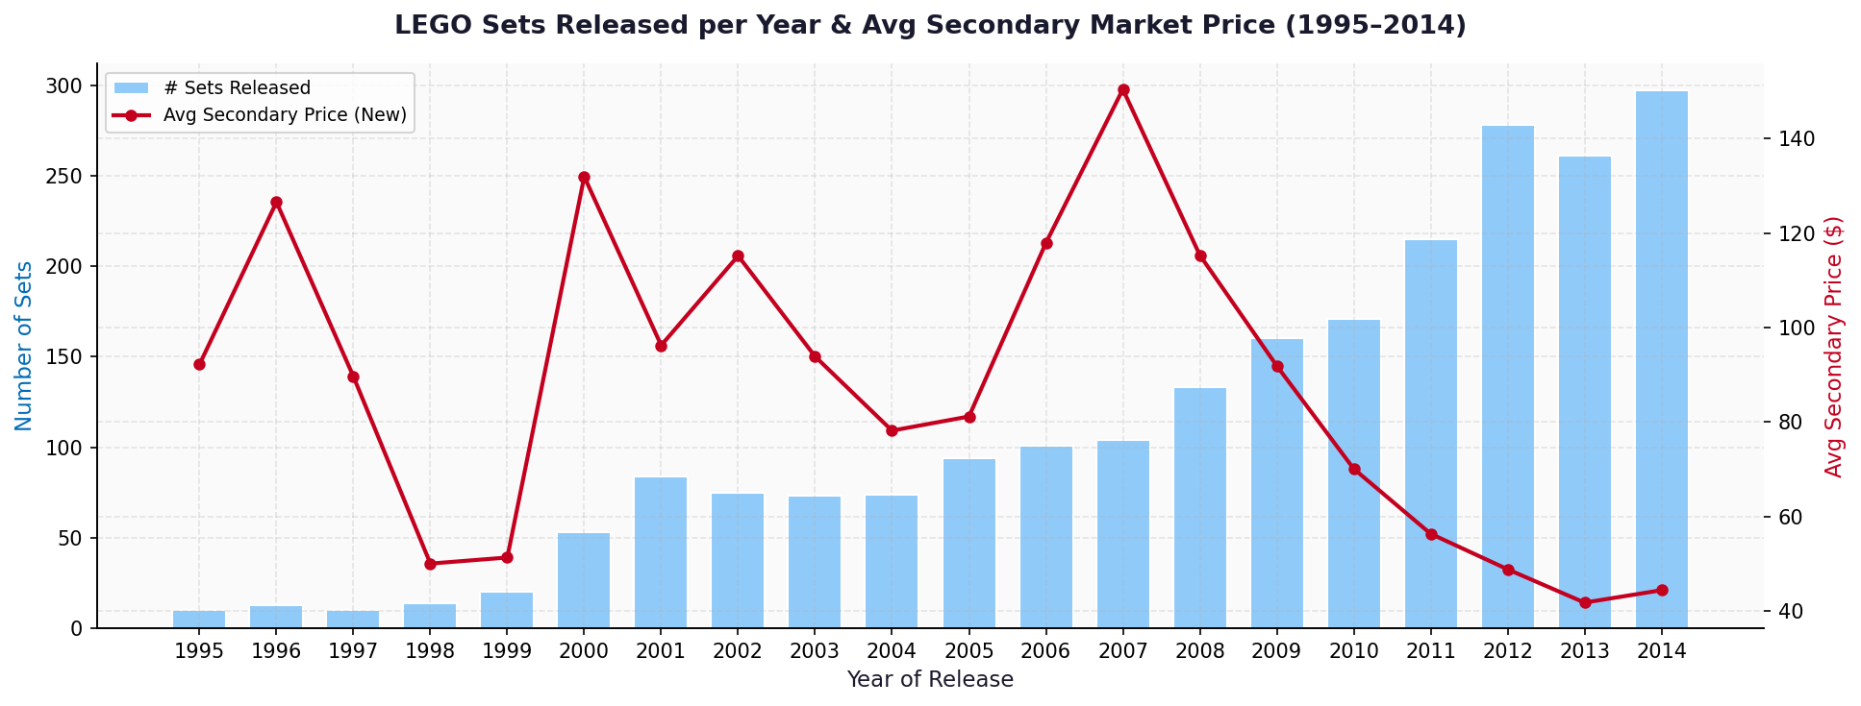

Chart 5 — Price Comparison by Theme | Chart 6 — Premium % Distribution
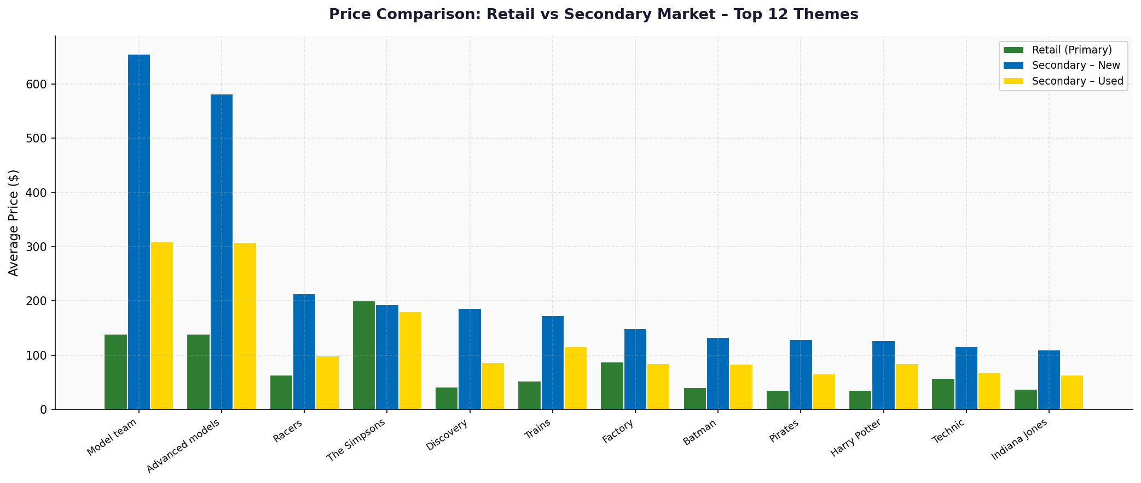
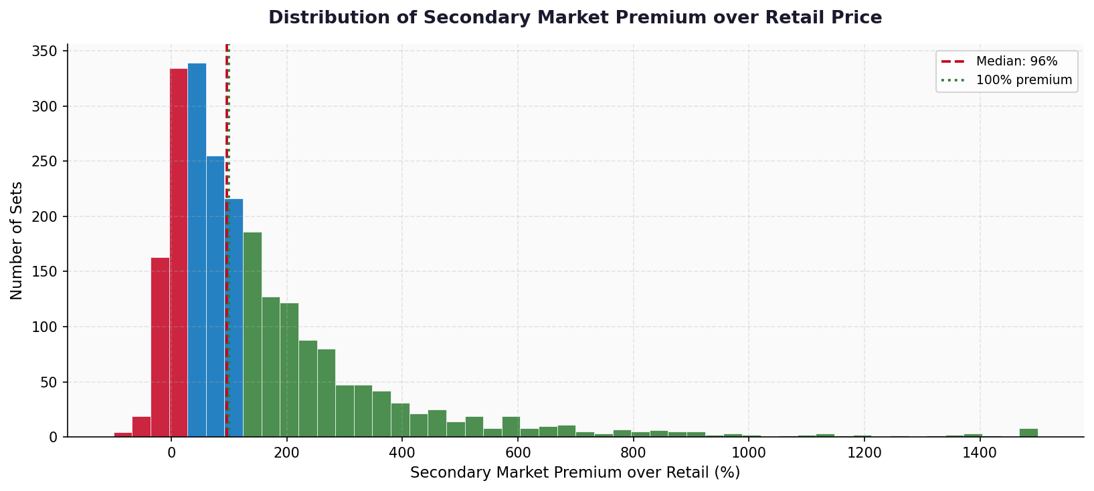

Chart 7 — Price by Size Group | Chart 8 — Scatter: Pieces vs Price
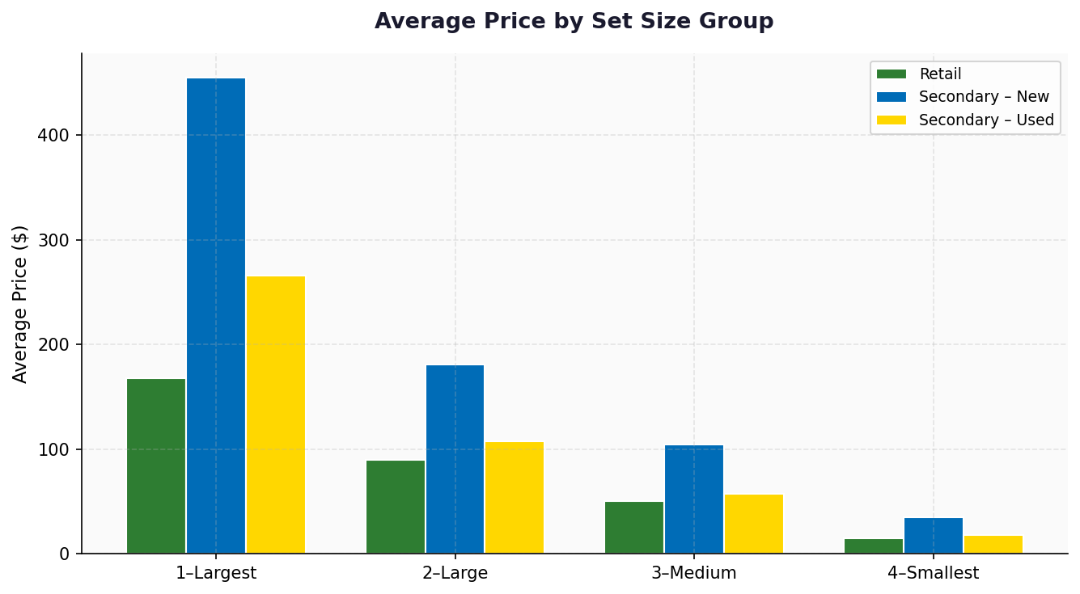
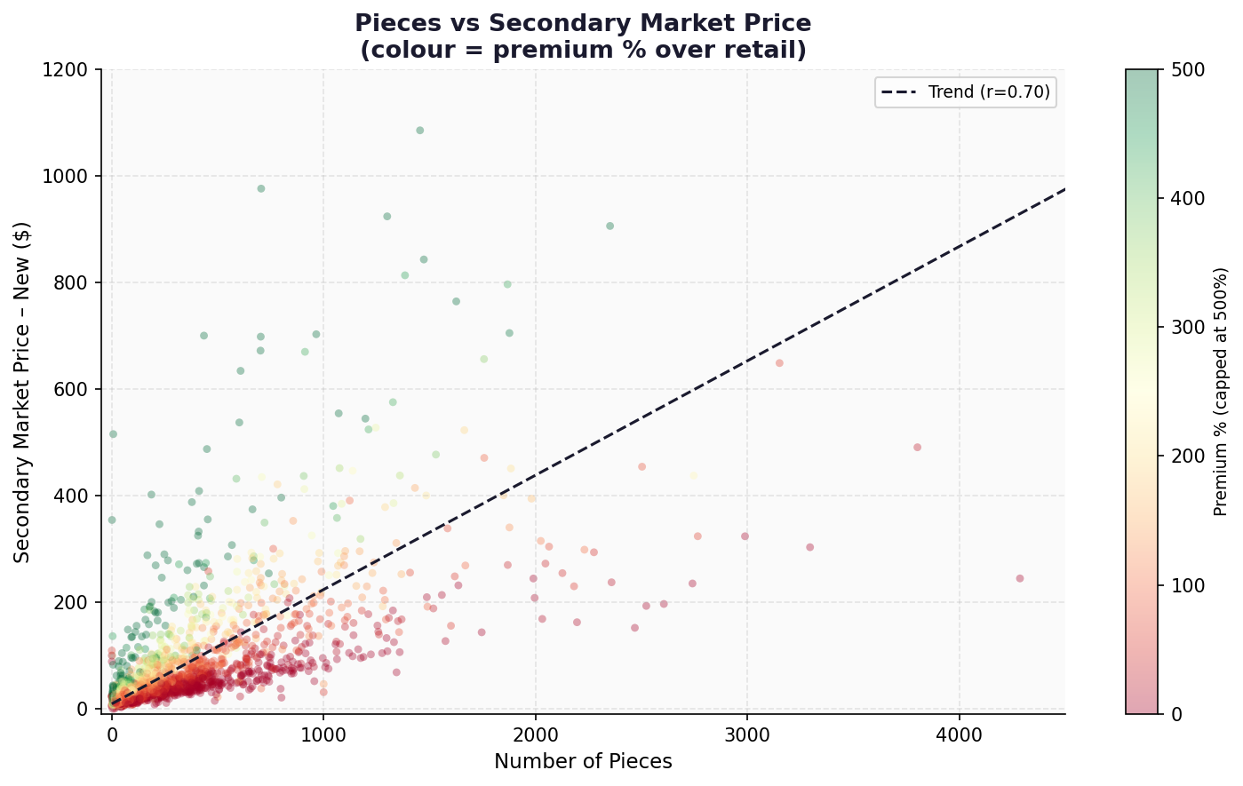

Chart 9 — Correlation Heatmap | Chart 10 — Price per Piece by Theme

