Camera setup
a

b
6 axis optical mount
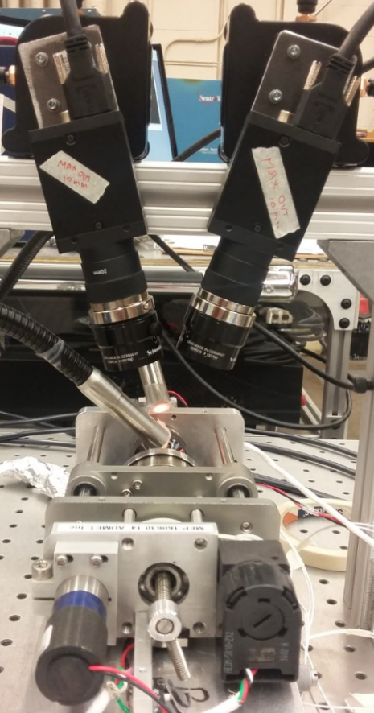

Left camera
Right camera
Left camera
Right camera
1 mm

Fiber optic light

MMTS load frame on vibration isolated optical breadboard

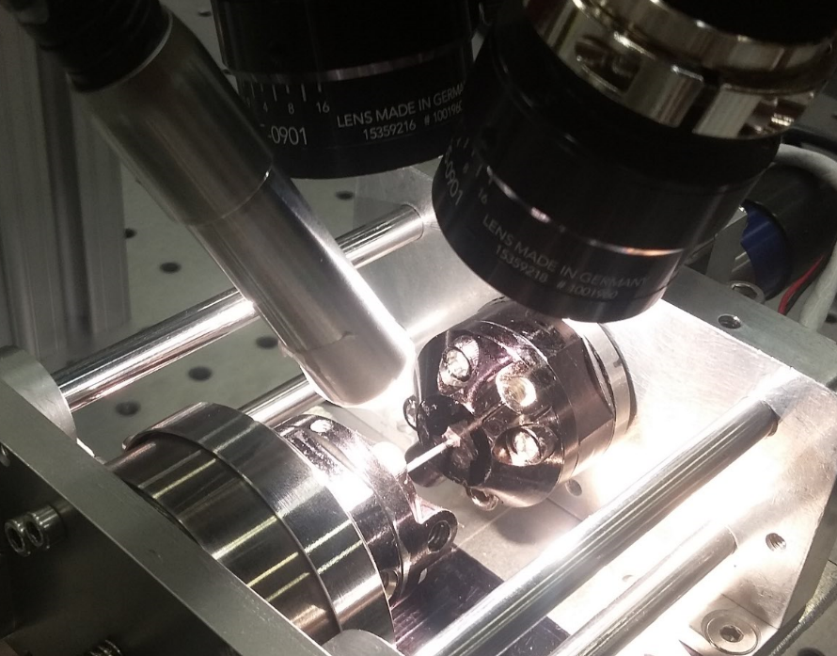
Left lens
Right lens
Left lens
Right lens

Fiber optic lighting

Fiber optic lighting

1 mm

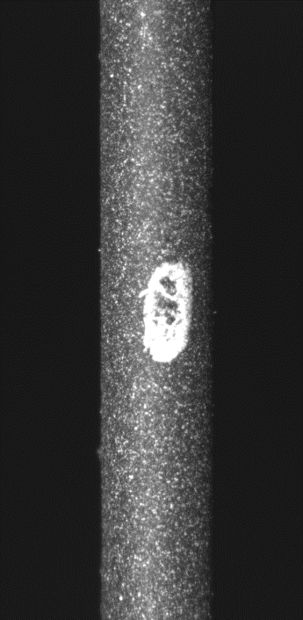

Speckled sample
Speckled specimen

