Gender Distribution of Hires
Hired and Grand Total

Salary Distribution
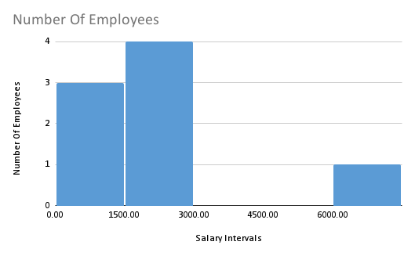

Departmental Analysis
Number Of Employees vs Department

Position Tier Analysis
Number Of Employees vs Post Name

