Bug-Reporting Update Mail ID
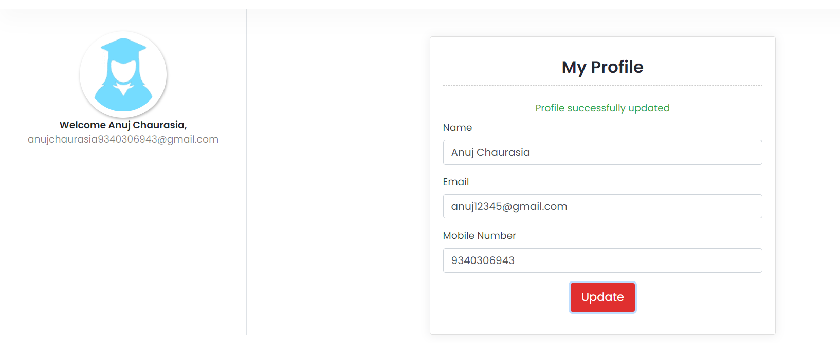
BUG REPORT

1 | Bug Id- | Bug_001
2 | Bug Name- | When user enter thekiranacademy.com/test and go to the My Account option and select Profile module and click on View Profile button. And select Email ID textbox and enter new mail ID and click on Update Button. So user updated mail ID is not appear on screen.
3 | Bug Description- | When user enter thekiranacademy.com/test and go to the My Account option and select Profile module and click on View Profile button. And select Email ID textbox and enter new mail ID and click on Update Button. So user updated mail ID is not appear on screen. But user want when they will enter new mail ID and click on Update button. So updated mail ID should be display on screen.
4 | Step to reproduce Bug- | 1. Open new tab on Browser 2. Enter thekiranacademy.com/test 3. And click on My Account link 4. Go to the Profile module/functionality and click on view profile option 5. And select Email textbox field 6. Enter new mail ID 7. Click on Update Button.
5 | Test case Id- | TC_031
6 | Status of bug- | New
7 | severity of bug- | High
8 | priority of bug- | High
9 | Reproducibility of bug- | Always
10 | Screensort of bug- | Yes Available

