SSL
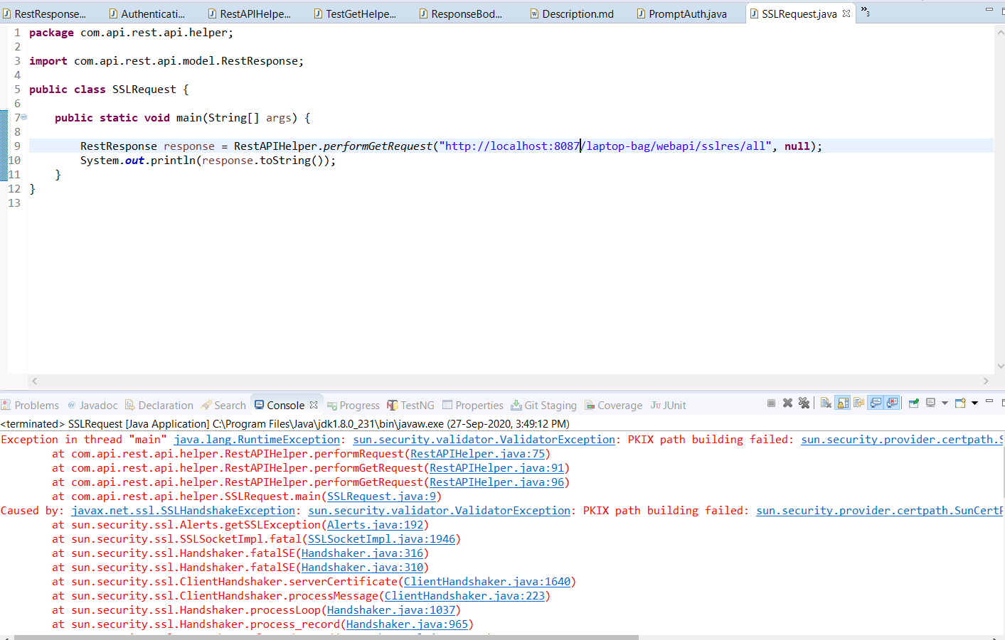
SSL creation by tomcat
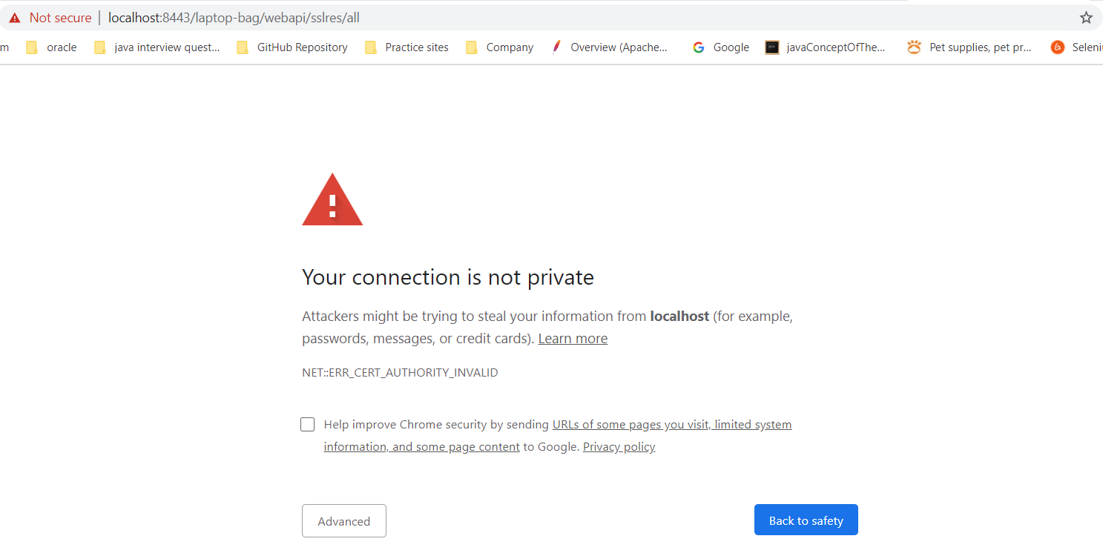

keytool -genkey -alias tomcat -keyalg RSA -keystore mykey.keystore

adminjava

(Find the SSLCERTIFICATE_CMD.png)
In command prompt navigate to that bin directory = C:\Program Files\Java\jdk1.8.0_231\bin
1- For generating SSL cretificate - keytool -genkey -alias tomcat -keyalg RSA -keystore mykey.keystore and create password - adminjava
2- For giving name - localhost
3- For Contry code - IN
4- Enter Yes
5- Give password - adminjava
6- Give the command - explorer .

Now stop tomcat running mode from services (win+R - stop tomcat)
Clean log directory - C:\Program Files\Apache Software Foundation\Tomcat 8.5\logs\
Now again start the tomcat server from services.
I want to support the SSL certificate to Tomcat server so we need to go the Tomcat directory and open server.xml file.
1- Go to - C:\Program Files\Apache Software Foundation\Tomcat 8.5\
2- Under conf folder - \conf\
3- Open server.xml
4- Most imp - Before any modification take backeup of server.xml (just copy and paste file , it will be created with server-copy.xml name)
5- Now search for SSL in server.xml
6- Add below in server.xml <Connector SSLEnabled="true" acceptCount="100" clientAuth="false" enableLookups="false" disableUploadTimeout="true" maxThreads="25" port="8443" keystoreFile="C:\\Program Files\\Java\jdk1.8.0_231\\bin\\mykey.keystore" keystorePass="adminjava" protocol="org.apache.coyote.http11.Http11NioProtocol" scheme="https" secure="true" sslProtocol="TLS" />

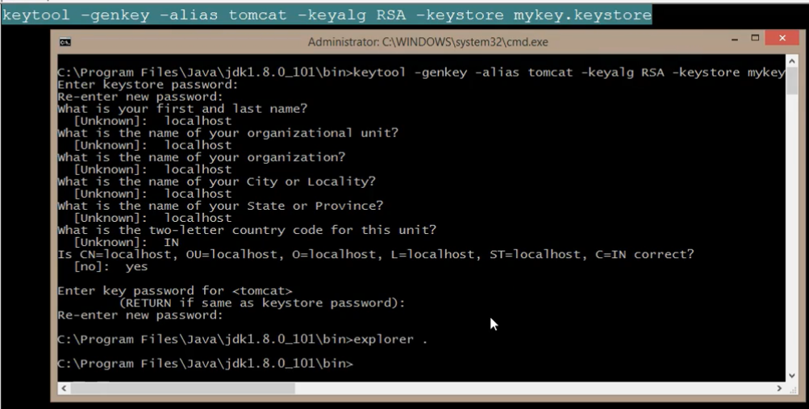

See the below execution result which throws SSL Certificate issue.

