Index
Mutual Fund Dashboard Analysis & Risk–Return Interpretation
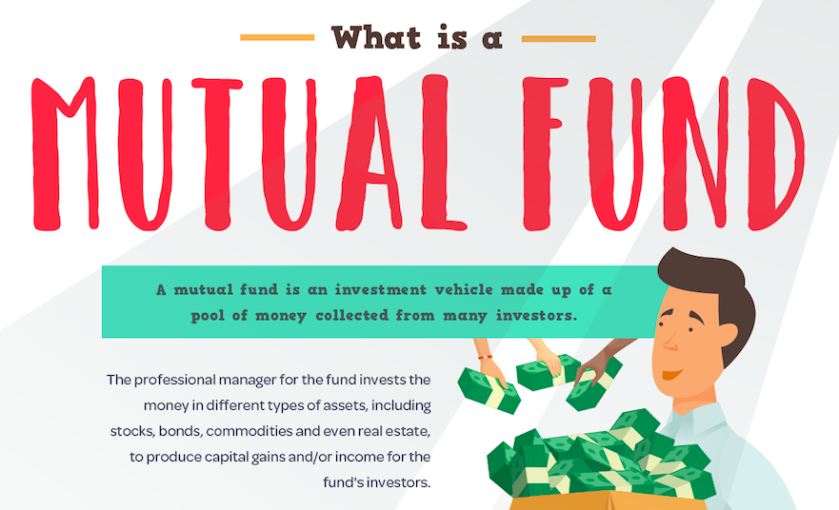

SBI Balanced Advantage Fund

Tata Arbitrage Fund

Canara Robeco Large CAP Fund

Edelweiss liquid fund

HDFC NIFTY Next 50 Index Fund

DASHBOARD

MUTUAL FUND DASHBOARD

 | Average Return
SBI Balanced Advantage Fund | 2.81%
Tata Arbitrage Fund | 4.03%
Canara Robeco Large Cap Fund | 0.63%
Edelweiss Liquid fund | 3.73%
HDFC NIFTY Next 50 Index Fund | -7.28%
 | BETA
SBI Balanced Advantage Fund | 0.47
Tata Arbitrage Fund | 0.11
Canara Robeco Large Cap Fund | 0.82
Edelweiss Liquid fund | -0.01
HDFC NIFTY Next 50 Index Fund | 0.83

Tata Arbitrage Fund

Edelweiss liquid fund

HDFC Nifty Next 50 Index Fund
 | Treynor Ratio
SBI Balanced Advantage Fund | -0.07
Tata Arbitrage Fund | -0.19
Canara Robeco Large Cap Fund | -0.07
Edelweiss Liquid fund | 3.39
HDFC NIFTY Next 50 Index Fund | -0.16
Jensen's alpha
 | Jensen's alpha
SBI Balanced Advantage Fund | 0.08%
Tata Arbitrage Fund | -1.81%
Canara Robeco Large Cap Fund | 0.01%
Edelweiss Liquid fund | -2.33%
HDFC NIFTY Next 50 Index Fund | -2.35%
Annualised &STD
 | Annualised Return | Standard Deviation
SBI Balanced Advantage Fund | 9.22% | 3.90%
Tata Arbitrage Fund | 7.17% | 2.14%
Canara Robeco Large Cap Fund | 7.56% | 4.88%
Edelweiss Liquid fund | 6.65% | 2.01%
HDFC NIFTY Next 50 Index Fund | -2.51% | 5.14%

Canara Robeco Large Cap Fund

SBI Balanced Advantage Fund

KPI
Fund Name | Average Return | BETA | Annualised Return | Standard Deviation | Sharpe Ratio | Treynor Ratio | Jensen's alpha | Risk-Adjusted Rank
SBI Balanced Advantage Fund | 2.81% | 0.47 | 9.22% | 3.90% | -0.82 | -0.07 | 0.08% | 1 (BEST)
Tata Arbitrage Fund | 4.03% | 0.11 | 7.17% | 2.14% | -0.92 | -0.19 | -1.81% | 2
Canara Robeco Large Cap Fund | 0.63% | 0.82 | 7.56% | 4.88% | -1.10 | -0.07 | 0.01% | 3
Edelweiss Liquid fund | 3.73% | -0.01 | 6.65% | 2.01% | -1.13 | 3.39 | -2.33% | 4
HDFC NIFTY Next 50 Index Fund | -7.28% | 0.83 | -2.51% | 5.14% | -2.58 | -0.16 | -2.35% | 5 (WORST)

Jensen's alpha
Annualised &STD

