SOC
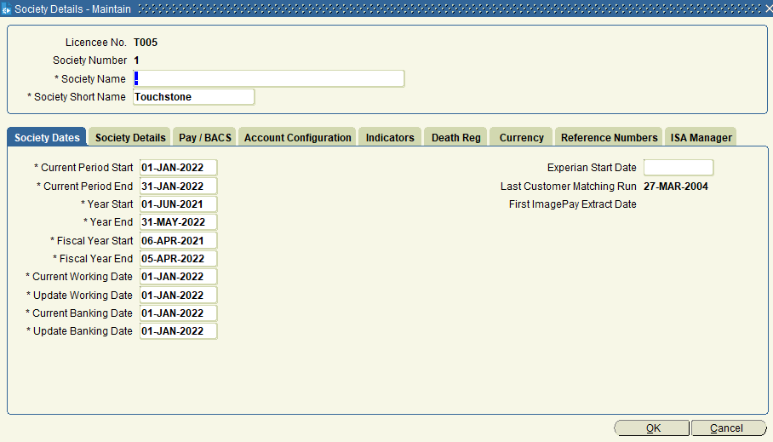
Select * From Societies Order by Soc_Seqno;

 | Society-Number | Name | Shortname
 | 1 | - | Touchstone
 | 2 | Touchstone Financial (Ireland) | Touchstone (I)

WCAL
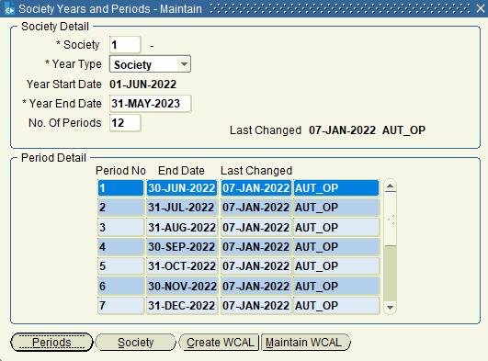
Select * From Society_Years Where (Socy_Soc_Seqno,Socy_Yr_Type,Socy_YrStart_Date) in (Select Socy_Soc_Seqno,Socy_Yr_Type,Max(Socy_YrStart_Date) From Society_Years Group by Socy_Soc_Seqno,Socy_Yr_Type) Order by Socy_Soc_Seqno,Socy_Yr_Type,Socy_YrStart_Date;

 | Society-Number | Year Type | Year Start Dat | Year End Date | No. of Periods
 | 1 | F - Fiscal | 6-Apr-22 | 5-Apr-23
 | 1 | S - Society | 1-Jun-22 | 31-May-23 | 12
 | 2 | F - Fiscal | 1-Jan-17 | 31-Dec-17
 | 2 | S - Society | 1-Jan-17 | 31-Dec-17 | 12

Society Periods are maintain for Fiscal year
Select * From society_periods Where (socp_soc_seqno, socp_yrstart_date) in (Select socp_soc_seqno, max(socp_yrstart_date) From society_periods Group by socp_soc_seqno) Order by socp_soc_seqno, socp_perno;

 | Society-Number | Year Start Date | Period No. | Period End Date
 | 1 | 1-Jun-22 | 1 | 30-Jun-22
 | 1 | 1-Jun-22 | 2 | 31-Jul-22
 | 1 | 1-Jun-22 | 3 | 31-Aug-22
 | 1 | 1-Jun-22 | 4 | 30-Sep-22
 | 1 | 1-Jun-22 | 5 | 31-Oct-22
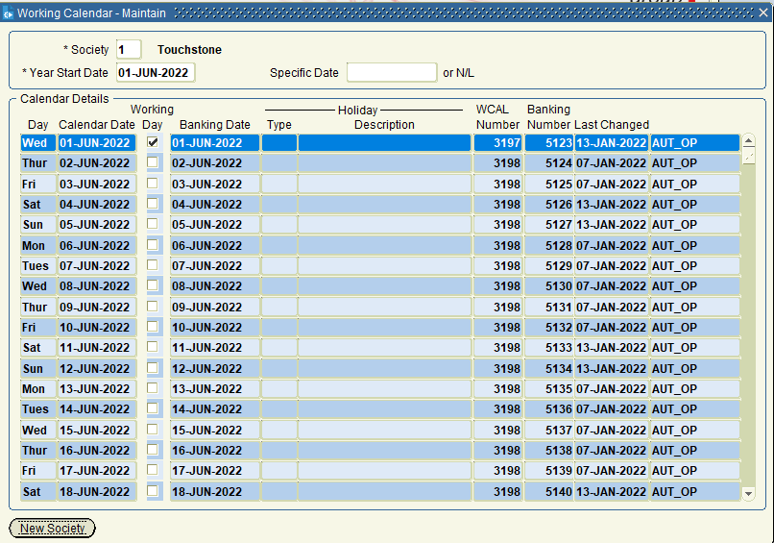
 | 1 | 1-Jun-22 | 6 | 30-Nov-22
 | 1 | 1-Jun-22 | 7 | 31-Dec-22
 | 1 | 1-Jun-22 | 8 | 31-Jan-23
 | 1 | 1-Jun-22 | 9 | 28-Feb-23
 | 1 | 1-Jun-22 | 10 | 31-Mar-23
 | 1 | 1-Jun-22 | 11 | 30-Apr-23
 | 1 | 1-Jun-22 | 12 | 31-May-23
 | 2 | 1-Jan-17 | 1 | 31-Jan-23
 | 2 | 1-Jan-17 | 2 | 28-Feb-17
 | 2 | 1-Jan-17 | 3 | 31-Mar-17
 | 2 | 1-Jan-17 | 4 | 30-Apr-17
 | 2 | 1-Jan-17 | 5 | 31-May-17
 | 2 | 1-Jan-17 | 6 | 30-Jun-17
 | 2 | 1-Jan-17 | 7 | 31-Jul-17
 | 2 | 1-Jan-17 | 8 | 31-Aug-17
 | 2 | 1-Jan-17 | 9 | 30-Sep-17
 | 2 | 1-Jan-17 | 10 | 31-Oct-17
 | 2 | 1-Jan-17 | 11 | 30-Nov-17
 | 2 | 1-Jan-17 | 12 | 31-Dec-17

BRANCHES
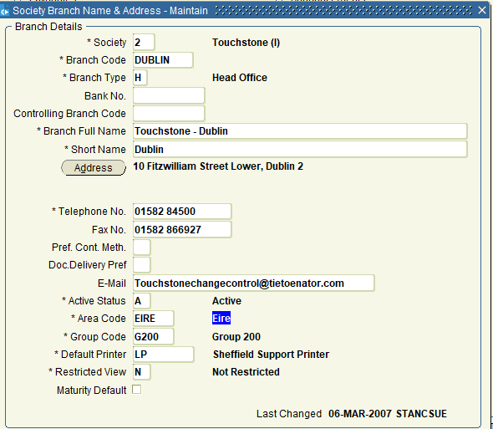
Select * From Branches Order by Brn_Soc_Seqno;

 | Society-Number | Branch Code | Branch Name | Branch Type | Roles | Branch Owner | Address | AREA-CODE
 | 1 | HOF | Touchstone Head Office | H | ,DBA,DM,PBU,PCO,GEN,DSN, |  | Gainsborough House, Houghton Hall Park, Houghton Regis, Bedfordshire, LU5 5XF | SE-South East
 | 1 | SHEF | Touchstone - Sheffield Branch | B | ,PCO,DM,DSN,GEN,DBA,PBU, |  | 19 Carbrook Hall Road, Sheffield, S9 2EH | EMID-East Midland
 | 1 | LEEDS | Touchstone - Leeds Branch | B | ,DBA,PCO,PBU,DM,DSN,GEN, |  | 2150 Thorpe Park, Leeds, LS15 8ZB | NE-North East
 | 1 | CONGL | Touchstone - Congleton Agency | A | ,DBA,PCO,PBU,DM,DSN,GEN, | HOF | Riverside, Mountbatten Way, Congleton, Cheshire, CW12 1DY | WMID-West Midlands
 | 2 | DUBLIN | Touchstone - Dublin | H | ,DBA,PCO,PBU,GEN,DM,DSN, |  | 10 Fitzwilliam Street Lower, Dublin 2 | EIRE-Eire

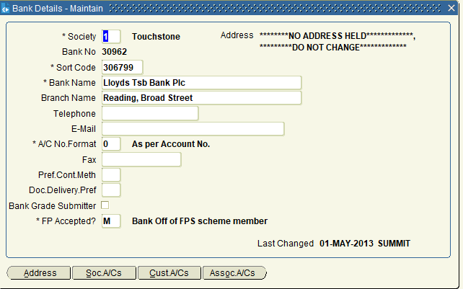
Select * From Bank_Details Where Bank_Soc_Seqno = 1 AND Bank_Seqno = 30962;

 | Society-Number | Bank Seqno | Bank Sort Code | Bank Name | Branch Name | Address
 | 1 | 30962 | 306799 | Lloyds Tsb Bank Plc | Reading, Broad Street | No Address Held

Select Bank_Soc_Seqno,count(1) From Bank_Details Group by Bank_Soc_Seqno Order by Bank_Soc_Seqno;

 | Society-Number | Count
 | 1 | 7411
 | 2 | 7410

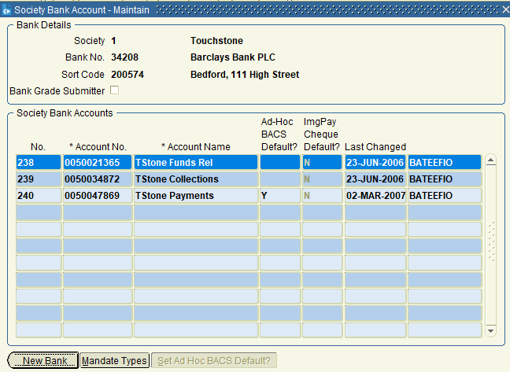
Select * From Society_Banks Order by Sb_Soc_Seqno, Sb_Accno;

 | Society-Number | Bank Seqno | Account No. | Account Name
 | 1 | 34208 | 50021365 | TStone Funds Rel
 | 1 | 34208 | 50034872 | TStone Collections
 | 1 | 34208 | 50047869 | TStone Payments
 | 2 | 39410 | 30023459 | TStone I Funds Rel
 | 2 | 39410 | 30041298 | TStone I Collects
 | 2 | 39410 | 30067765 | TStone I Payments

SETUP_RATE
Select * From Standard_Rates sr Where sr.Stan_Eff_Date = (Select Max(sr1.Stan_Eff_Date) From Standard_Rates sr1 Where sr1.Stan_Soc_Seqno = sr.Stan_Soc_Seqno and sr1.Stan_Scheduled = 'Y' and sr1.stan_code = sr.stan_code) AND sr.Stan_Scheduled = 'Y' Order by Stan_Soc_Seqno, Stan_Code;
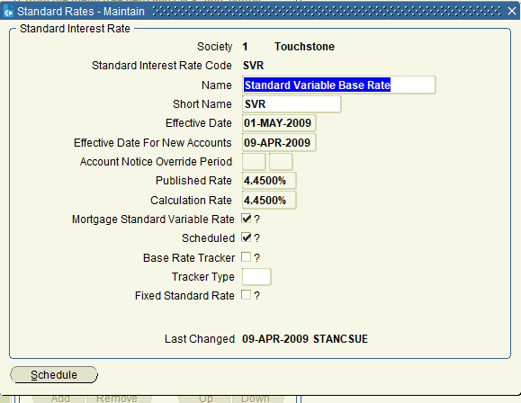
 | Society-Number | Standard Code | Short Name | Standard Name | Published Rate | Calculation Rate | Effective Date | New Effective Date for New A/C | Standard Variable Rate
 | 1 | BOE | BoE Base Rate | Bank of England Base Rate | 0.5 | 0.5 | 6-Mar-2015 | 6-Mar-2015 | N
 | 1 | CURR | Current base | Current Accounts Base Rate | 0.08 | 0.08 | 1-May-2009 | 9-Apr-2009 | N
 | 1 | IR150 | IR150 | IR150 | 6.76 | 6.76 | 1-May-2021 | 1-May-2021 | N
 | 1 | IR239 | IR239 | IR239 | 6.76 | 6.76 | 1-May-2021 | 1-May-2021 | N
 | 1 | IR286 | IR286 | IR286 | 6.76 | 6.76 | 1-May-2021 | 1-May-2021 | N
 | 1 | IR483 | IR483 | IR483 | 6.76 | 6.76 | 1-May-2021 | 1-May-2021 | N
 | 1 | IR491 | IR491 | IR491 | 6.76 | 6.76 | 1-May-2021 | 1-May-2021 | N
 | 1 | IR492 | IR492 | IR492 | 6.76 | 6.76 | 1-May-2021 | 1-May-2021 | N
 | 1 | IR834 | IR834 | IR834 | 6.76 | 6.76 | 1-May-2021 | 1-May-2021 | N
 | 1 | IR893 | IR893 | IR893 | 6.76 | 6.76 | 1-May-2021 | 1-May-2021 | N
 | 1 | ISVR | Investment Rate | Investment Standard Base Rate | 2.01 | 2.01 | 1-May-2009 | 9-Apr-2009 | N
 | 1 | SVR | SVR | Standard Variable Base Rate | 4.45 | 4.45 | 1-May-2009 | 9-Apr-2009 | Y
 | 1 | ZERO | Zero Rate | Zero Rate | 0 | 0 | 1-Jan-2000 | 1-Jan-2000 | N
 | 2 | CURR | Current base | Current Accounts Base Rate | 0.1 | 0.1 | 1-May-2009 | 9-Apr-2009 | N
 | 2 | FITRCH | FIT Rate Change | FIT Test with Rate Change | 5 | 5 | 1-Jan-2000 | 1-Jan-2000 | N
 | 2 | FITSTD | Rep Calc FIT | Rep Calc FIT Test Standard | 4 | 4 | 1-Jan-2000 | 1-Jan-2000 | N
 | 2 | IBOR | D/L/EUR/IBOR | Investment Bank Borrowing Rate | 0.933 | 0.933 | 15-Oct-2014 | 15-Sep-2014 | N
 | 2 | ISVR | Investment Rate | Investment Standard Base Rate | 21.6 | 2.16 | 1-May-2009 | 9-Apr-2009 | N
 | 2 | SVR | SVR | Standard Variable Rate | 4.99 | 4.99 | 1-May-2009 | 9-Apr-2009 | Y
 | 2 | ZERO | No interest | No interest | 0 | 0 | 1-Jan-2000 | 1-Jan-2000 | N

SETUP_INT_RATE
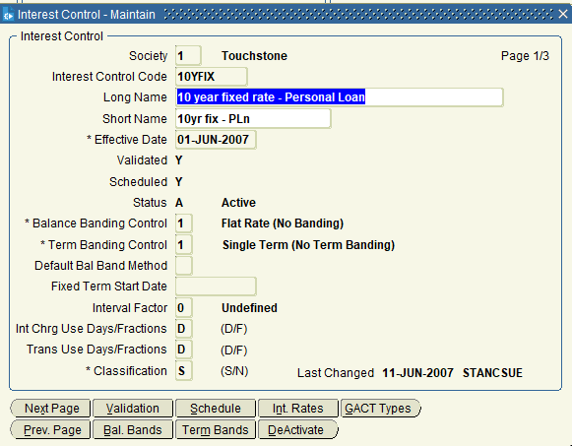
Select * From Interest_Controls sr Where Intc_Scheduled = 'Y' Order by Intc_Soc_Seqno, Intc_Code;

 | Society-Number | Interest Code | Desc | Short Name
 | 1 | 10YFIX | 10 year fixed rate - Personal Loan | 10yr fix - PLn
 | 1 | 1YBNDA | 1 year bond fixed rate annual capitalisation | 1yr fixed (Ann)
 | 1 | 1YBNDM | 1 year bond fixed rate monthly capitalisation | 1yr fixed (mth)
 | 1 | 1YDISC | 1 yr 1% discount then SVR | 1yr 1% discount
 | 1 | 2YBNDA | 2 year bond fixed rate annual capitalisation | 2yr fixed (Ann)
 | 1 | 2YBNDM | 2 year bond fixed rate monthly capitalisation | 2yr fix (mthly)
 | 1 | 3YDISC | 3% - 2% - 1% discount then SVR | 2001-03-02
 | 1 | 5YFIX | 5 year fixed then SVR | 5 year fixed
 | 1 | 5YFIXA | 5 Year Fixed June 07 Launch | 5 Yr Fx (0607)
 | 1 | 5YFIXB | 5 Year Fixed Feb 08 Launch | 5 Yr Fx (0208)
 | 1 | 90DAY | 90 Day notice Rates | 90 Day notice
 | 1 | CAP | Capped Variable Rate | Capped Rate
 | 1 | CAPA | Capped Variable Rate - June 07 Launch | Cap rate 0607
 | 1 | CAPCLA | Capped and Collared (June 2007 Launch) | cap & coll 0607
 | 1 | CAPCOL | Capped and Collared Rate | Cap an Coll
 | 1 | CURR | Current Account rate | Current A/C
 | 1 | DIS604 | 1% discount to 30 June 04 | -1% to June 04
 | 1 | DIS605 | 1% discount to 30 June 05 | -1% to June 05
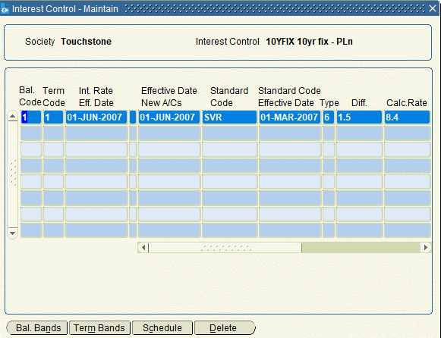
 | 1 | DIS606 | 1% discount to 30 June 06 | -1% to Jun 06
 | 1 | DIS607 | 1% discount to 30 June 07 | -1% to June 07
 | 1 | DIS608 | 1% discount to 30 June 08 | -1% to June 08
 | 1 | DIS609 | 1% discount to 30 June 09 | -1% to June 09
 | 1 | DIS610 | 1% discount to 30 June 2010 | -1% to Jun 2010
 | 1 | DIS611 | 1% discount to 30 June 2011 | -1% to June 11
 | 1 | DIS612 | 1% discount to 30 June 2012 | -1% to June 12
 | 1 | DIS613 | 1% discount to 30th June 2013 | 1% discount
 | 1 | DIS614 | 1% discount to 30th June 2014 | 1% discount -14
 | 1 | FX1204 | 5% fixed up to 31 Dec 04 then SVR | 5% to Dec 04
 | 1 | FX1205 | 5.5% fixed up to 31 Dec 05 then SVR | 5.5% to Dec 05
 | 1 | FX1206 | 4.75% fixed up to 31 Dec 06 then SVR | 4.75% to Dec 06
 | 1 | FX1207 | 5.15% fixed up to 31 Dec 07 then SVR | 5.15% to Dec 07
 | 1 | FX1208 | 5.4% fixed up to 31 Dec 08 then SVR | 5.4% to Dec 08
 | 1 | FX1209 | 6.5% fixed up to 31 Dec 09 then SVR | 6.5% to Dec 09
 | 1 | FX1210 | 3.1% Fixed Up To 31 December 2010 then SVR | 3.1% 31/12/10
 | 1 | FX1211 | 4.25% Fixed Up to 31 December 2011 then SVR | 4.25 to Dec 11
 | 1 | FX1212 | 4% Fixed Up to 31 December 2012 then SVR | 4 to Dec 12
 | 1 | FX1213 | 4% Fixed Up to 31 December 2013 then SVR | 4 to Dec 13
 | 1 | FXLOAN | Personal Loan Fixed Rate | Fixed Loan
 | 1 | FXSAV | Fixed Savings Rate | Fixed Savings
 | 1 | FXSAVA | Fixed Rate Savings rate | Fixed rate sav
 | 1 | FXSAVB | Fixed Rate Savings Rate | Fixed Rate Sav
 | 1 | IC1-28 | Rate Change Interest Control | Interest Contro
 | 1 | IC1-35 | Rate Change Interest Control | Interest Contro
 | 1 | IC1-42 | Rate Change Interest Control | Interest Contro
 | 1 | IC1-46 | Rate Change Interest Control | Interest Contro
 | 1 | IC1-65 | Rate Change Interest Control | Interest Contro
 | 1 | IC1-74 | Rate Change Interest Control | Interest Contro
 | 1 | IC1-83 | Rate Change Interest Control | Interest Contro
 | 1 | IC1-94 | Rate Change Interest Control | Interest Contro
 | 1 | IC2-16 | Rate Change Interest Control | Interest Contro
 | 1 | IC2-25 | Rate Change Interest Control | Interest Contro
 | 1 | IC2-27 | Rate Change Interest Control | Interest Contro
 | 1 | IC2-43 | Rate Change Interest Control | Interest Contro
 | 1 | IC2-45 | Rate Change Interest Control | Interest Contro
 | 1 | IC2-58 | Rate Change Interest Control | Interest Contro
 | 1 | IC2-77 | Rate Change Interest Control | Interest Contro
 | 1 | IC3-15 | Rate Change Interest Control | Interest Contro
 | 1 | IC3-47 | Rate Change Interest Control | Interest Contro
 | 1 | IC3-51 | Rate Change Interest Control | Interest Contro
 | 1 | IC3-72 | Rate Change Interest Control | Interest Contro
 | 1 | IC3-78 | Rate Change Interest Control | Interest Contro
 | 1 | IC3-84 | Rate Change Interest Control | Interest Contro
 | 1 | IC3-97 | Rate Change Interest Control | Interest Contro
 | 1 | INSTAC | Instant Access | Instant Access
 | 1 | ISA30 | ISA 30 day notice rates | ISA 30 day
 | 1 | ISAIA | Instant Access ISA Rate | Inst Access ISA
 | 1 | LOYAL | 0.5% loyalty discount after first 5 years | -0.5% after 5yr
 | 1 | MCLUB | 0.3% Membership discount | -0.3% members
 | 1 | MINC | Monthly Income Rates | Monthly Income
 | 1 | PSDISC | 1 yr 1% discount from Product Switch | -1% from switch
 | 1 | PSFIX | 4.5% fixed for 1 year from product switch | 4.5 fix 1yr PS
 | 1 | PSFIXA | 5.6% fixed for 1 year from product switch | 5.6 fix 1yr PS
 | 1 | PSFIXB | 5.2% fixed for 1 year from product switch | 5.2 fix 1yr PS
 | 1 | SCLUB | Instant Access SCLUB Rate | SCLUB rate
 | 1 | SVR | Standard variable rate | SVR
 | 1 | SVR+ | Standard Varable plus 2.5% | SVR+25%
 | 1 | SVR- | Standard Variable less a half | SVR-0.5%
 | 1 | SVRFRC | Standard Varaiable plus 0.25% | SVR+.25 frac
 | 1 | TRACK | Bank of England Tracker | BofE Tracker
 | 1 | TRAK10 | Bank of England Tracker 2010 | BoE Track 2010
 | 1 | YNGSAV | Young Saver | Young Saver
 | 1 | ZERO | No interest applicable | No interest
 | 2 | 1YBNDA | 1 year bond fixed rate annual capitalisation | 1yr fixed (Ann)
 | 2 | 1YBNDM | 1 year bond fixed rate monthly capitalisation | 1yr fixed (mth)
 | 2 | 1YDISC | 1 year 1% discount then SVR | 1yr 1% discount
 | 2 | 2YBNDA | 2 year bond fixed rate annual capitalisation | 2yr fixed (Ann)
 | 2 | 2YBNDM | 2 year bond fixed rate monthly capitalisation | 2yr fix (mthly)
 | 2 | 3YDISC | 3% - 2% - 1% discount then SVR | 2001-03-02
 | 2 | 5YFIX | 5 year fixed then SVR | 5 year fixed
 | 2 | 5YFIXA | 5 year fixed June 07 Launch | 5 Yr Fx (0607)
 | 2 | 5YFIXB | 5 Year Fixed February 08 Launch | 5 Yr Fx (0208)
 | 2 | 90DAY | 90 Day notice Rates | 90 Day notice
 | 2 | ARIN01 | Flat percentage Arrears Interest | Arrears Int
 | 2 | CAP | Capped Variable Rate | Capped Rate
 | 2 | CAPA | Capped Variable Rate - June 07 Launch | Cap Rate 0607
 | 2 | CAPCLA | Capped and Collared (June 2007 Launch) | Cap & Col 0607
 | 2 | CAPCOL | Capped and Collared Rate | Cap an Coll
 | 2 | CURR | Current Account rate | Current A/C
 | 2 | DIS604 | 1% discount to 30 June 04 | -1% to June 04
 | 2 | DIS605 | 1% discount to 30 June 05 | -1% to June 05
 | 2 | DIS606 | 1% discount to 30 June 06 | -1% to Jun 06
 | 2 | DIS607 | 1% discount to 30 June 07 | -1% to June 07
 | 2 | DIS608 | 1% discount to 30 June 08 | -1% to June 08
 | 2 | DIS609 | 1% discount to 30 June 09 | -1% to June 09
 | 2 | DIS610 | 1% discount to 30 Jun 10 | -1% to Jun 2010
 | 2 | DIS611 | 1% discount to 30 Jun 11 | -1% to Jun 2010
 | 2 | DIS612 | 1% discount to 30 June 12 | -1% to Jun 2012
 | 2 | DIS613 | 1% discount to 30 June 13 | 1% disc 30 june
 | 2 | DIS614 | 1% discount to 30 June 14 | -1% till 30 jun
 | 2 | FX1204 | 5% fixed up to 31 Dec 04 then SVR | 5% to Dec 04
 | 2 | FX1205 | 5.5% fixed up to 31 Dec 05 then SVR | 5.5% to Dec 05
 | 2 | FX1206 | 4.75% fixed up to 31 Dec 06 then SVR | 4.75% to Dec 06
 | 2 | FX1207 | 5.15% fixed up to 31 Dec 07 then SVR | 5.15% to Dec 07
 | 2 | FX1208 | 5.42% fixed up to 31 Dec 09 then SVR | 5.42% to Dec 08
 | 2 | FX1209 | 6.2% fixed up to 31 Dec 09 then SVR | 6.2% to Dec 09
 | 2 | FX1210 | 3.3% fixed up to 31 Dec 10 then SVR | 3.3% 31/12/10
 | 2 | FX1211 | 4.45% Fixed Up to 31 December 2011 then SVR | 4.45 to Dec 11
 | 2 | FX1212 | 4.25% Fixed Up to 31 December 2011 then SVR | 4.25 to Dec 12
 | 2 | FXSAV | Fixed Savings Rate | Fixed Savings
 | 2 | FXSAVA | Fixed Rate Savings rate | Fixed rate sav
 | 2 | FXSAVB | Fixed Rate Savings Rate | Fixed Sav rate
 | 2 | IBOR | Interbank Offer Rate | Interbank Offer
 | 2 | INSTAC | Instant Access | Instant Access
 | 2 | LOYAL | 0.5% loyalty discount after first 5 years | -0.5% after 5yr
 | 2 | MCLUB | 0.3% Membership discount | -0.3% members
 | 2 | MINC | Monthly Income Rates | Monthly Income
 | 2 | PSDISC | 1 yr 1% discount from Product Switch | -1% from switch
 | 2 | PSFIX | 4.5% fixed for 1 year from product switch | 4.5 fix 1yr PS
 | 2 | PSFIXA | 5.7% fixed for 1 year from product switch | 5.7 fix 1yr PS
 | 2 | PSFIXB | 5.3% fixed for 1 year from product switch | 5.3% fix 1yr PS
 | 2 | RPC01 | Repay Calc FIT Int Ctrl 01 | Repay Calc 01
 | 2 | RPC018 | Repay Calc Int Ctrl 18 | Repay Calc 18
 | 2 | RPC02 | Repay Calc FIT Int Ctrl 02 | Repay Calc 02
 | 2 | RPC03 | Repay Calc FIT Int Ctrl 03 | Repay Calc 03
 | 2 | RPC04 | Repay Calc FIT Int Ctrl 04 | Repay Calc 04
 | 2 | RPC05 | Repay Calc FIT Int Ctrl 05 | Repay Calc 05
 | 2 | RPC06 | Repay Calc FIT Int Ctrl 06 | Repay Calc 06
 | 2 | RPC07 | Repay Calc FIT Int Ctrl 07 | Repay Calc 07
 | 2 | RPC08 | Repay Calc FIT Int Ctrl 08 | Repay Calc 08
 | 2 | RPC09 | Repay Calc FIT Int Ctrl 09 | Repay Calc 09
 | 2 | RPC10 | Repay Calc FIT Int Ctrl 10 | Repay Calc 10
 | 2 | RPC11 | Repay Calc FIT Int Ctrl 11 | Repay Calc 11
 | 2 | RPC12 | Repay Calc FIT Int Ctrl 12 | Repay Calc 12
 | 2 | RPC13 | Repay Calc FIT Int Ctrl 13 | Repay Calc 13
 | 2 | RPC14 | Repay Calc FIT Int Ctrl 14 | Repay Calc 14
 | 2 | RPC15 | Repay Calc FIT Int Ctrl 15 | Repay Calc 15
 | 2 | RPC16 | Repay Calc FIT Int Ctrl 16 | Repay Calc 16
 | 2 | RPC17 | Repay Calc FIT Int Ctrl 17 | Repay Calc 17
 | 2 | RPC18 | Repay Calc FIT Int Ctrl 18 | Repay Calc18
 | 2 | SVR | Standard Variable Rate | SVR
 | 2 | SVR+ | Standard Varable plus 2.5% | SVR+2.5%
 | 2 | SVR- | Standard Variable less a half | SVR-0.5%
 | 2 | SVRFRC | Standard Variable plus 0.25% | SVR+.25 frac
 | 2 | YNGSAV | Young Saver | Young Saver
 | 2 | ZERO | No interest applcable | No interest

SETUP_TAX_RATE
Select * From Tax_Rates Where Tax_Scheduled = 'Y' Order by Tax_Soc_Seqno, Tax_Group;

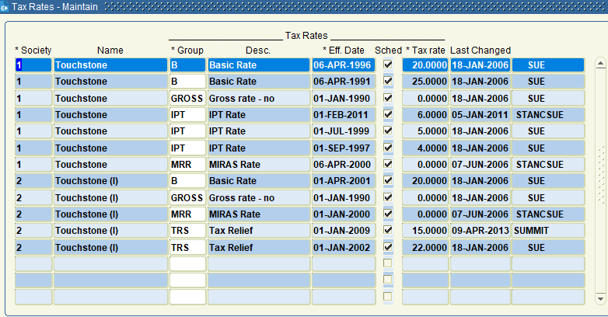
 | Society-Number | Tax Group | Tax Rate | Tax Effective Date
 | 1 | B | 20 | 6-Apr-1996
 | 1 | B | 25 | 6-Apr-1991
 | 1 | GROSS | 0 | 1-Jan-1990
 | 1 | IPT | 6 | 1-Feb-2011
 | 1 | IPT | 4 | 1-Sep-1997
 | 1 | IPT | 5 | 1-Jul-1999
 | 1 | MRR | 0 | 6-Apr-2000
 | 2 | B | 20 | 1-Apr-2001
 | 2 | GROSS | 0 | 1-Jan-1990
 | 2 | MRR | 0 | 1-Jan-2000
 | 2 | TRS | 22 | 1-Jan-2002
 | 2 | TRS | 15 | 1-Jan-2009

CUST_CODE
Select * From Cust_Usage_Codes Order by Cucd_Soc_Seqno, Cucd_Cust_Usage;

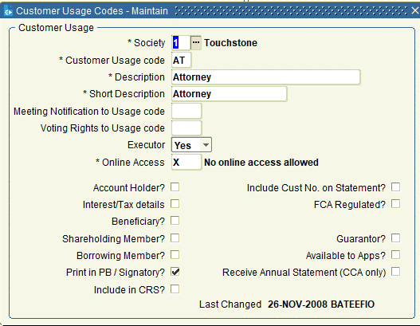
 | Society-Number | Cust Usage Code | Description | Short Description | Interest/Tax | Beneficiary | Share Holder | Borrower | Signatory | Guarantor
 | 1 | AT | Attorney | Attorney | N | N | N | N | Y
 | 1 | BE | Beneficiary | Beneficiary | Y | Y | Y | N
 | 1 | EX | Executor | Executor | N | N | Y | Y | Y
 | 1 | G | Guarantor | Guarantor | N | N | N | N |  | Y
 | 1 | OB | Owner and Beneficiary | Owner and Benef | Y | Y | Y | N | Y
 | 1 | OW | Owner | Owner | N | N | N | Y
 | 1 | PA | Previous Attorney | Prev Attorney | N | N | N | N
 | 1 | PB | Previous Beneficiary | Prev Beneficry | N | N | N | N
 | 1 | PE | Previous Executor | Prev Executor | N | N | N | N
 | 1 | PG | Previous Guarantor | Previous Guaran | N | N | N | N
 | 1 | PO | Previous Owner | Previous Owner | N | N | N | N
 | 1 | PT | Previous Trustee | Prev Trustee | N | N | N | N
 | 1 | PX | Previous Owner & Beneficiary | Prev Own & Ben | N | N | N | N
 | 1 | S | Signatory | Signatory | N | N | N | N | Y | N
 | 1 | T | Trustee | Trustee | N | N | N | N | Y
 | 2 | AT | Attorney | Attorney | N | N | N | N | Y | N
 | 2 | BE | Beneficiary | Beneficiary | Y | Y | Y | N | N | N
 | 2 | EX | Executor | Executor | N | N | Y | Y | Y | N
 | 2 | G | Guarantor | Guarantor | N | N | N | N | Y | Y
 | 2 | OB | Owner and Beneficiary | Owner and Benef | Y | Y | Y | N | Y | N
 | 2 | OW | Owner | Owner | N | N | N | Y | N | N
 | 2 | PA | Previous Attorney | Prev Attorney | N | N | N | N | N | N
 | 2 | PB | Previous Beneficiary | Prev Beneficry | N | N | N | N | N | N
 | 2 | PE | Previous Executor | Prev Executor | N | N | N | N | N | N
 | 2 | PG | Previous Guarantor | Prev Guarantor | N | N | N | N | N | N
 | 2 | PO | Previous Owner | Previous Owner | N | N | N | N | N | N
 | 2 | PT | Previous Trustee | Prev Trustee | N | N | N | N | N | N
 | 2 | PX | Previous Owner & Beneficiary | Prev Own & Ben | N | N | N | N | N | N
 | 2 | S | Signatory | Signatory | N | N | N | N | Y | N
 | 2 | T | Trustee | Trustee | N | N | N | N | Y | N

ARREAR_INT_CTRL
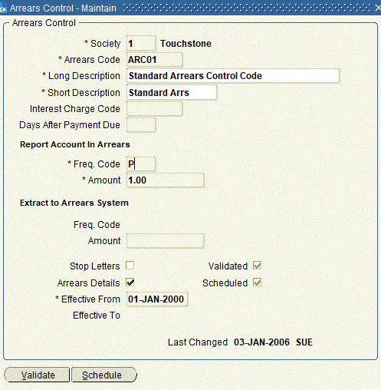
Select * From Arrears_Control Where Arrc_Scheduled = 'Y' Order by Arrc_Soc_Seqno, Arrc_Arrears_Code;

 | Society-Number | Arrears Code | Description | Short Description | Amount | Effective From | Effective To
 | 1 | ARC01 | Standard Arrears Control Code | Standard Arrs | 1 | 1-Jan-2000
 | 1 | ARC02 | Arrears Control for Statements | Arr Ctrl Stmt | 1 | 11-Feb-2008
 | 1 | ARCON7 | Arrears Interest Charge | Arrears Interes | 1 | 1-Mar-2021
 | 1 | REGSAV | Regular Savings Arrears | Reg Sav Arrs | 0 | 1-Jan-2000
 | 2 | ARC02 | Arrears Control Code 2 | Arr Control 2 | 1 | 1-Jan-2000
 | 2 | REGSAV | Regular Savings Arrears | Reg Sav Arrs | 0 | 1-Jan-2000

CAPT_RISK
Select * From cad_risk_points Order by Cadrp_Soc_Seqno, Cadrp_risk_type;

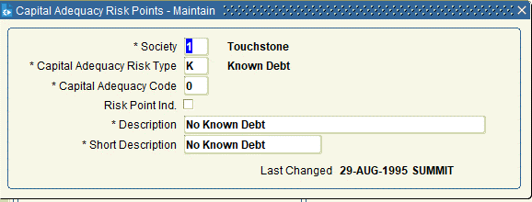
 | Society-Number | Risk Type | Adequacy Code | Risk Point Indicator | Description | Short Description
 | 1 | K | 1 | Y | Known Debt | Known Debt
 | 1 | K | 0 | N | No Known Debt | No Known Debt
 | 1 | P | 3 | Y | 75% | 75%
 | 1 | P | 4 | Y | Other | Other
 | 1 | P | 2 | Y | 50% | 50%
 | 1 | P | 1 | Y | Part Purchase | Part Purchase
 | 1 | P | 0 | N | No Part Purchase | No Part Purch
 | 1 | S | 1 | Y | status check | status check
 | 1 | S | 0 | N | Status ok | Status ok
 | 2 | K | 1 | Y | Known Debt | Known Debt
 | 2 | K | 0 | N | No Known Debt | No Known Debt
 | 2 | P | 4 | Y | Other | Other
 | 2 | P | 3 | Y | 75% | 75%
 | 2 | P | 1 | Y | Part Purchase | Part Purchase
 | 2 | P | 0 | N | No Part Purchase | No Part Purch
 | 2 | P | 2 | Y | 50% | 50%
 | 2 | S | 0 | N | Status ok | Status ok
 | 2 | S | 1 | Y | status check | status check

CHARGE_EVENT
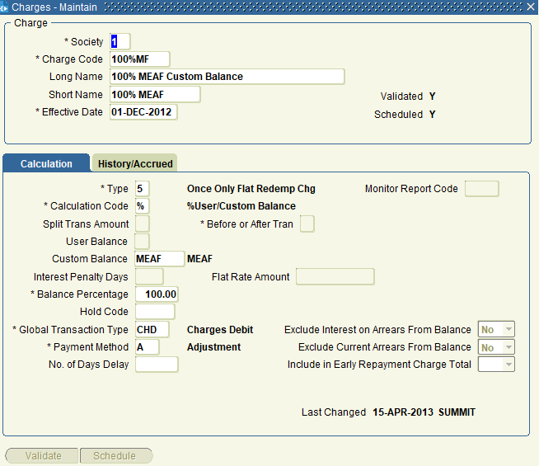
Select * From charges where charge_scheduled = 'Y' Order by charge_soc_seqno, charge_code;

 | Society-Number | Charge Code | Name | Short Name | Effectivate Date | Charge Type | Calculation Code | Global Transaction Type | Payment Method | Charge Amount | Charge Percentage
 | 1 | 100%MF | 100% MEAF Custom Balance | 100% MEAF | 1-Dec-2012 | 5 | % | CHD | A |  | 100
 | 1 | 30DAY | 30 Day Notice Charge | 30 Day Notice | 1-Jan-2000 | 1 | I | CDI | A
 | 1 | 90DAY | 90 Day Notice Charge | 90 Day Notice | 1-Jan-2000 | 1 | I | CDI | A
 | 1 | ADMIN | General Administration Charge | General Admin | 1-Jan-2000 | 1 | F | GEN | A | 25
 | 1 | DEEDS | Deeds Storage Charge | Deeds Storage | 1-Jan-2000 | 1 | F | DSF | A | 25
 | 1 | DELCHG | Delayed Overdraft Charge | Del O/D Chg | 1-Jan-2000 | 1 | F | DCG | A | 25
 | 1 | ECCHG | Early Closure Charge | Early Closure | 1-Jan-2000 | 1 | P | ECC | A |  | 1
 | 1 | MINBAL | Minimum Balance Charge | Min Balance | 1-Jan-2000 | 1 | F | LBC | A | 5
 | 1 | ONOT30 | Apply full 30 day notice online | Full 30 day not | 1-Jan-2010 | 4
 | 1 | ONOT90 | Apply full 90 day notice online | Full 90 day not | 1-Jan-2010 | 4
 | 1 | ONOW14 | No online withdrawal in fist 14 days | No Withd 14 day | 1-Jan-2000 | 4
 | 1 | RCAP01 | Redemption Capital Charge 1 | Capital Chg 1 | 1-Jan-2000 | 1 | P | RRF | A |  | 1
 | 1 | RCB100 | Redemption 100% Cashback Clawback | 100% Cashback | 1-Jan-2000 | 1 | B | RCR | A |  | 100
 | 1 | RCB20 | Redemption 20% Cashback Clawback | 20% Cashback | 1-Jan-2000 | 1 | B | RCR | A |  | 20
 | 1 | RCB40 | Redemption 40% Cashback Clawback | 40% Cashback | 1-Jan-2000 | 1 | B | RCR | A |  | 40
 | 1 | RCB50 | Redemption 50% Cashback Clawback | 50% Cashback | 1-Jan-2000 | 1 | B | RCR | A |  | 50
 | 1 | RCB60 | Redemption 60% Cashback Clawback | 60% Cashback | 1-Jan-2000 | 1 | B | RCR | A |  | 60
 | 1 | RCB80 | Redemption 80% Cashback Clawback | 80% Cashback | 1-Jan-2000 | 1 | B | RCR | A |  | 80
 | 1 | RCO100 | Redemption 100% Concession Clawback | 100% Concession | 1-Jan-2000 | 1 | C | REI | A |  | 100
 | 1 | RCO20 | Redemption 20% Concession Clawback | 20% Concession | 1-Jan-2000 | 1 | C | REI | A |  | 20
 | 1 | RCO40 | Redemption 40% Concession Clawback | 40% Concession | 1-Jan-2000 | 1 | C | REI | A |  | 40
 | 1 | RCO50 | Redemption 50% Concession Clawback | 50% Concession | 1-Jan-2000 | 1 | C | REI | A |  | 50
 | 1 | RCO60 | Redemption 60% Concession Clawback | 60% Concession | 1-Jan-2000 | 1 | C | REI | A |  | 60
 | 1 | RCO80 | Redemption 80% Concession Clawback | 80% Concession | 1-Jan-2000 | 1 | C | REI | A |  | 80
 | 1 | REX90 | Redemption Extra Interest Fee | Extra Int Fee | 1-Jan-2000 | 1 | I | REI | A
 | 1 | RLEG01 | Redemption Legal Fee | Legal Fee | 1-Jan-2000 | 5 | F | RLF | A | 25
 | 1 | RTB02 | 2% Forecasted True Balance | 2% Forecast TB | 1-Jan-2008 | 1 | U | RRF | A |  | 2
 | 1 | ZERO | Zero Charge | Zero Charge | 1-Jan-2000 | 4
 | 2 | 100MF | 100 per cent MEAF Balance | 100 MEAF | 1-Dec-2012 | 5 | % | CHD | A |  | 100
 | 2 | 90DAY | 90 Day Notice Charge | 90 Day Notice | 1-Jan-2000 | 1 | I | CDI | A
 | 2 | ADMIN | General Administration Charge | General Admin | 1-Jan-2000 | 1 | F | GEN | A | 38
 | 2 | DEEDS | Deeds Storage Charge | Deeds Storage | 1-Jan-2000 | 1 | F | DSF | A | 40
 | 2 | ECCHG | Early Closure Charge | Early Closure | 1-Jan-2000 | 1 | P | ECC | A |  | 1
 | 2 | MINBAL | Minimum Balance Charge | Min Balance | 1-Jan-2000 | 1 | F | LBC | A | 7.5
 | 2 | RCAP01 | Redemption Capital Charge 1 | Capital Chg 1 | 1-Jan-2000 | 1 | P | RRF | A |  | 1
 | 2 | RCB100 | Redemption 100% Cashback Clawback | 100% Cashback | 1-Jan-2000 | 1 | B | RCR | A |  | 100
 | 2 | RCB20 | Redemption 20% Cashback Clawback | 20% Cashback | 1-Jan-2000 | 1 | B | RCR | A |  | 20
 | 2 | RCB40 | Redemption 40% Cashback Clawback | 40% Cashback | 1-Jan-2000 | 1 | B | RCR | A |  | 40
 | 2 | RCB50 | Redemption 50% Cashback Clawback | 50% Cashback | 1-Jan-2000 | 1 | B | RCR | A |  | 50
 | 2 | RCB60 | Redemption 60% Cashback Clawback | 60% Cashback | 1-Jan-2000 | 1 | B | RCR | A |  | 60
 | 2 | RCB80 | Redemption 80% Cashback Clawback | 80% Cashback | 1-Jan-2000 | 1 | B | RCR | A |  | 80
 | 2 | REX90 | Redemption Extra Interest Fee | Extra Int Fee | 1-Jan-2000 | 1 | I | REI | A
 | 2 | RLEG01 | Redemption Legal Fee | Legal Fee | 1-Jan-2000 | 1 | F | RLF | A | 200
 | 2 | ZERO | Zero Charge | Zero Charge | 1-Jan-2000 | 4

REDEMP_CTRL
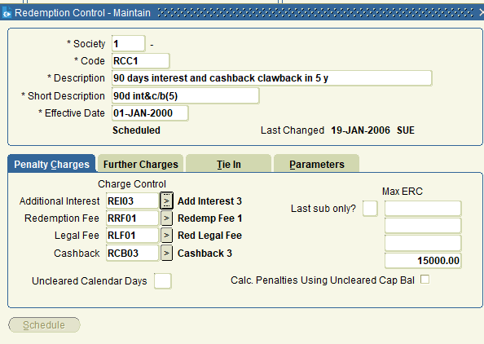
Select * From Redemption_Controls Where rc_scheduled = 'Y' Order by Rc_Soc_Seqno;

 | Society-Number | Code | Description | Short Description | Effective Date | Additional Interest | Redemption Fee | Legal Fee | Cashback | Tolerance Indicator | Tolerance Days Interest | Tolerance Days Amount
 | 1 | RCC6 | Redemption Legal Fee Only | Rd Leg Fee Only | 1-Jan-2000 |  |  | RLF01 |  | H
 | 1 | RCMF | Redemption Control RCC1 + MEAF | RCC1 +MEAF | 1-Dec-2012 | REI03 | RRF01 | RLF01 | RCB03 | H | 5 | 50
 | 1 | RCC2 | 5 year cashback clawback and yr 1 conc int | 5c/b &1conc int | 1-Jan-2000 | REI01 | RRF01 | RLF01 | RCB01 | H | 5 | 50
 | 1 | RCC5 | 90 days interest and cashback in 2 years | 90d int&c/b(2) | 1-Jan-2000 | REI03 | RRF01 | RLF01 | RCB02 | H | 5 | 50
 | 1 | RCC1 | 90 days interest and cashback clawback in 5 y | 90d int&c/b(5) | 1-Jan-2000 | REI03 | RRF01 | RLF01 | RCB03 | H | 5 | 50
 | 1 | RCC3 | 2 year cashback & concession clawback | 2yr cash&conc | 1-Jan-2000 | REI02 | RRF01 | RLF01 | RCB02 | H | 5 | 50
 | 1 | RCC4 | 90 days interest and all cashback in 1st year | 90d int&c/b(1) | 1-Jan-2000 | REI03 | RRF01 | RLF01 | RCB01 | H | 5 | 50
 | 2 | RCC1 | 90 days interest and cashback in 5 years | 90d int&c/b(5) | 1-Jan-2000 | REI03 | RRF01 | RLF01 | RCB03 | H | 5 | 75
 | 2 | REDRF | Redemption RCC1 plus MEAF | RED RCC1+MEAF | 1-Dec-2012 | REI03 | RRF01 | RLF01 | RCB03 | H | 10 | 1000

GLB_ACC_TYPE
Select * From Global_Account_Types Order by Gact_Soc_Seqno,Gact_Type;

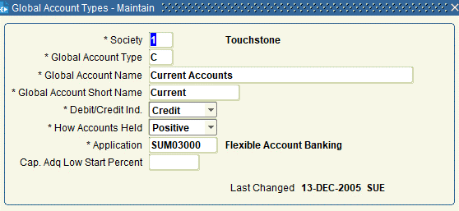
 | Society-Number | Type | Name | Short Name
 | 1 | C | Current Accounts | Current
 | 1 | I | Insurance | Insurance
 | 1 | IC | Individual Savings Account - Cash | ISA Cash
 | 1 | IT | Individual Savings Account - TESSA | ISA TESSA
 | 1 | L | Loans - Secured and Unsecured | Loans
 | 1 | M | Mortgages | Mortgages
 | 1 | S | Savings/Investments | Savings
 | 1 | SU | Suspense | Suspense
 | 2 | C | Current Accounts | Current
 | 2 | I | Insurance | Insurance
 | 2 | M | Mortgages | Mortgages
 | 2 | S | Savings/Investments | Savings
 | 2 | SU | Suspense | Suspense

ACC_TYPE
Select * From Account_Types Where act_scheduled = 'Y' Order by act_soc_seqno,act_gact_type,act_code;
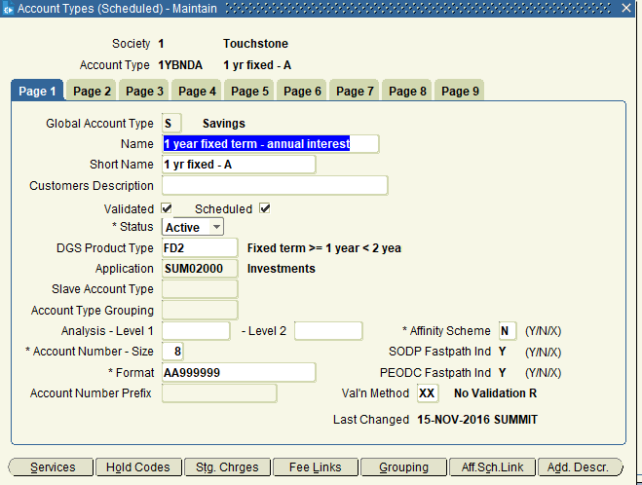
 | Society-Number | Global A/C Type | A/C Code | Name | Short Name | Default Interest Code | Default Arrear Code | Tax Group
 | 1 | C | CURR01 | Current Account | Current Account | CURR |  | GROSS
 | 1 | I | IB+C | Buildings & Contents Insurance | Bldgs & Cont | ZERO |  | GROSS
 | 1 | I | IBUILD | Buildings Insurance | Bldgs Insurance | ZERO |  | GROSS
 | 1 | I | IHLC | Higher Lending Charge Insurance | HLC Ins | ZERO |  | GROSS
 | 1 | I | IPP | Payment Protection Insurance | Payment Prot | ZERO |  | GROSS
 | 1 | IC | H2BUY | Help 2 Buy ISA Cash Account | H2B ISA Cash | ISAIA |  | GROSS
 | 1 | IC | ICASH | Standard ISA Cash account | Std ISA Cash | ISAIA |  | GROSS
 | 1 | IC | IFLEXI | Flexible ISA Cash account | Std FISA Cash | ISAIA |  | GROSS
 | 1 | IC | ISA30 | ISA Cash Notice account | ISA Cash Notice | ISA30 |  | GROSS
 | 1 | IC | JNRISA | Junior ISA | Jnr ISA | ISAIA |  | GROSS
 | 1 | IC | LISA | Life Time ISA | Life ISA | ISAIA |  | GROSS
 | 1 | IT | TOISA | Instant Access TESSA only ISA | Inst Acc TOISA | ISAIA |  | B
 | 1 | L | PLOAN | Personal Loan | Personal Loan | 10YFIX | ARC01 | GROSS
 | 1 | M | ACCCI | Accrued Interest (C&I) | Accrued (CI) | SVR | ARC01 | GROSS
 | 1 | M | ACCIO | Accrued Interest (IO) | Accrued (IO) | SVR | ARC01 | GROSS
 | 1 | M | ANNCI | Annual Rest (C&I) include interest | Ann (C&I) +int | SVR | ARC01 | GROSS
 | 1 | M | ANNIO | Annual Rest (IO) include interest | Ann (IO) +int | SVR | ARC01 | GROSS
 | 1 | M | AT1-10 | Standard C&I Rate Change Acc | AT1-10 | IC1-94 | ARC01 | GROSS
 | 1 | M | AT1-31 | Standard C&I Rate Change Acc | AT1-31 | IC1-28 | ARC01 | GROSS
 | 1 | M | AT1-37 | Standard C&I Rate Change Acc | AT1-37 | IC1-65 | ARC01 | GROSS
 | 1 | M | AT1-41 | Standard C&I Rate Change Acc | AT1-41 | IC1-35 | ARC01 | GROSS
 | 1 | M | AT1-49 | Standard C&I Rate Change Acc | AT1-49 | IC1-83 | ARC01 | GROSS
 | 1 | M | AT1-73 | Standard C&I Rate Change Acc | AT1-73 | IC1-74 | ARC01 | GROSS
 | 1 | M | AT1-90 | Standard C&I Rate Change Acc | AT1-90 | IC1-46 | ARC01 | GROSS
 | 1 | M | AT2-34 | Standard Int Only Rate Change Acc | AT2-34 | IC1-46 | ARC01 | GROSS
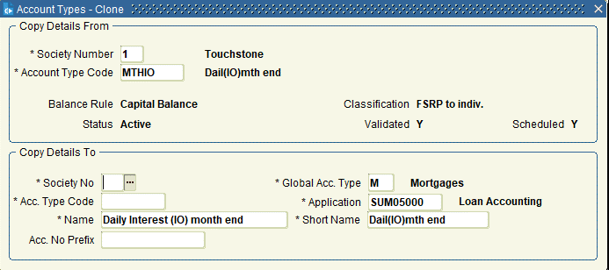
 | 1 | M | AT2-47 | Standard Int Only Rate Change Acc | AT2-47 | IC1-35 | ARC01 | GROSS
 | 1 | M | AT2-66 | Standard Int Only Rate Change Acc | AT2-66 | IC1-94 | ARC01 | GROSS
 | 1 | M | AT2-68 | Standard Int Only Rate Change Acc | AT2-68 | IC1-74 | ARC01 | GROSS
 | 1 | M | AT2-70 | Standard Int Only Rate Change Acc | AT2-70 | IC1-83 | ARC01 | GROSS
 | 1 | M | AT2-73 | Standard Int Only Rate Change Acc | AT2-73 | IC1-42 | ARC01 | GROSS
 | 1 | M | AT2-87 | Standard Int Only Rate Change Acc | AT2-87 | IC1-65 | ARC01 | GROSS
 | 1 | M | AT3-50 | 3 Month Notice Rate Change Acc | AT3-50 | IC1-65 | ARC01 | GROSS
 | 1 | M | AT3-65 | 3 Month Notice Rate Change Acc | AT3-65 | IC1-74 | ARC01 | GROSS
 | 1 | M | AT3-83 | 3 Month Notice Rate Change Acc | AT3-83 | IC1-94 | ARC01 | GROSS
 | 1 | M | AT3-86 | 3 Month Notice Rate Change Acc | AT3-86 | IC1-35 | ARC01 | GROSS
 | 1 | M | AT3-91 | 3 Month Notice Rate Change Acc | AT3-91 | IC1-46 | ARC01 | GROSS
 | 1 | M | AT4-13 | Standard C&I Rate Change Acc | AT4-13 | IC2-45 | ARC01 | GROSS
 | 1 | M | AT4-38 | Standard C&I Rate Change Acc | AT4-38 | IC2-25 | ARC01 | GROSS
 | 1 | M | AT4-49 | Standard C&I Rate Change Acc | AT4-49 | IC2-43 | ARC01 | GROSS
 | 1 | M | AT4-71 | Standard C&I Rate Change Acc | AT4-71 | IC2-16 | ARC01 | GROSS
 | 1 | M | AT5-62 | Standard C&I Rate Change Acc | AT5-62 | IC3-15 | ARC01 | GROSS
 | 1 | M | AT5-74 | Standard C&I Rate Change Acc | AT5-74 | IC3-97 | ARC01 | GROSS
 | 1 | M | AT5-84 | Standard C&I Rate Change Acc | AT5-84 | IC3-84 | ARC01 | GROSS
 | 1 | M | AT5-97 | Standard C&I Rate Change Acc | AT5-97 | IC3-78 | ARC01 | GROSS
 | 1 | M | DEEDS | Deedsafe | Deedsafe | ZERO |  | GROSS
 | 1 | M | FLXCI | Flexible Mortgage (C&I) | Flexible (CI) | SVR | ARC02 | GROSS
 | 1 | M | FLXIO | Flexible Mortgage (IO) | Flexible (IO) | SVR | ARC02 | GROSS
 | 1 | M | INCCI | Daily Interest (C&I) inception | Dail(CI)incept | SVR | ARC01 | GROSS
 | 1 | M | INCIO | Daily Interest (IO) inception | Dail(IO)incept | SVR | ARC01 | GROSS
 | 1 | M | LOYLCI | Monthly Rest (C&I) include interest | Mth (C&I) +int | LOYAL | ARC01 | GROSS
 | 1 | M | LOYLIO | Monthly Rest (IO) include interest | Mth (IO) +int | LOYAL | ARC01 | GROSS
 | 1 | M | MTHCI | Daily Interest (C&I) month end | Dail(CI)mth end | SVR | ARC01 | GROSS
 | 1 | M | MTHCIC | Daily Interest (C&I) month end CVC | Dail(CI)mnt CVC | SVR | ARC01 | GROSS
 | 1 | M | MTHIO | Daily Interest (IO) month end | Dail(IO)mth end | SVR | ARC01 | GROSS
 | 1 | M | MTHIOC | Daily Interest (IO) month end CVC | Dail(IO)mth CVC | SVR | ARC01 | GROSS
 | 1 | M | MTHX | Daily Interest (IO) no repayment | Dail(IO)no repy | SVR |  | GROSS
 | 1 | M | NOTCI | Annual Rest (C&I) Notice | Ann (CI) Notice | SVR | ARC01 | GROSS
 | 1 | M | NOTIO | Annual Rest (IO) Notice | Ann (IO) Notice | SVR | ARC01 | GROSS
 | 1 | S | 1YBNDA | 1 year fixed term - annual interest | 1 yr fixed - A | 1YBNDA |  | GROSS
 | 1 | S | 1YBNDM | 1 year fixed term - monthly interest | 1 yr fixed - M | 1YBNDM |  | GROSS
 | 1 | S | 1YROLM | 1 year rolling term - monthly interest | 1 yr roll - M | 1YBNDM |  | GROSS
 | 1 | S | 2YBNDA | 2 year fixed term - annual interest | 2 yr fixed - A | 2YBNDA |  | GROSS
 | 1 | S | 2YBNDM | 2 year fixed term - monthly interest | 2 yr fixed - M | 2YBNDM |  | GROSS
 | 1 | S | 2YROLM | 2 year rolling term - monthly interest | 2 yr roll - M | 2YBNDM |  | GROSS
 | 1 | S | 90DAY | 90 day notice account | 90 day notice | 90DAY |  | GROSS
 | 1 | S | BNS216 | Bonus Acc Type6 | BAT6 | INSTAC | REGSAV | GROSS
 | 1 | S | BNS299 | Bonus Acc Type3 | BAT3 | INSTAC | REGSAV | GROSS
 | 1 | S | BNS574 | Bonus Acc Type4 | BAT4 | INSTAC | REGSAV | GROSS
 | 1 | S | BNS609 | Bonus Acc Type5 | BAT5 | INSTAC | REGSAV | GROSS
 | 1 | S | CASH01 | Cash Card Account | Cash Card Acc | INSTAC |  | GROSS
 | 1 | S | DEPOST | Deposit Account | Deposit Account | INSTAC |  | GROSS
 | 1 | S | FX1207 | Fixed term savings until 31 Dec 2007 | Fxd till 12/07 | FXSAV |  | GROSS
 | 1 | S | FX1208 | Fixed term savings until 31 Dec 2008 | Fxd till 12/08 | FXSAVA |  | GROSS
 | 1 | S | FX1209 | Fixed term savings until 31 Dec 2009 | Fxd till 12/09 | FXSAVA |  | GROSS
 | 1 | S | FX1210 | Fixed term savings until 31 Dec 2010 | Fxd till 12/10 | FXSAVB |  | GROSS
 | 1 | S | FX1211 | Fixed term savings until 31 Dec 2011 | Fxd till 12/11 | FXSAVB |  | GROSS
 | 1 | S | FX1212 | Fixed term savings until 31 Dec 2012 | Fxd till 12/12 | FXSAVB |  | GROSS
 | 1 | S | GEB05 | Guaranteed Equity Bond Mar 05 | GEB - Mar 05 | ZERO |  | GROSS
 | 1 | S | GEB06 | Guaranteed Equity Bond Mar 06 | GEB - Mar 06 | ZERO |  | GROSS
 | 1 | S | GEB07 | Guaranteed Equity Bond Mar 07 | GEB - Mar 07 | ZERO |  | GROSS
 | 1 | S | GEB08 | Guaranteed Equity Bond Mar 08 | GEB - Mar 08 | ZERO |  | GROSS
 | 1 | S | GEB09 | Guaranteed Equity Bond Mar 09 | GEB - Mar 09 | ZERO |  | GROSS
 | 1 | S | GEB10 | Guaranteed Equity Bond Mar 10 | GEB - Mar 10 | ZERO |  | GROSS
 | 1 | S | GEB11 | Guaranteed Equity Bond Mar 11 | GEB - Mar 11 | ZERO |  | GROSS
 | 1 | S | GEB12 | Guaranteed Equity Bond Mar 12 | GEB - Mar 12 | ZERO |  | GROSS
 | 1 | S | GEB13 | Guaranteed Equity Bond Mar 13 | GEB - Mar 13 | ZERO |  | GROSS
 | 1 | S | GEB14 | Guaranteed Equity Bond Mar 14 | GEB - Mar 14 | ZERO |  | GROSS
 | 1 | S | GEB15 | Guaranteed Equity Bond Mar 15 | GEB - Mar 15 | ZERO |  | GROSS
 | 1 | S | INSTAC | Instant Access | Instant Access | INSTAC |  | GROSS
 | 1 | S | MINC | Monthly Income | Monthly Income | MINC |  | GROSS
 | 1 | S | REGSAV | Regular Saver | Regular Saver | INSTAC | REGSAV | GROSS
 | 1 | S | SCLUB | Speciality Account | Speciality Acc | INSTAC |  | GROSS
 | 1 | S | STEM17 | Short Term Saving | Short Term Sav | FXSAVB |  | GROSS
 | 1 | S | STEM78 | Short Term Saving | Short Term Sav | FXSAVB |  | GROSS
 | 1 | S | STEM97 | Short Term Saving | Short Term Sav | FXSAVB |  | GROSS
 | 1 | S | YNGSAV | Young Savers | Young Savers | YNGSAV |  | GROSS
 | 1 | SU | SUSP | Suspense | Susp | ZERO |  | GROSS
 | 2 | C | CURR01 | Current Account | Current Account | CURR |  | B
 | 2 | I | IB+C | Buildings & Contents Insurance | Bldgs & Cont | ZERO |  | GROSS
 | 2 | I | IBUILD | Buildings Insurance | Bldgs Insurance | ZERO |  | GROSS
 | 2 | I | IHLC | Higher Lending Charge Insurance | HLC Ins | ZERO |  | GROSS
 | 2 | I | IPP | Payment Protection Insurance | Payment Prot | ZERO |  | GROSS
 | 2 | M | ANNCI | Annual Rest (C&I) include interest | Ann (C&I) +int | SVR | ARC02 | TRS
 | 2 | M | ANNIO | Annual Rest (IO) include interest | Ann (IO) +int | SVR | ARC02 | TRS
 | 2 | M | DEEDS | Deedsafe | Deedsafe | ZERO |  | GROSS
 | 2 | M | FLXCI | Flexible Mortgage (C&I) | Flexible (CI) | SVR | ARC02 | TRS
 | 2 | M | FLXIO | Flexible Mortgage (IO) | Flexible (IO) | SVR | ARC02 | TRS
 | 2 | M | IANNCI | Annual Rest (C&I) with Neg Rates | Ann (CI) +NegRt | SVR | ARC02 | TRS
 | 2 | M | IANNIO | Annual Rest (IO) with neg rates | Ann (IO) +NegRt | SVR | ARC02 | TRS
 | 2 | M | IBORCI | Monthly Rest (C&I) + interest | Monthly(CI)+int | IBOR | ARC02 | TRS
 | 2 | M | IBORIO | Monthly Rest (IO) +int | Monthly(IO)+int | IBOR | ARC02 | TRS
 | 2 | M | INCCI | Daily Interest (C&I) inception | Dail(CI)incept | SVR | ARC02 | TRS
 | 2 | M | INCIO | Daily Interest (IO) inception | Dail(IO)incept | SVR | ARC02 | TRS
 | 2 | M | LOYLCI | Monthly Rest (C&I) include interest | Mth (C&I) +int | LOYAL | ARC02 | TRS
 | 2 | M | LOYLIO | Monthly Rest (IO) include interest | Mth (IO) +int | LOYAL | ARC02 | TRS
 | 2 | M | MTHCI | Daily Interest (C&I) month end | Dail(CI)mth end | SVR | ARC02 | TRS
 | 2 | M | MTHIO | Daily Interest (IO) month end | Dail(IO)mth end | SVR | ARC02 | TRS
 | 2 | M | MTHX | Daily Interest (IO) no repayment | Dail(IO)no repy | SVR |  | GROSS
 | 2 | M | NOTCI | Annual Rest (C&I) Notice | Ann (CI) Notice | SVR | ARC02 | TRS
 | 2 | M | NOTIO | Annual Rest (IO) Notice | Ann (IO) Notice | SVR | ARC02 | TRS
 | 2 | M | RPC001 | Repay Calc Test 001 | Repay Calc 001 | RPC01 | ARC02 | GROSS
 | 2 | M | RPC002 | Repay Calc Test 002 | Repay Calc 002 | RPC02 | ARC02 | GROSS
 | 2 | M | RPC003 | Repay Calc Test 003 | Repay Calc 003 | RPC03 | ARC02 | GROSS
 | 2 | M | RPC004 | Repay Calc Test 004 | Repay Calc 004 | RPC04 | ARC02 | GROSS
 | 2 | M | RPC005 | Repay Calc Test 005 | Repay Calc 005 | RPC05 | ARC02 | GROSS
 | 2 | M | RPC006 | Repay Calc Test 006 | Repay Calc 006 | RPC06 | ARC02 | GROSS
 | 2 | M | RPC007 | Repay Calc Test 007 | Repay Calc 007 | RPC07 | ARC02 | GROSS
 | 2 | M | RPC008 | Repay Calc Test 008 | Repay Calc 008 | RPC08 | ARC02 | GROSS
 | 2 | M | RPC009 | Repay Calc Test 009 | Repay Calc 009 | RPC09 | ARC02 | GROSS
 | 2 | M | RPC010 | Repay Calc Test 010 | Repay Calc 010 | RPC10 | ARC02 | GROSS
 | 2 | M | RPC011 | Repay Calc Test 011 | Repay Calc 011 | RPC11 | ARC02 | GROSS
 | 2 | M | RPC012 | Repay Calc Test 012 | Repay Calc 012 | RPC12 | ARC02 | GROSS
 | 2 | M | RPC013 | Repay Calc Test 013 | Repay Calc 013 | RPC13 | ARC02 | GROSS
 | 2 | M | RPC014 | Repay Calc Test 014 | Repay Calc 014 | RPC14 | ARC02 | GROSS
 | 2 | M | RPC015 | Repay Calc Test 015 | Repay Calc 015 | RPC15 | ARC02 | GROSS
 | 2 | M | RPC016 | Repay Calc Test 016 | Repay Calc 016 | RPC16 | ARC02 | GROSS
 | 2 | M | RPC017 | Repay Calc Test 017 | Repay Calc 017 | RPC17 | ARC02 | GROSS
 | 2 | M | RPC018 | Repay Calc Test 018 | Repay Calc 018 | RPC18 | ARC02 | GROSS
 | 2 | M | RPC019 | Repay Calc Test 019 | Repay Calc 019 | RPC01 | ARC02 | GROSS
 | 2 | M | RPC020 | Repay Calc Test 020 | Repay Calc 020 | RPC02 | ARC02 | GROSS
 | 2 | M | RPC021 | Repay Calc Test 021 | Repay Calc 021 | RPC03 | ARC02 | GROSS
 | 2 | M | RPC022 | Repay Calc Test 022 | Repay Calc 022 | RPC04 | ARC02 | GROSS
 | 2 | M | RPC023 | Repay Calc Test 023 | Repay Calc 023 | RPC05 | ARC02 | GROSS
 | 2 | M | RPC024 | Repay Calc Test 024 | Repay Calc 024 | RPC06 | ARC02 | GROSS
 | 2 | M | RPC025 | Repay Calc Test 025 | Repay Calc 025 | RPC07 | ARC02 | GROSS
 | 2 | M | RPC026 | Repay Calc Test 026 | Repay Calc 026 | RPC08 | ARC02 | GROSS
 | 2 | M | RPC027 | Repay Calc Test 027 | Repay Calc 027 | RPC09 | ARC02 | GROSS
 | 2 | M | RPC028 | Repay Calc Test 028 | Repay Calc 028 | RPC10 | ARC02 | GROSS
 | 2 | M | RPC029 | Repay Calc Test 029 | Repay Calc 029 | RPC11 | ARC02 | GROSS
 | 2 | M | RPC030 | Repay Calc Test 030 | Repay Calc 030 | RPC12 | ARC02 | GROSS
 | 2 | M | RPC031 | Repay Calc Test 031 | Repay Calc 031 | RPC13 | ARC02 | GROSS
 | 2 | M | RPC032 | Repay Calc Test 032 | Repay Calc 032 | RPC14 | ARC02 | GROSS
 | 2 | M | RPC033 | Repay Calc Test 033 | Repay Calc 033 | RPC15 | ARC02 | GROSS
 | 2 | M | RPC034 | Repay Calc Test 034 | Repay Calc 034 | RPC16 | ARC02 | GROSS
 | 2 | M | RPC035 | Repay Calc Test 035 | Repay Calc 035 | RPC17 | ARC02 | GROSS
 | 2 | M | RPC036 | Repay Calc Test 036 | Repay Calc 036 | RPC18 | ARC02 | GROSS
 | 2 | M | RPC037 | Repay Calc Test 037 | Repay Calc 037 | RPC01 | ARC02 | GROSS
 | 2 | M | RPC038 | Repay Calc Test 038 | Repay Calc 038 | RPC02 | ARC02 | GROSS
 | 2 | M | RPC039 | Repay Calc Test 039 | Repay Calc 039 | RPC03 | ARC02 | GROSS
 | 2 | M | RPC040 | Repay Calc Test 040 | Repay Calc 040 | RPC04 | ARC02 | GROSS
 | 2 | M | RPC041 | Repay Calc Test 041 | Repay Calc 041 | RPC05 | ARC02 | GROSS
 | 2 | M | RPC042 | Repay Calc Test 042 | Repay Calc 042 | RPC06 | ARC02 | GROSS
 | 2 | M | RPC043 | Repay Calc Test 043 | Repay Calc 043 | RPC07 | ARC02 | GROSS
 | 2 | M | RPC044 | Repay Calc Test 044 | Repay Calc 044 | RPC08 | ARC02 | GROSS
 | 2 | M | RPC045 | Repay Calc Test 045 | Repay Calc 045 | RPC09 | ARC02 | GROSS
 | 2 | M | RPC046 | Repay Calc Test 046 | Repay Calc 046 | RPC10 | ARC02 | GROSS
 | 2 | M | RPC047 | Repay Calc Test 047 | Repay Calc 047 | RPC11 | ARC02 | GROSS
 | 2 | M | RPC048 | Repay Calc Test 048 | Repay Calc 048 | RPC12 | ARC02 | GROSS
 | 2 | M | RPC049 | Repay Calc Test 049 | Repay Calc 049 | RPC13 | ARC02 | GROSS
 | 2 | M | RPC050 | Repay Calc Test 050 | Repay Calc 050 | RPC14 | ARC02 | GROSS
 | 2 | M | RPC051 | Repay Calc Test 051 | Repay Calc 051 | RPC15 | ARC02 | GROSS
 | 2 | M | RPC052 | Repay Calc Test 052 | Repay Calc 052 | RPC16 | ARC02 | GROSS
 | 2 | M | RPC053 | Repay Calc Test 053 | Repay Calc 053 | RPC17 | ARC02 | GROSS
 | 2 | M | RPC054 | Repay Calc Test 054 | Repay Calc 054 | RPC18 | ARC02 | GROSS
 | 2 | M | RPC055 | Repay Calc Test 055 | Repay Calc 055 | RPC01 | ARC02 | GROSS
 | 2 | M | RPC056 | Repay Calc Test 056 | Repay Calc 056 | RPC02 | ARC02 | GROSS
 | 2 | M | RPC057 | Repay Calc Test 057 | Repay Calc 057 | RPC03 | ARC02 | GROSS
 | 2 | M | RPC058 | Repay Calc Test 058 | Repay Calc 058 | RPC04 | ARC02 | GROSS
 | 2 | M | RPC059 | Repay Calc Test 059 | Repay Calc 059 | RPC05 | ARC02 | GROSS
 | 2 | M | RPC060 | Repay Calc Test 060 | Repay Calc 060 | RPC06 | ARC02 | GROSS
 | 2 | M | RPC061 | Repay Calc Test 061 | Repay Calc 061 | RPC07 | ARC02 | GROSS
 | 2 | M | RPC062 | Repay Calc Test 062 | Repay Calc 062 | RPC08 | ARC02 | GROSS
 | 2 | M | RPC063 | Repay Calc Test 063 | Repay Calc 063 | RPC09 | ARC02 | GROSS
 | 2 | M | RPC064 | Repay Calc Test 064 | Repay Calc 064 | RPC10 | ARC02 | GROSS
 | 2 | M | RPC065 | Repay Calc Test 065 | Repay Calc 065 | RPC11 | ARC02 | GROSS
 | 2 | M | RPC066 | Repay Calc Test 066 | Repay Calc 066 | RPC12 | ARC02 | GROSS
 | 2 | M | RPC067 | Repay Calc Test 067 | Repay Calc 067 | RPC13 | ARC02 | GROSS
 | 2 | M | RPC068 | Repay Calc Test 068 | Repay Calc 068 | RPC14 | ARC02 | GROSS
 | 2 | M | RPC069 | Repay Calc Test 069 | Repay Calc 069 | RPC15 | ARC02 | GROSS
 | 2 | M | RPC070 | Repay Calc Test 070 | Repay Calc 070 | RPC16 | ARC02 | GROSS
 | 2 | M | RPC071 | Repay Calc Test 071 | Repay Calc 071 | RPC17 | ARC02 | GROSS
 | 2 | M | RPC072 | Repay Calc Test 072 | Repay Calc 072 | RPC18 | ARC02 | GROSS
 | 2 | M | RPC073 | Repay Calc Test 073 | Repay Calc 073 | RPC01 | ARC02 | GROSS
 | 2 | M | RPC074 | Repay Calc Test 074 | Repay Calc 074 | RPC02 | ARC02 | GROSS
 | 2 | M | RPC075 | Repay Calc Test 075 | Repay Calc 075 | RPC03 | ARC02 | GROSS
 | 2 | M | RPC076 | Repay Calc Test 076 | Repay Calc 076 | RPC04 | ARC02 | GROSS
 | 2 | M | RPC077 | Repay Calc Test 077 | Repay Calc 077 | RPC05 | ARC02 | GROSS
 | 2 | M | RPC078 | Repay Calc Test 078 | Repay Calc 078 | RPC06 | ARC02 | GROSS
 | 2 | M | RPC079 | Repay Calc Test 079 | Repay Calc 079 | RPC07 | ARC02 | GROSS
 | 2 | M | RPC080 | Repay Calc Test 080 | Repay Calc 080 | RPC08 | ARC02 | GROSS
 | 2 | M | RPC081 | Repay Calc Test 081 | Repay Calc 081 | RPC09 | ARC02 | GROSS
 | 2 | M | RPC082 | Repay Calc Test 082 | Repay Calc 082 | RPC10 | ARC02 | GROSS
 | 2 | M | RPC083 | Repay Calc Test 083 | Repay Calc 083 | RPC11 | ARC02 | GROSS
 | 2 | M | RPC084 | Repay Calc Test 084 | Repay Calc 084 | RPC12 | ARC02 | GROSS
 | 2 | M | RPC085 | Repay Calc Test 085 | Repay Calc 085 | RPC13 | ARC02 | GROSS
 | 2 | M | RPC086 | Repay Calc Test 086 | Repay Calc 086 | RPC14 | ARC02 | GROSS
 | 2 | M | RPC087 | Repay Calc Test 087 | Repay Calc 087 | RPC15 | ARC02 | GROSS
 | 2 | M | RPC088 | Repay Calc Test 088 | Repay Calc 088 | RPC16 | ARC02 | GROSS
 | 2 | M | RPC089 | Repay Calc Test 089 | Repay Calc 089 | RPC17 | ARC02 | GROSS
 | 2 | M | RPC090 | Repay Calc Test 090 | Repay Calc 090 | RPC18 | ARC02 | GROSS
 | 2 | M | RPC091 | Repay Calc Test 091 | Repay Calc 091 | RPC01 | ARC02 | GROSS
 | 2 | M | RPC092 | Repay Calc Test 092 | Repay Calc 092 | RPC02 | ARC02 | GROSS
 | 2 | M | RPC093 | Repay Calc Test 093 | Repay Calc 093 | RPC03 | ARC02 | GROSS
 | 2 | M | RPC094 | Repay Calc Test 094 | Repay Calc 094 | RPC04 | ARC02 | GROSS
 | 2 | M | RPC095 | Repay Calc Test 095 | Repay Calc 095 | RPC05 | ARC02 | GROSS
 | 2 | M | RPC096 | Repay Calc Test 096 | Repay Calc 096 | RPC06 | ARC02 | GROSS
 | 2 | M | RPC097 | Repay Calc Test 097 | Repay Calc 097 | RPC07 | ARC02 | GROSS
 | 2 | M | RPC098 | Repay Calc Test 098 | Repay Calc 098 | RPC08 | ARC02 | GROSS
 | 2 | M | RPC099 | Repay Calc Test 099 | Repay Calc 099 | RPC09 | ARC02 | GROSS
 | 2 | M | RPC100 | Repay Calc Test 100 | Repay Calc 100 | RPC10 | ARC02 | GROSS
 | 2 | M | RPC101 | Repay Calc Test 101 | Repay Calc 101 | RPC11 | ARC02 | GROSS
 | 2 | M | RPC102 | Repay Calc Test 102 | Repay Calc 102 | RPC12 | ARC02 | GROSS
 | 2 | M | RPC103 | Repay Calc Test 103 | Repay Calc 103 | RPC13 | ARC02 | GROSS
 | 2 | S | 1YBNDA | 1 year fixed term - annual interest | 1 yr fixed - A | 1YBNDA |  | B
 | 2 | S | 1YBNDM | 1 year fixed term - monthly interest | 1 yr fixed - M | 1YBNDM |  | B
 | 2 | S | 2YBNDA | 2 year fixed term - annual interest | 2 yr fixed - A | 2YBNDA |  | B
 | 2 | S | 2YBNDM | 2 year fixed term - monthly interest | 2 yr fixed - M | 2YBNDM |  | B
 | 2 | S | 90DAY | 90 day notice account | 90 day notice | 90DAY |  | B
 | 2 | S | CASH01 | Cash Card Account | Cash Card Acc | INSTAC |  | B
 | 2 | S | FX1207 | Fixed term savings until 31 Dec 2007 | Fxd till 12/07 | FXSAV |  | B
 | 2 | S | FX1208 | Fixed term savings until 31 Dec 2008 | Fxd till 12/08 | FXSAVA |  | B
 | 2 | S | FX1209 | Fixed term savings until 31 Dec 2009 | Fxd till 12/09 | FXSAVA |  | B
 | 2 | S | FX1210 | Fixed term savings until 31 Dec 2010 | Fxd till 12/10 | FXSAVB |  | B
 | 2 | S | FX1211 | Fixed term savings until 31 Dec 2011 | Fxd till 12/11 | FXSAVB |  | B
 | 2 | S | FX1212 | Fixed term savings until 31 Dec 2012 | Fxd till 12/12 | FXSAVB |  | B
 | 2 | S | INSTAC | Instant Access | Instant Access | INSTAC |  | B
 | 2 | S | LTBOND | Long Term fixed rate account | Long term fixed | FXSAV |  | B
 | 2 | S | MINC | Monthly Income | Monthly Income | MINC |  | B
 | 2 | S | REGSAV | Regular Saver | Regular Saver | INSTAC | REGSAV | B
 | 2 | S | YNGSAV | Young Savers | Young Savers | YNGSAV |  | B
 | 2 | SU | SUSP | Suspense | Susp | ZERO |  | GROSS

GLB_TRANS_TYPE
Select * From Global_Transaction_Types Where Gtrans_Scheduled = 'Y' Order by Gtrans_Soc_Seqno, Gtrans_Type;

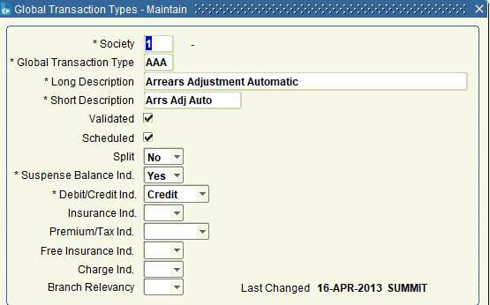
 | Society-Number | Gtrans Type | Long Description | Short Description | Split | Suspense Balance Ind. | Debit-Credit
 | 1 | AAA | Arrears Adjustment Automatic | Arrs Adj Auto | N | Y | C
 | 1 | AAM | Arrears Adjustment Manual | Arrs Adj Man | N | Y | C
 | 1 | AAR | Arrears Adjustments on Redemption | Arr Adj Redemp | N | N | C
 | 1 | ACA | Arrears Credit Automatic | Arrs Cr Auto | N | Y | C
 | 1 | ACM | Arrears Credit Manual | Arr Cred Manual | N | N | C
 | 1 | ADA | Arrears Debit Automatic | Arrs Debit Auto | N | Y | D
 | 1 | ADM | Arrears Debit Manual | Arrs Debit Man | N | Y | D
 | 1 | ADV | Advance | Advance | N | Y | D
 | 1 | AIA | Automatic Interest Adjustment | Auto Int Adj | N | Y | D
 | 1 | APS | Additional Permitted Subscriptions | Addl Perm Subs | N | Y | C
 | 1 | AZC | Arrears Capitalisation - Credit Arrears | Arrs Cap - Cred | N | N | C
 | 1 | AZD | Arrears Capitalisation - Debit Arrears | Arrs Cap -Debit | N | N | D
 | 1 | BAC | Balance Available Credit | Bal Avail Cred | N | Y | C
 | 1 | BAD | Balance Available Debit | Bal Avail Debit | N | Y | D
 | 1 | BCQ | Bad Cheque (Received) | Bad Chq (Rec) | N | Y | C
 | 1 | BP | Bonus Payment | Bonus Payment |  | Y | C
 | 1 | BTC | Balance Transfer Credit | Bal Xfer Cred | N | Y | C
 | 1 | BTD | Balance Transfer Debit | Bal Trans Dr | N | Y | D
 | 1 | C | Closure | Closure | N | Y | D
 | 1 | CAA | Credit Agreed Advance | Cr.Agreed Adv. | N | Y | C
 | 1 | CAC | Capitalise Arrears | Cap Arr | N | Y | C
 | 1 | CAP | Capitalisation | Capitalisation | N | Y | C
 | 1 | CBK | Cash Back | Cash Back | N | N | C
 | 1 | CCD | Capitalise Current Accounts Debit | Cap Curr Debit | N | Y | D
 | 1 | CCI | Charges Credit Interest | Charges Cr Int | N | Y | C
 | 1 | CDI | Charges Debit Interest | Charges Db Int | N | Y | D
 | 1 | CFA | Capitalised Arrears Fees Adjustment | CapArrFeeAdj | N | Y | D
 | 1 | CHC | Charges Credit | Charges Credit | N | Y | C
 | 1 | CHD | Charges Debit | Charges Debit | N | Y | D
 | 1 | CI | Credit Interest - Update Forward Interest | Forward Cr Int | N | Y | C
 | 1 | CLD | Clearance Debit | Clear Debit | Y | Y | D
 | 1 | CLE | Clearance | Clearance | N | Y | C
 | 1 | CPA | Capitalised Arrears Payment Adjustment | CapArrPayAdj | N | Y | C
 | 1 | CPT | Closure Posting Tax | Cl posting Tax | N | Y | D
 | 1 | CR | Capital Repayment | Capital Repay | N | Y | C
 | 1 | CS2 | Change Process Status from 1 to 2 | Change PS 1-2 | N | N | C
 | 1 | CS4 | Change Process Status from 1 to 4 | Change PS 1-4 | N | N | C
 | 1 | CTC | Capital Transfer Credit-Mortgages | Cap Tran Cr Mor | N | Y | C
 | 1 | CTD | Capital Transfer Debit - Mortgages | Cap Tran Db Mor | N | Y | D
 | 1 | CUC | Capital Update Credit | Cap.Update.Cr. | N | Y | C
 | 1 | CUD | Capital Update Debit | Cap Upd Dr | N | Y | D
 | 1 | CW | Withdrawal from closed accout | Closure Wdl | N | Y | D
 | 1 | CZC | Arrears Capitalisation - Credit Capital Bal | Arrs Cap - Cr C | N | N | C
 | 1 | CZD | Arrears Capitalisation - Debit Capital Bal | Arr Cap Dr CB | N | N | D
 | 1 | DAA | Debit Agreed Advance | Debit Agr Adv | N | Y | D
 | 1 | DAI | Debit Accrued Interest | Deb Acc Int | N | N | D
 | 1 | DCG | Delayed Charge | Delayed Chg | N | Y | D
 | 1 | DEC | DGSD Excluded Credit | DGSD Exc Credit | N | N | C
 | 1 | DED | DGSD Excluded Debit | DGSD Excl Debit | N | N | D
 | 1 | DF | Deed Uplift Fees | Deed Uplift Fee | N | Y | D
 | 1 | DI | Debit Interest | Debit Interest | N | Y | D
 | 1 | DIC | DGSD Ineligible Credit | DGSD Inelig Cr | N | N | C
 | 1 | DID | DGSD Ineligible Debit | DGSD Inelig Deb | N | N | D
 | 1 | DMC | Deposits this month credit - H2B ISAs | Dep this month | N | Y | C
 | 1 | DRA | Flexible Loan Adv Drawdown | Flx AdvDrawdown | N | Y | D
 | 1 | DRD | Flexible Loan Draw Down | Draw Down FLX | N | Y | D
 | 1 | DSF | Deeds Storage Fee | Deeds Storage | N | Y | D
 | 1 | DTC | Deposits This Term Credit | Dep This Trm Cr | N | Y | C
 | 1 | DTD | Deposits This Term Debit | Dep This Trm Db | N | Y | D
 | 1 | DUC | DGSD Uncovered Credit | DGSD Unc Credit | N | N | C
 | 1 | DUD | DGSD Uncovered Debit | DGSD Unc Deb |  | N | D
 | 1 | EAO | Euro Conv Arrears Outstanding | Conv Arr OS | N | N | D
 | 1 | EBA | Euro Conv Balance Available | Conv BalAvail | N | N | C
 | 1 | EBO | Euro Conv Balance Outstanding | Conv BalOS | N | N | C
 | 1 | ECA | Euro Conv Capital Balance | Conv CapBal | N | N | C
 | 1 | ECC | Early Closure Charge | Early Closure | N | Y | D
 | 1 | ECL | Euro Conv Cleared Balance | Conv ClBal | N | N | C
 | 1 | FA | Further Advance | Further Advance | N | Y | D
 | 1 | FAD | Application Fee - Added to loan | App Fee added | N | Y | D
 | 1 | FDE | Application fee deducted from advance | App fee deduct | N | Y | C
 | 1 | FDW | Future Dated Withdrawal Request | FDW Request | N | Y | D
 | 1 | FEA | Fee Debit Update Arrears | Fees Debit | N | Y | D
 | 1 | FED | Fee Debit | Fee Debit | N | Y | D
 | 1 | FEP | Fees Payment | Fees Payment | N | Y | C
 | 1 | FFR | Application Fee - Free | App fee Free | N | Y | D
 | 1 | FIA | Start of Fiscal year interest adj. | Fiscal int adj | N | Y | D
 | 1 | FNA | Fee Credit FNA | FNA Credit | N | Y | C
 | 1 | FRE | Application Fee - reduction | App fee reduced | N | Y | D
 | 1 | FSA | Stage Further advance | Stage FA | N | Y | D
 | 1 | FSF | Further Advance -Final Stage | FA Final Stage | N | Y | D
 | 1 | GEN | General Administration Fee | Admin Fee | N | Y | D
 | 1 | IBP | Interest Bonus Payment | Int Bonus Paymt | N | Y | C
 | 1 | ICR | Interest Credit | Interest Credit | N | Y | C
 | 1 | IDB | Transfer unpaid interest - debit | Xfer unp int dr | N | N | D
 | 1 | II | ISA Transfer In | ISA Transfer In | N | Y | C
 | 1 | INP | Interest Payment | Int Payment | N | Y | D
 | 1 | INT | Interest Transferred In | Int Tfr In | N | Y | C
 | 1 | IO | ISA Transfer Out | ISA Trans Out | N | Y | D
 | 1 | LBC | Low Balance Charge | Low Bal Chg | N | Y | D
 | 1 | LF | Lending Fee | Lending Fee | N | Y | D
 | 1 | LFI | Lending Fee Transfer In | LF Trf In | N | Y | D
 | 1 | LFO | Lending Fee Transfer Out | LF Trf Out | N | Y | C
 | 1 | LFZ | Cleardown Lending Fee Custom Balance | LF Cleardown | N | Y | C
 | 1 | MEF | MEAF Custom Balance Update | MEAF Update | N | Y | D
 | 1 | MI | Meaf Transfer In | Meaf TranIn | N | N | D
 | 1 | MIA | Manual Interest Adjustment | Man Int Adj | N | Y | D
 | 1 | MIC | Manual Insurance Closure | Man Ins losure | N | N | D
 | 1 | MIG | HLC Premium Credit | HLC Prem Cr | N | Y | C
 | 1 | MJI | Matured Junior ISA | Matured JNRISA | N | N | C
 | 1 | MO | Meaf Transfer Out | Meaf TranOut | N | N | C
 | 1 | MRS | Maturity into Regular Saver | Mture to Rg Svr | N | Y | C
 | 1 | OAI | Offset Interest Adjustment | Off int adj | N | N | D
 | 1 | PC | Insurance Premium Credit | Premium Credit | N | Y | C
 | 1 | PD | Insurance Debits | Ins Debits | N | Y | D
 | 1 | PDF | Debit Ins premium during free period | Prem Deb Free | N | Y | D
 | 1 | PTC | Insurance Premium Tax Credit | Prem Tax Credit | N | Y | C
 | 1 | PTD | Insurance Premium Tax debit | Ins Prem Tax Db | N | Y | D
 | 1 | PTF | Debit Ins premium tax during free period | IPT Deb Free | N | Y | D
 | 1 | R | Receipt | Receipt | Y | Y | C
 | 1 | R1F | User Def Redemp Charge Code 1 | UserDefRedChge1 | N | Y | D
 | 1 | R2F | User Def Redemp Charge Code 2 | UserDefRedChge2 | N | Y | D
 | 1 | R3F | User Def Redemp Charge Code 3 | UserDefRedChge3 | N | Y | D
 | 1 | R4F | User Def Redemp Charge Code 4 | UserDefRedChge4 | N | Y | D
 | 1 | R5F | User Def Redemp Charge Code 5 | UserDefRedChge5 | N | Y | D
 | 1 | R6F | User Def Redemp Charge Code 6 | UserDefRedChge6 | N | Y | D
 | 1 | RCR | Redemption Cashback Repayable | Red Cshbk Repay | N | Y | D
 | 1 | RED | Redemption | Redemption | N | Y | C
 | 1 | REI | Redemption Extra Interest | Red Extra Int | N | Y | D
 | 1 | REL | Retention Release | Reten Release | N | Y | D
 | 1 | RET | Retention | Retention | N | Y | D
 | 1 | RFD | Refund of overpayments | Refund overpay | N | Y | D
 | 1 | RII | Redemption Refund Insurance Prem Tax | Red IPT refund | N | Y | C
 | 1 | RIR | Redemption Refund Insurance Premium | Red Ins Refund | N | Y | C
 | 1 | RLF | Redemption Legal Fee | Red Legal Fee | N | Y | D
 | 1 | RRF | Redemption Fee | Redemption Fee | N | Y | D
 | 1 | RTC | Redemption Tolerance Credit | Red ToleranceCr | N | Y | C
 | 1 | RTD | Redemption Tolerance Debit | Red ToleranceDb | N | Y | D
 | 1 | RTR | Retrospective Tax Refund | RetroTaxRefnd | N | Y | C
 | 1 | RTX | Retention Cancellation | Retention Cancl | N | Y | C
 | 1 | SA | Stage Advance | Stage Advance | N | Y | D
 | 1 | SAF | Stage Advance Final | Stage Adv Final | N | Y | D
 | 1 | SAX | Stage Advance Cancellation | Stage Adv Canc | N | Y | C
 | 1 | SCR | Product Switch Cashback Repayable | Swtch Cash Ref | N | Y | D
 | 1 | SEI | Product Switch Fee - Extra Interest | Swtch Extra Int | N | Y | D
 | 1 | SFY | Start Fiscal Year | Start Fiscal Yr | N | Y | C
 | 1 | SIA | Start of Society Year Interest Adj. | Soc.Yr.Int.Adj. | N | Y | D
 | 1 | SID | Set Inception Date | Set Incep Date | N | Y | C
 | 1 | SLF | Product Switch Legal Fee | Swtch Legal Fee | N | Y | D
 | 1 | SRA | Switch Refund Authorisation | Swtich Ref Auth | N | Y | C
 | 1 | SRF | Product Switch Fee | Prod Swtch Fee | N | Y | D
 | 1 | SSY | Start Society Year | Start Soc Year | N | Y | C
 | 1 | ST | Start Term | Start Term | N | Y | C
 | 1 | SWA | Switch Authorisation | Switch Auth | N | Y | D
 | 1 | UDD | Unpaid Direct Debit | Unpaid DD | Y | Y | D
 | 1 | UIC | Unpaid Interest Credit (Ann review) | Unp Int Cred | N | N | C
 | 1 | UID | Unpaid Interest Debit (Ann review) | Unp Int Dr | N | N | D
 | 1 | VSA | Visa Transaction | Visa Tran | N | Y | D
 | 1 | W | Withdrawal | Withdrawal | N | Y | D
 | 1 | ZAC | Capital Arrears Credit | Cap Arrs Cr | N | Y | C
 | 1 | ZAD | Capital Arrears Debit | Cap Arrs Dr | N | Y | D
 | 1 | ZCB | Zeroise Capital Balance | Zer Cap Bal | N | Y | D
 | 1 | ZEC | CAPFEE Credit | CAPFEE Cr | N | Y | C
 | 1 | ZED | CAPFEE Debit | CAPFEE Dr | N | Y | D
 | 1 | ZFC | Fee Not Arrears Custom Balance Cr | FeeNotArrsCr | N | N | C
 | 1 | ZFD | Fee Not Arrears Custom Balance DB | Fee Not Arrs DB | N | N | D
 | 1 | ZIC | Interest on Arrears custom balance credit | Int on Arrs Cr | N | Y | C
 | 1 | ZID | Interest on Arrears custom balance debit | Int on Arr Dr | N | Y | D
 | 1 | ZM | Zeroise Meaf Custom Balance | Zero MEAF Bal | N | N | C
 | 1 | ZNB | Zero Negative Balance | ZNB | N | N | C
 | 2 | AAA | Arrears Adjustment Automatic | Arrs Adj Auto | N | Y | C
 | 2 | AAM | Arrears Adjustment Manual | Arrs Adj Man | N | Y | C
 | 2 | AAR | Arrears Adjustments on Redemption | Arr Adj Redemp | N | N | C
 | 2 | ACA | Arrears Credit Automatic | Arrs Cr Auto | N | Y | C
 | 2 | ACM | Arrears Credit Manual | Arr Cred Manual | N | N | C
 | 2 | ADA | Arrears Debit Automatic | Arrs Debit Auto | N | Y | D
 | 2 | ADM | Arrears Debit Manual | Arrs Debit Man | N | Y | D
 | 2 | ADV | Advance | Advance | N | Y | D
 | 2 | AIA | Automatic Interest Adjustment | Auto Int Adj | N | Y | D
 | 2 | ARI | Arrears Interest - Flat Charge | Arrears Int Chg | N | Y | D
 | 2 | AZC | Arrears Capitalisation - Credit Arrears | Arrs Cap - Cred | N | N | C
 | 2 | AZD | Arrears Capitalisation - Debit Arrears | Arrs Cap -Debit | N | N | D
 | 2 | BAC | Balance Available Credit | Bal Avail Cred | N | Y | C
 | 2 | BAD | Balance Available Debit | Bal Avail Debit | N | Y | D
 | 2 | BCQ | Bad Cheque (Received) | Bad Chq (Rec) | N | Y | C
 | 2 | BP | Bonus Payment | Bonus Payment |  | Y | C
 | 2 | C | Closure | Closure | N | Y | D
 | 2 | CAA | Credit Agreed Advance | Cr.Agreed Adv. | N | Y | C
 | 2 | CAP | Capitalisation | Capitalisation | N | Y | C
 | 2 | CBK | Cash Back | Cash Back | N | N | C
 | 2 | CCD | Capitalise Current Accounts Debit | Cap Curr Debit | N | Y | D
 | 2 | CCI | Charges Credit Interest | Charges Cr Int | N | Y | C
 | 2 | CDI | Charges Debit Interest | Charges Db Int | N | Y | D
 | 2 | CFA | Capitalised Arrears Fees Adjustment | CapArrFeeAdj | N | Y | D
 | 2 | CHC | Charges Credit | Charges Credit | N | Y | C
 | 2 | CHD | Charges Debit | Charges Debit | N | Y | D
 | 2 | CI | Credit Interest - Update Forward Interest | Forward Cr Int | N | Y | C
 | 2 | CLD | Clearance Debit | Clear Debit | Y | Y | D
 | 2 | CLE | Clearance | Clearance | N | Y | C
 | 2 | CPA | Capitalised Arrears Payment Adjustment | CapArrPay Adj | N | Y | C
 | 2 | CPT | Closure Posting Tax | Cl posting Tax | N | Y | D
 | 2 | CR | Capital Repayment | Capital Repay | N | Y | C
 | 2 | CS2 | Change Process Status from 1 to 2 | Change PS 1-2 | N | N | C
 | 2 | CS4 | Change Process Status from 1 to 4 | Change PS 1-4 | N | N | C
 | 2 | CTC | Capital Transfer Credit-Mortgages | Cap Tran Cr Mor | N | Y | C
 | 2 | CTD | Capital Transfer Debit - Mortgages | Cap Tran Db Mor | N | Y | D
 | 2 | CUC | Capital Update Credit | Cap.Update.Cr, | N | Y | C
 | 2 | CUD | Capital Update Debit | Cap Upd Dr | N | Y | D
 | 2 | CW | Withdrawal from closed accout | Closure Wdl | N | Y | D
 | 2 | CZC | Arrears Capitalisation - Credit Capital Bal | Arrs Cap - Cr C | N | N | C
 | 2 | CZD | Arrears Capitalisation - Debit Capital Bal | Arr Cap Dr CB | N | N | D
 | 2 | DAA | Debit Agreed Advance | Debit Agr Adv | N | Y | D
 | 2 | DAI | Debit Accrued Interest | Deb Acc Int | N | N | D
 | 2 | DF | Deed Uplift Fees | Deed Uplift Fee | N | Y | D
 | 2 | DI | Debit Interest | Debit Interest | N | Y | D
 | 2 | DRA | Flexible Loan Adv Drawdown | Flx AdvDrawdown | N | Y | D
 | 2 | DRD | Flexible Loan Draw Down | Draw Down FLX | N | Y | D
 | 2 | DSF | Deeds Storage Fee | Deeds Storage | N | Y | D
 | 2 | DTC | Deposits This Term Credit | Dep This Trm Cr | N | Y | C
 | 2 | DTD | Deposits This Term Debit | Dep This Trm Db | N | Y | D
 | 2 | EAO | Euro Conv Arrears Outstanding | Conv Arr OS | N | N | D
 | 2 | EBA | Euro Conv Balance Available | Conv BalAvail | N | N | C
 | 2 | EBO | Euro Conv Balance Outstanding | Conv BalOS | N | N | C
 | 2 | ECA | Euro Conv Capital Balance | Conv CapBal | N | N | C
 | 2 | ECC | Early Closure Charge | Early Closure | N | Y | D
 | 2 | ECL | Euro Conv Cleared Balance | Conv ClBal | N | N | C
 | 2 | FA | Further Advance | Further Advance | N | Y | D
 | 2 | FAD | Application Fee - Added to Loan | App Fee Added | N | Y | D
 | 2 | FDE | Application Fee - Deducted from Advance | App Fee Deduct | N | Y | C
 | 2 | FEA | Fee Debit Update Arrears | Fees Debit | N | Y | D
 | 2 | FED | Fee Debit | Fee Debit | N | Y | D
 | 2 | FEP | Fees Payment | Fees Payment | N | Y | C
 | 2 | FFR | Application Fee Free | App Fee Free | N | Y | D
 | 2 | FIA | Start of Fiscal year interest adj. | Fiscal int adj | N | Y | D
 | 2 | FID | Fine Debit | Fine Debit | N | Y | D
 | 2 | FNA | Fee Credit FNA | FNA Credit | N | Y | C
 | 2 | FRE | Application Fee Reduction | App Fee Reduce | N | Y | D
 | 2 | FSA | Stage Further Advance | Stage FA | N | Y | D
 | 2 | FSF | Further Advance - Final Stage | FA Final Stage | N | Y | D
 | 2 | GEN | General Administration Charge | Admin Charge | N | Y | D
 | 2 | IAC | Insurance Arrears Credit | Ins Arr Cr | N | N | C
 | 2 | IAD | Insurance Arrears Debit | Ins Arrs Dr | N | N | D
 | 2 | IBP | Interest Bonus Payment | Int Bonus Paymt | N | Y | C
 | 2 | ICR | Interest Credit | Interest Credit | N | Y | C
 | 2 | IDB | Transfer unpaid interest - debit | Xfer unp int dr | N | N | D
 | 2 | II | ISA Transfer In | ISA Transfer In | N | Y | C
 | 2 | INP | Interest Payment | Int Payment | N | Y | D
 | 2 | INT | Interest Transferred In | Int Tfr In | N | Y | C
 | 2 | IO | ISA Transfer Out | ISA Trans Out | N | Y | D
 | 2 | LBC | Low Balance Charge | Low Bal Chg | N | Y | D
 | 2 | LF | Lending Fee | Lending Fee | N | Y | D
 | 2 | LFI | Lending Fee Transfer In | LF Trf In | N | Y | D
 | 2 | LFO | Lending Fee Transfer Out | LF Trf Out | N | Y | C
 | 2 | LFZ | Cleardown Lending Fee Custom Balance | LF Cleardown | N | Y | C
 | 2 | MEF | MEAF Custom Balance Update | MEAF Update | N | N | D
 | 2 | MI | Meaf Transfer In | Meaf TranIn | N | N | D
 | 2 | MIA | Manual Interest Adjustment | Man Int Adj | N | Y | D
 | 2 | MIC | Manual Insurance Closure | Man Ins Closure | N | N | D
 | 2 | MIG | HLC Premium Credit | HLC Prem Cr | N | Y | C
 | 2 | MO | Meaf Transfer Out | Meaf TranOut | N | N | C
 | 2 | MRS | Maturity into Regular Saver | Mture to Rg Svr | N | Y | C
 | 2 | OAI | Offset Interest Adjustment | Off int adj | N | N | D
 | 2 | PC | Insurance Premium Credit | Premium Credit | N | Y | C
 | 2 | PD | Insurance Debits | Ins Debits | N | Y | D
 | 2 | PDF | Debit Ins premium during free period | Prem Deb Free | N | Y | D
 | 2 | PTC | Insurance Premium Tax Credit | Prem Tax Credit | N | Y | C
 | 2 | PTD | Insurance Premium Tax debit | Ins Prem Tax Db | N | Y | D
 | 2 | PTF | Debit Ins premium tax during free period | IPT Deb Free | N | Y | D
 | 2 | R | Receipt | Receipt | Y | Y | C
 | 2 | R1F | User Def Redemp Charge Code 1 | UserDefRedChge1 | N | Y | D
 | 2 | R2F | User Def Redemp Charge Code 2 | UserDefRedChge2 | N | Y | D
 | 2 | R3F | User Def Redemp Charge Code 3 | UserDefRedChge3 | N | Y | D
 | 2 | R4F | User Def Redemp Charge Code 4 | UserDefRedChge4 | N | Y | D
 | 2 | R5F | User Def Redemp Charge Code 5 | UserDefRedChge5 | N | Y | D
 | 2 | R6F | User Def Redemp Charge Code 6 | UserDefRedChge6 | N | Y | D
 | 2 | RCR | Redemption Cashback Repayable | Red Cshbk Repay | N | Y | D
 | 2 | RED | Redemption | Redemption | N | Y | C
 | 2 | REI | Redemption Extra Interest | Red Extra Int | N | Y | D
 | 2 | REL | Retention Release | Reten Release | N | Y | D
 | 2 | RET | Retention | Retention | N | Y | D
 | 2 | RFD | Refund of overpayments | Refund overpay | N | Y | D
 | 2 | RII | Redemption Refund Insurance Prem Tax | Red IPT refund | N | Y | C
 | 2 | RIR | Redemption Refund Insurance Premium | Red Ins Refund | N | Y | C
 | 2 | RLF | Redemption Legal Fee | Red Legal Fee | N | Y | D
 | 2 | RRF | Redemption Fee | Redemption Fee | N | Y | D
 | 2 | RTC | Redemption Tolerance Credit | Red ToleranceCr | N | Y | C
 | 2 | RTD | Redemption Tolerance Debit | Red ToleranceDb | N | Y | D
 | 2 | RTR | Retrospective Tax Refund | RetroTaxRefnd | N | Y | C
 | 2 | RTX | Retention Cancellation | Retention Cancl | N | Y | C
 | 2 | SA | Stage Advance | Stage Advance | N | Y | D
 | 2 | SAF | Stage Advance Final | Stage Adv Final | N | Y | D
 | 2 | SAX | Stage Advance Cancellation | Stage Adv Canc | N | Y | C
 | 2 | SDD | Stamp Duty Debit | Stamp Duty Dr | N | Y | D
 | 2 | SEI | Product Switch Extra Interest | Swtch Extra Int | N | N | D
 | 2 | SFY | Start Fiscal Year | Start Fiscal Yr | N | Y | C
 | 2 | SIA | Start of Society Year Interest Adj. | Soc.Yr.Int.Adj. | N | Y | D
 | 2 | SID | Set Inception Date | Set Incep Date | N | Y | C
 | 2 | SLF | Product Switch Legal Fee | Swtch Legal Fee | N | Y | D
 | 2 | SRA | Switch Refund Authorisation | Swtich Ref Auth | N | Y | C
 | 2 | SRC | Product Switch Cashback Repayable | Swtch Cash Ref | N | Y | D
 | 2 | SRF | Product Switch Fee | Prod Swtch Fee | N | Y | D
 | 2 | SSY | Start Society Year | Start Soc Year | N | Y | C
 | 2 | ST | Start Term | Start Term | N | Y | C
 | 2 | SWA | Switch Authorisation | Switch Auth | N | Y | D
 | 2 | TIA | Term-end Interest Adjustment - Neg Rates | Term Int Adj-NR | N | N | D
 | 2 | TRC | Tax relief Credit | Tax Relief Cr | N | Y | C
 | 2 | TRR | Tax relief rollover | Tax relief roll | N | N | C
 | 2 | UDD | Unpaid Direct Debit | Unpaid DD | Y | Y | D
 | 2 | UIC | Unpaid Interest Credit (Ann review) | Unp Int Cred | N | N | C
 | 2 | UID | Unpaid Interest Debit (Ann review) | Unp Int Dr | N | N | D
 | 2 | W | Withdrawal | Withdrawal | N | Y | D
 | 2 | ZAC | Capital Arrears Credit | Cap Arr Cr | N | Y | C
 | 2 | ZAD | Capital Arrears Debit | Cap Arrs Dr | N | Y | D
 | 2 | ZCB | Zeroise Capital Balance | Zer Cap Bal | N | Y | D
 | 2 | ZEC | CAPFEE Credit | CAPFEE Cr | N | Y | C
 | 2 | ZED | CAPFEE Debit | CAPFEE Dr | N | Y | D
 | 2 | ZFC | Fee Not Arrears Custom Balance Cr | FeeNotArrs Cr | N | N | C
 | 2 | ZFD | Fee Not Arrears Custom Balance Debit | FeeNotArrs Dr | N | N | D
 | 2 | ZIC | Interest on Arrears custom balance credit | Int on Arrs Cr | N | Y | C
 | 2 | ZID | Interest on Arrears custom balance debit | Int on Arrs Dr | N | Y | D
 | 2 | ZM | Zeroise Meaf Custom Balance | Zero Meaf Bal | N | N | C

TRANS_TYPE
Select * From Transaction_Types Where trans_scheduled = 'Y' Order by Trans_Soc_Seqno, Trans_Gact_Type,Trans_Code;
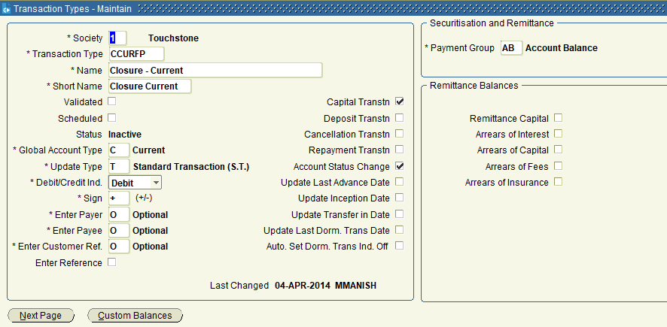
 | Society-Number | Global Transaction Type | Transaction Type | Name | Short Name | Debit-Credit | Sign
 | 1 | C | AIACUR | Automatic Interest Adjustment - Current | Aut.Int.Adj.Cur | C | +
 | 1 | C | BACCUR | Balance Available Credit | Bal Avail Cr | C | +
 | 1 | C | BADCUR | Balance Available Debit | Bal Avail Dr | D | -
 | 1 | C | BCQCUR | Bad Cheque - Current | Bad Cheque Curr | D | +
 | 1 | C | CAPCUR | Capitalise Current Accounts | Capitalise Curr | C | +
 | 1 | C | CCDCUR | Capitalise Current Accounts Debit | Cap.Cur. Acc.DB | D | -
 | 1 | C | CCICUR | Charges Credit Interest - Current | Chg Cr Int-Curr | C | +
 | 1 | C | CCUR | Closure - Current | Closure Current | D | +
 | 1 | C | CDICUR | Charges Debit Interest - Current | Chg Db Int-Curr | D | +
 | 1 | C | CHCCUR | Charges Credit - Current | Charge CR Curr | C | +
 | 1 | C | CHDCUR | Charges Debit - Current | Charge DB Curr | D | +
 | 1 | C | CICUR | Credit Interest Charged - Current | Credit Int.Curr | C | +
 | 1 | C | CLECUR | Clearance - Current | Clearance - Cur | C | +
 | 1 | C | CS4CUR | Change Curr A/C Proc Status from 1 to 4 | Curr PS 1-4 | C | +
 | 1 | C | CUCCUR | Capital Update Credit Current | Cap.Updt.Cr.Cur | C | +
 | 1 | C | DCGCUR | Delayed Charge - Current | Del Chg Fee Cur | D | -
 | 1 | C | DECCUR | DGSD Excluded Current Credit | DGSD Exc Sav Cr | C | +
 | 1 | C | DEDCUR | DGSD Excluded Current Debit | DGSD Ex Cur DEB | D | -
 | 1 | C | DICCUR | DGSD Ineligible Current Credit | DGSD In Curr Cr | C | +
 | 1 | C | DICUR | Debit Interest Charged - Current | Debit Int.Curr | D | +
 | 1 | C | DIDCUR | DGSD Ineligible Current Debit | DGSD In Curr Db | D | -
 | 1 | C | DUCCUR | DGSD Uncovered Current Credit | DGSD Unc Cur Cr | C | +
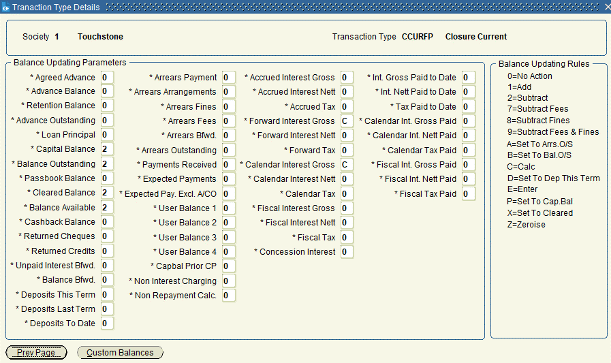
 | 1 | C | DUDCUR | DGSD Uncovered Current Debit | DGSD Unc Sav Db | D | -
 | 1 | C | GENCUR | General Admin Fee - Current | Gen Adm Fee Cur | D | -
 | 1 | C | INPCUR | Interest Payment - Current | Int Pay Current | D | +
 | 1 | C | INTCUR | Interest Transfer In - Current | Int.T'fer Curr | C | +
 | 1 | C | MIACUR | Manual Interest Adjustment - Current | Man.Int.Adj.Cur | C | +
 | 1 | C | OAICUR | Offset Interest Adjustment - Current | Offset Int Cur | D | -
 | 1 | C | RCUR | Receipt - Current | Receipt Current | C | +
 | 1 | C | RTRCUR | Retrospective Tax Refund Current | R Tax Rfnd Cur | C | +
 | 1 | C | RUCUR | Receipt Uncleared - Current | Receipt UnclCur | C | +
 | 1 | C | SIACUR | Society Year Interest - Current | Soc.Yr.Int.Curr | C | +
 | 1 | C | SRACUR | Switch Refund Authorisation - Current | Sw Ref Auth Cur | C | +
 | 1 | C | SSYCUR | Start Society Year - Current | Start Soc.Yr.C | C | +
 | 1 | C | SWACUR | Switch Authorisation - Current | Switch Auth Cur | D | -
 | 1 | C | WCUR | Withdrawal - Current | Withdraw Curr | D | +
 | 1 | C | WCURFS | Withdrawal - Current | Withdraw Curr | D | +
 | 1 | C | ZNBCUR | Zero Negative Balance Trans for Current | ZNB CUR | C | +
 | 1 | I | AAMINS | Arrears Adjustment Manual - Insurance | Arr.Adj.Man.Ins | D | +
 | 1 | I | AARINS | Arrears Adjust on Redemption Ins | Arr Adj Red I | C | +
 | 1 | I | ACMINS | Arrears Credit Manual - Insurance | Arr.CR Man.Ins | C | +
 | 1 | I | ADAINS | Arrears Debit Automatic - Insurance | Arrs.DB Aut.Ins | D | +
 | 1 | I | ADMINS | Arrears Debit Manual - Insurance | Arrs.DB Man.Ins | D | +
 | 1 | I | AIAINS | Automatic Interest Adjustment Insurance | Aut.Int.Adj.Ins | D | +
 | 1 | I | AZCINS | Arrears Capitalisation - Credit - Ins | Arrs Cap Cr I | C | +
 | 1 | I | AZDINS | Arrears Capitalisation - Debit - Ins | Arrs Cap Dr I | D | +
 | 1 | I | BCQINS | Bad Cheque - Insurance | Bad Cheque Ins | D | +
 | 1 | I | BTDINS | Balance Transfer Debit - Insurance | Bal Xfer Dr Ins | D | +
 | 1 | I | CAPINS | Capitalise Insurance | Capitalis Insur | D | +
 | 1 | I | CINS | Closure - Insurance | Closure Insur. | C | +
 | 1 | I | CS2INS | Change Ins. Process Status from 1 to 2 | Insur PS 1-2 | C | +
 | 1 | I | CS4INS | Change Ins. Process Status from 1 to 4 | Insur PS 1-4 | C | +
 | 1 | I | CZCINS | Capital Bal Adjust Credit - Insurance | CapBal Adj Cr I | C | -
 | 1 | I | CZDINS | Capital Bal Adjust Debit - Insurance | CapBal Adj Db I | D | +
 | 1 | I | GENINS | General Admin Fee - Insurance | Gen Adm Fee Ins | D | +
 | 1 | I | HLTINS | Higher Lending Charge Premium Credit | HLC Prem Cr | C | +
 | 1 | I | MICINS | Manual Insurance Closure | Man Ins Closure | D | +
 | 1 | I | PCINS | Insurance Premium Credit | Premium Credit | C | +
 | 1 | I | PDFINS | Insurance Premium Debit - Free | Premium Db Free | D | -
 | 1 | I | PDINS | Insurance Premium Debit | Premium Debit | D | +
 | 1 | I | PTCINS | Insurance Premium Tax Credit | Prem Tax Credit | C | -
 | 1 | I | PTDINS | Insurance Premium Tax debit | IPT Debit | D | +
 | 1 | I | PTFINS | Insurance Premium Tax Debit - Free | IPT Free | D | -
 | 1 | I | REDINS | Redemption - Insurance | Redemption Ins. | C | +
 | 1 | I | RFDINS | Refund Insurance Payment | Ref InsPaymnt | D | +
 | 1 | I | RIIINS | Redemp Refund Ins Premium Tax | Red Ref IPT | C | +
 | 1 | I | RINS | Receipt - Insurance | Receipt - Ins | C | -
 | 1 | I | RIRINS | Redem Refund Insurance Premium | Red Ref InsPrem | C | +
 | 1 | I | SFYINS | Start Fiscal Year - Insurance | Start Fisc.Yr.I | D | +
 | 1 | I | SIAINS | Society Year Interest Insurance | Soc Yr Int Ins | D | +
 | 1 | I | SSYINS | Start Society Year - Insurance | Start Soc.Yr.In | D | +
 | 1 | I | UDDINS | Unpaid Direct Debit - Insurance | Unpaid DD - Ins | D | +
 | 1 | IC | AIAISA | Automatic Interest Adjustment - ISACsh | Aut Int Adj ISA | C | +
 | 1 | IC | APS | Additional Permitted Subscriptions | Addl Prem Subs | C | +
 | 1 | IC | BCQISA | Bad Cheque Before Clearance ISA | Bad Cheque ISA | D | +
 | 1 | IC | CAPISA | Capitalise ISA Cash | Capitalise ISAC | C | +
 | 1 | IC | CCIISA | Charges Credit Interest - ISA Cash | Chg Cr Int-ISAC | C | +
 | 1 | IC | CDIISA | Charges Debit Interest - ISA Cash | Chg Db Int ISA | D | +
 | 1 | IC | CHCISA | Charges Credit - ISA | Charge CR ISAC | C | +
 | 1 | IC | CHDISA | Charges Debit - ISA | Charge DB ISA | D | +
 | 1 | IC | CIISA | Credit Interest Charged - ISA | Cr Int Chg ISA | C | +
 | 1 | IC | CISA | Closure - ISA Cash | Closure ISACSH | D | +
 | 1 | IC | CISAFP | Closure - ISA Cash | Closure ISACSH | D | +
 | 1 | IC | CLEISA | Clearance - ISA | Clearance ISA | C | +
 | 1 | IC | CPTISA | Closure Posting Tax Reclamation - ISA | Clos Tax ISA | D | +
 | 1 | IC | CUCISA | Capital Update Credit ISA | Cap Upd Cr ISA | C | +
 | 1 | IC | CWISA | Closure Withdrawal ISA | Clos Wdl ISA | D | +
 | 1 | IC | DECISA | DGSD Excluded ISA Credit | DGSD Exc ISA Cr | C | +
 | 1 | IC | DEDISA | DGSD Excluded ISA Debit | DGSD Ex ISA Deb | D | -
 | 1 | IC | DICISA | DGSD Ineligible ISA Credit | DGSD In ISA Cr | C | +
 | 1 | IC | DIDISA | DGSD Ineligible ISA Debit | DGSD In ISA Db | D | -
 | 1 | IC | DMCISA | Deposits this month credit - H2B: ISA | Dep this month | C | +
 | 1 | IC | DTCISA | Deposits This Term Credit ISA | Dep TTC ISA | C | +
 | 1 | IC | DTDISA | Deposits This Term Debit ISA | Dep TTD ISA | D | -
 | 1 | IC | DUCISA | DGSD Uncovered ISA Credit | DGSD Unc ISA Cr | C | +
 | 1 | IC | DUDISA | DGSD Uncovered ISA Debit | DGSD Unc ISA Db | D | -
 | 1 | IC | GENISA | General Admin Fee - ISA | Gen Adm Fee ISA | D | -
 | 1 | IC | IIISA | ISA Transfer In | ISA Tfr In | C | +
 | 1 | IC | INPISA | Interest Payment - ISA | Int Pay ISA | D | +
 | 1 | IC | INTISA | Interest Transferred In ISA | Int Tfr In ISA | C | +
 | 1 | IC | IOISA | ISA Transfer Out | ISA Tfr Out | D | -
 | 1 | IC | IPFIS | Interest Payment - Flexible ISA | Int Pay FISA | D | +
 | 1 | IC | IPFISA | Interest Payment - Flexible ISA | Int Pay FISA | D | +
 | 1 | IC | LBCISA | Low Balance Charge - Savings | Low Bal Chg Sav | D | -
 | 1 | IC | MIAISA | Manual Interest Adjustment - ISA Cash | Man Int Adj ISA | C | +
 | 1 | IC | MJIISA | Receipt - from Maturing Junior ISA | Rec Jnr ISA | C | +
 | 1 | IC | RISA | Receipt ISA | Receipt ISA | C | +
 | 1 | IC | RUISA | Receipt Uncleared ISA | Rcpt Uncl ISA | C | +
 | 1 | IC | SIAISA | Society Year Interest - ISA | Soc Yr Int ISAC | C | +
 | 1 | IC | SSYISA | Start Society Year - ISA | Strt Soc Yr ISA | C | +
 | 1 | IC | STISA | Start Term - ISA | Start Term ISA | C | +
 | 1 | IC | WFISA | Withdrawal - Flexible ISA | Withdraw FISA | D | +
 | 1 | IC | WISA | Withdrawal - ISA | Withdraw ISA | D | +
 | 1 | IC | ZNBISA | Zero Negative Balance Trans for ISA | ZNB ISA | C | +
 | 1 | L | AAMLN | Arrears Adjustment Manual - Loans | Arrs.Adj.Man.L | D | +
 | 1 | L | AARLN | Arrears Adjust on Redemption Ln | Arr Adj Red L | C | +
 | 1 | L | ACALN | Arrears Credit Automatic - Loans | Arrs.Cr.Auto.Lo | C | +
 | 1 | L | ACMLN | Arrears Credit Manual - Loans | Arr.CR Man.Ln | C | +
 | 1 | L | ADALN | Arrears Debit Automatic - Loans | Arrs.Deb.Auto.L | D | +
 | 1 | L | ADMLN | Arrears Debit Manual - Loans | Arrs.DB Man.Ln | D | +
 | 1 | L | ADVLN | Advance - Loan | Advance (Loan) | D | +
 | 1 | L | AIALN | Automatic Interest Adjustment - Loans | Aut.Int.Adj.Ln | D | +
 | 1 | L | AZCLN | Arrears Capitalisation - Credit - Loan | Arrs Cap Cr L | C | +
 | 1 | L | AZDLN | Arrears Capitalisation - Debit - Loan | Arrs Cap Dr L | D | +
 | 1 | L | BCQLN | Bad Cheque - Loans | Bad Cheque Loan | D | +
 | 1 | L | CAALN | Credit Agreed Advance - Loans | Cr.Agr.Adv.Loan | C | -
 | 1 | L | CAPLN | Capitalise Loan | Capitalise Loan | D | +
 | 1 | L | CHCLN | Charges Credit - Loans | Charge CR Loans | C | +
 | 1 | L | CHDLN | Charges Debit - Loans | Charges DB Mort | D | +
 | 1 | L | CLN | Closure - Loans | Closure Loans | C | +
 | 1 | L | CRLN | Capital Repayment - Loans | Cap.Repay Loan | C | +
 | 1 | L | CRLN2 | Capital Repayment - Loans | Cap.Repay Loan | C | +
 | 1 | L | CZCLN | Capital Bal Adjust Credit - Loans | CapBal Adj Cr L | C | -
 | 1 | L | CZDLN | Capital Bal Adjust Debit - Loans | CapBal Adj Db L | D | +
 | 1 | L | DAALN | Debit Agreed Advance - Loans | DB Agr.Adv.Loan | D | +
 | 1 | L | DAILN | Debit Accrued Interest - Loan | Deb Acr Int L | D | -
 | 1 | L | DILN | Debit Interest Charged - Loans | Debit Int.Loan | D | +
 | 1 | L | FIALN | Fiscal Interest Adjustment - Loans | FiscIntAdj - Ln | D | +
 | 1 | L | GENLN | General Admin Fee - Loans | Gen Adm Fee Ln | D | +
 | 1 | L | ICRLN | Interest Credit - Loan | Interest CR Ln | C | +
 | 1 | L | IDBLN | Trans Unpaid Interest Debit - Loans | TrnUnpInt Db M | D | -
 | 1 | L | MIALN | Manual Interest Adjustment - Loans | Man.Int.Adj.Ln | D | +
 | 1 | L | REDLN | Redemption - Loans | Redemption Loan | C | +
 | 1 | L | REILN | Redemption Extra Interest | Red Extra Int | D | +
 | 1 | L | RLFLN | Redemption Legal Fee | Red Legal Fee | D | +
 | 1 | L | RLN | Receipt-Loans | Receipt-Loan | C | +
 | 1 | L | RRFLN | Redemption Fee | Redemption Fee | D | +
 | 1 | L | RTCLN | Redemption Tolerance Credit | Red ToleranceCr | C | +
 | 1 | L | RTDLN | Redemption Tolerance Debit | Red ToleranceDb | D | +
 | 1 | L | SFYLN | Start Fiscal Year - Loans | Start Fisc.Yr.L | D | +
 | 1 | L | SIALN | Society Year Interest - Loans | Soc Yr Int Loan | D | +
 | 1 | L | SSYLN | Start Society Year - Loans | Start Soc.Yr.Ln | D | +
 | 1 | L | UDDLN | Unpaid Direct Debit - Mortgages | Unpaid DD - Ln | D | +
 | 1 | L | ZCBLN | Zeroise Capital Balance | Zero Cap Bal | D | +
 | 1 | M | AAAMRT | Arrears Adjustment Automatic | Arr Adj Auto | C | +
 | 1 | M | AAMACR | Arrears Adjustment Manual - Accrued | Arrs.Adj.Man.A | D | +
 | 1 | M | AAMFLX | Arrears Adjustment Manual - Flexibles | Arrs.Adj.Man.F | D | +
 | 1 | M | AAMMRT | Arrears Adjustment Manual - Mortgages | Arrs.Adj.Man.M | D | +
 | 1 | M | AARACR | Arrears Adjust on Redemption Accr | Arr Adj Red A | C | +
 | 1 | M | AARFLX | Arrears Adjust on Redemption Flex | Arr Adj Red F | C | +
 | 1 | M | AARMRT | Arrears Adjust on Redemption Mort | Arr Adj Red M | C | +
 | 1 | M | ACAACR | Arrears Credit Automatic - Accrued | Arrs.Cr.Auto.Ac | C | +
 | 1 | M | ACAFLX | Arrears Credit Automatic - Flexible | Arrs.Cr.Auto.Fl | C | +
 | 1 | M | ACAINS | Arrears Credit Automatic - Insurance | Arrs.Cr.Auto.In | C | +
 | 1 | M | ACAMRT | Arrears Credit Automatic - Mortgages | Arrs.Cr.Auto.Mo | C | +
 | 1 | M | ACMACR | Arrears Credit Manual - Accrued | Arr.CR Man.Acr | C | +
 | 1 | M | ACMFLX | Arrears Credit Manual - Flexible | Arr.CR Man.Flx | C | +
 | 1 | M | ACMMRT | Arrears Credit Manual - Mortgages | Arr.CR Man.Mrt | C | +
 | 1 | M | ADAACR | Arrears Debit Automatic - Accrued | Arrs.Deb.Auto.A | D | +
 | 1 | M | ADAFLX | Arrears Debit Automatic - Flexible | Arrs.Deb.Auto.F | D | +
 | 1 | M | ADAMRT | Arrears Debit Automatic - Mortgages | Arrs.Deb.Auto.M | D | +
 | 1 | M | ADMACR | Arrears Debit Manual - Accrued | Arrs.DB Man.Acc | D | +
 | 1 | M | ADMFLX | Arrears Debit Manual - Flexible | Arrs.DB Man.Flx | D | +
 | 1 | M | ADMMRT | Arrears Debit Manual - Mortgages | Arrs.DB Man.Mor | D | +
 | 1 | M | ADVACR | Advance - Accrued | Advance (Accrd) | D | +
 | 1 | M | ADVFLX | Advance - Flexible | Advance (Flex.) | D | +
 | 1 | M | ADVMRT | Advance - Mortgage | Advance (Mort.) | D | +
 | 1 | M | AIAACR | Automatic Interest Adjustment - Accrued | Aut.Int.Adj.Acc | D | +
 | 1 | M | AIAFLX | Automatic Interest Adjustment - Flexible | Aut.Int.Adj.Flx | D | +
 | 1 | M | AIAMRT | Automatic Interest Adjustment - Mortgage | Aut.Int.Adj.Mor | D | +
 | 1 | M | AIGCF | Additional Interest Gross Carried Fwd | Add Int Crd Fwd | D | +
 | 1 | M | AZCACR | Arrears Capitalisation - Credit - Accr | Arrs Cap Cr A | C | +
 | 1 | M | AZCFLX | Arrears Capitalisation - Credit - Flex | Arrs Cap Cr F | C | +
 | 1 | M | AZCMRT | Arrears Capitalisation - Credit - Mort. | Arrs Cap Cr M | C | +
 | 1 | M | AZDACR | Arrears Capitalisation - Debit - Accr | Arrs Cap Dr A | D | +
 | 1 | M | AZDFLX | Arrears Capitalisation - Debit - Flex | Arrs Cap Dr F | D | +
 | 1 | M | AZDMRT | Arrears Capitalisation - Debit - Mort. | Arrs Cap Dr M | D | +
 | 1 | M | BADFLX | Balance Available Debit - Flexible | Bal Av Db Flx | D | +
 | 1 | M | BCQACR | Bad Cheque - Accrued | Bad Cheque Accr | D | +
 | 1 | M | BCQFLX | Bad Cheque - Flexible | Bad Cheque Flex | D | +
 | 1 | M | BCQMRT | Bad Cheque - Mortgages | Bad Cheque Mort | D | +
 | 1 | M | BTCACR | Bal Transfer Cred-Accrued Mortgage | Bal Xfer Cr -Ac | C | -
 | 1 | M | CAAACR | Credit Agreed Advance - Accrued | Cr.Agr.Adv.Accr | C | -
 | 1 | M | CAAFLX | Credit Agreed Advance - Flexible | Cr.Agr.Adv.Flex | C | -
 | 1 | M | CAAMRT | Credit Agreed Advance - Mortgages | CR Agr.Adv.Mort | C | -
 | 1 | M | CACR | Closure - Accrued | Closure Accr | C | +
 | 1 | M | CAPACR | Capitalise Accrued Int Mort | Capitalise Accr | D | +
 | 1 | M | CAPFLX | Capitalise Flexible Mort | Capitalise Flex | D | +
 | 1 | M | CAPMRT | Capitalise Mortgages | Capitalise Mort | D | +
 | 1 | M | CBKACR | Cashback Acc Mort | Cashback A | D | +
 | 1 | M | CBKFLX | Cashback Flex Mort | Cashback F | D | +
 | 1 | M | CBKMRT | Cashback Mortgage | Cashback M | D | +
 | 1 | M | CFAMRT | Capital Arrears Fee Arrears Adjustment | CAPArr Fee Adj | D | +
 | 1 | M | CFLX | Closure - Flexible | Closure Flex | C | +
 | 1 | M | CHCACR | Charges Credit - Acc Mort | Charge CR Accr | C | +
 | 1 | M | CHCFLX | Charges Credit - Flexibles | Charge CR Flex | C | +
 | 1 | M | CHCMRT | Charges Credit - Mortgages | Charge CR Mort. | C | +
 | 1 | M | CHDAC2 | Charges Debit - Acc Mort | Charges DB Accr | D | +
 | 1 | M | CHDACR | Charges Debit - Acc Mort | Charges DB Accr | D | +
 | 1 | M | CHDFL2 | Charges Debit - Flexible | Charges DB Flex | D | +
 | 1 | M | CHDFLX | Charges Debit - Flexible | Charges DB Flex | D | +
 | 1 | M | CHDMR2 | Charges Debit - Mortgages | Charges DB Mort | D | +
 | 1 | M | CHDMRT | Charges Debit - Mortgages | Charges DB Mort | D | +
 | 1 | M | CMRT | Closure - Mortgages | Closure Mortg. | C | +
 | 1 | M | CPAMRT | Capital Arrears payment Arrs Adjustment | CapArrPayAdj | C | +
 | 1 | M | CRACR | Capital Repayment - Accrued | Cap.Repay Accr | C | +
 | 1 | M | CRANN | Capital Repayment - Mortgages - Ann int | Cap.Repay Ann | C | -
 | 1 | M | CRFLX | Capital Repayment - Flexible | Cap.Repay Flex | C | +
 | 1 | M | CRMRT | Capital Repayment - Mortgages | Cap.Repay Mort. | C | +
 | 1 | M | CTCACR | Capital Transfer Credit - Accrued | Cap.Tran.CR Acc | C | +
 | 1 | M | CTCFLX | Capital Transfer Credit - Flexible | Cap.Tran.CR Flx | C | +
 | 1 | M | CTCMRT | Capital Transfer Credit - Mortgages | Cap.Tran.CR Mor | C | +
 | 1 | M | CTDACR | Capital Transfer Debit - Accrued | Cap.Tran.DB Acc | D | +
 | 1 | M | CTDFLX | Capital Transfer Debit - Flexible | Cap.Tran.DB Flx | D | +
 | 1 | M | CTDMRT | Capital Transfer Debit - Mortgages | Cap.Tran.DB Mor | D | +
 | 1 | M | CUCMRT | Capital Update Credit Mortgages | Cap.Updt.Cr.Mrt | C | -
 | 1 | M | CZCACR | Capital Bal Adjust Credit - Accrued | CapBal Adj Cr A | C | -
 | 1 | M | CZCFLX | Capital Bal Adjust Credit - Flexible | CapBal Adj Cr F | C | -
 | 1 | M | CZCMRT | Capital Bal Adjust Credit - Mortgages | CapBal Adj Cr M | C | -
 | 1 | M | CZDACR | Capital Bal Adjust Debit - Accrued | CapBal Adj Db A | D | +
 | 1 | M | CZDFLX | Capital Bal Adjust Debit - Flexible | CapBal Adj Db F | D | +
 | 1 | M | CZDMRT | Capital Bal Adjust Debit - Mortgages | CapBal Adj Db M | D | +
 | 1 | M | DAAACR | Debit Agreed Advance - Accrued | DB Agr.Adv.Accr | D | +
 | 1 | M | DAAFLX | Debit Agreed Advance - Flexible | DB.Agr.Adv.Flex | D | +
 | 1 | M | DAAMRT | Debit Agreed Advance - Mortgages | DB Agr.Adv.Mort | D | +
 | 1 | M | DAIACR | Debit Accrued Interest - Accrued | Deb Acr Int A | D | -
 | 1 | M | DAIADJ | Debit Automatic Interest Adjustment | Debit Int Adj | D | +
 | 1 | M | DAIFLX | Debit Accrued Interest - Flexible | Deb Acr Int F | D | -
 | 1 | M | DAIMRT | Debit Accrued Interest - Mortgages | Deb Acr Int M | D | -
 | 1 | M | DFAC2 | Deeds Fee - Accrued | Deeds Fee Accr | D | +
 | 1 | M | DFACR | Deeds Fee - Accrued | Deeds Fee Accr | D | +
 | 1 | M | DFFL2 | Deeds Fee - Flexible | Deeds Fee Flex | D | +
 | 1 | M | DFFLX | Deeds Fee - Flexible | Deeds Fee Flex | D | +
 | 1 | M | DFMR2 | Deeds Fee - Mortgages | Deeds Fee Mort | D | +
 | 1 | M | DFMRT | Deeds Fee - Mortgages | Deeds Fee Mort | D | +
 | 1 | M | DIFLX | Debit Interest Charged - Flexible | Debit Int.Flex | D | +
 | 1 | M | DIMRT | Debit Interest Charged - Mortgages | Debit Int.Mort. | D | +
 | 1 | M | DRAFLX | Flexible Loan Adv Draw Down | Adv Draw Down | D | +
 | 1 | M | DRDFLX | Flexible Loan Draw Down | Draw Down | D | +
 | 1 | M | DSFMRT | Deeds Storage Fee - Deedsafe | Deeds Fee Mrt | D | +
 | 1 | M | FAACR | Further Advance - Accrued | F Adv (Accrd) | D | +
 | 1 | M | FADACR | Application Fee Added to Loan - Accrued | App Fee Add A | D | +
 | 1 | M | FADFLX | Application Fee Added to Loan - Flexible | App Fee Add F | D | +
 | 1 | M | FADMRT | Application Fee Added to Loan - Mortgage | App Fee Add M | D | +
 | 1 | M | FAFLX | Further Advance - Flexible | F Adv (Flex.) | D | +
 | 1 | M | FAMRT | Further Advance - Mortgage | F Adv (Mort.) | D | +
 | 1 | M | FDEACR | App Fee Deducted From Advance - Accrued | AppFeeDedAdv A | D | +
 | 1 | M | FDEFLX | App Fee Deducted From Advance - Flexible | AppFeeDedAdv F | D | +
 | 1 | M | FDEMRT | App Fee Deducted From Advance - Mortgage | AppFeeDedAdv M | D | +
 | 1 | M | FEAMRT | Fee Debit Affects Arrears | Fee DR Arrs | D | +
 | 1 | M | FEDMRT | Fee Debit not arrears | FeeDrNot Arr | D | +
 | 1 | M | FEDNIC | Fee Debit not arrears - no interest | FeeDBNotArrNI | D | +
 | 1 | M | FEPMRT | Fee Pay Affects Arrears | FeePay Arrs | C | +
 | 1 | M | FFRACR | Application Fee Free - Accrued | App Fee Free A | D | +
 | 1 | M | FFRFLX | Application Fee Free - Flexible | App Fee Free F | D | +
 | 1 | M | FFRMRT | Application Fee Free - Mortgages | App Fee Free M | D | +
 | 1 | M | FIAFLX | Fiscal Interest Adjustment - Flexible | FiscIntAdj -Flx | D | +
 | 1 | M | FIAMRT | Fiscal Interest Adjustment - Mortgages | FiscIntAdj -Mrt | D | +
 | 1 | M | FNAMRT | Fee not Arrears Credit | FNA Cr | C | +
 | 1 | M | FREACR | Application Fee Reduction - Accrued | App Fee Red A | C | -
 | 1 | M | FREFLX | Application Fee Reduction - Flexible | App Fee Red F | C | -
 | 1 | M | FREMRT | Application Fee Reduction - Mortgages | App Fee Red M | C | -
 | 1 | M | FSAACR | Further Stage Advance - Accr | FA Stage Accr. | D | +
 | 1 | M | FSAFLX | Further Stage Advance - Flex | FA Stage Flex. | D | +
 | 1 | M | FSAMRT | Further Stage Advance - Mort | FA Stage Mort. | D | +
 | 1 | M | FSFACR | FA Final Stage - Accr | FA Final Accr. | D | +
 | 1 | M | FSFFLX | FA Final Stage - Flex | FA Final Flex. | D | +
 | 1 | M | FSFMRT | FA Final Stage - Mort | FA Final -Mort. | D | +
 | 1 | M | GENAC2 | General Admin Fee - Accrued | Gen Adm Fee Acr | D | +
 | 1 | M | GENACR | General Admin Fee - Accrued | Gen Adm Fee Acr | D | +
 | 1 | M | GENFL2 | General Admin Fee - Flexible | Gen Adm Fee Flx | D | +
 | 1 | M | GENFLX | General Admin Fee - Flexible | Gen Adm Fee Flx | D | +
 | 1 | M | GENMR2 | General Admin Fee - Mortgages | Gen Adm Fee Mrt | D | +
 | 1 | M | GENMRT | General Admin Fee - Mortgages | Gen Adm Fee Mrt | D | +
 | 1 | M | ICRACR | Interest Credit - Accrued | Interest CR Acc | C | +
 | 1 | M | ICRFLX | Interest Credit - Flexible | Interest CR Flx | C | +
 | 1 | M | ICRMRT | Interest Credit - Mortgages | Interest CR Mor | C | +
 | 1 | M | IDBACR | Trans Unpaid Interest Debit - Accrued | TrnUnpInt Db A | D | -
 | 1 | M | IDBFLX | Trans Unpaid Interest Debit - Flexible | TrnUnpInt Db F | D | -
 | 1 | M | IDBMRT | Trans Unpaid Interest Debit - Mortgages | TrnUnpInt Db M | D | -
 | 1 | M | LFIMRT | Lending Fee Transfer In | LF Trf In | D | +
 | 1 | M | LFMRT | Lending Fee Mortgage | Lending Fee | D | +
 | 1 | M | LFOMRT | Lending Fee Transfer Out | LF Trf Out | C | +
 | 1 | M | LFZMRT | Cleardown Lending Fee Custom Balance | LF Cleardown | C | +
 | 1 | M | MEAF | Meaf Initial Update | Meaf Initial | D | +
 | 1 | M | MIAACR | Manual Interest Adjustment - Accrued | Man.Int.Adj.Acc | D | +
 | 1 | M | MIAFLX | Manual Interest Adjustment - Flexible | Man.Int.Adj.Flx | D | +
 | 1 | M | MIAMRT | Manual Interest Adjustment - Mortgages | Man.Int.Adj.Mor | D | +
 | 1 | M | MIMRT | MEAF Transfer In | MEAF Trf In | D | +
 | 1 | M | MOMRT | MEAF Transfer Out | Meaf Trf Out | C | +
 | 1 | M | OAIFLX | Offset Interest Adjustment - Flexible | Offset Int Flx | C | -
 | 1 | M | OAIMRT | Offset Interest adjustment - Mortgages | Offset Int Mrt | C | -
 | 1 | M | R1FMRT | Redemption Fee 1 | Redemption Fee1 | D | +
 | 1 | M | RCRACR | Redemption Cashback Clawback - Accrued | RedCbckClwbk A | D | +
 | 1 | M | RCRFLX | Redemption Cashback Clawback - Flexible | RedCbckClwbk F | D | +
 | 1 | M | RCRMRT | Redemption Cashback Clawback - Mortgages | RedCbckClwbk M | D | +
 | 1 | M | RDACR | Receipt-Accrued Mortgage | Receipt-Accr | C | -
 | 1 | M | RDFLX | Receipt-Flexible Mortgage | Receipt-Flex | C | -
 | 1 | M | RDMRT | Receipt-Mortgage(Daily Interest) | Receipt-Mort | C | -
 | 1 | M | REDACR | Redemption - Accrued | Redemption Accr | C | +
 | 1 | M | REDFLX | Redemption - Flexible | Redemption F | C | +
 | 1 | M | REDINT | Redemption Interest Adjustment | Red Int Adj | D | +
 | 1 | M | REDMRT | Redemption - Mortgages | Redemption Mort | C | +
 | 1 | M | REIACR | Redemption Extra Interest | Red Extra Int | D | +
 | 1 | M | REIFLX | Redemption Extra Interest - Flexible | Red Ext Int F | D | +
 | 1 | M | REIMRT | Redemption Extra Interest | Red Extra Int | D | +
 | 1 | M | RELACR | Retention Release - Accrued | Retent.Rel.Accr | D | +
 | 1 | M | RELFLX | Retention Release - Flexible | Retent.Rel.Flex | D | +
 | 1 | M | RELMRT | Retention Release - Mortgages | Retent.Rel.Mort | D | +
 | 1 | M | REMADJ | Remittance Adjustment | Rem Adj | D | +
 | 1 | M | RETACR | Retention - Accrued | Retention -Accr | C | +
 | 1 | M | RETFLX | Retention - Flexible | Retention -Flex | C | +
 | 1 | M | RETMRT | Retention - Mortgages | Retention(Mort) | C | +
 | 1 | M | RFDACR | Refund overpayments - accrued | Ref O/pay accr | D | +
 | 1 | M | RFDFLX | Refund overpayments - flexible | Ref O/pay flex | D | +
 | 1 | M | RFDMRT | Refund overpayments - mortgages | Ref O/pay mort | D | +
 | 1 | M | RLFACR | Redemption Legal Fee | Red Legal Fee | D | +
...

GLB_TRANS_LINK
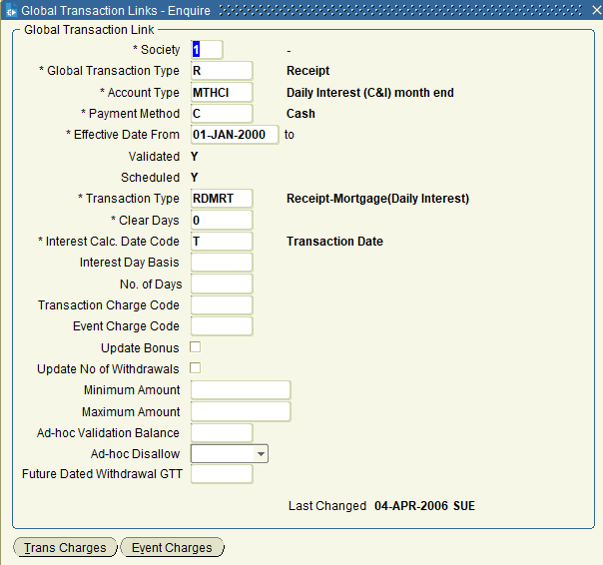
...
Payment Method
C
DD
IT
MT
QB
QS
...

PROC_TYPE
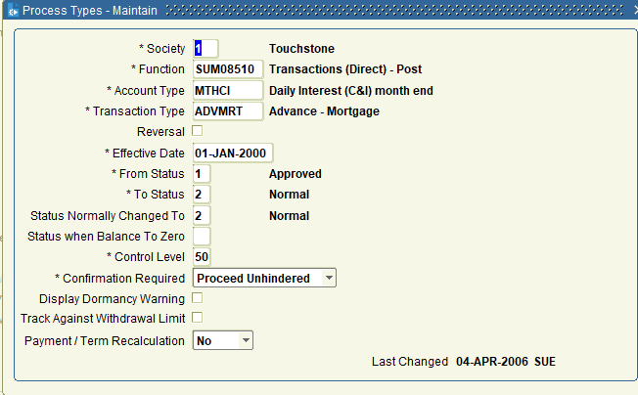
...
To Status
2
2
...



