Summary of the Product
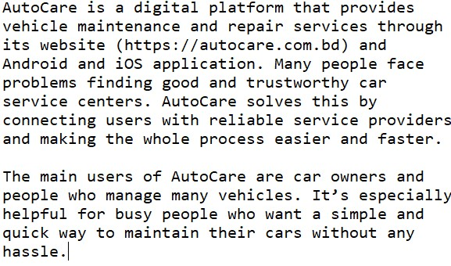
 | AutoCare
Summary of the Product:
Website: https://autocare.com.bd

